Yearly Class Attendance
YEARLY CLASS ATTENDANCE SHEET

SCHOOL NAME |  |  | COURSE TITLE |  |  |  |  | TIME / CLASS PERIOD | KEY
 |  |  |  |  |  |  |  |  | PRESENT | P
 |  |  |  |  |  |  |  |  | UNEXCUSED ABSENCE | U
PROFESSOR NAME |  |  | LOCATION |  |  |  |  | SCHOOL YEAR | EXCUSED ABSENCE | E
 |  |  |  |  |  |  |  |  | TARDY | T

STUDENT NAME | STUDENT ID | TOTAL |  |  |  | School Name, Course Title, Time / Class Period, Professor Name, Location, and Student Names and ID Numbers entered on this sheet will automatically populate each monthly tab throughout the document.
 |  | P | U | E | T
 |  | 0 | 0 | 0 | 0
 |  | 0 | 0 | 0 | 0
 |  | 0 | 0 | 0 | 0
 |  | 0 | 0 | 0 | 0 |  | CLICK HERE TO CREATE YEARLY CLASS ATTENDANCE SHEET TEMPLATES IN SMARTSHEET
 |  | 0 | 0 | 0 | 0
 |  | 0 | 0 | 0 | 0
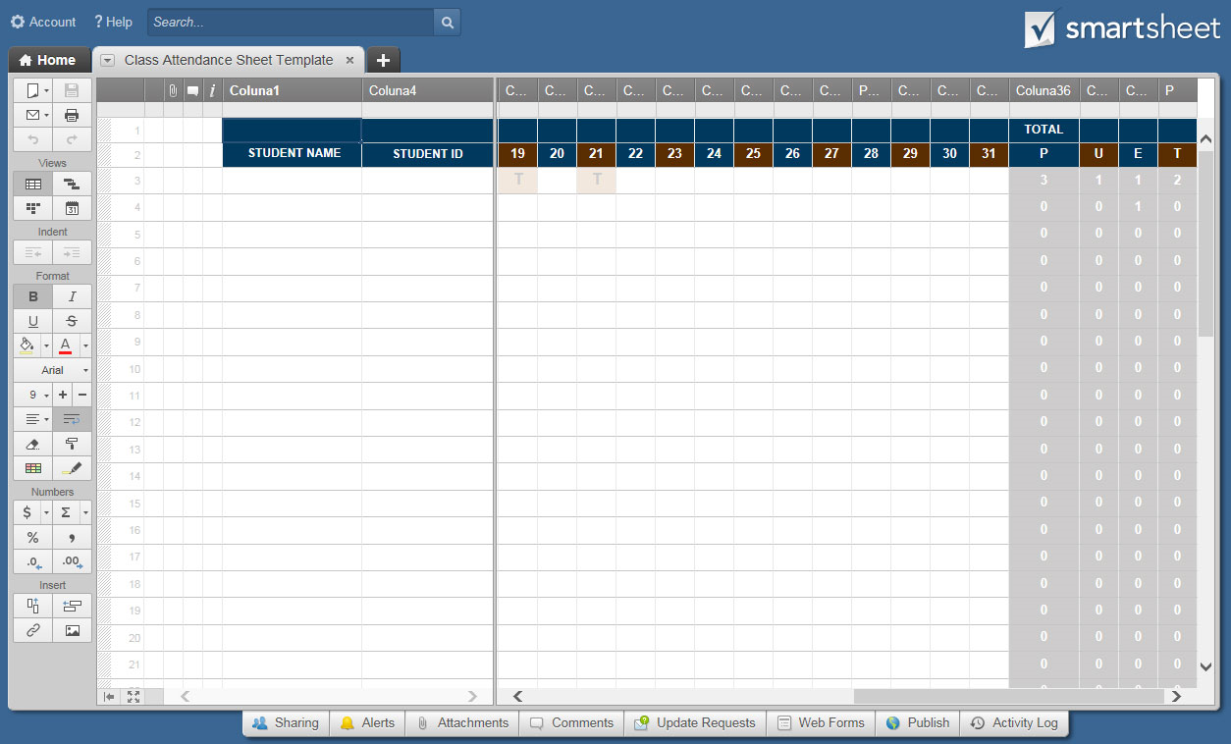
 |  | 0 | 0 | 0 | 0
 |  | 0 | 0 | 0 | 0
 |  | 0 | 0 | 0 | 0
 |  | 0 | 0 | 0 | 0
 |  | 0 | 0 | 0 | 0
 |  | 0 | 0 | 0 | 0
 |  | 0 | 0 | 0 | 0
 |  | 0 | 0 | 0 | 0
 |  | 0 | 0 | 0 | 0
 |  | 0 | 0 | 0 | 0
 |  | 0 | 0 | 0 | 0
 |  | 0 | 0 | 0 | 0
 |  | 0 | 0 | 0 | 0
 |  | 0 | 0 | 0 | 0
 |  | 0 | 0 | 0 | 0
 |  | 0 | 0 | 0 | 0
 |  | 0 | 0 | 0 | 0
 |  | 0 | 0 | 0 | 0
 |  | 0 | 0 | 0 | 0
 |  | 0 | 0 | 0 | 0
 |  | 0 | 0 | 0 | 0
 |  | 0 | 0 | 0 | 0
 |  | 0 | 0 | 0 | 0
 |  | 0 | 0 | 0 | 0
 |  | 0 | 0 | 0 | 0
 |  | 0 | 0 | 0 | 0
 |  | 0 | 0 | 0 | 0
 |  | 0 | 0 | 0 | 0
 |  | 0 | 0 | 0 | 0
 |  | 0 | 0 | 0 | 0
 |  | 0 | 0 | 0 | 0
 |  | 0 | 0 | 0 | 0
 |  | 0 | 0 | 0 | 0
 |  | 0 | 0 | 0 | 0

