Sheet1
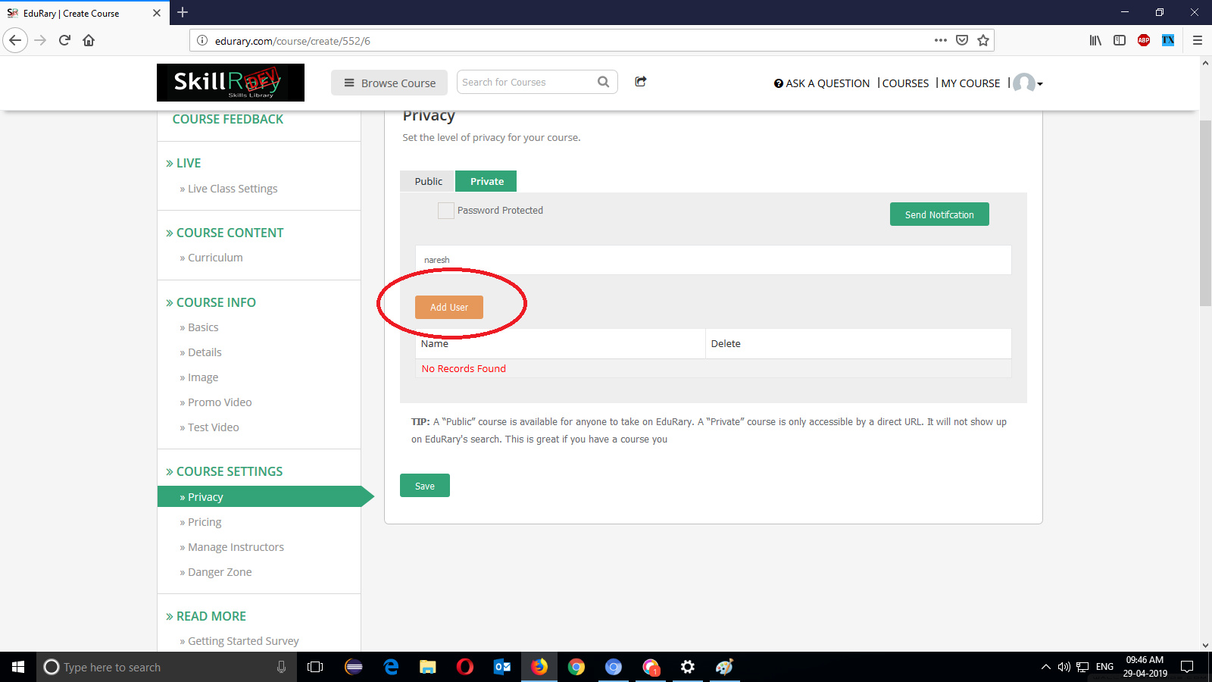
Defect No | Module Name | Date | Defects steps | Descripton | open | close | comment | picture
1 | curriculum | 2019-04-29 | Successfully login to the appilcation. | In "Privacy" Add user button is not | open
 |  |  | Click on "my course" | working.
 |  |  | Click on "Teaching" tab.
 |  |  | Click on "Create Course".
 |  |  | Go to "course settings".
 |  |  | Click on "privacy".
 |  |  | Enter some name .
 |  |  | Click on "Add User" Button.

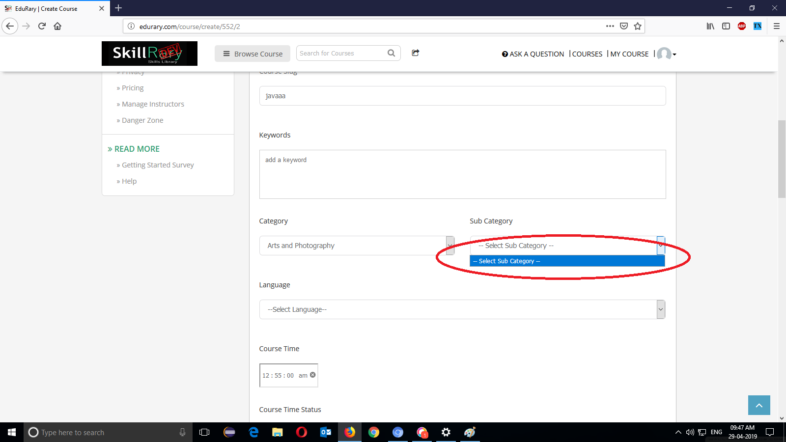
2 | Course Info | 2019-04-29 | Successfully login to the application. | In Basics "Sub Category" is not | open
 |  |  | Click on "My course" | taking the input.
 |  |  | Click on "Teaching "tab.
 |  |  | Click on "Create Course".
 |  |  | Go to "course Info".
 |  |  | Select any "Sub Category".

3 | Course Settings | 2019-04-29 | Successfully login to the application. | In Privacy the Add User button is not | open
 |  |  | Click on "My course" | working.
 |  |  | Click on "Teaching "tab.
 |  |  | Click on "Create Course".
 |  |  | Go to "course Settings".
 |  |  | Enter any name in field .and
 |  |  | Click on "Add User" Button.

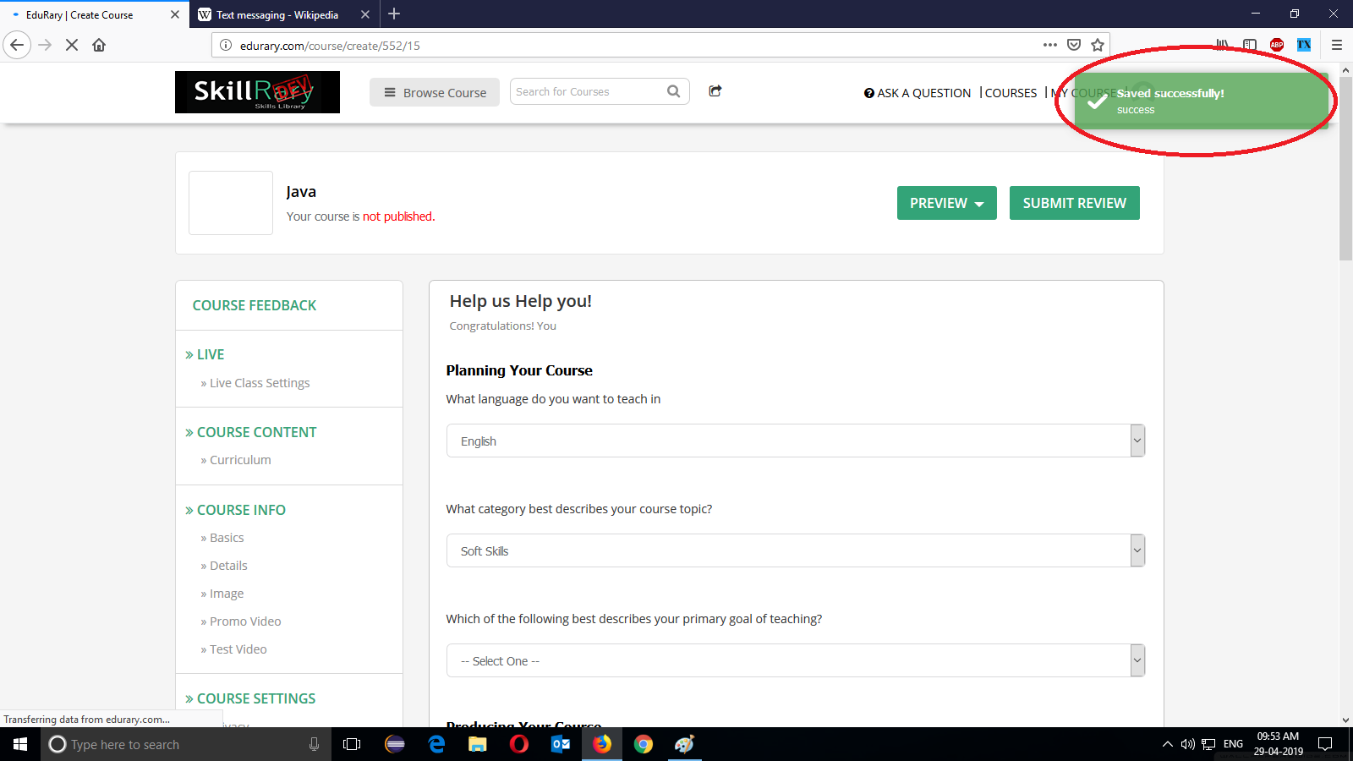
4 | Read More | 2019-04-29 | Successfully login to the application. | In "Getting Started Survey " without | open
 |  |  | Click on "My course" | entering any Data ,successfully "Saved"
 |  |  | Click on "Teaching "tab. | notification is displayed
 |  |  | Click on "Create Course".
 |  |  | Go to "Read More".
 |  |  | Click on "Getting Started Survey".
 |  |  | Without entering any data to the Fields,
 |  |  | Click on "Save" Button.

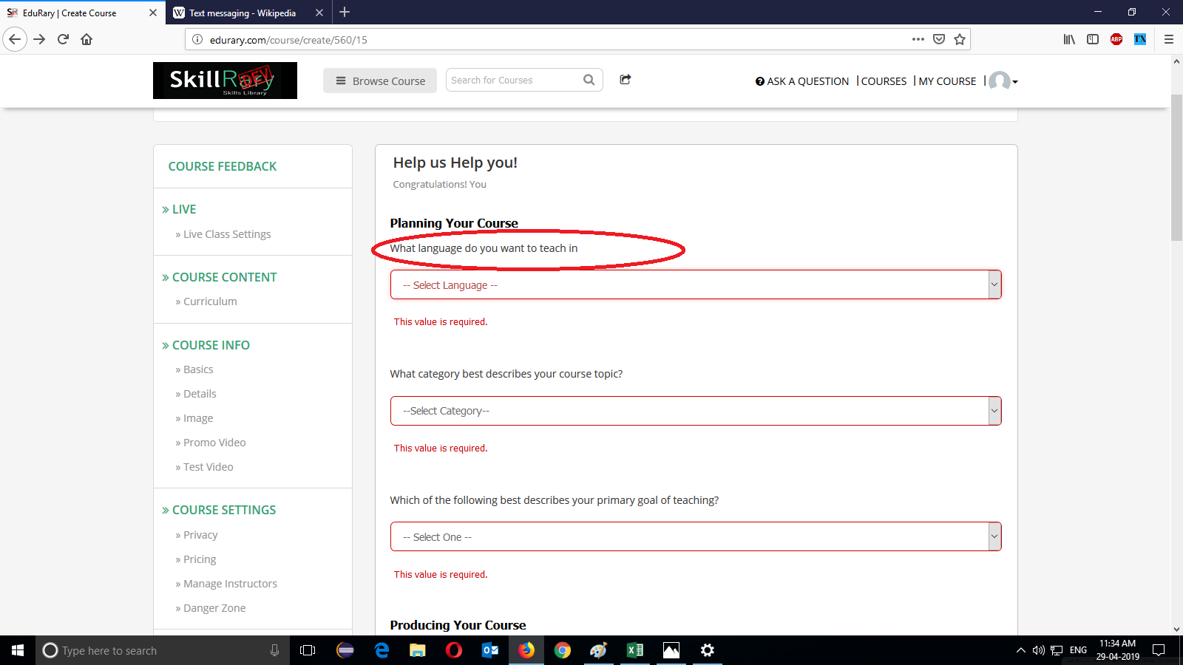
5 | Read more | 2019-04-29 | Successfully login to the application. |  | open
 |  |  | Click on "My course"
 |  |  | Click on "Teaching "tab.
 |  |  | Click on "Create Course".
 |  |  | Go to "Read More".
 |  |  | Click on "Getting Started Survey".
 |  |  | Without entering any data to the Fields,
 |  |  | Click on "Save" Button.

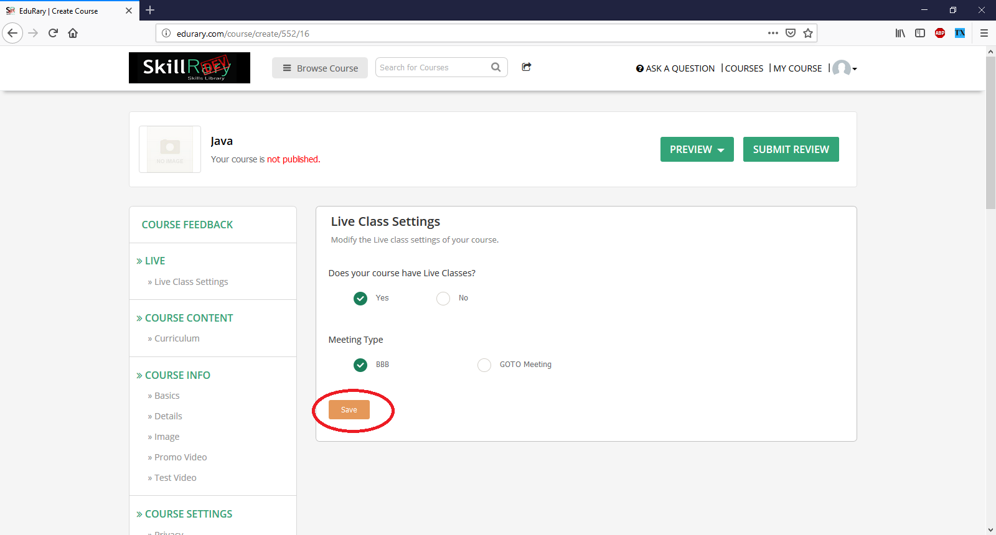
6 | Live Class Settings | 2019-04-29 | Successfully login to the application. | In "Live class settings" after entering | open
 |  |  | Click on "My course" | all fields Save button is not working.
 |  |  | Click on "Teaching "tab.
 |  |  | Click on "Create Course".
 |  |  | Go to "Live"
 |  |  | Click on "Live class settings".
 |  |  | Enter all the fields
 |  |  | And click on "Save" button.

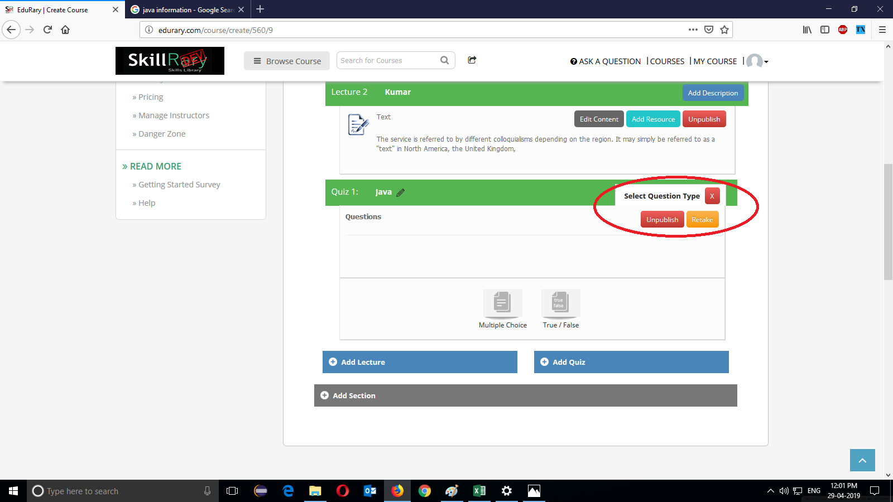
7 | curriculum | 2019-04-29 | Successfully login to the application. | without entering any questions | open
 |  |  | Click on "My course" | "publish" button is working.
 |  |  | Click on "Teaching "tab.
 |  |  | Click on "Create Course".
 |  |  | Go to "course content" .
 |  |  | Click on "curriculum".
 |  |  | After entering Lecture 1 and Lecture 2
 |  |  | Click on Add Question button
 |  |  | With entering any questions Click on
 |  |  | "Publish" Button.

