Dashboard
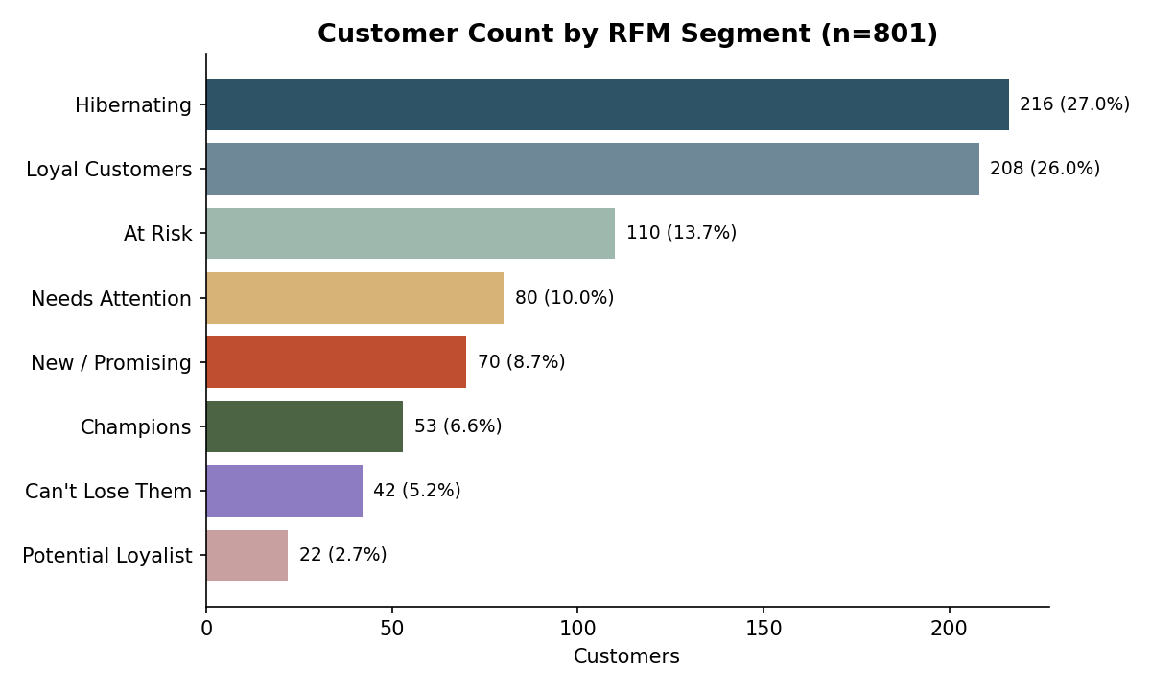
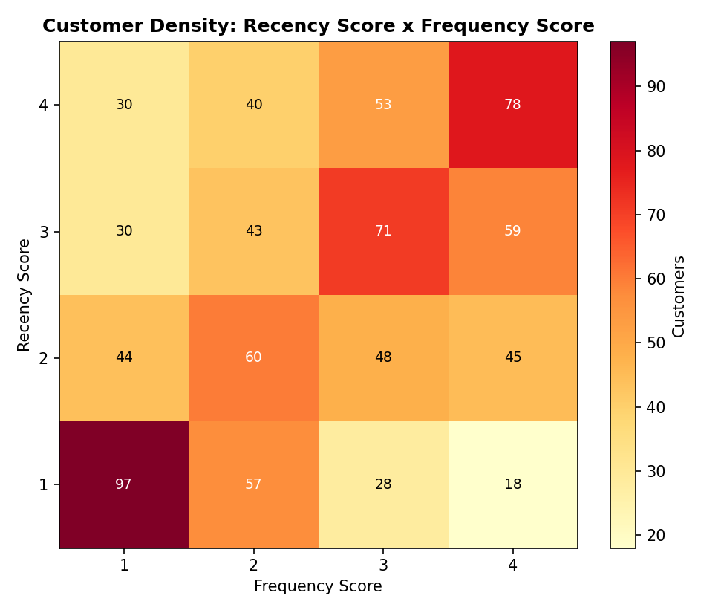
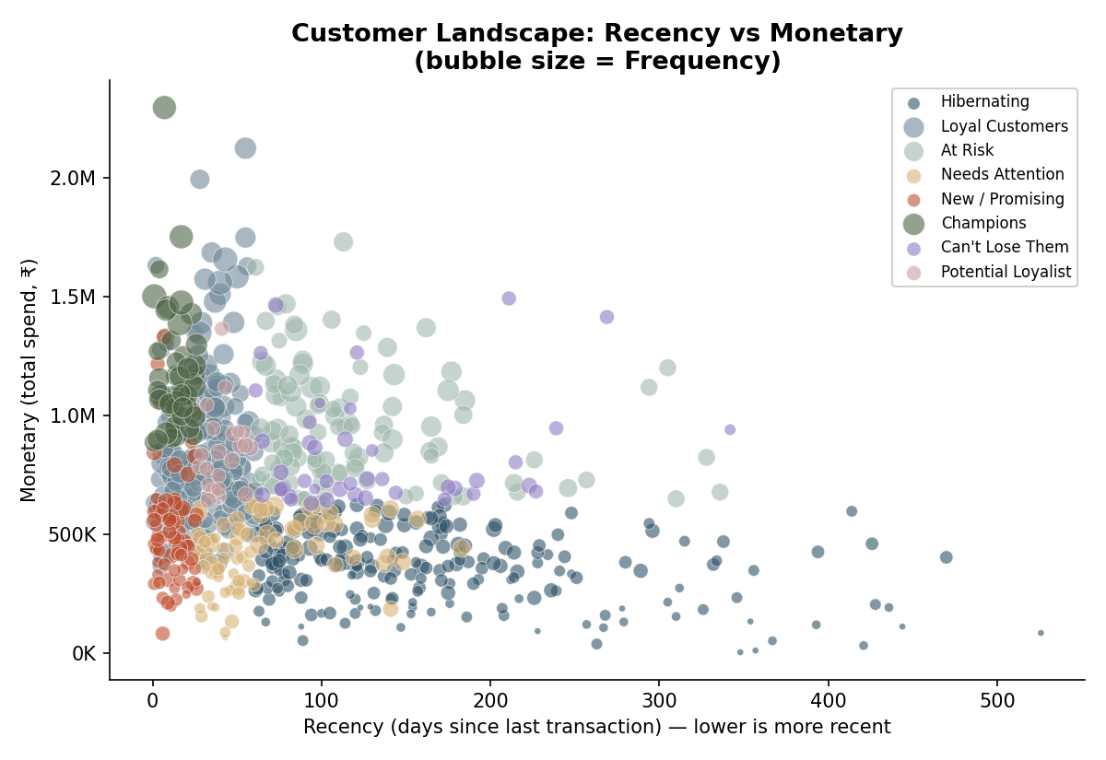
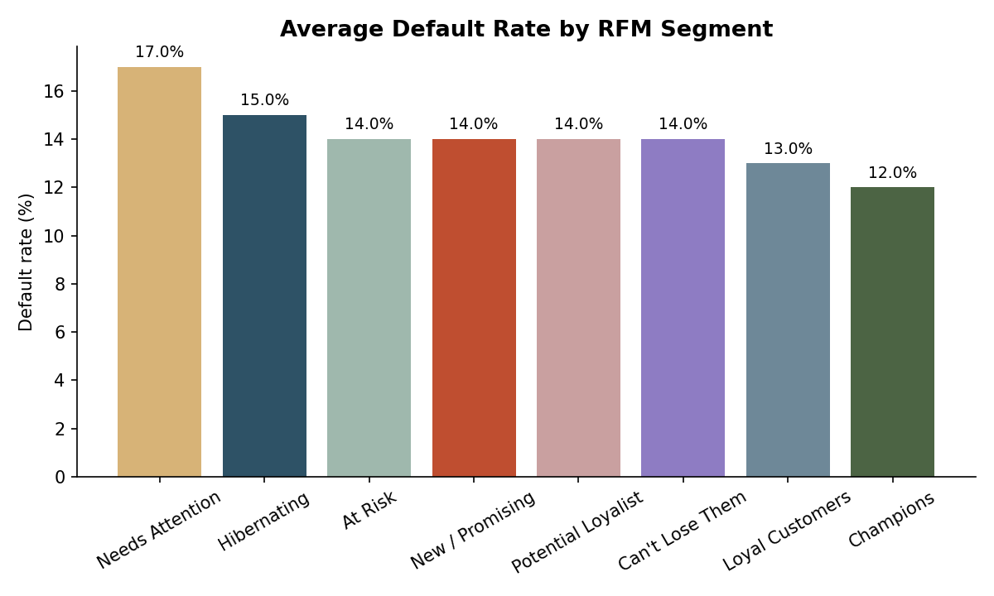
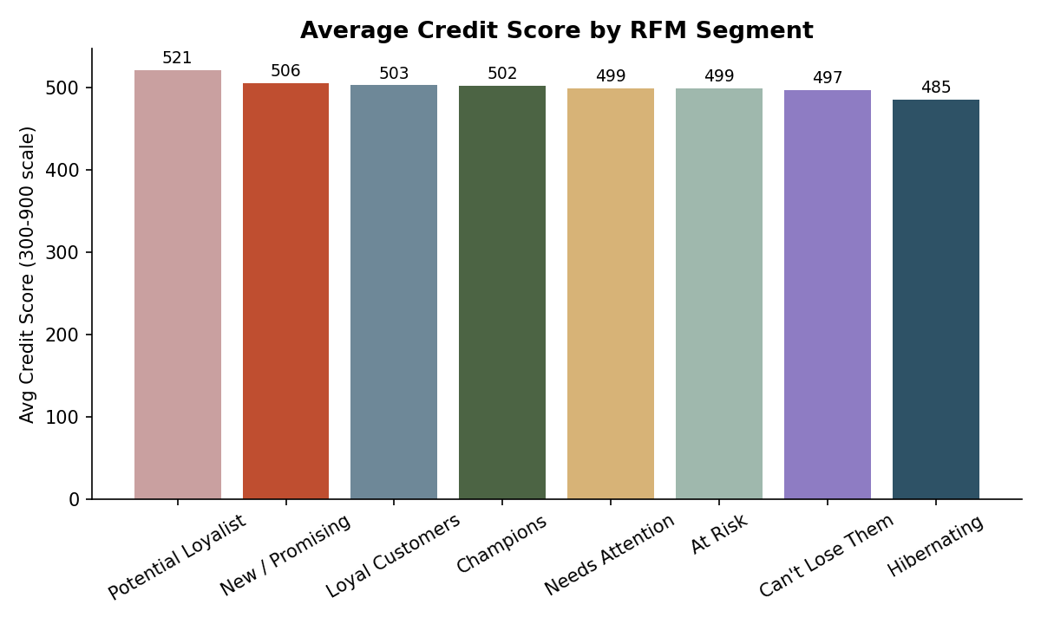
Day 3 — Customer Segmentation (RFM Analysis) Dashboard
Project: Algorithmic Credit Scoring | Source: Master_Finance_Data_Cleaned.xlsx (Day 1) | Customers segmented: 801

