Dashboard
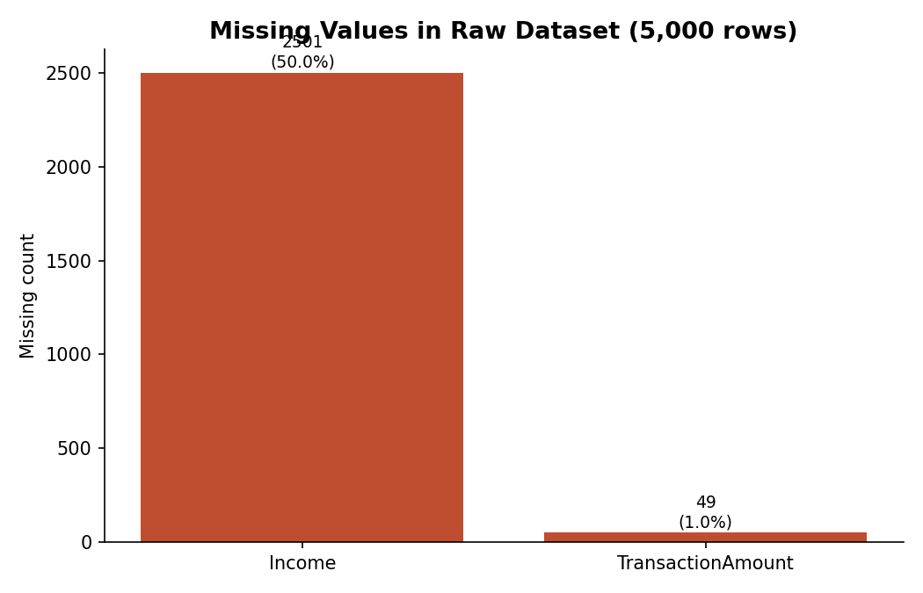
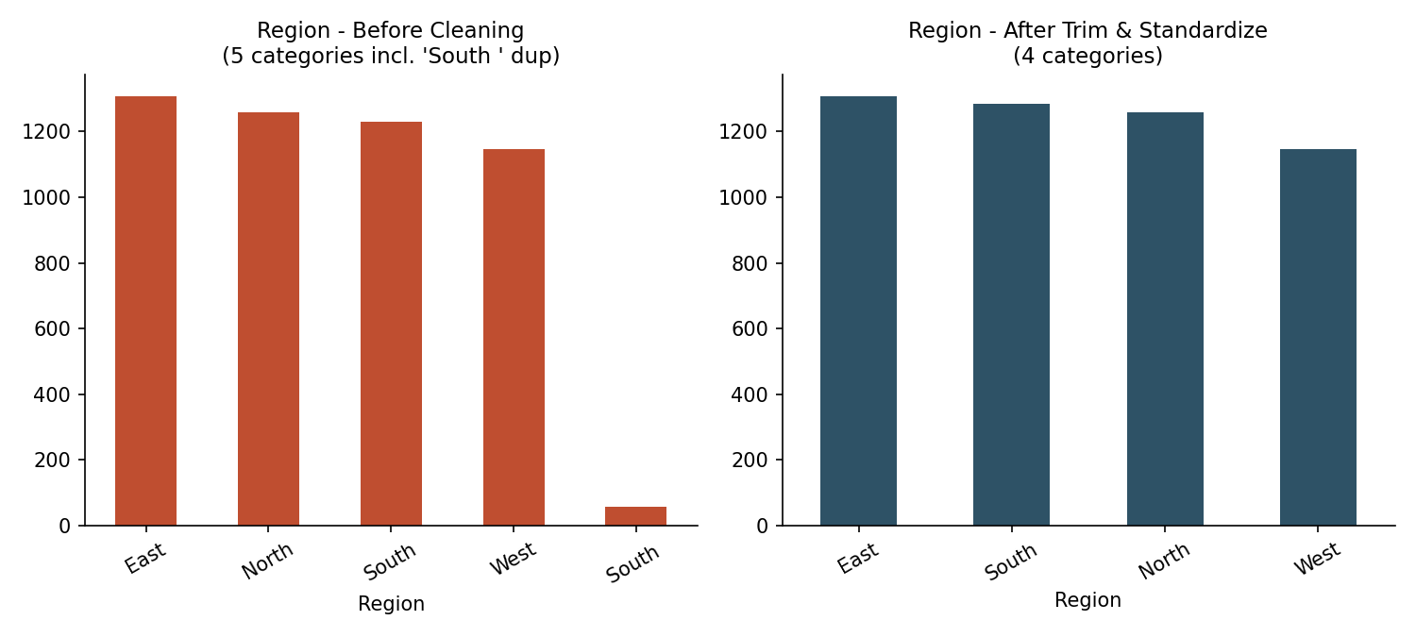
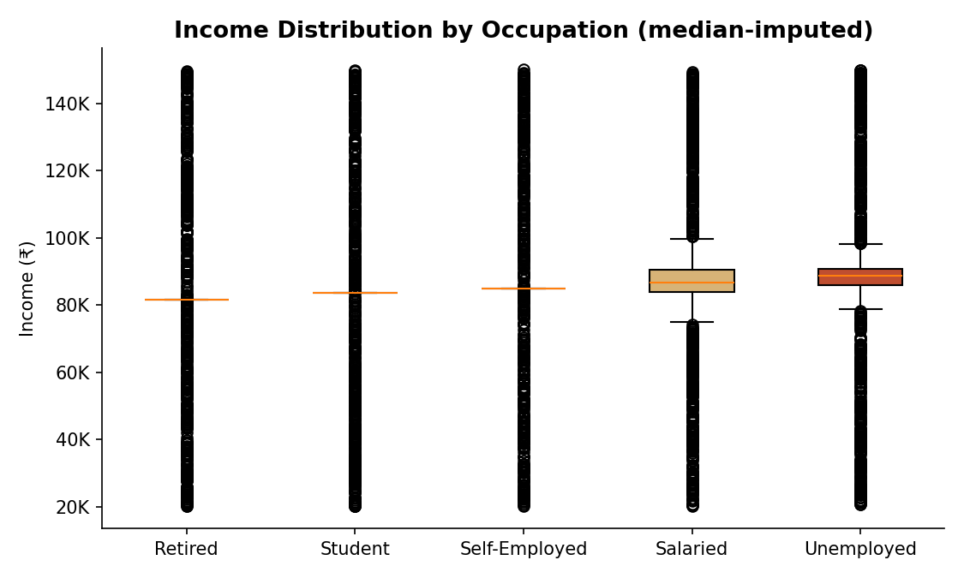
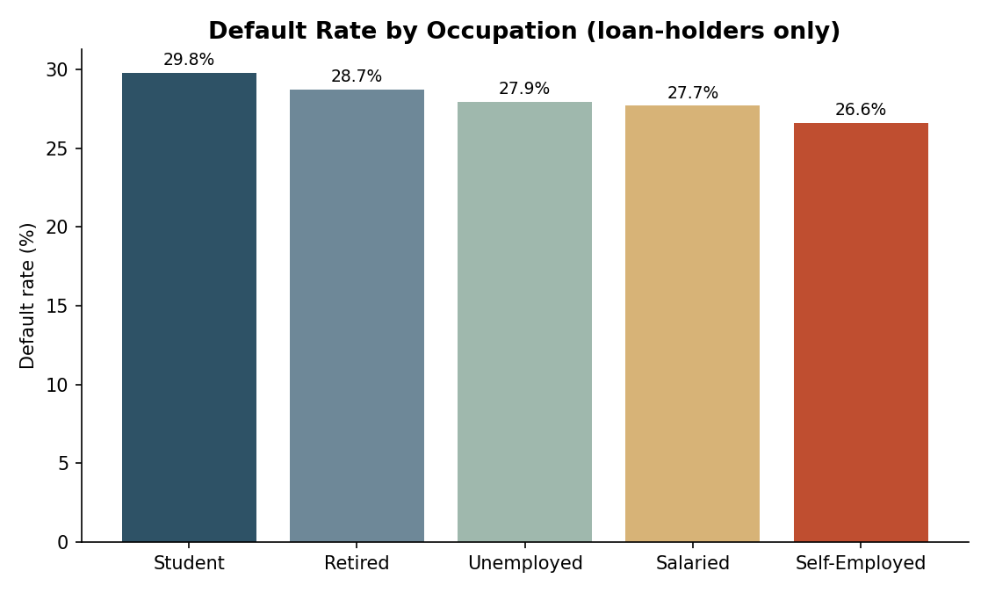
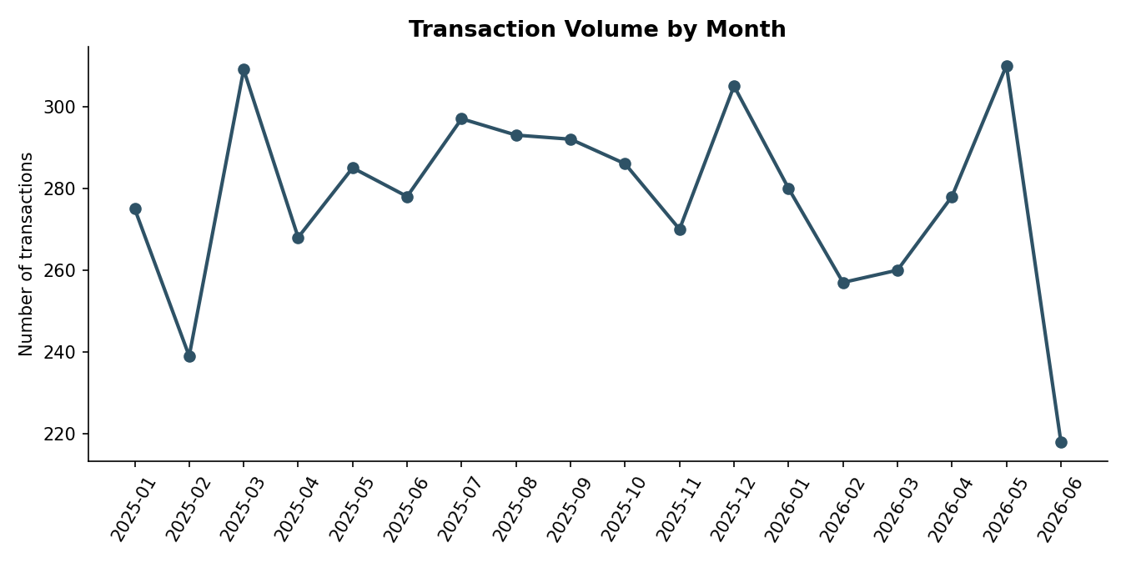
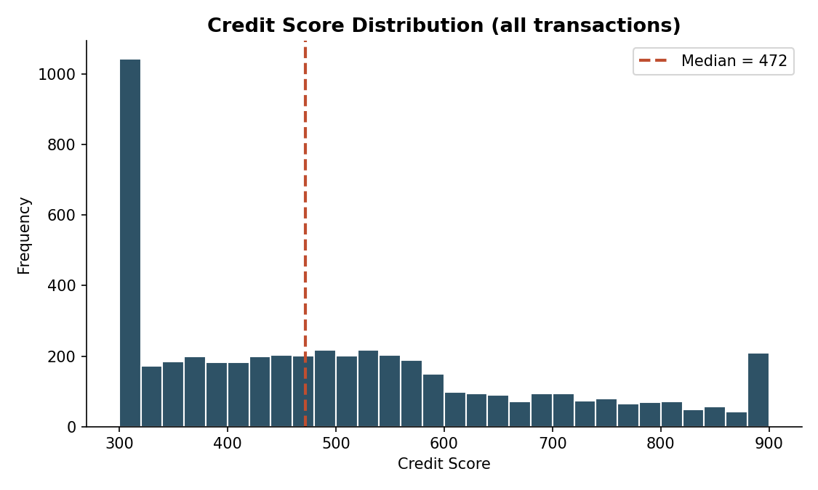
Day 1 — Data Integration & Preprocessing (ETL): Data Quality Dashboard
Project: Algorithmic Credit Scoring Using Behavioral and Transactional Data | Source: Semi_Unclear_Finance_Dataset_5000.xlsx | Rows: 5,000

