Dashboard
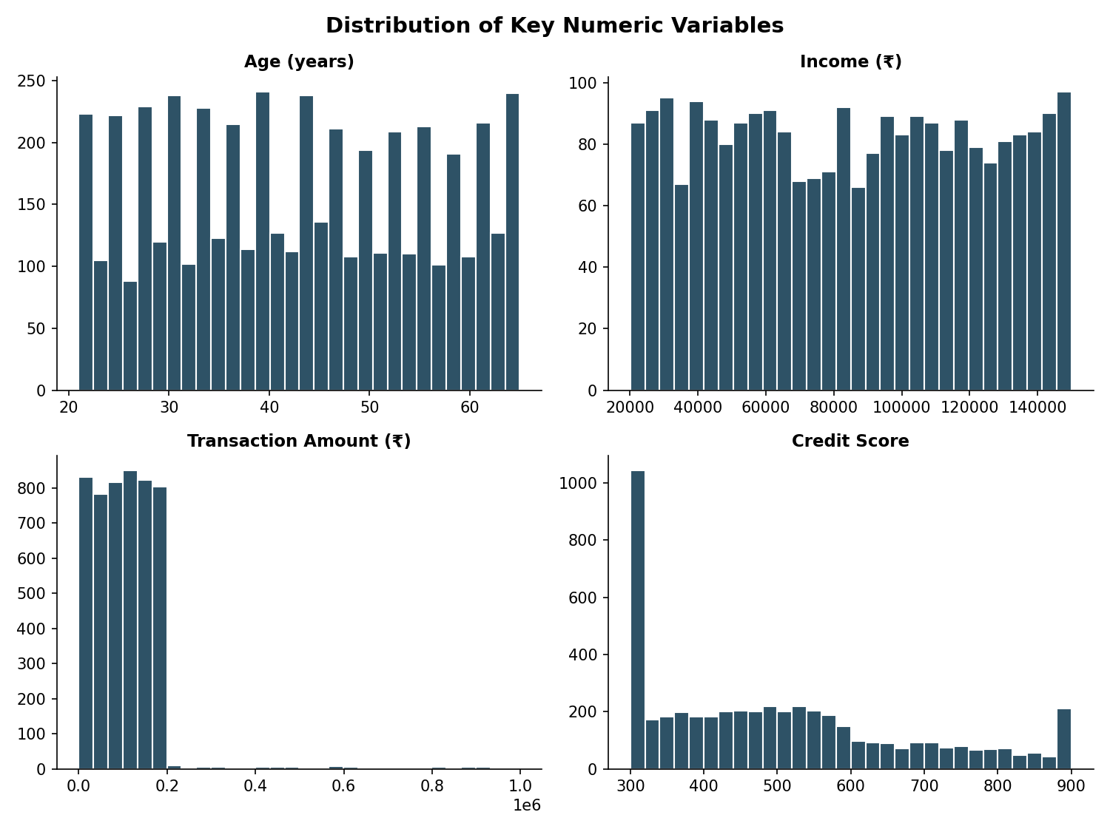
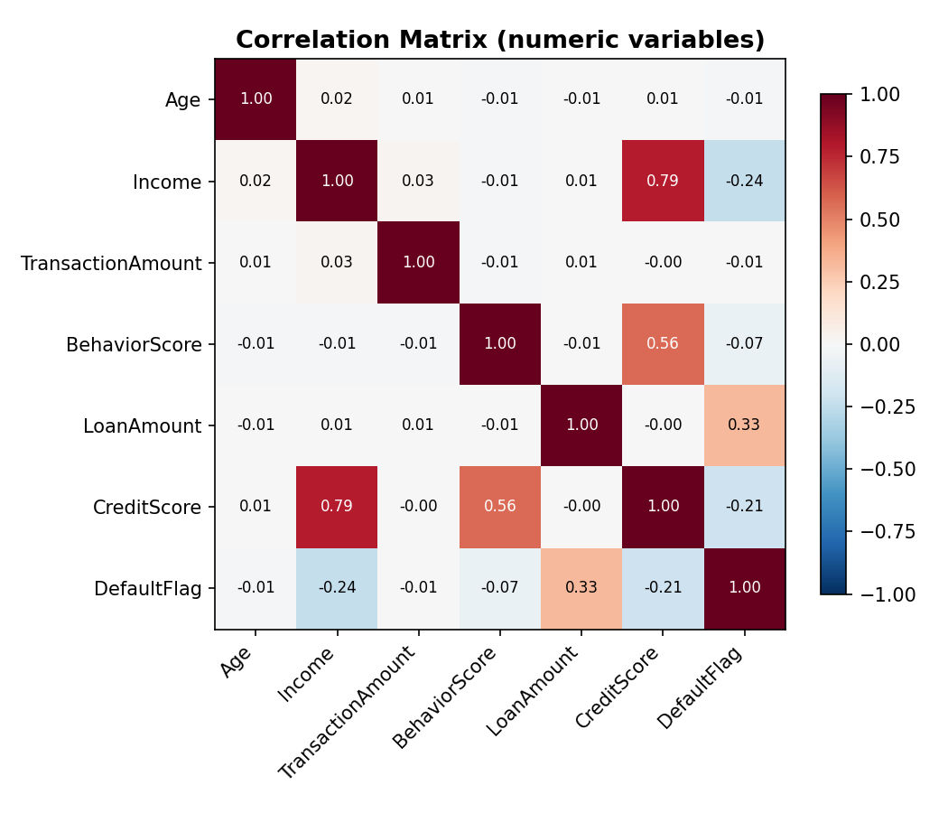
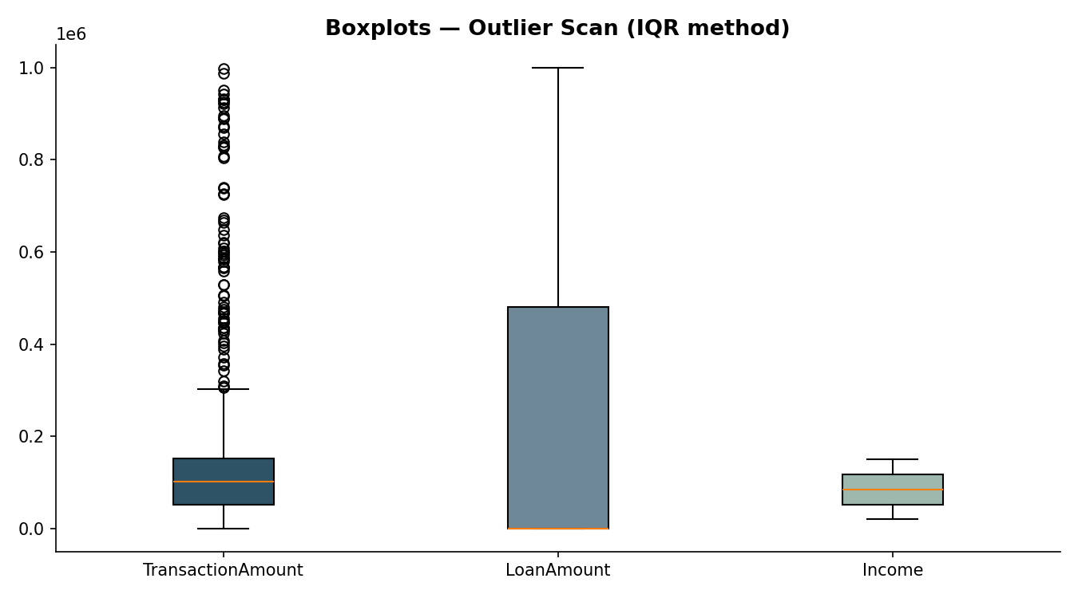
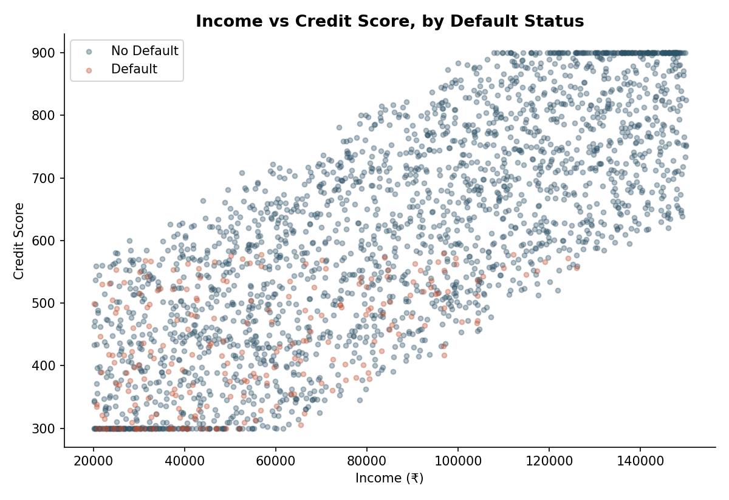
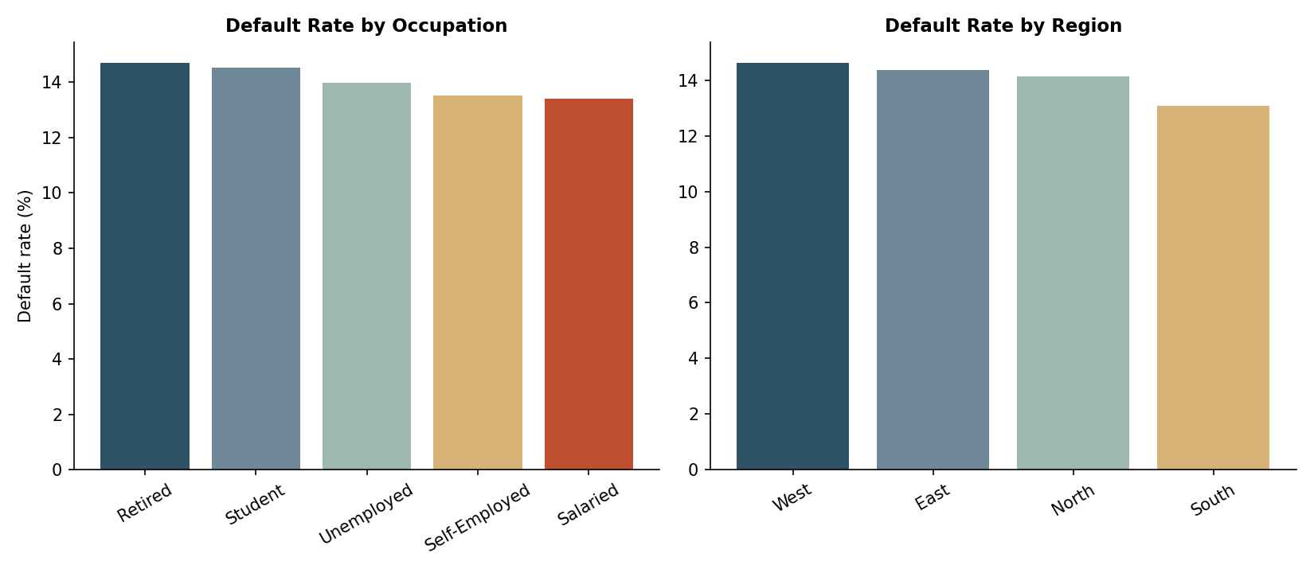
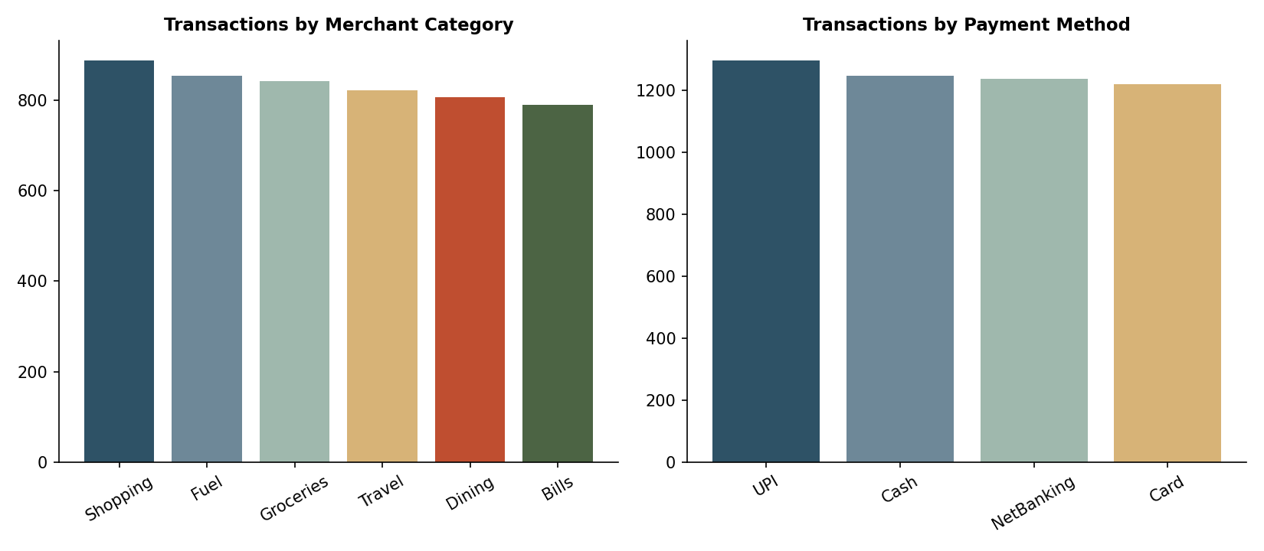
Day 2 — Descriptive Statistics & EDA Dashboard
Project: Algorithmic Credit Scoring | Source: Master_Finance_Data_Cleaned.xlsx (Day 1) | Rows analyzed: 5,000

