target_proses
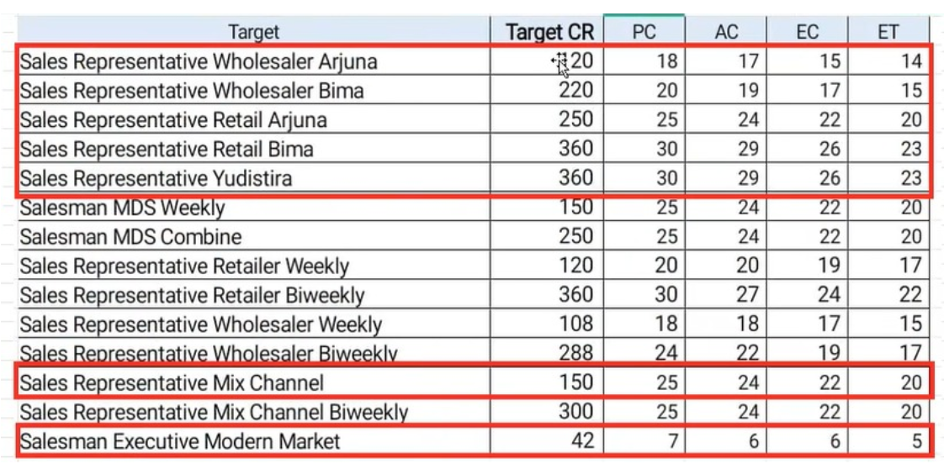
Tipe | CR | PC | AC | EC | ET | AvgSKU | GP_GPPJ+GEN | GP_GBS+OTHERS
Sales Representative Wholesaler Arjuna | 120 | 20 | 17 | 15 | 14 | 26 | 1200
Sales Representative Wholesaler Bima | 220 | 20 | 19 | 15 | 14 | 12
Sales Representative Retail Arjuna | 250 | 25 | 24 | 19 | 17 | 19 | 1230
Sales Representative Retail Bima | 360 | 30 | 29 | 23 | 20 | 11
Sales Representative Retailer Yudistira | 360 | 30 | 29 | 23 | 20 | 21 | 600 | 200
Sales Representative Mix Yudistira | 150 | 25 | 24 | 19 | 17 | 26 | 920 | 300

