Planogram
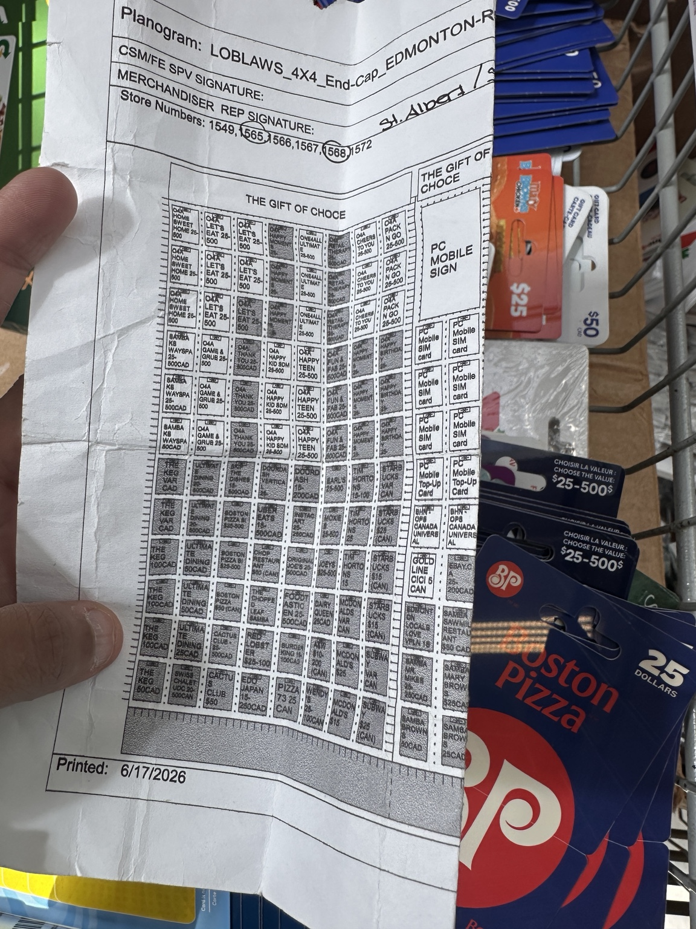
LOBLAWS 4x4 END CAP — PLANOGRAM DATABASE

Planogram | LOBLAWS_4X4_End_Cap
Printed | 6/17/2026
Source | User-supplied planogram photo
Extracted positions | 96
Columns | C1–C8
Workflow | Planogram → Extracted Positions → Column Sheets → Product Database
Important | VERIFY rows are intentionally flagged where print is unclear.

