pro_mini
 | store: | https://www.proto-pic.co.uk/arduino-pro-mini-328-33v8mhznew.html
 |  | https://www.coolcomponents.co.uk/arduino-pro-mini-328-5v-16mhz.html
 | tutorials: | http://www.whizzy.org/2015/06/howto-very-low-power-usage-on-pro-mini-v2-arduino-clone/
 |  | https://learn.sparkfun.com/tutorials/using-the-arduino-pro-mini-33v
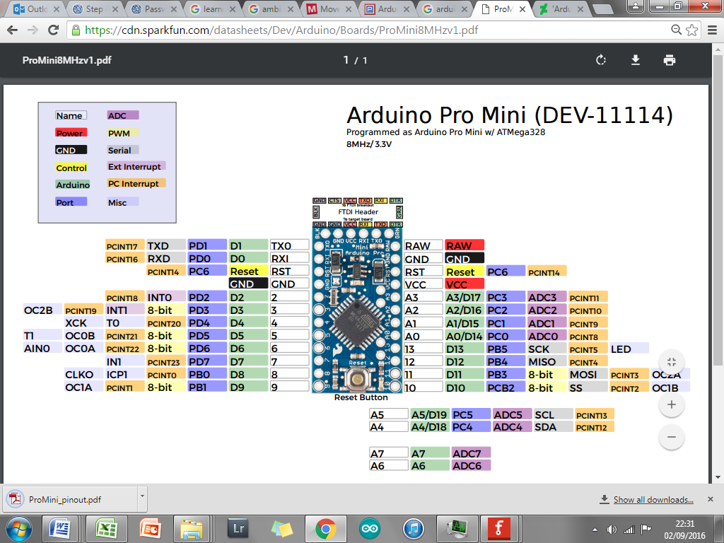
 | price: | 9.23 (proto-pic); £8.53 (cool-comp)
arduino | datasheet: | https://www.arduino.cc/en/Main/ArduinoBoardProMini
ATmega328 datasheet |  | http://www.atmel.com/images/Atmel-8271-8-bit-AVR-Microcontroller-ATmega48A-48PA-88A-88PA-168A-168PA-328-328P_datasheet_Complete.pdf
 |  | https://www.arduino.cc/en/uploads/Main/Arduino-Pro-Mini-schematic.pdf

 | Pin no | Pin function | Connects to

 | RAW | power supply>3v | RAW goes through voltage regulator
 | A0
 | A1
 | A2
 | A3
 | A4 | I2C - SDA | i2c "SDA" pin (must be A4)
 | A5 | I2C - SCL | i2c "SCL" pin (must be A5)
 | A6
 | A7
 | D0 | H/W Serial RX | Ublox "TX" pin (must be D0)
 | D1 | H/W Serial TX | Ublox "RX" pin (must be D1)
 | D2 |  | Status LED
 | D3 (PWM)
 | D4
 | D5 (PWM)
 | D6 (PWM) | S/W Serial RX | openlog TXI
 | D7 | S/W Serial TX | openlog RXI; FT232 RXI
 | D8 |  | openlog BLK
 | D9 (PWM) |  | ntx2 "TXD" pin (can be any PWM pin)
 | D10 (PWM)
 | D11 (PWM) | SPI "MOSI" | ds18b20 "DQ" pin (can be any digital pin)
 | D12 | SPI "MISO"
 | D13 | SPI "SCK"

