Sheet1
Term | Abbreviation | Description | Comment | SemantiURI | URI | Root Term | Master Term | ID Terminology | ID Category | IDTermStatus | Red | Optional
label | symbol | description |  | qudt uri | skosmatch | 0 |  | 13 | 3 | pang-2, external - 3

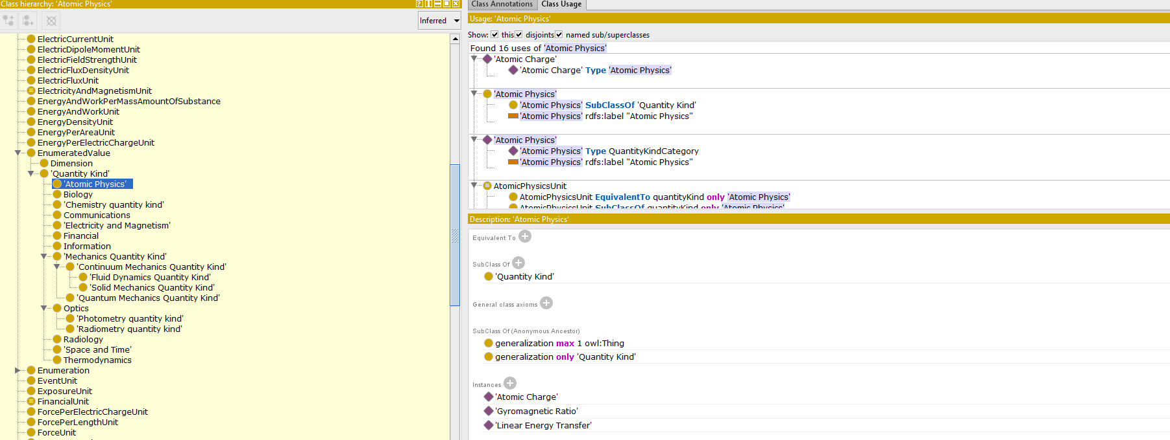

Term | Relation Type | Term | Relation Type | Term
Absolute Humidity | has broader term | Humidity | has broader term | Quantity Kind

 | OK

MD
1. Term att, rel
2. Text (formatted?)

