Sheet1
BOARD
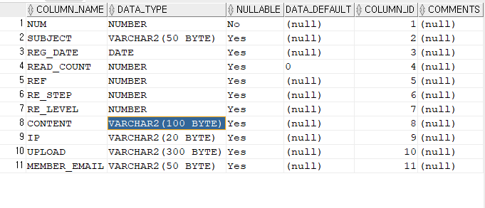

MEMBER_REFRESH_TOKENS


MEMBERS

