page1-viewChart
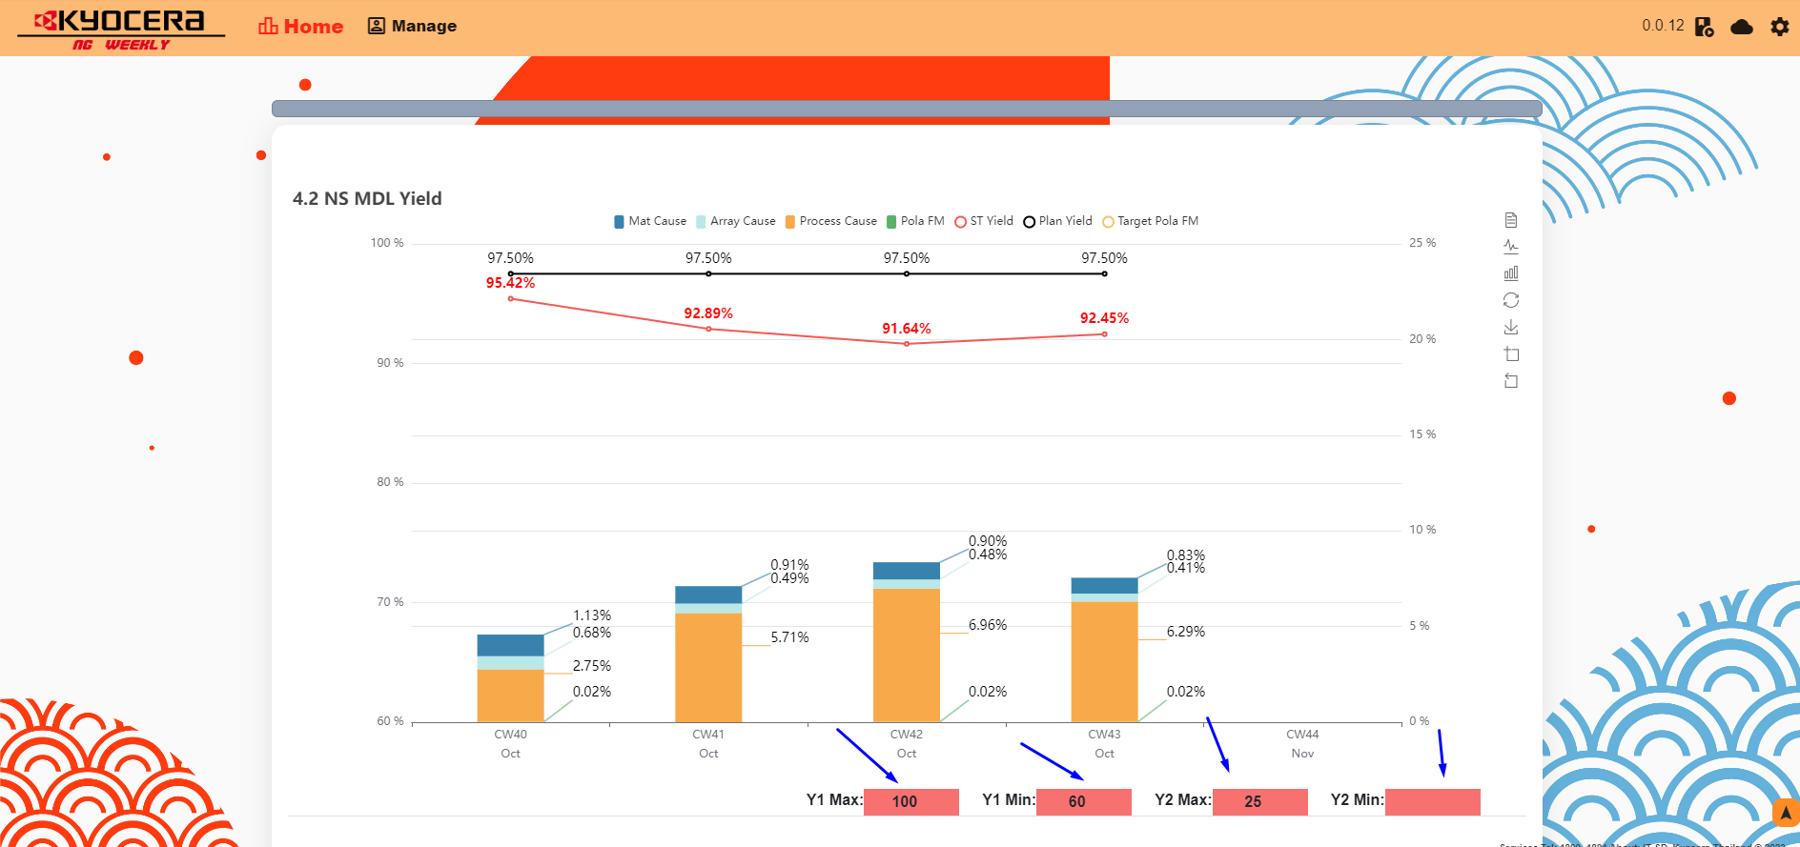
NG WEEKLY

Total 5 page.

page 1 | View chart

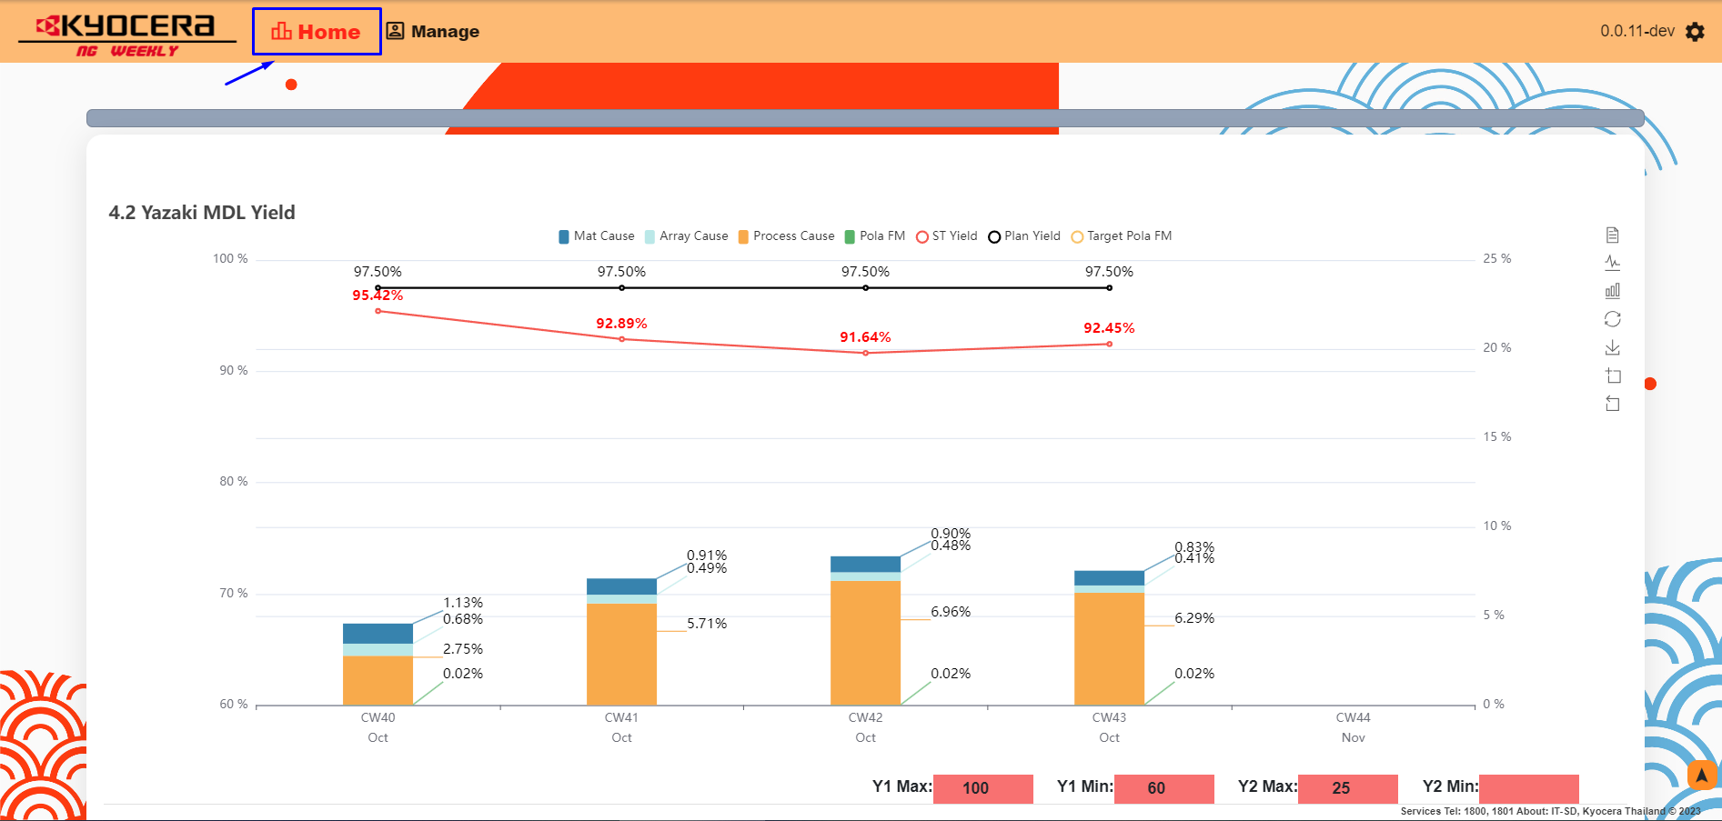

page1 - function

1.Can toggle show and hide data
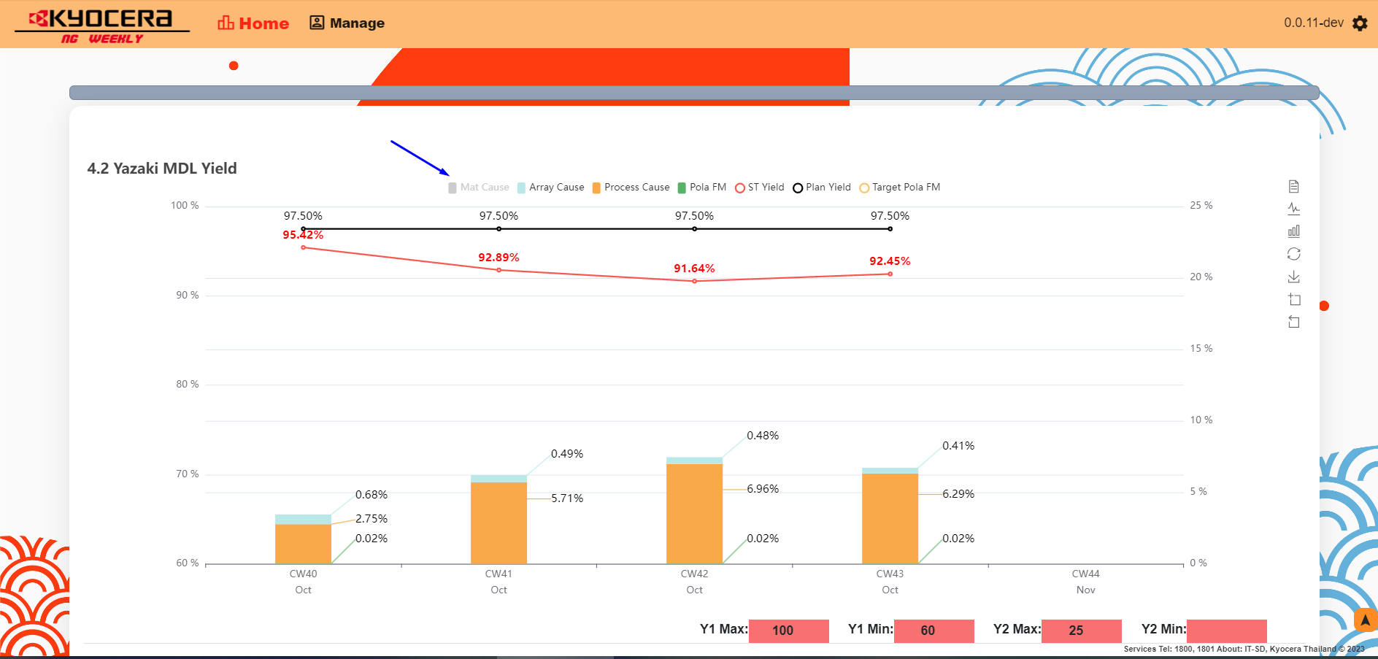

2.Show detail when mouse hover
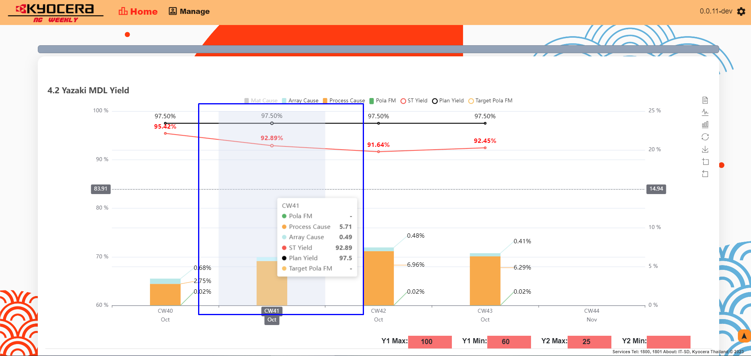

3.Toggle to convert type to line.
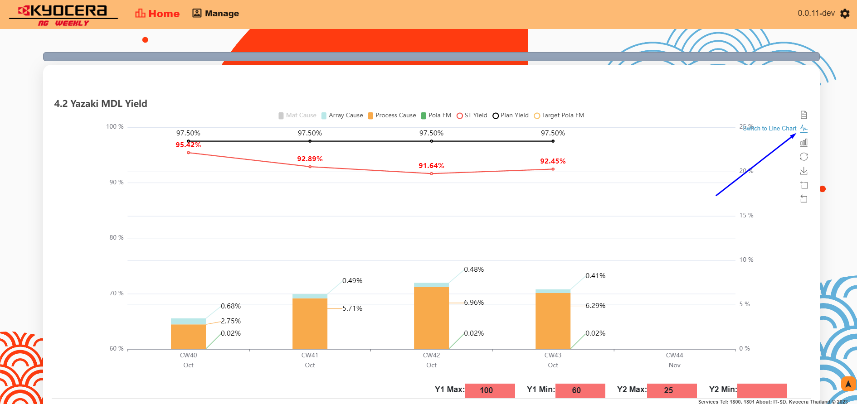

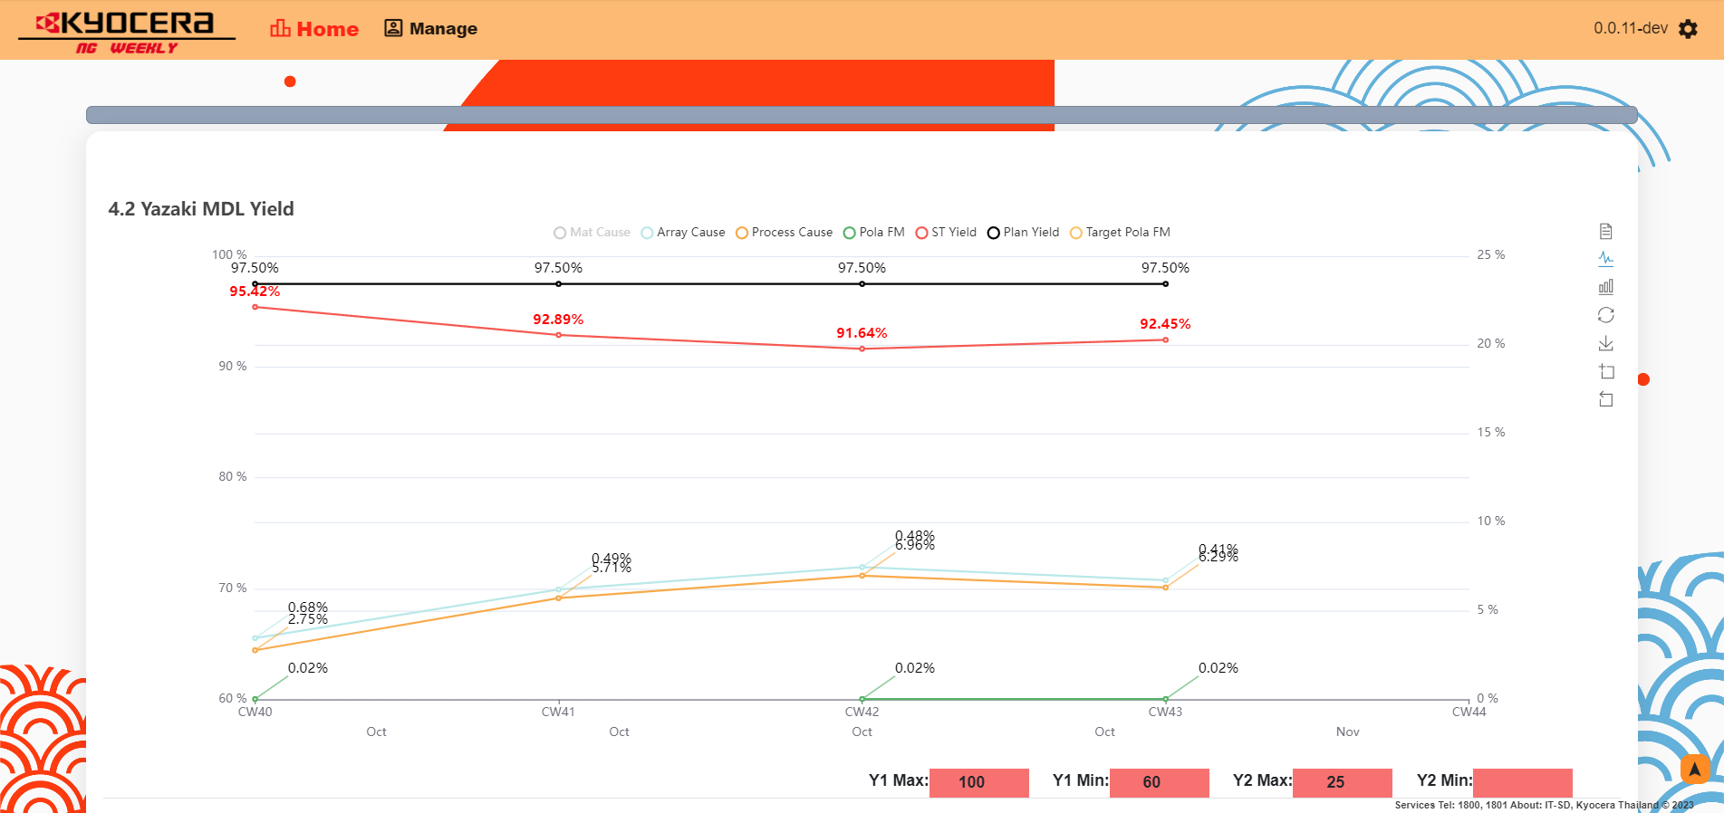

4.Toggle to convert type to bar.
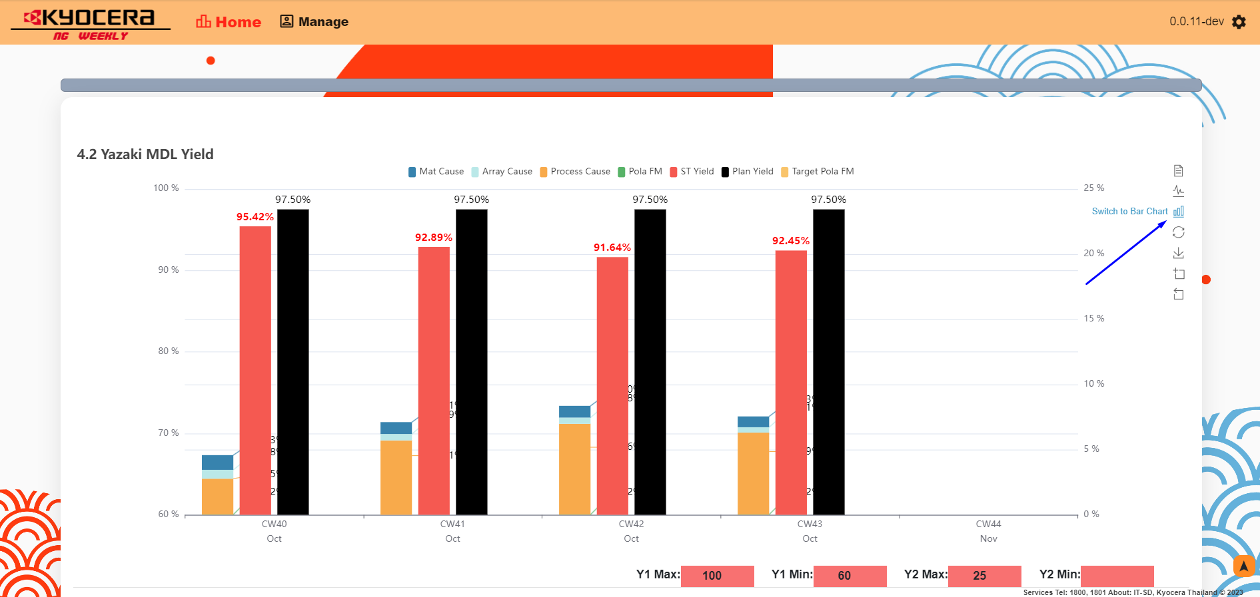

4.Toggle to reset function.
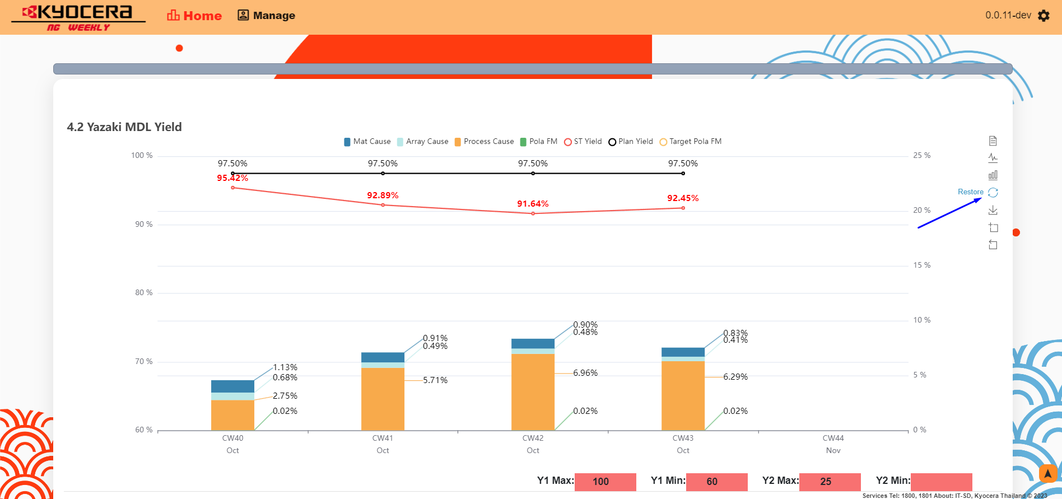

5.Toggle to save to image file.
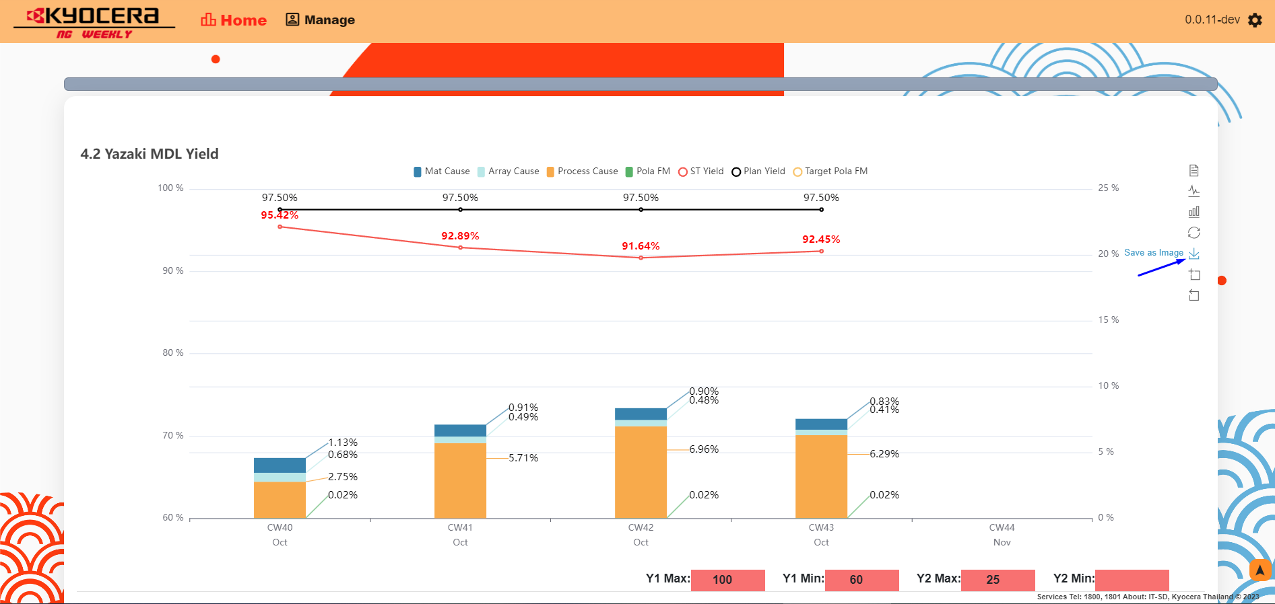

6.Toggle to crop mode and then crop area to zoom.
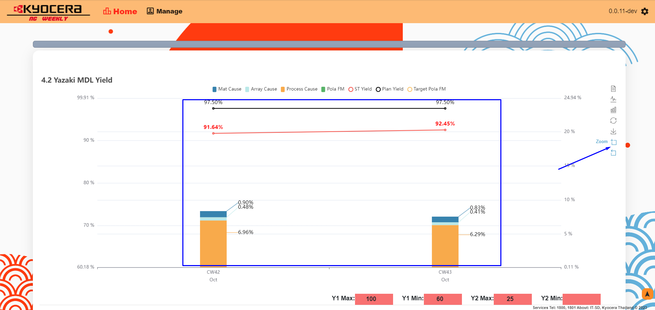

7.Toggle to reset crop mode.


8.Change max and min of yAxis.

page2-ngRef
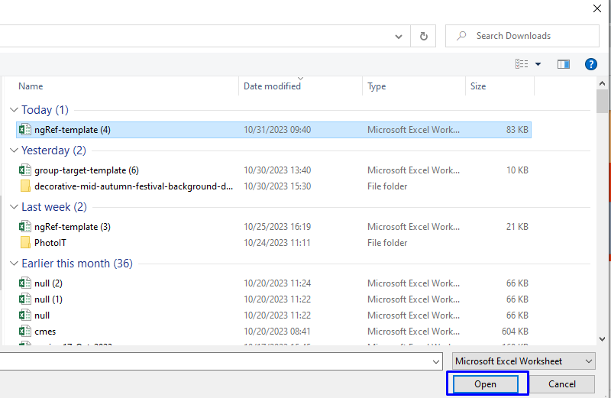
NG WEEKLY

Total 5 page.

page 2 | NG ref

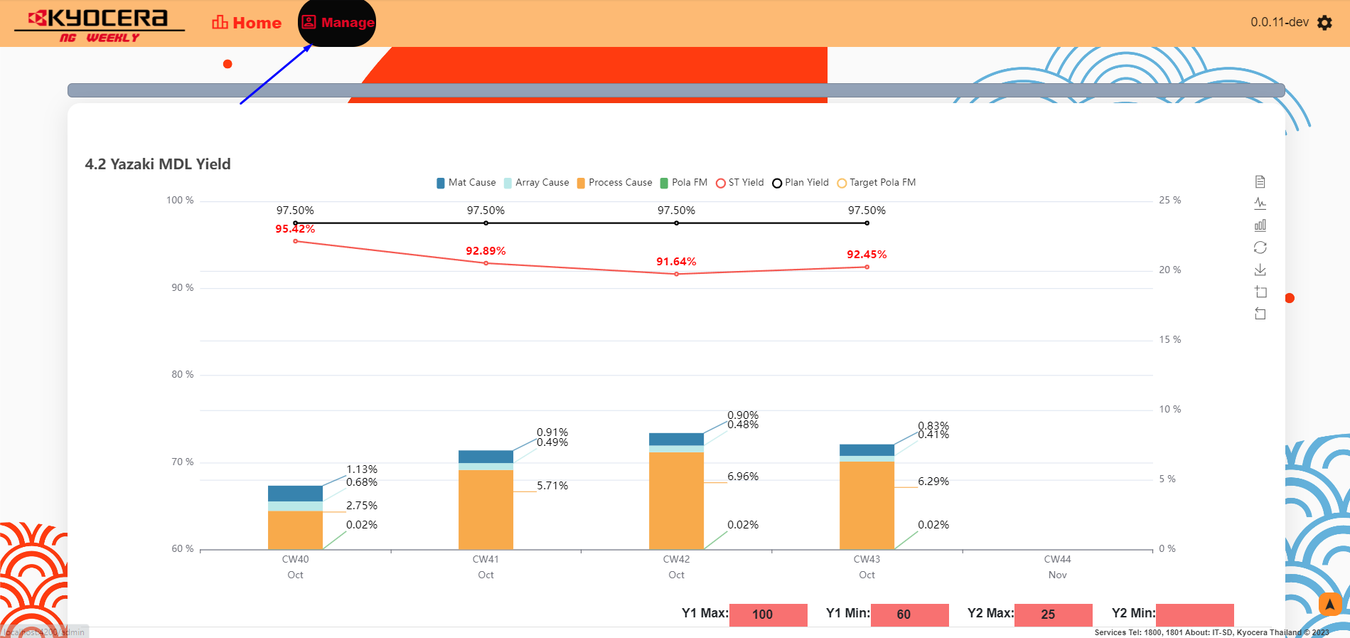

Input your password "password"
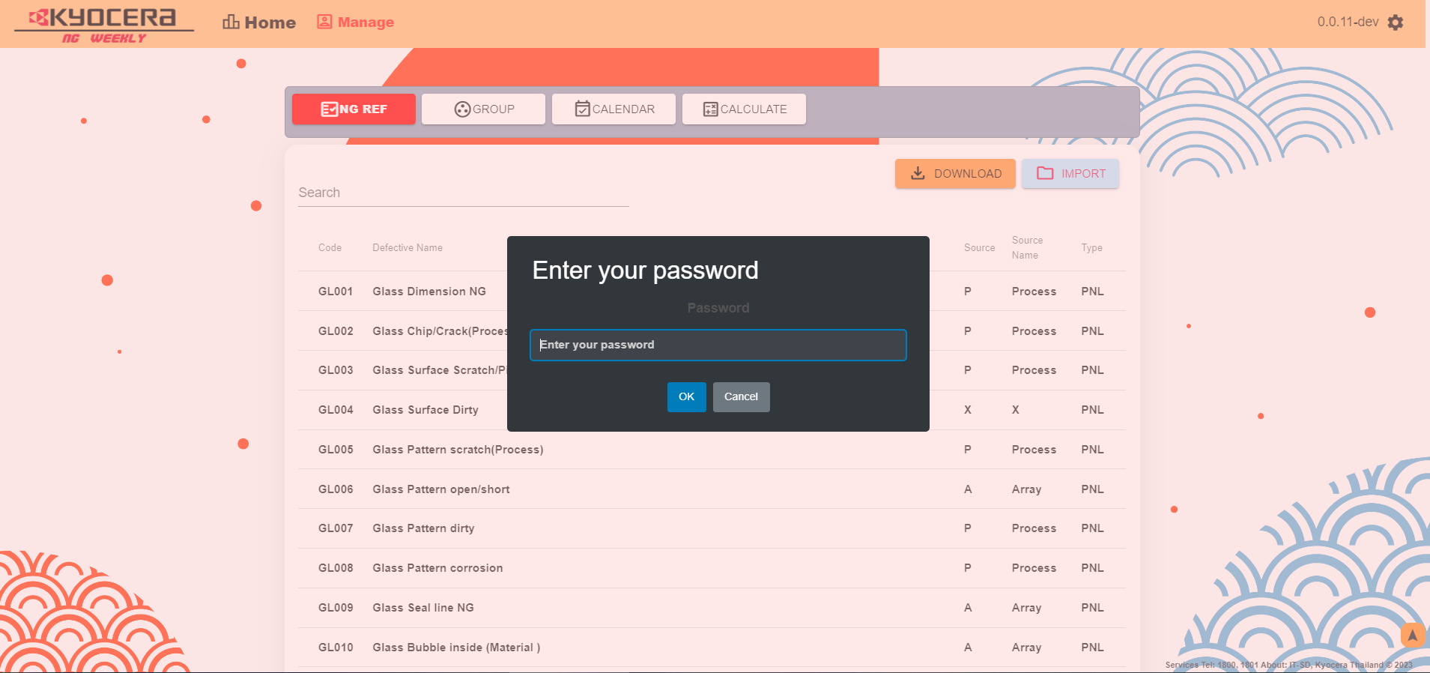

1.Download file template
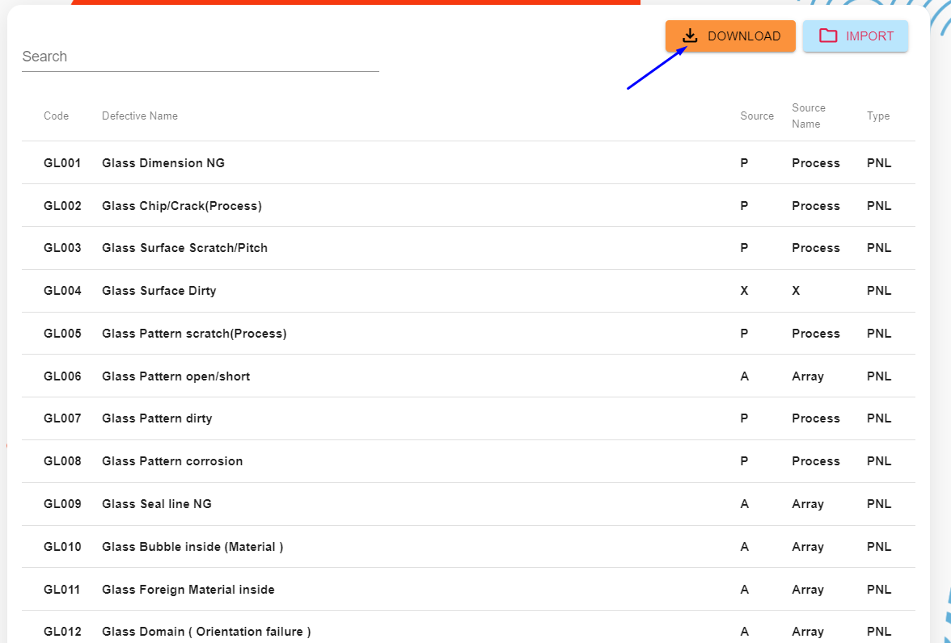

2.Fill your new defect.
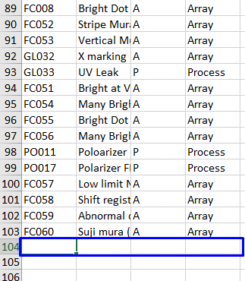

3.Import.

page3-groupTarget
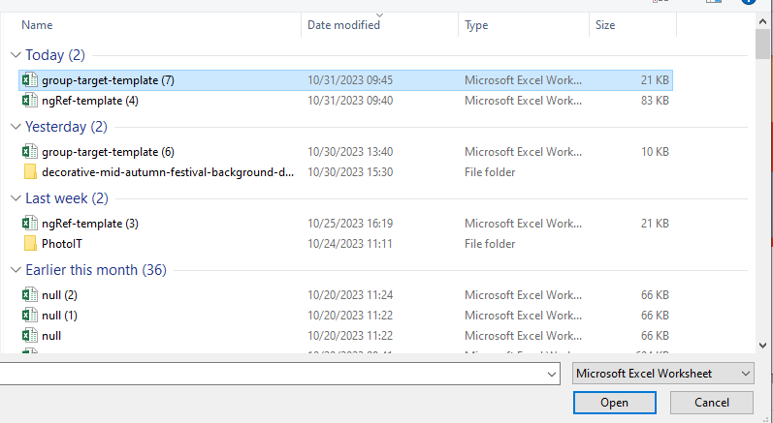
NG WEEKLY

Total 5 page.

page 2 | Group Target

Input your password "password"

1.Download file template
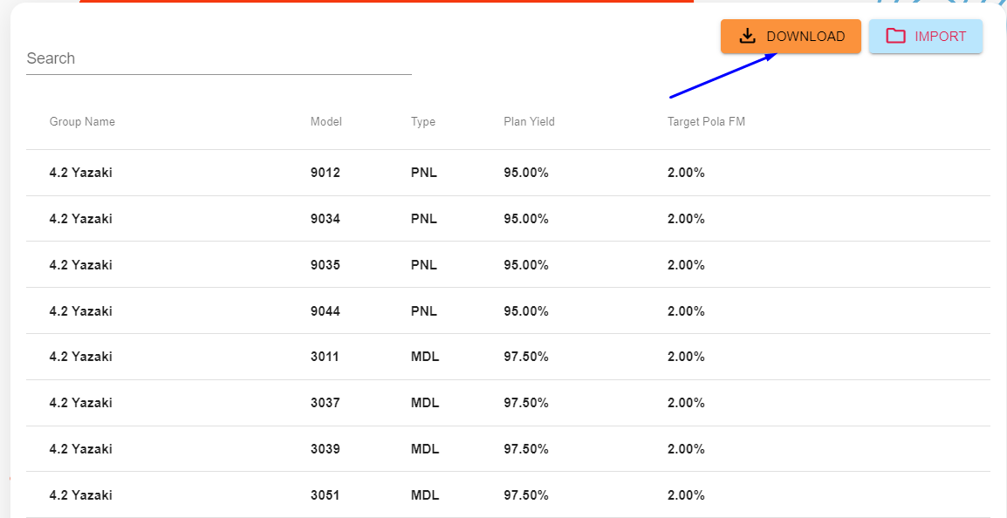

2.Fill your new data.
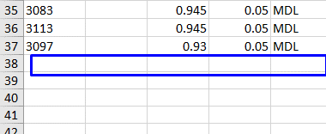

3.Import.

page4-carlendar
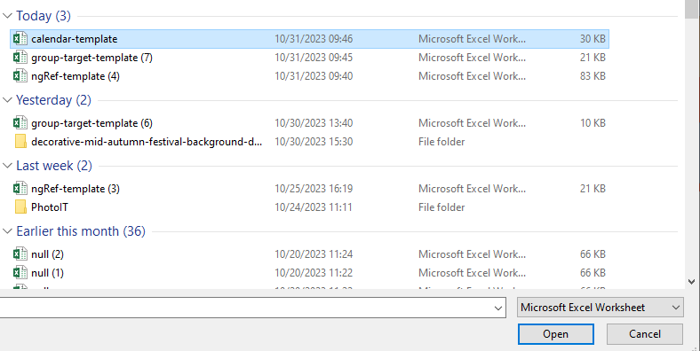
NG WEEKLY

Total 5 page.

page 2 | Group Target

Input your password "password"

1.Download file template
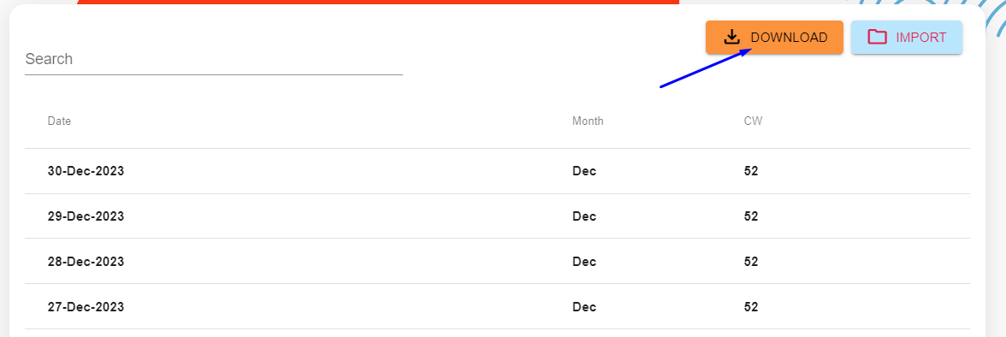

2.Fill your new data.
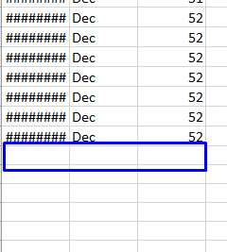

3.Import.

page5-calculate
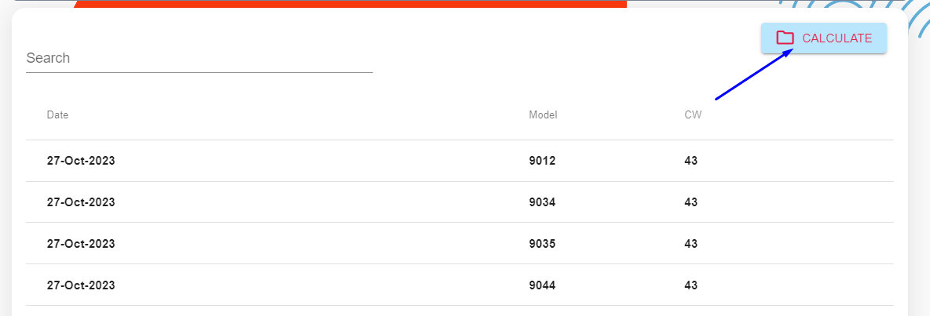
NG WEEKLY

Total 5 page.

page 2 | Group Target

Input your password "password"

1.Calculate

