Cover Page


2022 ISO New England Electric Generator Air Emissions Report: Appendix
© ISO New England Inc. System Planning
December 21, 2023

ISO-NE PUBLIC USE

4.1 Supp. Figures - Annual
4.1 Supplementary Figures - Annual |  |  |  | Return to Table of Contents

2.3 ISO New England Generating Capacity

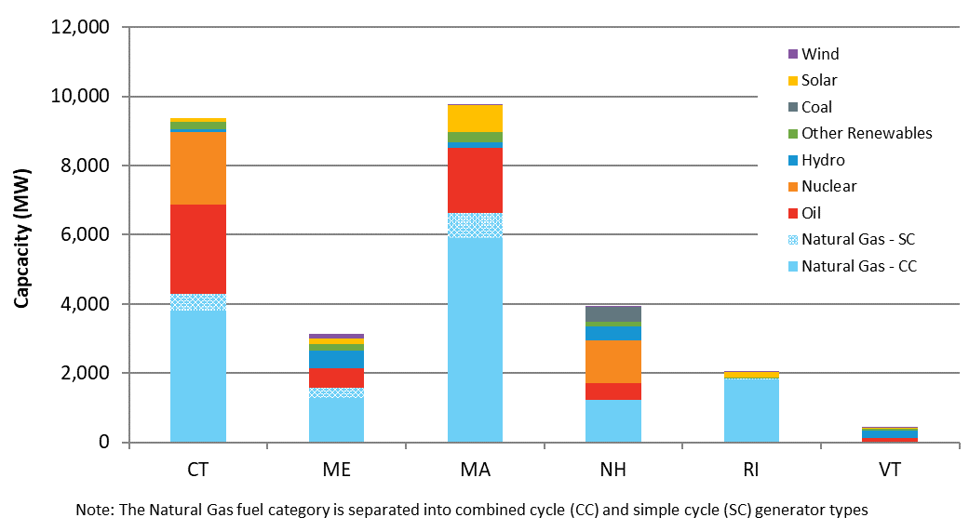
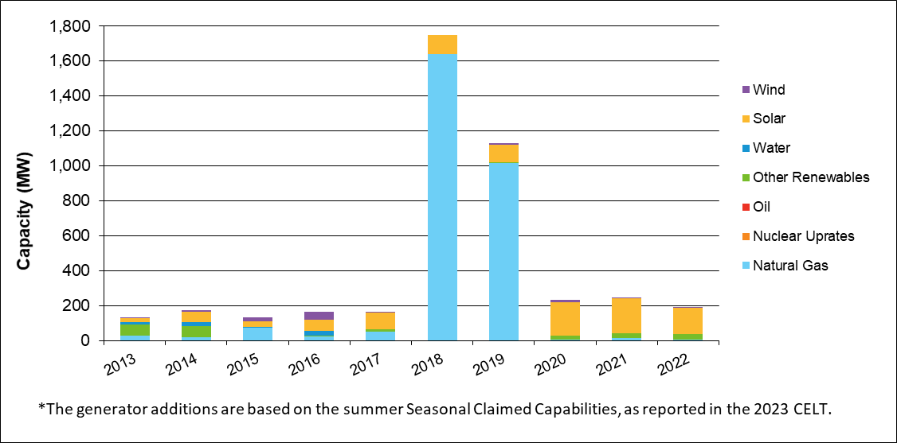
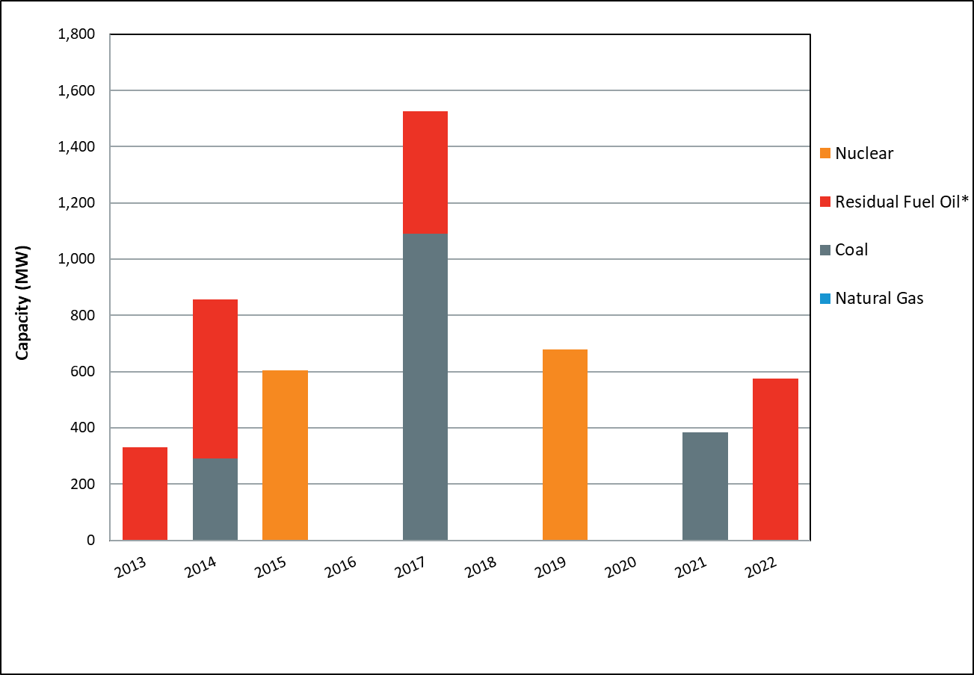

 | Figure 2-1: 2022 ISO New England generator summer capacity by state (MW) |  |  |  |  |  |  | Figure 2-2 : ISO New England summer capacity additions, 2013 to 2022 (MW) |  |  |  |  | Figure 2-3: ISO New England major retirements, 2013 to 2022 (MW) (*Residual Fuel Oil category includes dual fuel units)
 | See Table 2-3 for the values behind this graph |  |  |  |  |  |  |  |  |  |  |  | See the ISO external retirement tracker for a listing of FCM retirements

2.4 ISO New England System Energy Production

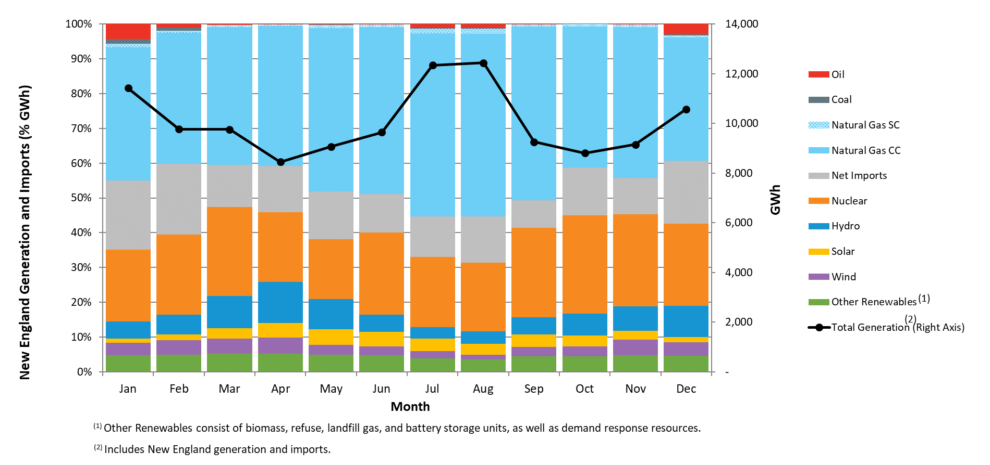
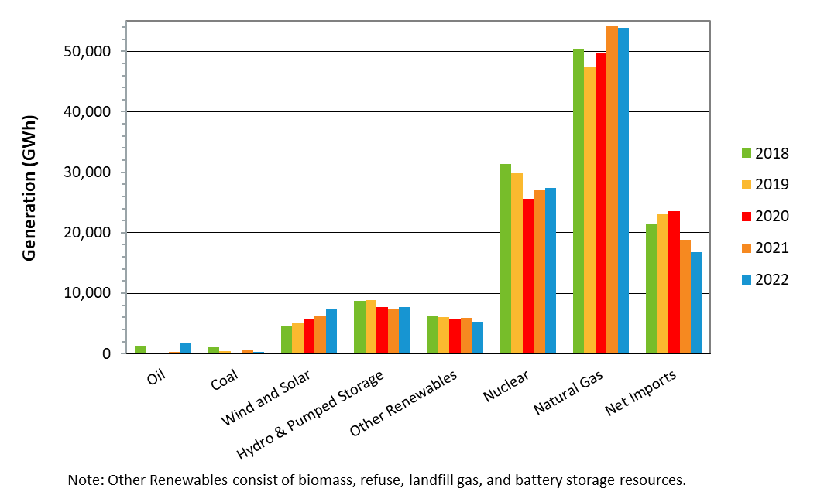
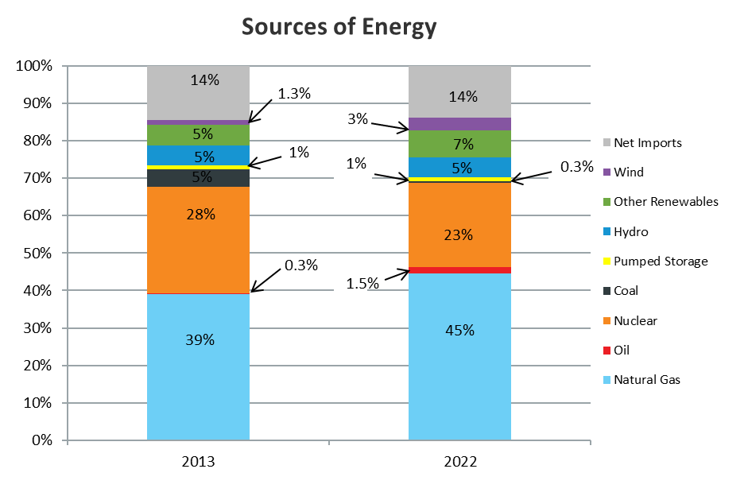

 | Figure 2-4: 2022 ISO New England monthly generation by resource type, including imports (% GWh, GWh) |  |  |  |  |  |  |  | Figure 2-5: ISO New England annual generation by resource type, 2018 to 2022 (GWh) |  |  | Figure 2-6: Percentage energy generation by resource type, 2013 compared with 2022

2.5 ISO New England Average Annual Emissions
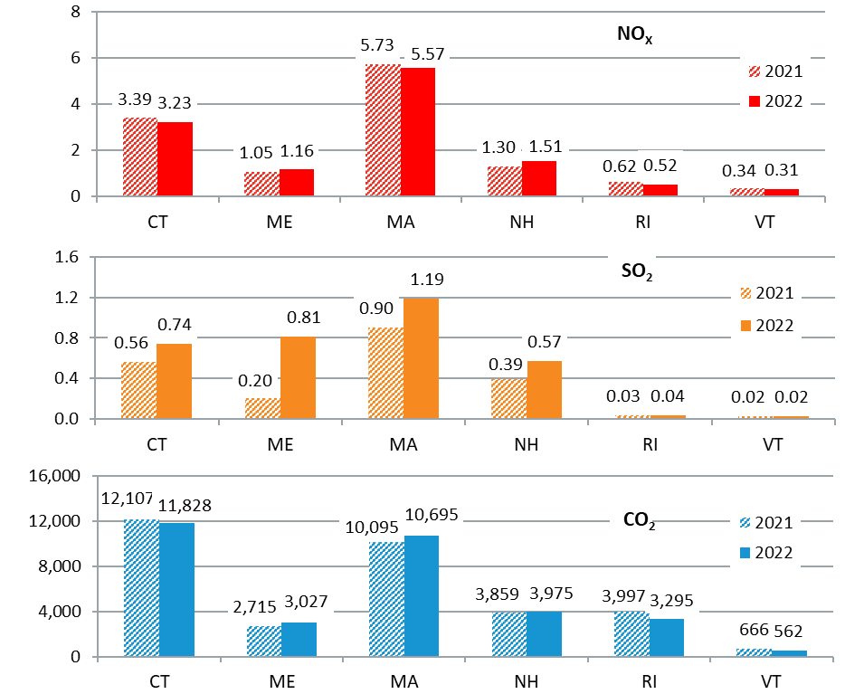
Annual Emissions of NO_{X}, SO₂, CO₂ (kTons)
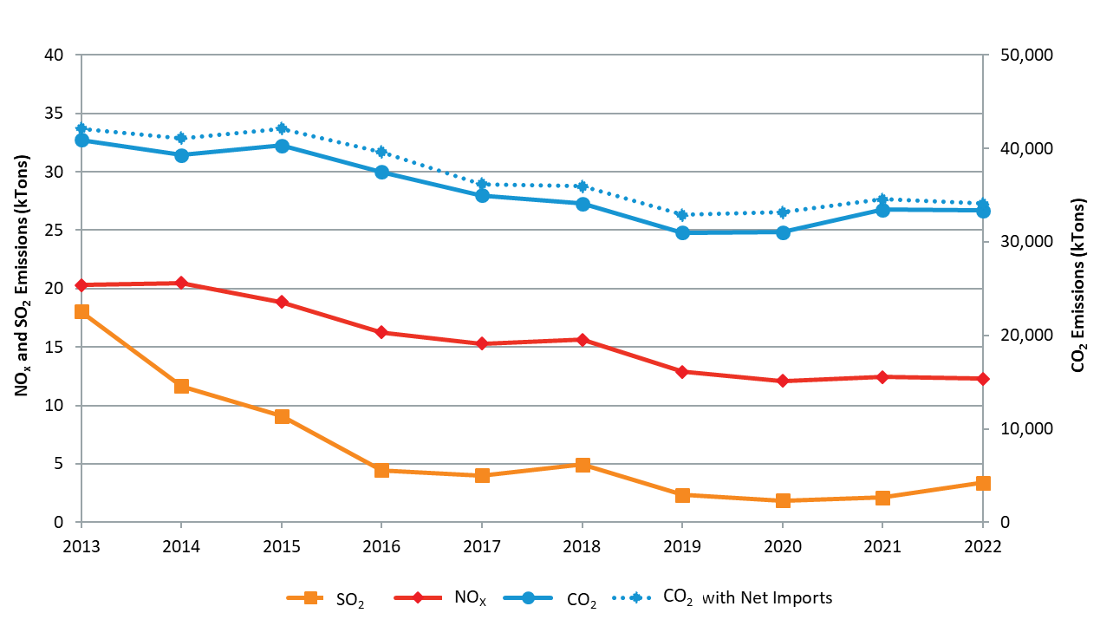
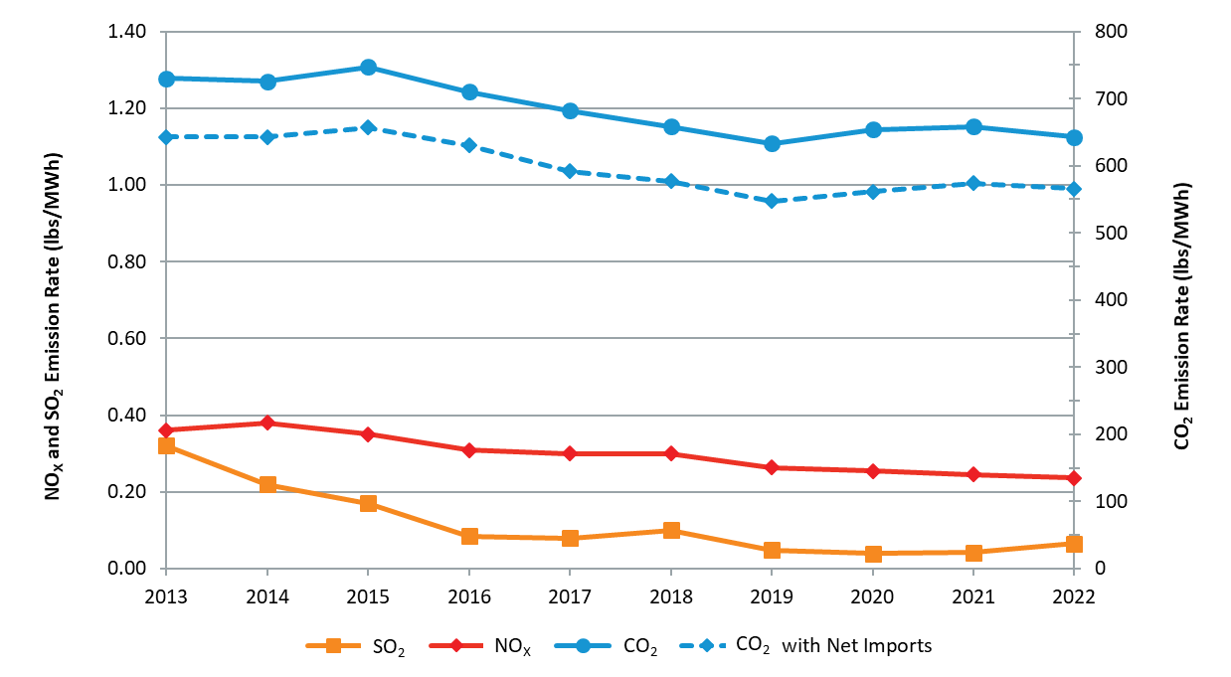

Figure 2-7: 2022 ISO New England average annual generation emissions of |  |  |  |  |  | Figure 2-8: ISO New England average annual emissions, 2013 to 2022 (ktons) |  |  |  |  | Figure 2-9: ISO New England annual average emission rates, 2013 to 2022 (lbs/MWh)
 |  |  | NOX, SO2, and CO2 (ktons) |  |  | See Table 3-4 for values behind this graph |  |  |  |  | See Table 3-5 for values behind this graph
See Table 3-2 for values behind this graph
2.6 ISO New England Annual Marginal Heat Rates

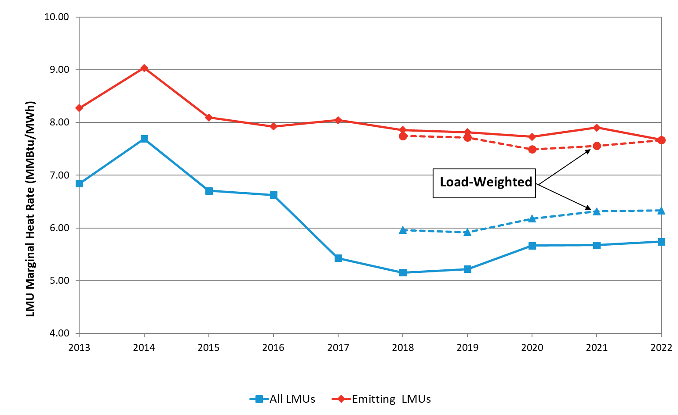

 |  | Figure 2-10: LMU annual marginal heat rate, 2013-2022 (MMBtu/MWh)
 |  | See Table 3-7 for values behind this graph
2.7 ISO New England Annual Marginal Emission Rates
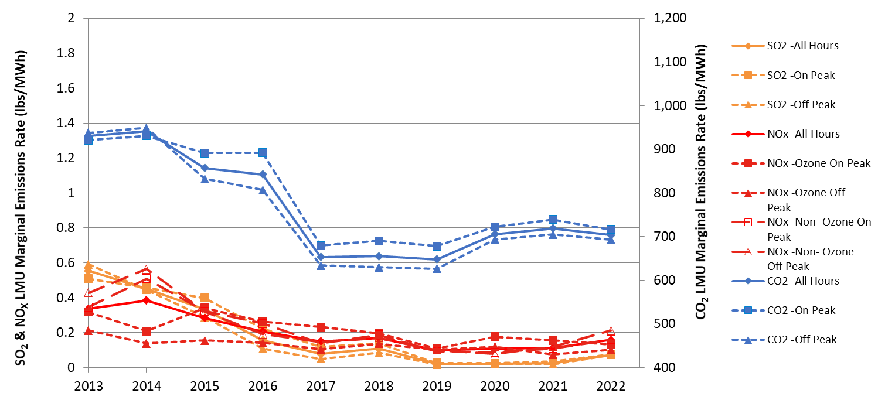
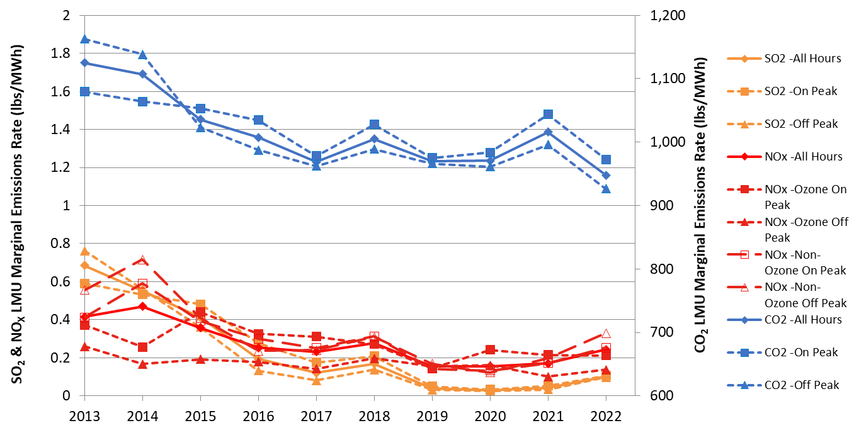

 | Figure 2-11: Time-weighted LMU marginal emission rates, 2013 to 2022—all LMUs (lbs/MWh) |  |  |  |  |  | Figure 2-12: Time-weighted LMU marginal emission rates, 2013 to 2022—emitting LMUs (lbs/MWh)
 | See tables in Section 3.3.1-3.3.3 for values behind this graph |  |  |  |  |  | See tables in Section 3.3.1-3.3.3 for values behind this graph

2.5 Resource Marginality
Time-Weighted Approach

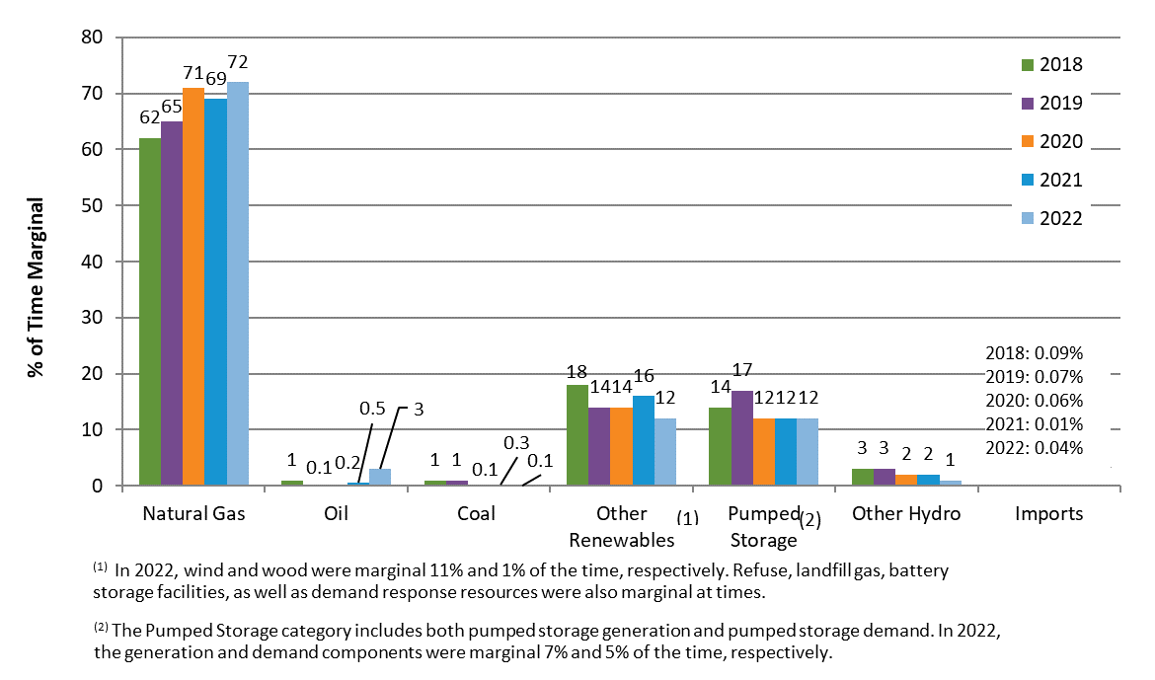
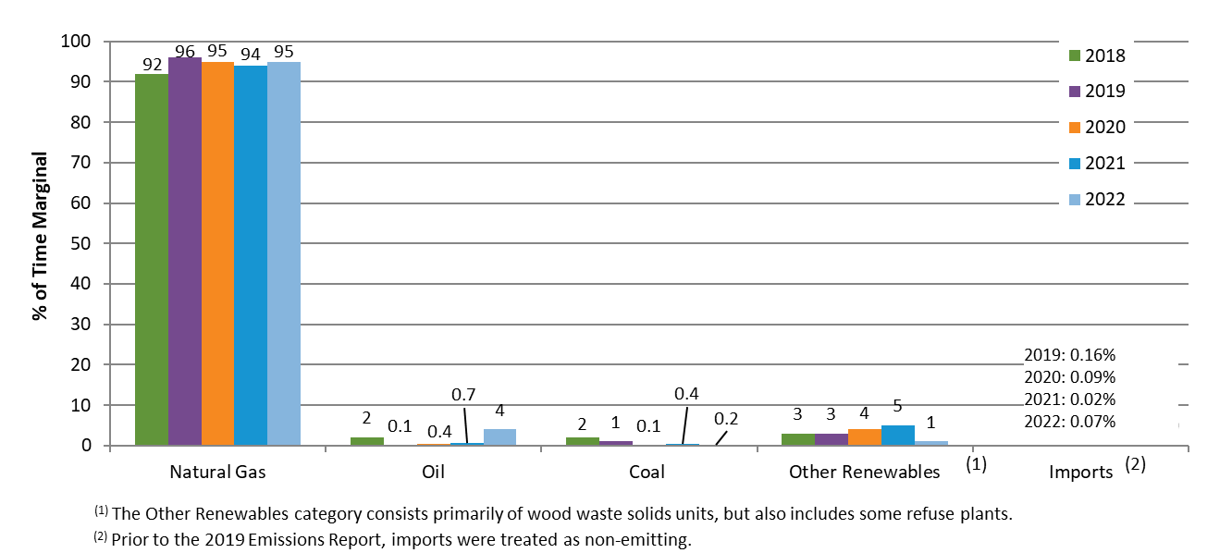

Figure 2-13: Annual percentage of time various resource types were marginal — all LMUs, 2018 to 2022 |  |  |  |  |  |  | Figure 2-14: Annual percentage of time various resource types were marginal – emitting LMUs, 2018 to 2022

Load-Weighted Approach
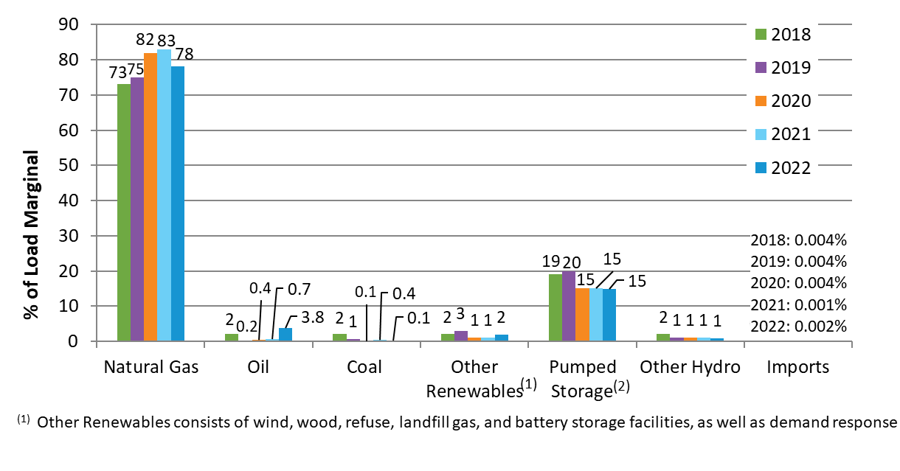
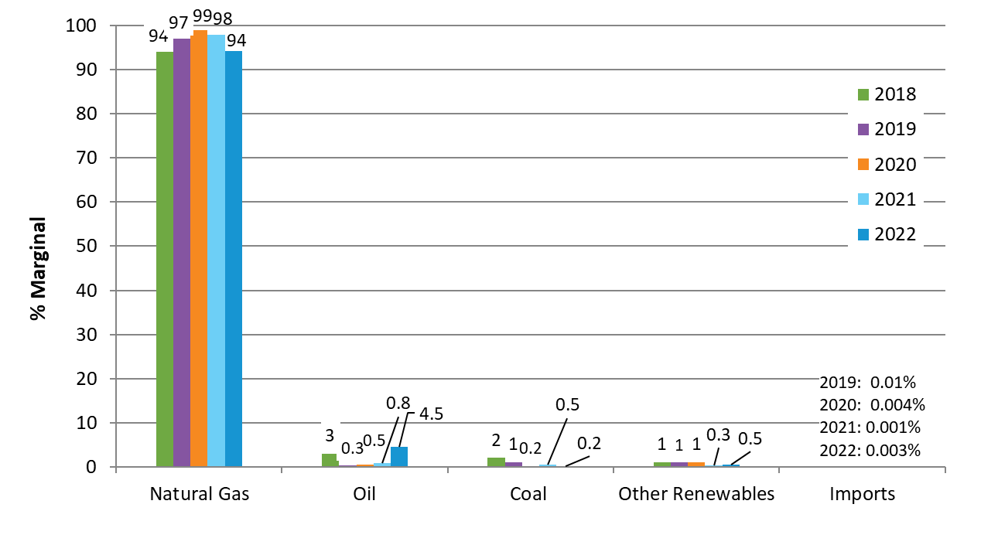

Figure 2-15: Annual percentage of load for which various resource types were marginal – all LMUs, 2018 to 2022 |  |  |  |  |  |  | Figure 2-16: Annual percentage of load for which various resource types were marginal – emitting LMUs, 2018-2022

Comparison of Approaches
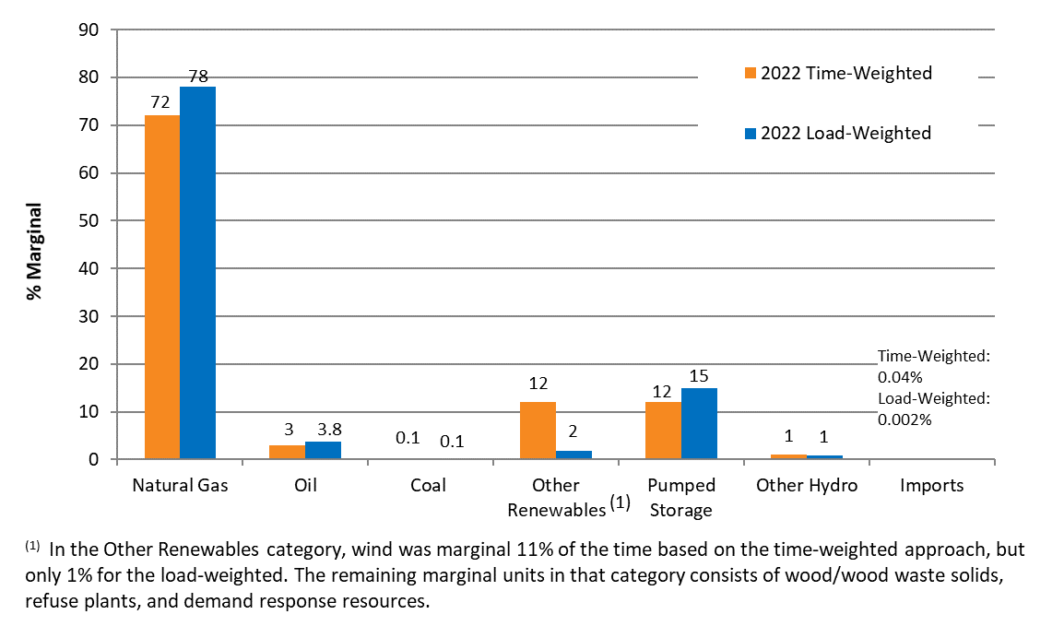
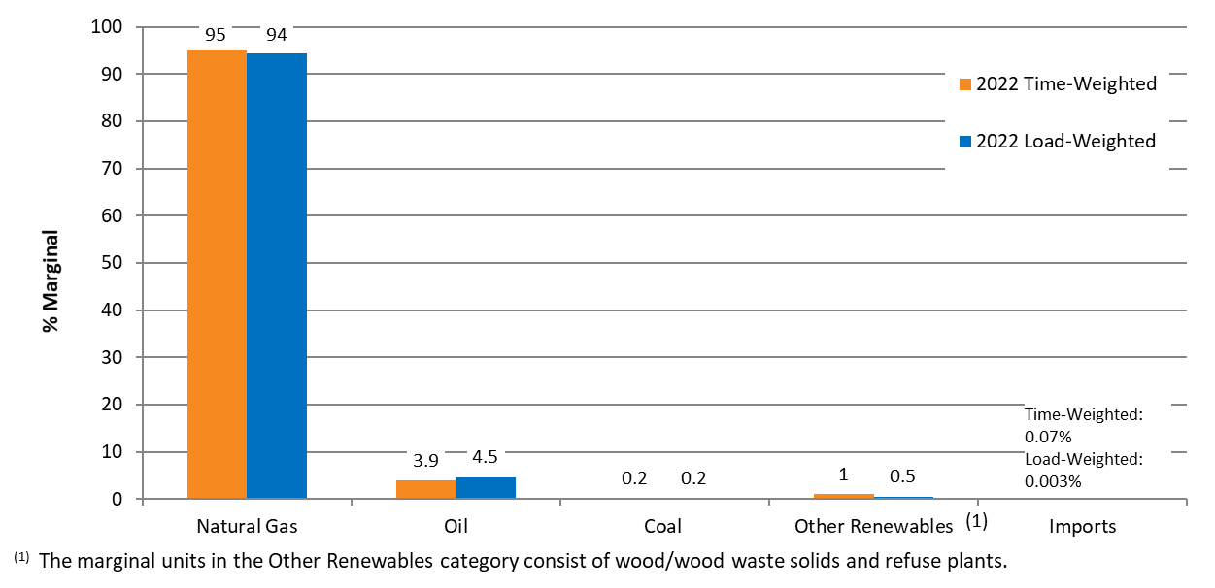

Figure 2-17: Comparison of 2022 annual marginality for various resource types using the time- |  |  |  |  | Figure 2-18: Comparison of 2022 annual marginality for various resource types using the time-weighted vs. load-weighted
 |  | weighted vs. load-weighted approach —all LMUs |  |  |  |  |  |  |  | approach —emitting LMUs

4.2 Supp. Figures-Monthly
4.2 Supplementary Figures - Monthly |  |  | Return to Table of Contents

3.1 Monthly Average Emissions

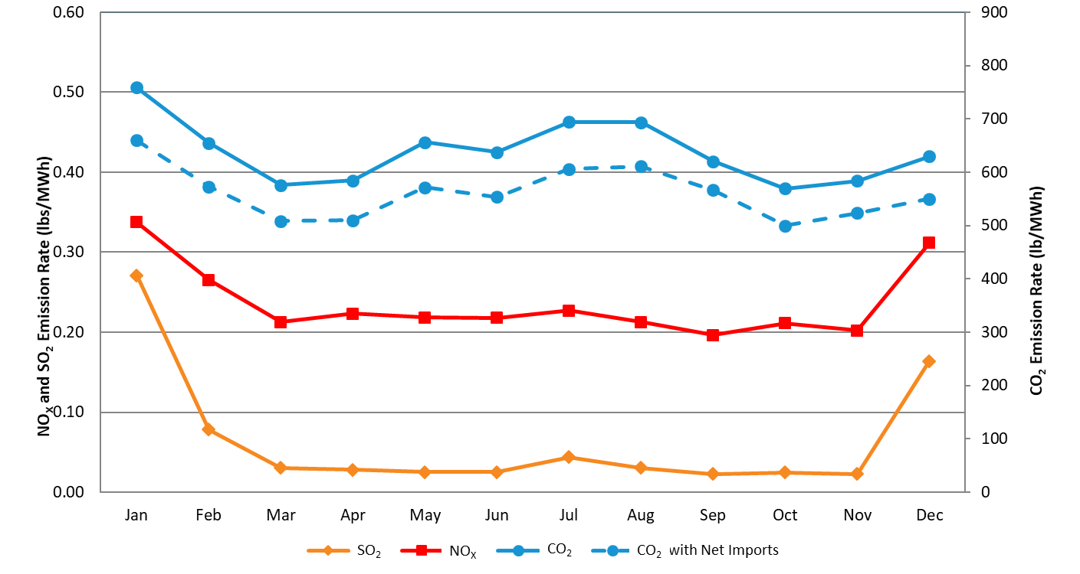

 |  | Figure 3-1: 2022 ISO New England monthly average emission rates (lbs/MWh)
 |  | See Table 3-3 for values behind this graph

3.2 Monthly Marginal Heat Rate

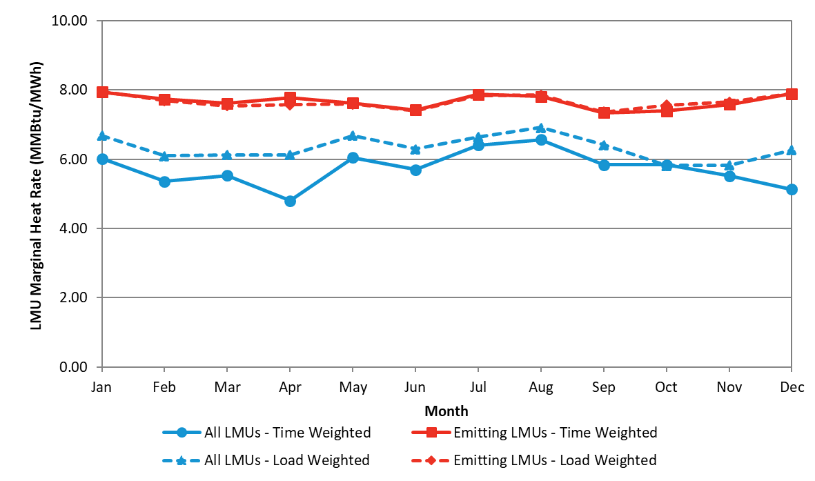

 | Figure 3-2: 2022 time- and load-weighted LMU monthly marginal heat rate (MMBtu/MWh)
 | See Table 3-6 for values behind this graph

3.3 ISO New England Monthly Marginal Emission Rates
Time-Weighted Approach

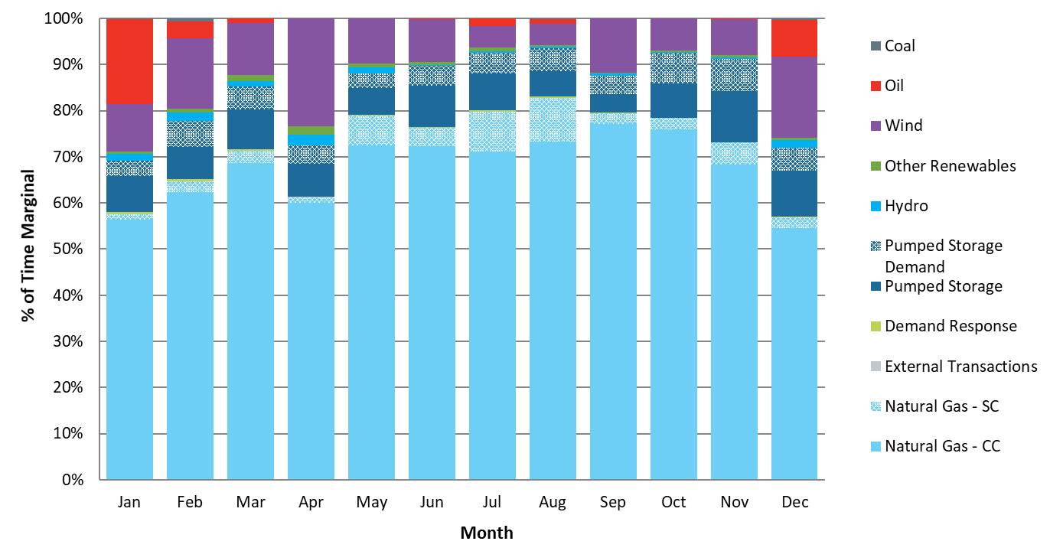
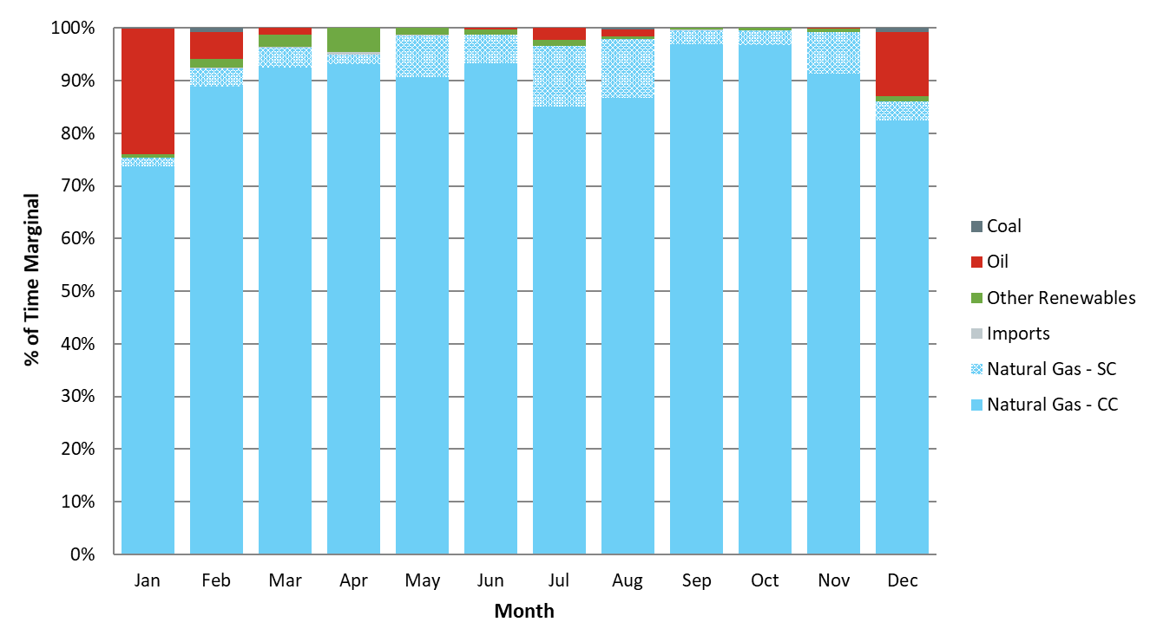

 | Figure 3-3: 2022 percentage of time for which various resource types were marginal —all LMUs |  |  |  |  | Figure 3-4: 2022 percentage of time for which various resource types were marginal —emitting LMUs
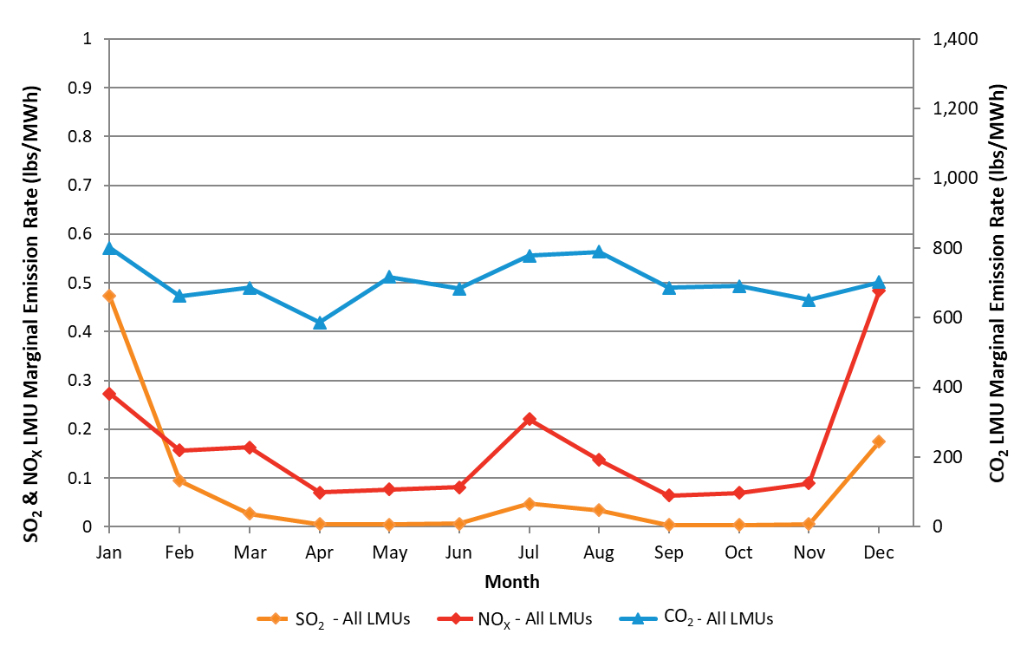
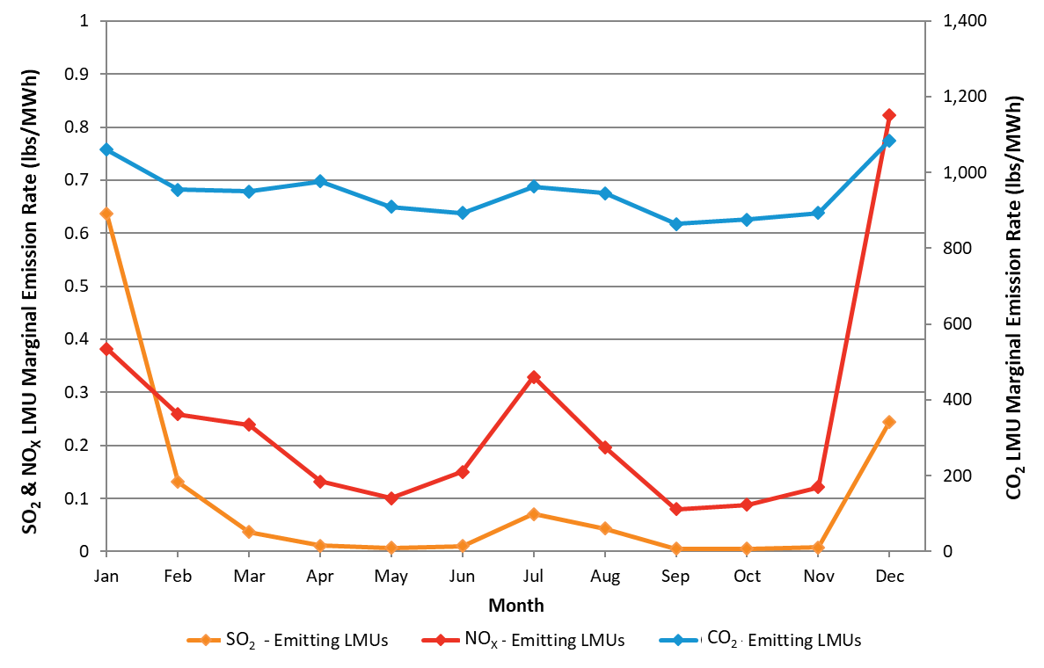

Figure 3-5: 2022 time-weighted monthly LMU marginal emission rates— all LMUs (lbs/MWh) |  |  |  | Figure 3-6: 2022 time-weighted monthly LMU marginal emission rates—emitting LMUs (lbs/MWh)
See Table 3-8 for values behind this graph |  |  |  |  | See Table 3-14 for values behind this graph

Load-Weighted Approach

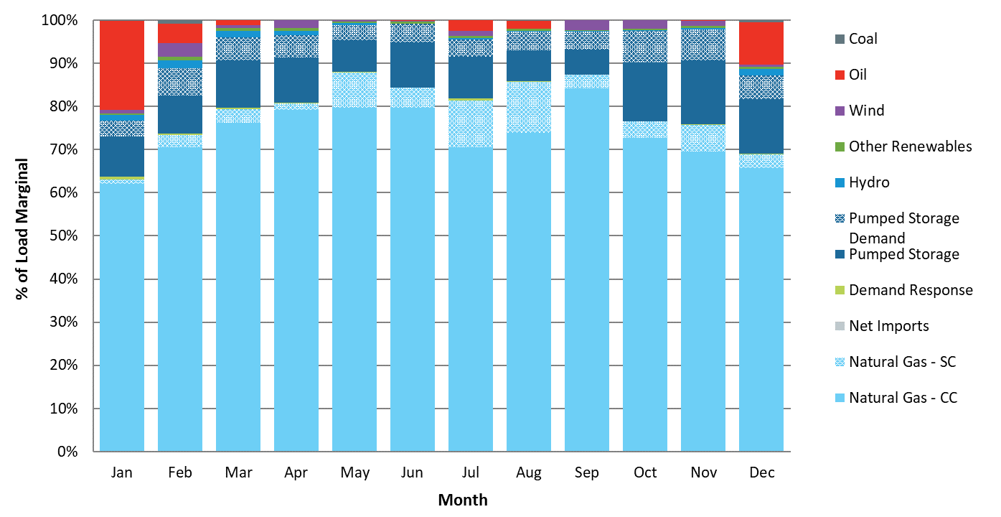
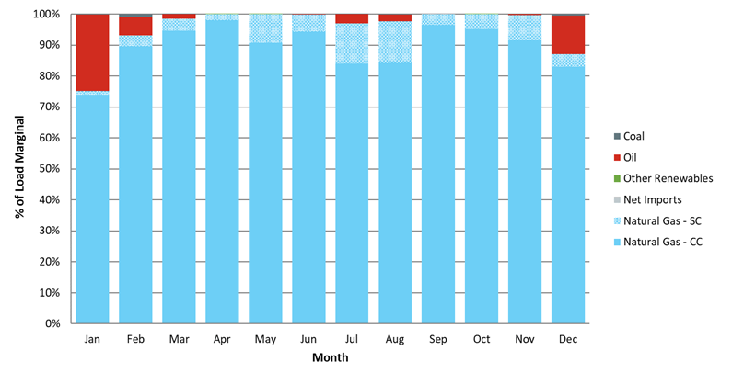

 | Figure 3-7: 2022 percentage of load for which various resource types were marginal —all LMUs |  |  |  |  |  | Figure 3-8: 2022 percentage of load for which various resource types were marginal —emitting LMUs

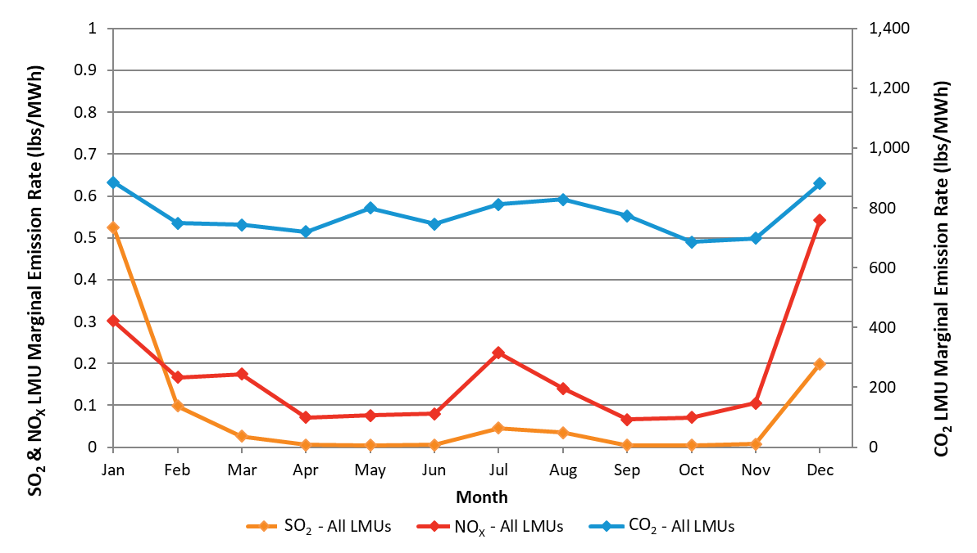
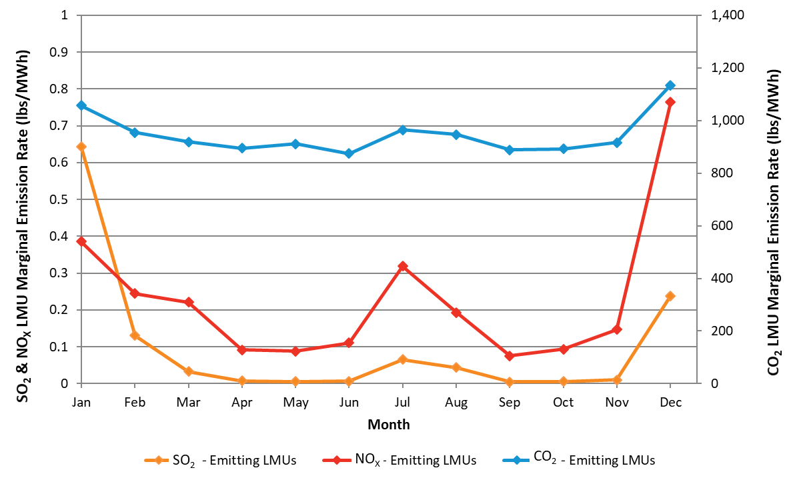

Figure 3-9: 2022 load-weighted monthly LMU marginal emission rates—all LMUs (lbs/MWh) |  |  |  |  |  | Figure 3-10: 2022 load-weighted monthly LMU marginal emission rates—emitting LMUs (lbs/MWh)
See Table 3-8 for values behind this graph |  |  |  |  |  | See Table 3-14 for values behind this graph

Comparison of Approaches
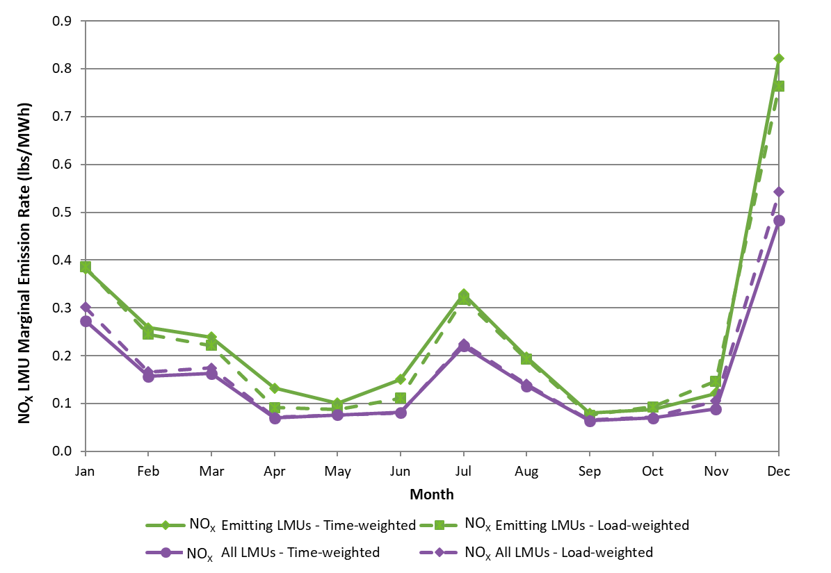
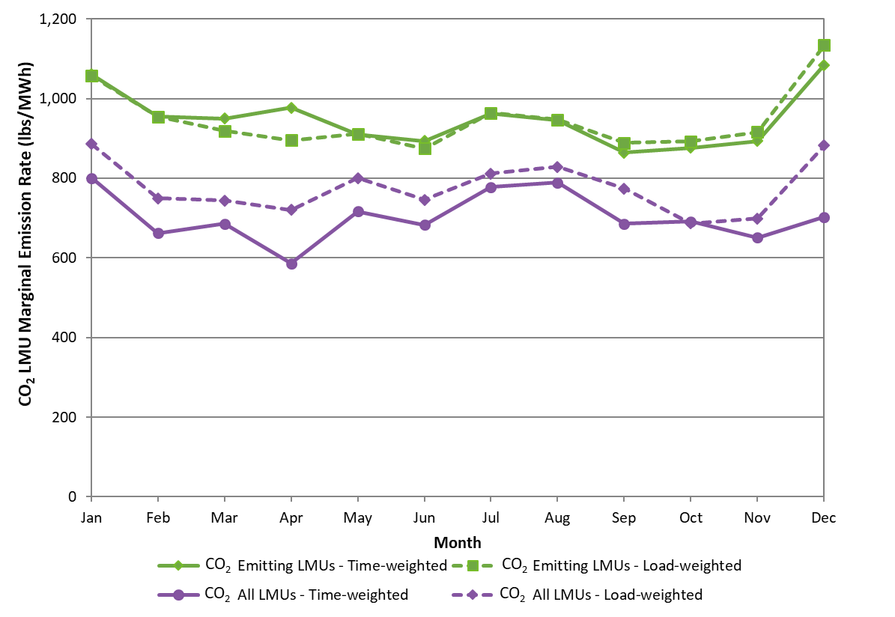
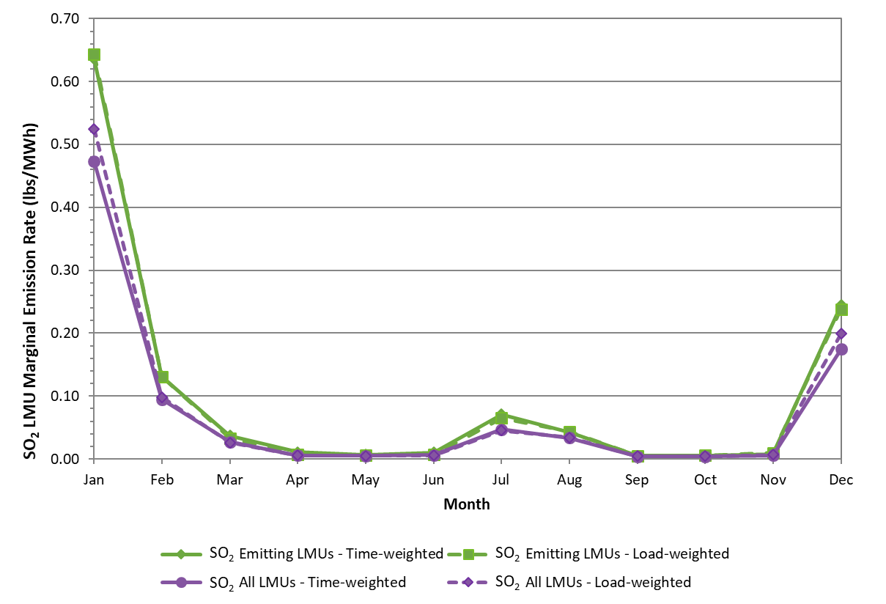

Figure 3-11: 2022 time- and load-weighted monthly LMU marginal SO2 emission rates |  |  |  | Figure 3-12: 2022 time- and load-weighted monthly LMU marginal NOX emission rates |  |  |  | Figure 3-13: 2022 time- and load-weighted monthly LMU marginal CO2 emission rates
See Table 3-8 and Table 3-14 for values behind this graph |  |  |  | See Table 3-8 and Table 3-14 for values behind this graph |  |  |  | See Table 3-8 and Table 3-14 for values behind this graph

