SAM Electricity Price
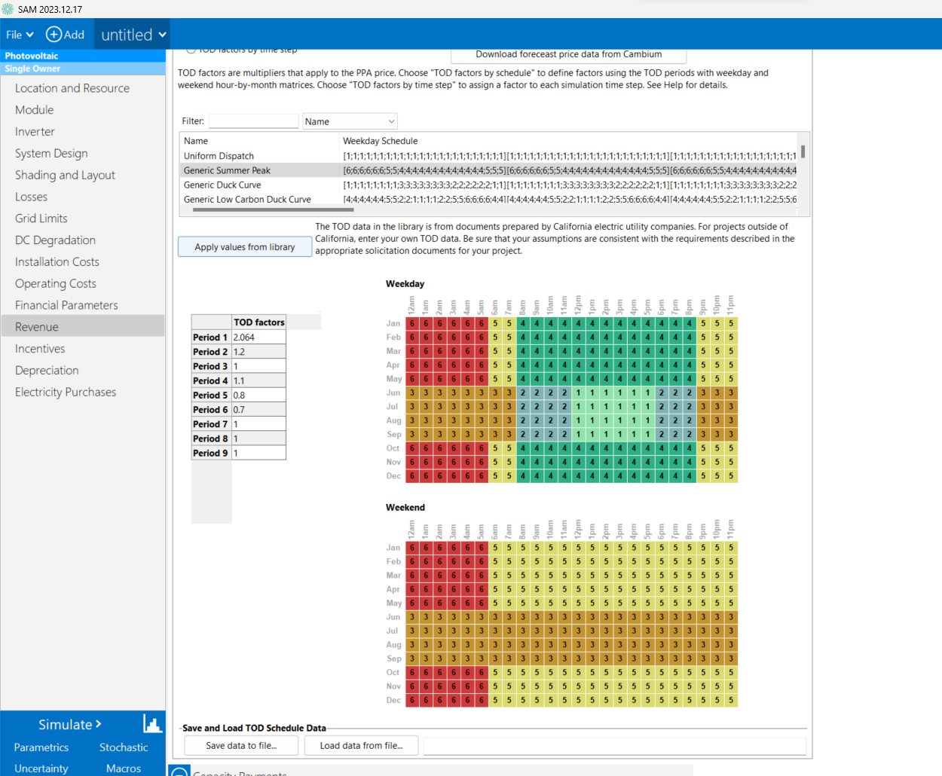

 |  | Weekday |  |  |  |  |  |  |  |  |  | Peak Hours

 |  |  |  | 0000 | 0100 | 0200 | 0300 | 0400 | 0500 | 0600 | 0700 | 0800 | 0900 | 1000 | 1100 | 1200 | 1300 | 1400 | 1500 | 1600 | 1700 | 1800 | 1900 | 2000 | 2100 | 2200 | 2300
 |  |  | Jan | 0.7 | 0.7 | 0.7 | 0.7 | 0.7 | 0.7 | 0.8 | 0.8 | 1.1 | 1.1 | 1.1 | 1.1 | 1.1 | 1.1 | 1.1 | 1.1 | 1.1 | 1.1 | 1.1 | 1.1 | 1.1 | 0.8 | 0.8 | 0.8
 |  |  | Feb | 0.7 | 0.7 | 0.7 | 0.7 | 0.7 | 0.7 | 0.8 | 0.8 | 1.1 | 1.1 | 1.1 | 1.1 | 1.1 | 1.1 | 1.1 | 1.1 | 1.1 | 1.1 | 1.1 | 1.1 | 1.1 | 0.8 | 0.8 | 0.8
 |  |  | Mar | 0.7 | 0.7 | 0.7 | 0.7 | 0.7 | 0.7 | 0.8 | 0.8 | 1.1 | 1.1 | 1.1 | 1.1 | 1.1 | 1.1 | 1.1 | 1.1 | 1.1 | 1.1 | 1.1 | 1.1 | 1.1 | 0.8 | 0.8 | 0.8
 |  |  | Apr | 0.7 | 0.7 | 0.7 | 0.7 | 0.7 | 0.7 | 0.8 | 0.8 | 1.1 | 1.1 | 1.1 | 1.1 | 1.1 | 1.1 | 1.1 | 1.1 | 1.1 | 1.1 | 1.1 | 1.1 | 1.1 | 0.8 | 0.8 | 0.8
 |  |  | May | 0.7 | 0.7 | 0.7 | 0.7 | 0.7 | 0.7 | 0.8 | 0.8 | 1.1 | 1.1 | 1.1 | 1.1 | 1.1 | 1.1 | 1.1 | 1.1 | 1.1 | 1.1 | 1.1 | 1.1 | 1.1 | 0.8 | 0.8 | 0.8
 |  |  | Jun | 1 | 1 | 1 | 1 | 1 | 1 | 1 | 1 | 1.2 | 1.2 | 1.2 | 1.2 | 2.064 | 2.064 | 2.064 | 2.064 | 2.064 | 2.064 | 1.2 | 1.2 | 1.2 | 1 | 1 | 1
Peak Months |  |  | Jul | 1 | 1 | 1 | 1 | 1 | 1 | 1 | 1 | 1.2 | 1.2 | 1.2 | 1.2 | 2.064 | 2.064 | 2.064 | 2.064 | 2.064 | 2.064 | 1.2 | 1.2 | 1.2 | 1 | 1 | 1
Monthly Peak Load Cost for Peak Months ($/kWh) | 75.685 |  | Aug | 1 | 1 | 1 | 1 | 1 | 1 | 1 | 1 | 1.2 | 1.2 | 1.2 | 1.2 | 2.064 | 2.064 | 2.064 | 2.064 | 2.064 | 2.064 | 1.2 | 1.2 | 1.2 | 1 | 1 | 1
Monthly Peak Load Cost for normal Months ($/kWh) | 35.5306 |  | Sep | 1 | 1 | 1 | 1 | 1 | 1 | 1 | 1 | 1.2 | 1.2 | 1.2 | 1.2 | 2.064 | 2.064 | 2.064 | 2.064 | 2.064 | 2.064 | 1.2 | 1.2 | 1.2 | 1 | 1 | 1
 |  |  | Oct | 0.7 | 0.7 | 0.7 | 0.7 | 0.7 | 0.7 | 0.8 | 0.8 | 1.1 | 1.1 | 1.1 | 1.1 | 1.1 | 1.1 | 1.1 | 1.1 | 1.1 | 1.1 | 1.1 | 1.1 | 1.1 | 0.8 | 0.8 | 0.8
 |  |  | Nov | 0.7 | 0.7 | 0.7 | 0.7 | 0.7 | 0.7 | 0.8 | 0.8 | 1.1 | 1.1 | 1.1 | 1.1 | 1.1 | 1.1 | 1.1 | 1.1 | 1.1 | 1.1 | 1.1 | 1.1 | 1.1 | 0.8 | 0.8 | 0.8
 |  |  | Dec | 0.7 | 0.7 | 0.7 | 0.7 | 0.7 | 0.7 | 0.8 | 0.8 | 1.1 | 1.1 | 1.1 | 1.1 | 1.1 | 1.1 | 1.1 | 1.1 | 1.1 | 1.1 | 1.1 | 1.1 | 1.1 | 0.8 | 0.8 | 0.8

 |  | Weekend

 |  |  |  | 0000 | 0100 | 0200 | 0300 | 0400 | 0500 | 0600 | 0700 | 0800 | 0900 | 1000 | 1100 | 1200 | 1300 | 1400 | 1500 | 1600 | 1700 | 1800 | 1900 | 2000 | 2100 | 2200 | 2300
 |  |  | Jan | 0.7 | 0.7 | 0.7 | 0.7 | 0.7 | 0.7 | 0.8 | 0.8 | 0.8 | 0.8 | 0.8 | 0.8 | 0.8 | 0.8 | 0.8 | 0.8 | 0.8 | 0.8 | 0.8 | 0.8 | 0.8 | 0.8 | 0.8 | 0.8
 |  |  | Feb | 0.7 | 0.7 | 0.7 | 0.7 | 0.7 | 0.7 | 0.8 | 0.8 | 0.8 | 0.8 | 0.8 | 0.8 | 0.8 | 0.8 | 0.8 | 0.8 | 0.8 | 0.8 | 0.8 | 0.8 | 0.8 | 0.8 | 0.8 | 0.8
 |  |  | Mar | 0.7 | 0.7 | 0.7 | 0.7 | 0.7 | 0.7 | 0.8 | 0.8 | 0.8 | 0.8 | 0.8 | 0.8 | 0.8 | 0.8 | 0.8 | 0.8 | 0.8 | 0.8 | 0.8 | 0.8 | 0.8 | 0.8 | 0.8 | 0.8
 |  |  | Apr | 0.7 | 0.7 | 0.7 | 0.7 | 0.7 | 0.7 | 0.8 | 0.8 | 0.8 | 0.8 | 0.8 | 0.8 | 0.8 | 0.8 | 0.8 | 0.8 | 0.8 | 0.8 | 0.8 | 0.8 | 0.8 | 0.8 | 0.8 | 0.8
 |  |  | May | 0.7 | 0.7 | 0.7 | 0.7 | 0.7 | 0.7 | 0.8 | 0.8 | 0.8 | 0.8 | 0.8 | 0.8 | 0.8 | 0.8 | 0.8 | 0.8 | 0.8 | 0.8 | 0.8 | 0.8 | 0.8 | 0.8 | 0.8 | 0.8
 |  |  | Jun | 1 | 1 | 1 | 1 | 1 | 1 | 1 | 1 | 1 | 1 | 1 | 1 | 1 | 1 | 1 | 1 | 1 | 1 | 1 | 1 | 1 | 1 | 1 | 1
Peak Months |  |  | Jul | 1 | 1 | 1 | 1 | 1 | 1 | 1 | 1 | 1 | 1 | 1 | 1 | 1 | 1 | 1 | 1 | 1 | 1 | 1 | 1 | 1 | 1 | 1 | 1
 |  |  | Aug | 1 | 1 | 1 | 1 | 1 | 1 | 1 | 1 | 1 | 1 | 1 | 1 | 1 | 1 | 1 | 1 | 1 | 1 | 1 | 1 | 1 | 1 | 1 | 1
 |  |  | Sep | 1 | 1 | 1 | 1 | 1 | 1 | 1 | 1 | 1 | 1 | 1 | 1 | 1 | 1 | 1 | 1 | 1 | 1 | 1 | 1 | 1 | 1 | 1 | 1
 |  |  | Oct | 0.7 | 0.7 | 0.7 | 0.7 | 0.7 | 0.7 | 0.8 | 0.8 | 0.8 | 0.8 | 0.8 | 0.8 | 0.8 | 0.8 | 0.8 | 0.8 | 0.8 | 0.8 | 0.8 | 0.8 | 0.8 | 0.8 | 0.8 | 0.8
 |  |  | Nov | 0.7 | 0.7 | 0.7 | 0.7 | 0.7 | 0.7 | 0.8 | 0.8 | 0.8 | 0.8 | 0.8 | 0.8 | 0.8 | 0.8 | 0.8 | 0.8 | 0.8 | 0.8 | 0.8 | 0.8 | 0.8 | 0.8 | 0.8 | 0.8
 |  |  | Dec | 0.7 | 0.7 | 0.7 | 0.7 | 0.7 | 0.7 | 0.8 | 0.8 | 0.8 | 0.8 | 0.8 | 0.8 | 0.8 | 0.8 | 0.8 | 0.8 | 0.8 | 0.8 | 0.8 | 0.8 | 0.8 | 0.8 | 0.8 | 0.8

