Sheet1
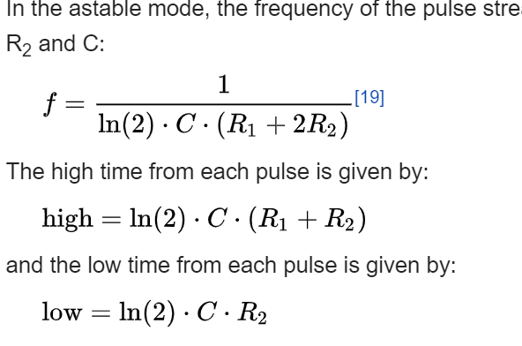

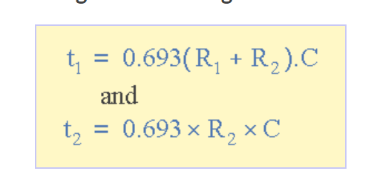
frequency: | 2 | Hz
R1 | 5000 | Ohms | 5k
t1 | 0.25121289723 | second
t2 | 0.24878688677 | second
R2 | 512749 | Ohms | 512.749 | kOhms

1.0097513598

C | 7.00E-07 | Farads
 | 0.69999864999 | uF | .7 uF
 | *will need 2 0.45 uF capacitors in parallel

f | 2.000000864 | Hz

