Customer
Customer Order Form
Date | 2018-03-18
Customer Name: | MR TONY TESTER
Address: | 231 TOP TOWN STREET HASTINGS
Email: | ttester@xtra.co.nz
Phone - mobile: | 00000000 | Phone - home: |  |  | Phone - work:

Stock Number: | 785899 |  |  |  |  | Enter Amount
Vehicle Colour: | WHITE |  |  | Vehicle: | TRITON GLXR MAN 4X4 | $51,990.00
 |  |  |  | Rebate: |  | -$13,990.00
Driver Licence |  |  |  | On-road Costs: |  | $600.00
Version |  |  |  | Pre Delivery: | Yes | $395.00
D.O.B |  |  |  | Sub-total vehicle |  | $38,995.00
 |  |  |  | Trade-in:
 |  |  |  | Trade-in:
 |  |  |  | Trade-in:
EXTRAS | Passenger |  |  |  | Purchase Price Subtotal | $38,995.00
(Cost in all that are applicable)

Bonnet Protector (p) |  | Mats (rubber or carpet) (p) |  |  | Reversing Camera (p)
Cargo Liner (p) | $210.00 | Mud Flaps (p) |  |  | Roof Racks (p) | $650.00
Fab Protection (p) | $3,200.00 | Paint Protection (p) |  |  | Seat Covers (p)
Fire Extinguisher (p) | $800.00 | Parking Sensors (p) | $1.00 |  | Tow Bar (p) | $1,190.00
Fog Lamps (p) |  | Rear bumper scuff plate (p) | $1,190.00 |  | Weather Shields (p)
 |  |  | $595.00

Commercial

GST Registered | Yes |  |  |  | TOTAL EXTRAS COST |  | $7,836.00
GST on Trade-in | No
GST Component | $6,108.39

SALE PRICE excl GST | $40,722.61 |  |  |  | TOTAL SALE PRICE | $46,831.00

Total Vehicle Price + Extras | $46,831.00 | incl GST
GST | -$6,108.39
Total Vehicle Price + Extras | $40,722.61 | excl GST

Please note if this form is in a quote formation the quote is valid for seven working days.
Terms & Conditions:
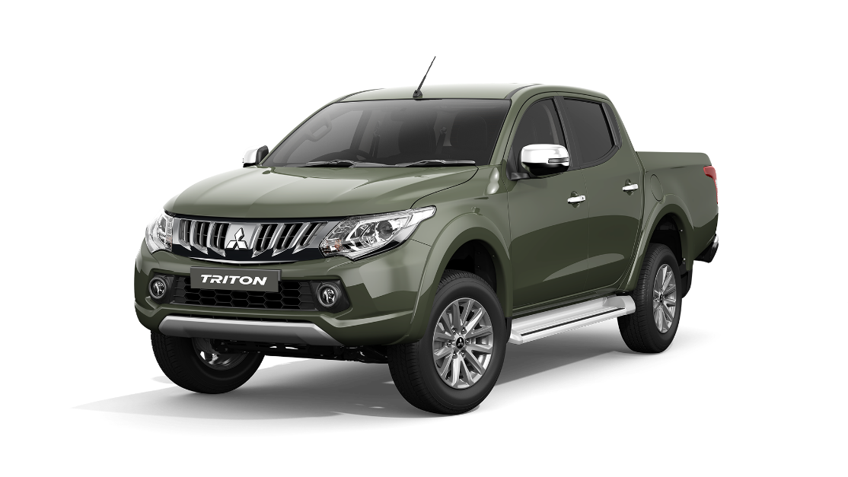

Deposit: The amount shown as the deposit on signing is the consideration binding the parties to this agreement.The amount
shall be applied against the purchase price.In the even that the agreement becomes unconditional and the purchaser does
not complete the transaction,the deposit shall be forfeited to the dealer.
 |  | Signed - Customer
This vehicle pricing has been agree but subject to finance |  |  |  |  |  | WK

 |  |  |  |  |  | SD
 |  |  |  |  | MARK BARRY | GD
 |  |  |  |  | WAYNE KIRK MITSUBISHI
 |  |  |  |  | 0274-720610
 |  |  |  |  | mbarry@wkmotorsnapier.co.nz

Signed - Customer |  |  |  |  | Signed - Wayne Kirk Motor Group

Print Name: |  |  |  |  | Print Name:
Date: |  |  |  |  | Date:

Acceptanceof offer:The purchaser acknowledges that this offer to purchase will not be binding
unless and until it is accepted by authorised officer of the dealer by signature in space provided above. |  |  |  |  | Bank acc ANZ 06-0645-0352599-00

