Sheet1
Version | FL-T500 Fuel Tank |  | FL-T400 Fuel Tank | FL-T250 Fuel Tank |  | FL-T200 Fuel Tank

0.1.0 | y
0.2.0 | y
0.3.0 | y
0.4.0 | y
0.5.0 | y
0.6.0 | y
0.7.3 | y | Sometimes known as "hell's creator", the FL-T provides its fuel to Liquid Engines. Useless if added by its own. A great propellant comes with great responsibility.
0.8.0 | y
0.9.0 | y | The FL series was received as a substantial upgrade over previous fuel containers used in the Space Program, generally due to it's ability to keep the fuel unexploded more often than not. Fuel tanks are useless if there isn't a Liquid Engine attached under it. They can also be stacked with other fuel tanks to increase the amount of fuel for the engine below.
0.10.0 | y
0.11.0 | y
0.12.0 | y
0.13.0 | y | The FL series was received as a substantial upgrade over previous fuel containers used in the Space Program, generally due to its ability to keep the fuel unexploded more often than not. Fuel tanks are useless if there isn't a Liquid Engine attached under it. They can also be stacked with other fuel tanks to increase the amount of fuel for the engine below.
0.14.0 | y |  |  |  | The T250 tank had some difficulty being accepted in the spacecraft engineering world, because most rocket builders had trouble overcoming their urges to squee at the "cute little fuel tank". This initial reaction was only put aside when the amount of fiery explosions in assembly areas became so high, strict guidelines were put in place to prohibit "teasing the fuel containers". The T250 Tank now is widely used in several space programs, especially in conjunction with the LV-909 engine
0.15.0 | y
0.16.0 | name changed to FL-T400, and stats changed |  |  | name changed to FL-T200, and stats changed |  |  | The T200 tank had some difficulty being accepted in the spacecraft engineering world, because most rocket builders had trouble overcoming their urges to squee at the "cute little fuel tank". This initial reaction was only put aside when the amount of fiery explosions in assembly areas became so high, strict guidelines were put in place to prohibit "teasing the fuel containers". The T200 Tank now is widely used in several space programs, especially in conjunction with the LV-909 engine.
0.17.0
0.18.0 |  |  | 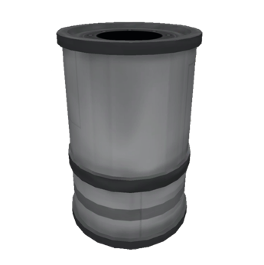 |  | 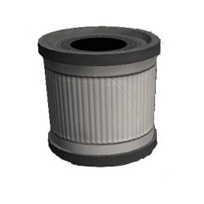
0.19.0
0.20.0
0.21.0
0.22.0
0.23.0
0.24.0
0.25.0
0.90.0
1.0.0 |  |  |  |  |  |  | The T200 tank had some difficulty being accepted in the spacecraft engineering world, because most rocket builders had trouble overcoming their urges to squee at the "cute little fuel tank". This initial reaction was only put aside when the amount of fiery explosions in assembly areas became so high, strict guidelines were put in place to prohibit "teasing the fuel containers". The T200 Tank now is widely used in several space programs and does a remarkably good job, if assembled politely.
1.1.0
1.2.0
1.3.0
1.4.0
1.5.0
1.6.0
1.7.0

