Intro
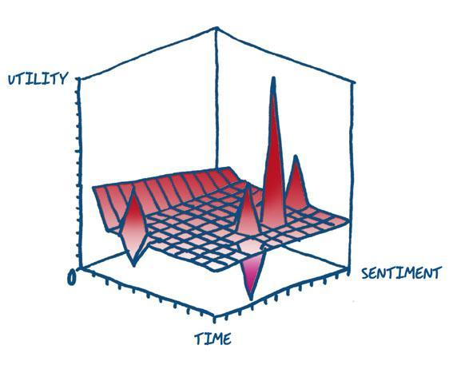
Error Typology Benchmark
TAUS Dynamic Quality Evaluation

Percentage by category data
Count of Error Category
LLM response | Error Category | Severity
1 | Accuracy | Major | Error Category | Count of Error Category
2 | Accuracy | Major | Accuracy | 58.33%
3 | Accuracy | Minor | Design | 15.28%
4 | Accuracy | Minor | Fluency | 5.56%
5 | Kudos | Kudos | Kudos | 9.72%
6 | Style | Neutral | Other | 8.33%
7 | Accuracy | Minor | Style | 1.39%
8 | Design | Minor | Verity | 1.39%
9 | Accuracy | Minor
10 | Other | Neutral
11 | Kudos | Kudos
12 | Kudos | Kudos
13 | Other | Critical
14 | Other | Critical
15 | Accuracy | Major
16 | Accuracy | Major
17 | Fluency | Minor
18 | Kudos | Kudos
19 | Accuracy | Major
20 | Fluency | Major
21 | Accuracy | Minor
22 | Accuracy | Minor
23 | Fluency | Minor
24 | Accuracy | Major
25 | Other | Major
26 | Accuracy | Major
27 | Verity | Major
28 | Accuracy | Major
29 | Accuracy | Major
30 | Accuracy | Minor
31 | Accuracy | Major
32 | Other | Critical
33 | Accuracy | Minor
34 | Accuracy | Minor
35 | Kudos | Kudos
36 | Accuracy | Minor
37 | Other | Critical
38 | Accuracy | Major
39 | Accuracy | Minor
40 | Accuracy | Major
41 | Accuracy | Minor
42 | Accuracy | Major
43 | Accuracy | Major
44 | Accuracy | Minor
45 | Accuracy | Minor
46 | Accuracy | Major
47 | Kudos | Kudos
48 | Kudos | Kudos
49 | Accuracy | Major
50 | Design | Major
51 | Accuracy | Major
52 | Design | Major
53 | Accuracy | Major
54 | Design | Major
55 | Accuracy | Major
56 | Design | Major
57 | Accuracy | Major
58 | Design | Major
59 | Design | Major
60 | Accuracy | Minor
61 | Accuracy | Major
62 | Accuracy | Major
63 | Design | Major
64 | Design | Major
65 | Accuracy | Minor
66 | Accuracy | Major
67 | Design | Minor
68 | Fluency | Major
69 | Accuracy | Major
70 | Design | Major
71 | Accuracy | Minor
72 | Accuracy | Minor

Error-Frequency-graph
Error Category | Error Subcategory | Count of Error Category
Accuracy | Addition | 6
 | Mistranslation | 4
 | Omission | 30
 | Over-translation | 1
 | Under-translation | 1
Design | Length | 1
 | Markup | 10
Fluency | Inconsistency | 3
 | Spelling | 1
Other | Hallucination | 5
 | No novelty | 1
Style | Awkward | 1
Verity | May not reflect reality | 1

Error-severity-graph
 | Severity
Accuracy
Design
Fluency
Other
Style
Verity
Total Result
Error Category | Severity | Count of LLM response
Accuracy |  | 64.62%
 | Major | 36.92%
 | Minor | 27.69%
Design |  | 16.92%
 | Major | 13.85%
 | Minor | 3.08%
Fluency |  | 6.15%
 | Major | 3.08%
 | Minor | 3.08%
Other |  | 9.23%
 | Critical | 6.15%
 | Major | 1.54%
 | Neutral | 1.54%
Style |  | 1.54%
 | Neutral | 1.54%
Verity |  | 1.54%
 | Major | 1.54%
Total Result |  | 100.00%

error_per_model
Error type and severity per model Mistral, temperatures 0.4 and 0.7
Error Category | LLM | Severity | Count of Error Category
Accuracy | Mistral_0.7 | Major | 16.67%
 |  | Minor | 4.17%
 | Mistral-0.4 | Major | 29.17%
 |  | Minor | 4.17%
Design | Mistral_0.7 | Major | 8.33%
 |  | Minor | 4.17%
 | Mistral-0.4 | Minor | 4.17%
Fluency | Mistral_0.7 | Major | 8.33%
Other | Mistral_0.7 | Critical | 8.33%
 | Mistral-0.4 | Critical | 8.33%
 |  | Major | 4.17%

