Sheet1
 | ` |  |  | 2024 Election Data |  | 2024 Data
Swing States | # of Muslim Population[Source: World Population review] | % of Muslim Population | # of Eligibile Muslim Voters() | Total Number of Republican Votes | Total Number of Democratic Votes | # of Registered Voters In State | % of Registered Voters (of population)
Georgia | 123,652 | 1.10% | Could not find | Election Pending |  | 7,077,269 | 63.50%
Arizona | 109,765 | 1.50% | Could not find |  |  | 4,378,251 | 58.40%
Michigan | 241,828 | 2.40% | Could not find |  |  | 8,103,282 | 80.70%
Wisconsin | 68,699 | 1.20% | Could not find |  |  | 3,493,576 | 58.90%
Pennsylvania | 149,561 | 1.20% | Could not find |  |  | 8,729,159 | 67.40%
North Carolina | 130,661 | 1.30% | Could not find |  |  | 7,364,236 | 67.10%
Nevada | 7,400 | 0.20% | Could not find |  |  | 2,109,582 | 65.70%
Virginia | 169,371 | 2% | Could not find |  |  | 6,039,085 | 69%

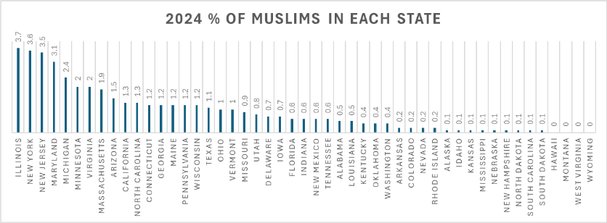

 |  |  |  |  | Sources:
 |  |  |  |  | https://www.datapandas.org/
 |  |  |  |  | https://www.politico.com/2020-election/results/
 |  |  |  |  | https://worldpopulationreview.com/states
 |  |  |  |  | https://worldpopulationreview.com/state-rankings/muslim-population-by-state
 |  |  |  |  | https://muslims.vote/wp-content/uploads/2022/10/CAIR-117th-Congress-Scorecard-2022.pdf
 |  |  |  |  | https://emgageusa.org/impact2020/
 |  |  |  |  | https://www.ncsl.org/elections-and-campaigns/access-to-and-use-of-voter-registration-lists
 |  |  |  |  | https://www.county.org/content-library/maps/counties/harris-county
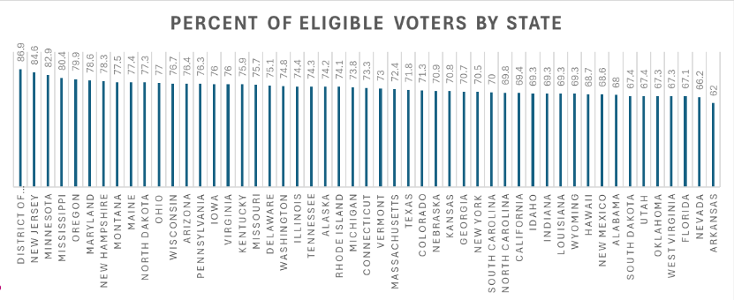
 |  |  |  |  | https://apps.texastribune.org/features/2024/march-2024-primary-ballot/
 |  |  |  |  | https://www.pewresearch.org/religion/about-the-religious-landscape-study/
 |  |  |  |  | https://www.pewresearch.org/short-reads/2023/04/12/why-the-us-census-doesnt-ask-americans-about-their-religion/

 | 2020 Population Data |  |  | 2020 Election Data |  | 2020 Registered Voter Data
Swing States | # of Muslim Population | % of Muslim Population | # of Eligibile Muslim Voters() | Total Number of Republican Votes | Total Number of Democratic Votes | # of Registered Voters In State | % of Registered Voters (of population)
Georgia | Could not find | Could not find | 79,345 | 2,461,854 | 2,473,633 | 7,600,000 | 70.96%
Arizona | Could not find | Could not find | Could not find | 1,661,686 | 1,672,143 | 4,143,929 | 55.84%
Michigan | Could not find | Could not find | 206,050 | 2,649,852 | 2,804,040 | 8,105,524 | 81.23%
Wisconsin | Could not find | Could not find | 21,122 | 1,610,184 | 1,630,866 | CANT FIND IT IM GIONNOA LOSE MY BRAIN
Pennsylvania | Could not find | Could not find | 167,618 | 3,377,674 | 3,458,229 | 9,090,962 | 71.13%
North Carolina | Could not find | Could not find | 54,548 | 2,684,292 | 2,758,773 | 7,371,229 | 69.47%
Nevada | Could not find | Could not find | Could not find | 669,890 | 703,486 | 2,005,680 | 63.73%
Virginia | Could not find | Could not find | 201,667 | 1,962,430 | 2,413,568 | 5,975,696 | 70%

 | 2016 Population Data |  |  | 2016 Election Data |  | 2016 Registered Voter Data
Swing States | # of Muslim Population | % of Muslim Population | # of Eligibile Muslim Voters() | Total Number of Republican Votes | Total Number of Democratic Votes | # of Registered Voters In State | % of Registered Voters (of population)
Georgia | Could not find | Could not find | 57,108 | 2,089,104 | 1,877,963 | 5,443,046 | 52.79%
Arizona | Could not find | Could not find | Could not find | 1,252,401 | 1,161,167 | 3,588,466 | 51.66%
Michigan | Could not find | Could not find | 162,373 | 2,279,543 | 2,268,839 | 7,514,055 | 75.48%
Wisconsin | Could not find | Could not find | 14,451 | 1,405,284 | 1,382,536 | 3,558,877 | 61.61%
Pennsylvania | Could not find | Could not find | 133,110 | 2,970,733 | 2,926,441 | 8,722,977 | 68.19%
North Carolina | Could not find | Could not find | 30,219 | 2,362,631 | 2,189,316 | 6,920,747 | 68.11%
Nevada | Could not find | Could not find | Could not find | 512,058 | 539,260 | 1,620,329 | 56.64%
Virginia | Could not find | Could not find | 194,188 | 1,769,443 | 1,981,473 | 5,529,742 | 66%

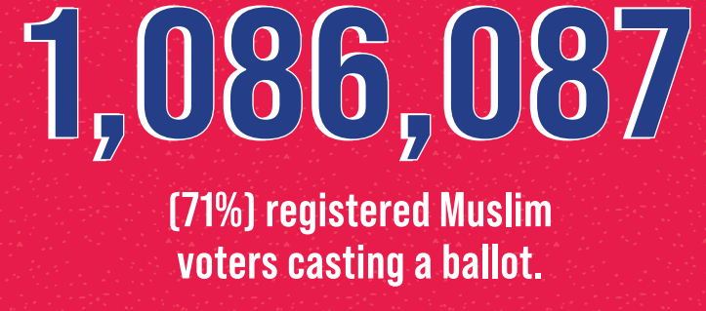
Swing States | Upper Bound
Georgia | 0.945
Arizona | 0.93
Michigan | 0.969
Wisconsin | 0.974
Pennsylvania | 0.968
North Carolina | 0.952
Nevada | 0.908
Virginia | 0.943
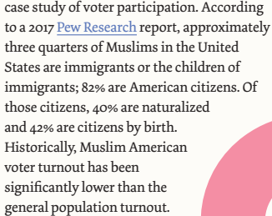




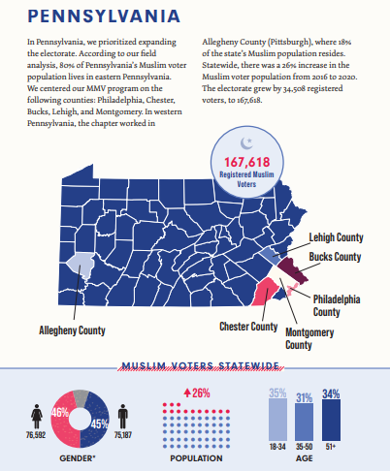
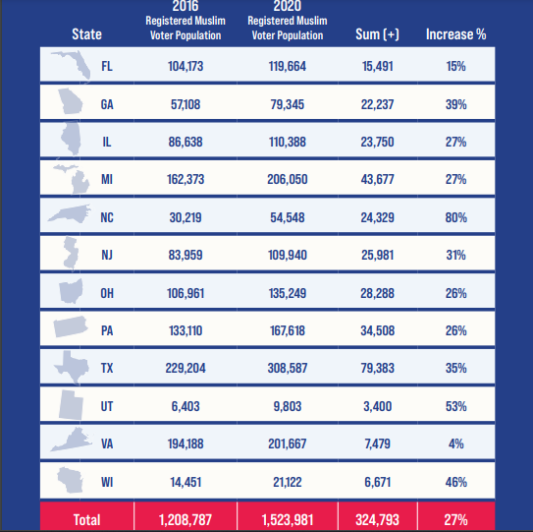
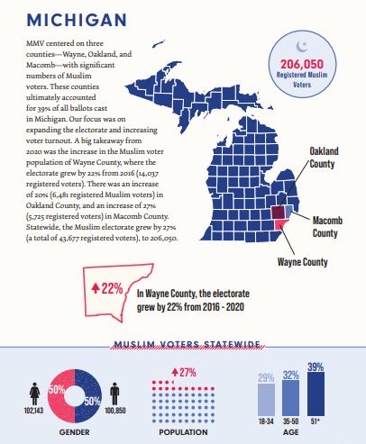

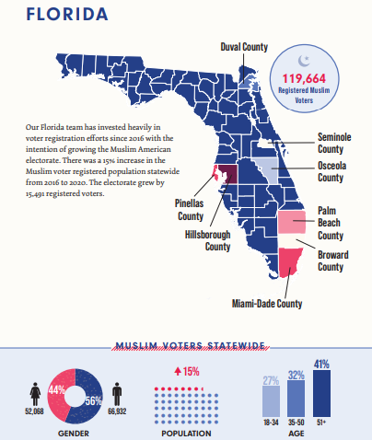
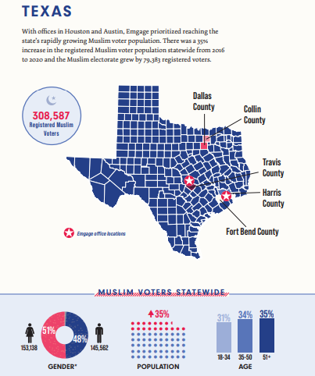
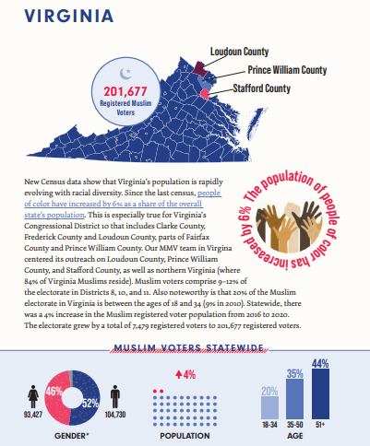

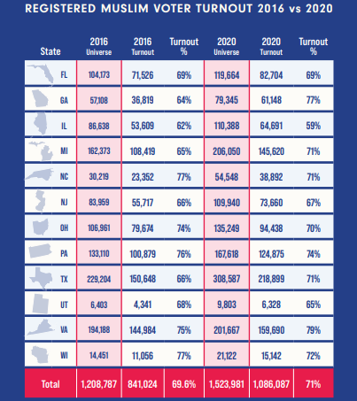
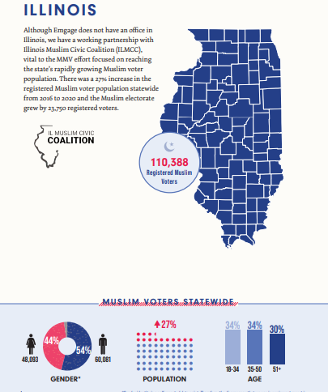
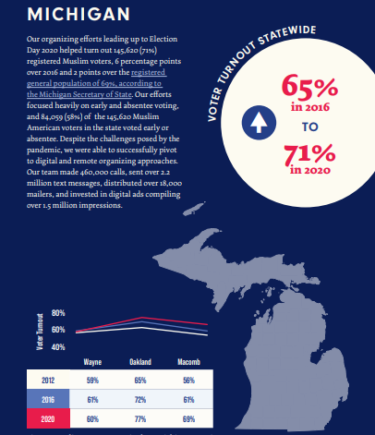

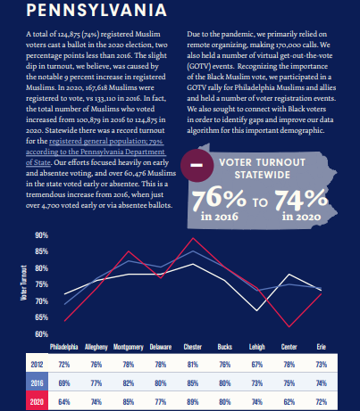
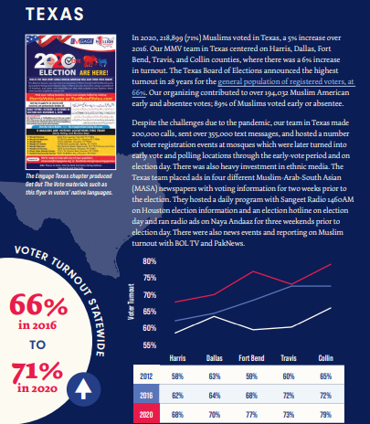
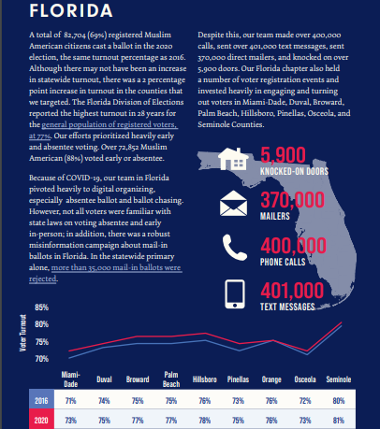

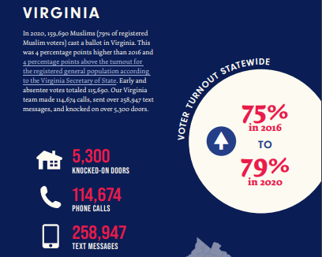
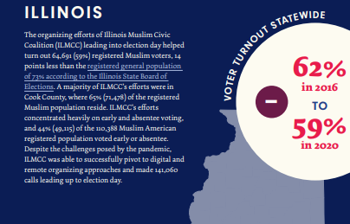
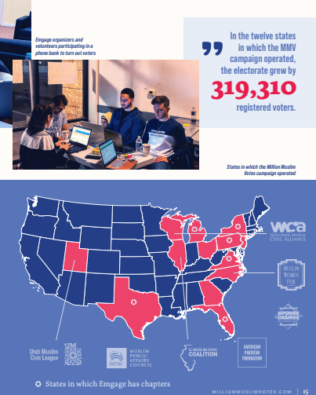

Polling Predictions

Georgia | Source | Biden | Trump | Leader
 | Fabrizio, Lee & Associates/GBAO, The Wall Street Journal | 38% | 42% | Trump +4
 | Redfield & Wilton Strategies, The Telegraph

Polling Predictions

Georgia | Source | Biden | Trump | Leader
 |  | 38% | 42% | Trump +4
 | Redfield & Wilton Strategies, The Telegraph | 41% | 44% | Trump +3
 | Marist College | 47% | 51% | Trump +4
 | Emerson College, The Hill, Nexstar | 37% | 44% | Trump +7
Arizona | Fabrizio, Lee & Associates/GBAO The Wall Street Journal | 37% | 43% | Trump +6
 | Emerson College, The Hill | 38% | 46% | Trump +8
 | Morning Consult, Bloomberg | 37% | 43% | Trump +6
Michigan | Fabrizio, Lee & Associates/GBAO The Wall Street Journal | 40% | 45% | Trump +5
 |  | 41% | 43% | Trump +3
 | Redfield & Wilton Strategies, The Telegraph | 39% | 41% | Trump +2
 | SSRS, CNN | 42% | 50% | Trump +8
Wisconsin | Fabrizio, Lee & Associates/GBAO The Wall Street Journal | 43% | 42% | Trump +1
 | Emerson College The Hill, Nexstar | 48% | 52% | Trump +4
 | Morning Consult Bloomberg | 46%
 | Morning Consult Bloomberg | 39% | 41% | Trump +2
Pennsylvania | Fabrizio, Lee & Associates/GBAO The Wall Street Journal | 38% | 41% | Trump +3
 | Emerson College, The Hill | 48% | 52% | Trump +4
 | Morning Consult, Bloomberg | 45% | 45% | Even
 |  | 38% | 44% | Trump +6
North Carolina | Fabrizio, Lee & Associates/GBAO The Wall Street Journal | 34% | 42% | Trump +8
 | Marist College | 48% | 51% | Trump +3
 | Morning Consult, Bloomberg | 43% | 49% | Trump +6
Virginia | Fabrizio, Lee & Associates/GBAO The Wall Street Journal
 | Emerson College, The Hill
 | Morning Consult, Bloomberg

