List of The Actors
List of The Actors:

Actor ID Number | Actor Name | Actor Group | Notes | Source of Knowledge (Page Number)
A | Receptionist | Customer Service Support Division | N/A | 1
B | Caller | Customer/Potential customer/Aggrieved Customer | N/A | 1,2,3,4,5,6
C | Help Desk Support Staff | Technical Support division | N/A | 1
D | Technical Support Specialist | Technical Support Division | N/A | 2
E | Customer Sales Representative | Inside sales division | N/A | 2
F | Customer Service Staff | Refunds/Returns Division | N/A | 3
G | Hot Tubs Technical support Staff | Technical support Division | N/A | 3
H | Hot Tubs Advanced Technical Expert | Technical support Division | N/A | 4
I | Marketer | Marketing/Sales Division | N/A | 5
J | Team Lead | Refunds/Returns Division | N/A | 5
K | IT Support Staff | IT Support Division | N/A | 5
L | IT tech | Call Centre Operations Division | N/A | 6

Interactions
Interactions:

Interaction ID Number | Interaction Name | Brief Description | Actors Involved | Notes | Source of Knowledge (Page Number)
1 | Call monitoring | The receptionist answers the incoming phone calls, listens to the callers' concerns and dispatches them to appropriate channels based on the caller's needs. | Receptionist, Caller | Answer incoming calls,Listen to caller concerns & Dispatch calls to appropriate channels based on needs | 1
2 | Technical support handling | The help desk support staff handles the customers' calls, resolves technical issues and documents the whole procedure on Enterprise CRM system for future referencing in similar cases. | Help Desk Support Staff, Caller | Handle customer calls,Resolve technical issues & Document procedures on Enterprise CRM system for future reference | 1
3 | In-depth Issue analysis | The technical support specialist critically reviews the user issues, addresses the concerns and actively participates in their resolution. | Technical Support Specialist, Caller | Critically review user issues, Address and resolve concerns & Actively participate in issue resolution | 2
4 | Sales Orders | Customer sales representative focuses on efficiently executing the sales process by handling the customer queries ,engaging them for promoting the products and documenting the orders with the help of Corporate Order Management System. | Customer Sales Representative, Caller | .Execute sales process efficiently Handle customer queries Engage customers to promote products & Document orders using Corporate Order Management System | 3
5 | Refunds/Return Calls Handling | The manager attends the calls related to the returns/refunds, then takes notes, based on which the information is retrieved from CRM and order management system in order to resolve the customer concerns with respect to the company norms and procedures. | Customer Service Staff, Caller | Attend calls related to returns/refunds, Take notes on customer concerns & Retrieve information from CRM and order management system .Resolve customer concerns following company norms and procedures | 3
6 | Hot tubs technical support and issue resolution | The support staff attends the calls regarding the technical issues and some of them might be repeating callers. If the issue is resolved, then the support staff documents the caller stories on the basis of which, the staff provides it's perceptions. In case the issue is not resolves, then the call is dispatched to appropriate channels for escalated services like refunds. | Hot Tubs Technical support Staff, Caller | Attend calls on technical issues, Resolve issues and document caller stories, Provide perceptions based on documented stories & If issue persists, dispatch call to appropriate channels for escalated services/refunds | 3
7 | Advanced Support Resolution process | The expert attends the customer inquiries, on the basis of which the details are taken from CRM, where the previous notes are addressed to resolve the issues. In case of requests like returns, the call is directed to appropriate channels. In addition to this, the experts also monitor the voicemail box for the same purpose. | Hot Tubs Advanced Technical Expert, Caller | Attend customer inquiries, Retrieve details from CRM for referencing previous notes to resolve issues, Direct returns and specific requests to appropriate channels & Monitor voicemail box for relevant concerns and resolutions | 4
8 | Customer Handling | The marketer handles the incoming calls from the customers, then he/she identifies the intention like placing order, follow up order. Then notes are made and email communication is done. | Marketer, Caller | Handle incoming customer calls, Identify customer intentions (e.g., placing order, follow-up on order) & Make notes and initiate email communication | 5
9 | Refunds/Returns Management Process | The team lead manages the call centre operations and handles the refunds/returns by taking notes, using CRM and Corporate Order Management System. | Team Lead, Caller | Manage call center operations, Handle refunds/returns requests & Take notes and utilize CRM and Corporate Order Management System | 5
10 | Call Centre Operations | The IT support staff plays a major role in call centre operations in order to handle hardware, software, and network issues. | IT Support Staff, Caller | Handle hardware, software, and network issues & Contribute to call center operations | 6
11 | Managing hold queue audio content | The IT tech is responsible for managing relaxing audio content with respect to the characteristic of the service required by the caller, who is being held in a queue. | IT Tech, Caller | Manage relaxing audio content, Tailor content based on service characteristics & Address callers held in queue | 6

Use-Case Diagram
Use Case Diagram
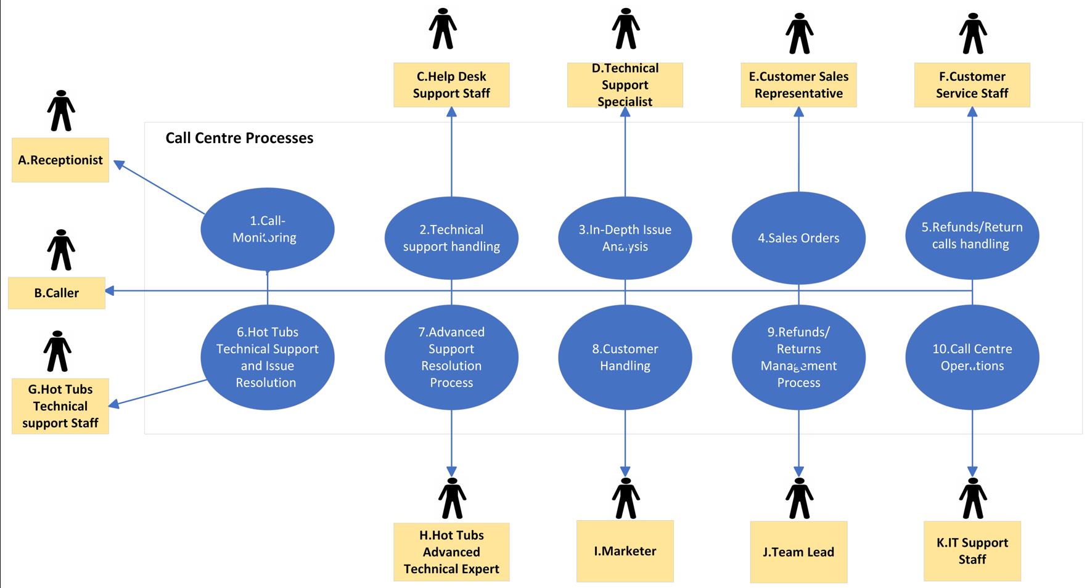

Description:
1.Call Monitoring - A,B
2. Techincal Support Handling - C,B
3.In Depth Issue Analysis - D,B
4.Sales Orders - E,B
5.Refunds/Returns Calls Handling - F,B
6.Hot Tubs Technical Support and Issue Resolution-G,B
7.Advanced Support Resolution Process - H,B
8.Customer Handling - I,B
9.Refunds/Returns Management Process - J,B
10.Call Centre Operations - K,B

