Entitlements-Milestones
DELETE THIS BEFORE HANDING OVER TO THE CONFIG TEAM
There are no milestones that come configured in the base package. You will define them following the format on this page. Samples of the following milestones are below.
Reactive SLA
Proactive SLA
Escalation SLA
See the below guide for what is required and what should be defined for each milestone type.
WITH SOLUTION APPROVAL: Any field on the case record, related account record or related user record. can be added as a milestone criteria.
Reactive SLA
Case: Closed !=True
Case: Case Origin !=Proactive
Case: Priority define
Case: Escalated !=True
Case: Case Record Type- to be defined. (note you can bundle record types together using OR)
Proactive SLA
Case: Closed !=True
Case: Case Origin =Proactive
Case: Priority define
Case: Escalated !=True
Case: Case Record Type- to be defined. (note you can bundle record types together using OR)
Escalation SLA
Case: Closed !=True
Case: Escalated =True
Case: Case Record Type- to be defined. (note you can bundle record types together using OR)
Update
User Story | Custom | Order | Milestone Name | Recurrence Type | Criteria | Minutes to Complete | Start Time | Business Hours
 | Yes | 1 | NALA 12hrs ALL CASES | No Recurrence | (Case: Closed NOT EQUAL TO True) AND (Case: Case Origin NOT EQUAL TO Proactive) AND (Case: Priority EQUALS High) AND (Case: Escalated NOT EQUAL TO True) AND ((Case: Case Record Type EQUALS Data Update Request) OR (Case: Case Record Type EQUALS Booking Request) OR (Case: Case Record Type EQUALS Reporting Request) OR (Case: Case Record Type EQUALS Quote Request) OR (Case: Case Record Type EQUALS Lead Submission Request) OR (Case: Case Record Type EQUALS Data Processing Request)) | 720 | Entitlement Process | NALA
 | Yes | 2 | NALA 24hrs ALL CASES | No Recurrence | (Case: Closed NOT EQUAL TO True) AND (Case: Case Origin NOT EQUAL TO Proactive) AND (Case: Priority EQUALS Normal) AND (Case: Escalated NOT EQUAL TO True) AND ((Case: Case Record Type EQUALS Data Update Request) OR (Case: Case Record Type EQUALS Booking Request) OR (Case: Case Record Type EQUALS Reporting Request) OR (Case: Case Record Type EQUALS Quote Request) OR (Case: Case Record Type EQUALS Lead Submission Request) OR (Case: Case Record Type EQUALS Data Processing Request)) | 1440 | Entitlement Process | NALA
 | Yes | 3 | NALA 48hrs ALL CASES | No Recurrence | (Case: Closed NOT EQUAL TO True) AND (Case: Case Origin NOT EQUAL TO Proactive) AND (Case: Priority EQUALS Low) AND (Case: Escalated NOT EQUAL TO True) AND ((Case: Case Record Type EQUALS Data Update Request) OR (Case: Case Record Type EQUALS Booking Request) OR (Case: Case Record Type EQUALS Reporting Request) OR (Case: Case Record Type EQUALS Quote Request) OR (Case: Case Record Type EQUALS Lead Submission Request) OR (Case: Case Record Type EQUALS Data Processing Request)) | 2880 | Entitlement Process | NALA
 | Yes | 4 | NALA Escalation | No Recurrence | (Case: Closed NOT EQUAL TO True) AND (Case: Escalated EQUALS True) AND (Case: Priority EQUALS High) AND ((Case: Case Record Type EQUALS Data Update Request) OR (Case: Case Record Type EQUALS Booking Request) OR (Case: Case Record Type EQUALS Reporting Request) OR (Case: Case Record Type EQUALS Quote Request) OR (Case: Case Record Type EQUALS Lead Submission Request) OR (Case: Case Record Type EQUALS Data Processing Request)) | 720 | Entitlement Process | NALA
 | Yes | 5 | NALA Proactive | No Recurrence | (Case: Closed NOT EQUAL TO True) AND (Case: Case Origin EQUALS Proactive) AND (Case: Escalated NOT EQUAL TO True) AND (Case: Priority EQUALS Normal) AND ((Case: Case Record Type EQUALS Data Update Request) OR (Case: Case Record Type EQUALS Booking Request) OR (Case: Case Record Type EQUALS Reporting Request) OR (Case: Case Record Type EQUALS Quote Request) OR (Case: Case Record Type EQUALS Lead Submission Request) OR (Case: Case Record Type EQUALS Data Processing Request)) | 2880 | Entitlement Process | NALA

Business Hours
Update
User Story | Custom | Business Hours Name | Time Zone | Business Hours
 |  | APAC | (GMT+08:00) Singapore Time (Asia/Singapore) | Sunday: No Hours Monday: 8:00 AM to 12:00 AM Tuesday 24 Hours Wednesday 24 Hours Thursday 24 Hours Friday 12:00 AM to 5:00 PM Saturday No Hours
DELETE BEFORE HANDING OVER TO THE CONFIG TEAM.
Business hours do not come configured in the package. Below is the recommended business hours for our geos. Update if the team has non-standard working hours or delete if the team is not working in one of the geos.
 |  | NALA | (GMT-05:00) Central Daylight Time (America/Chicago) | Sunday: No Hours Monday: 8:00 AM to 12:00 AM Tuesday 24 Hours Wednesday 24 Hours Thursday 24 Hours Friday 12:00 AM to 5:00 PM Saturday No Hours
 |  | EMEA | (GMT-00:00) Greenwich Mean Time Time (GMT) | Sunday: No Hours Monday: 8:00 AM to 12:00 AM Tuesday 24 Hours Wednesday 24 Hours Thursday 24 Hours Friday 12:00 AM to 5:00 PM Saturday No Hours

Location Address Picklist
Update |  | Field(s)
User Story | Custom | Label | Field Name | Value
 | No | Address Type | SSI_ZTH__Address_Type__c | Bill To
 | No | Address Type | SSI_ZTH__Address_Type__c | Ship To
 | No | Address Type | SSI_ZTH__Address_Type__c | Installed To
 | No | Address Type | SSI_ZTH__Address_Type__c | Sold To
 | No | Address Type | SSI_ZTH__Address_Type__c | Other
 | No | Country | SSI_ZTH__Country__c | Ireland
 | No | Country | SSI_ZTH__Country__c | United Kingdom
 | No | Currency | CurrencyIsoCode | GBP
 | No | State or Province | SSI_ZTH__State_or_Province__c | Alabama
 | No | State or Province | SSI_ZTH__State_or_Province__c | Alaska
 | No | State or Province | SSI_ZTH__State_or_Province__c | Arizona
 | No | State or Province | SSI_ZTH__State_or_Province__c | Arkansas
These yellow cells can be removed from the default picklist values
 | No | State or Province | SSI_ZTH__State_or_Province__c | California
 | No | State or Province | SSI_ZTH__State_or_Province__c | Colorado
 | No | State or Province | SSI_ZTH__State_or_Province__c | Connecticut
 | No | State or Province | SSI_ZTH__State_or_Province__c | Delaware
 | No | State or Province | SSI_ZTH__State_or_Province__c | Florida
 | No | State or Province | SSI_ZTH__State_or_Province__c | Georgia
 | No | State or Province | SSI_ZTH__State_or_Province__c | Hawaii
 | No | State or Province | SSI_ZTH__State_or_Province__c | Idaho
 | No | State or Province | SSI_ZTH__State_or_Province__c | Illinois
 | No | State or Province | SSI_ZTH__State_or_Province__c | Indiana
 | No | State or Province | SSI_ZTH__State_or_Province__c | Iowa
 | No | State or Province | SSI_ZTH__State_or_Province__c | Kansas
 | No | State or Province | SSI_ZTH__State_or_Province__c | Kentucky
 | No | State or Province | SSI_ZTH__State_or_Province__c | Louisiana
 | No | State or Province | SSI_ZTH__State_or_Province__c | Maine
 | No | State or Province | SSI_ZTH__State_or_Province__c | Maryland
 | No | State or Province | SSI_ZTH__State_or_Province__c | Massachusetts
 | No | State or Province | SSI_ZTH__State_or_Province__c | Michigan
 | No | State or Province | SSI_ZTH__State_or_Province__c | Minnesota
 | No | State or Province | SSI_ZTH__State_or_Province__c | Mississippi
 | No | State or Province | SSI_ZTH__State_or_Province__c | Missouri
 | No | State or Province | SSI_ZTH__State_or_Province__c | Montana
 | No | State or Province | SSI_ZTH__State_or_Province__c | Nebraska
 | No | State or Province | SSI_ZTH__State_or_Province__c | Nevada
 | No | State or Province | SSI_ZTH__State_or_Province__c | New Hampshire
 | No | State or Province | SSI_ZTH__State_or_Province__c | New Jersey
 | No | State or Province | SSI_ZTH__State_or_Province__c | New Mexico
 | No | State or Province | SSI_ZTH__State_or_Province__c | New York
 | No | State or Province | SSI_ZTH__State_or_Province__c | North Carolina
 | No | State or Province | SSI_ZTH__State_or_Province__c | North Dakota
 | No | State or Province | SSI_ZTH__State_or_Province__c | Ohio
 | No | State or Province | SSI_ZTH__State_or_Province__c | Oklahoma
 | No | State or Province | SSI_ZTH__State_or_Province__c | Oregon
 | No | State or Province | SSI_ZTH__State_or_Province__c | Pennsylvania
 | No | State or Province | SSI_ZTH__State_or_Province__c | Rhode Island
 | No | State or Province | SSI_ZTH__State_or_Province__c | South Carolina
 | No | State or Province | SSI_ZTH__State_or_Province__c | South Dakota
 | No | State or Province | SSI_ZTH__State_or_Province__c | Tennessee
 | No | State or Province | SSI_ZTH__State_or_Province__c | Texas
 | No | State or Province | SSI_ZTH__State_or_Province__c | Utah
 | No | State or Province | SSI_ZTH__State_or_Province__c | Vermont
 | No | State or Province | SSI_ZTH__State_or_Province__c | Virginia
 | No | State or Province | SSI_ZTH__State_or_Province__c | Washington
 | No | State or Province | SSI_ZTH__State_or_Province__c | West Virginia
 | No | State or Province | SSI_ZTH__State_or_Province__c | Wisconsin

CSM Reference
Name | Number | API | Path
Success Plan Details | 0 | ServiceSource1__CSM_Account_Plan_Details | App Setup / Create / Objects / Success Plan / Field Sets / CSM_Account_Plan Details

Location in app: On Account, as custom VF page which can be added in page layout |  |  | Location in app: On Success Plan, Details tab

Account Details | 1 | ServiceSource1__CSM_Details_Fieldset | App Setup / Customize / Accounts / Field Sets / CSM_Details_Fieldset

 |  | On Success Plans, Details tab, under Success Plan Details field grouping

Success Plan Details Widget | 2 | ServiceSource1__CSM_Account_Widget_FieldSet | App Setup / Create / Objects / Success Plan / Field Sets / CSM_Account_Widget_FieldSet
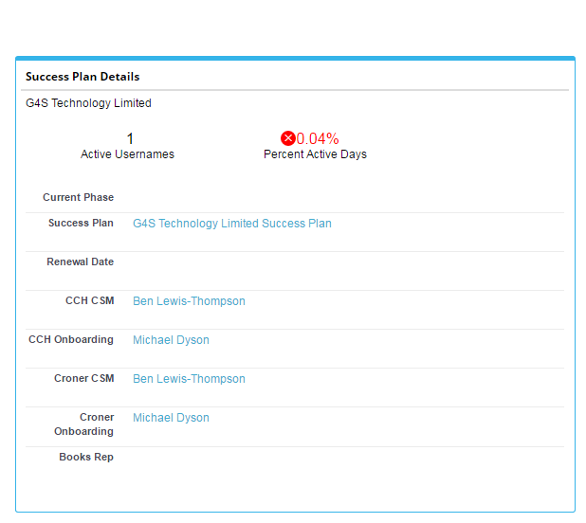

 |  | On Success Tasks, to the right of the data grid and will populate upon clicking (>) Details button

Complete/Dismiss Pop Up | 3 | ServiceSource1__CSM_CompleteDismiss_Popup | App Setup / Customize / Activities / Task Field Sets / CSM_CompleteDismissPopup
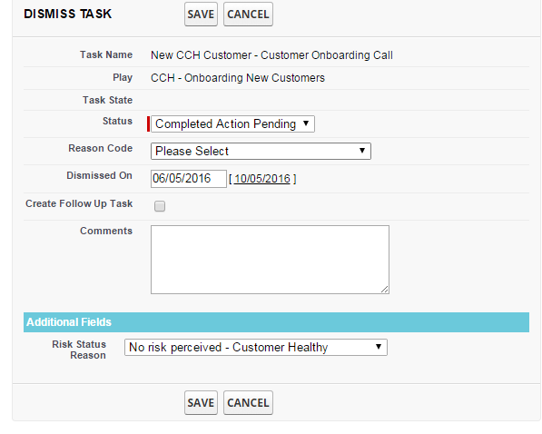
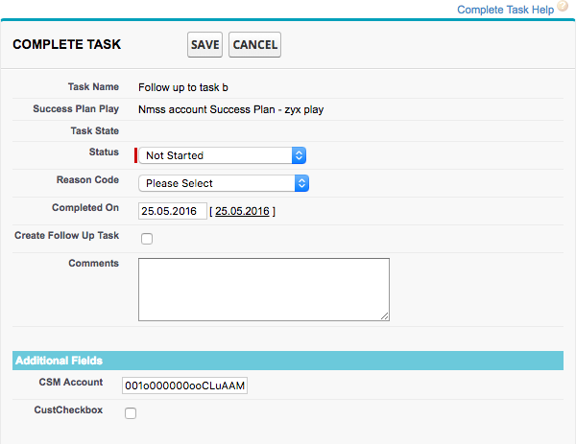

 |  | When clicking the check or x icons on Success Tasks, overview, Success Plan/Actions

New Task Pop Up | 4 | ServiceSource1__CSM_New_Task_Popup | App Setup / Customize / Activities / Task Field Sets / CSM_NewTask_Popup
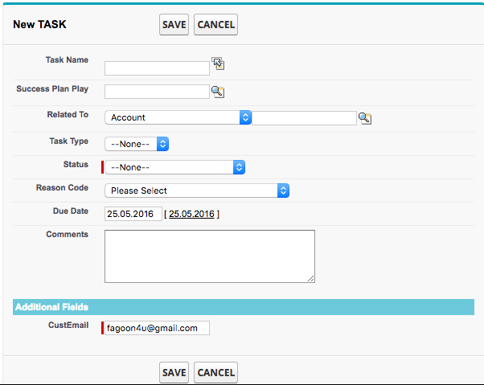

 |  | When clicking Create New from Success Tasks, Success Plan/Actions

