CSM Reference
Name | Number | API | Path
Success Plan Details | 0 | ServiceSource1__CSM_Account_Plan_Details | App Setup / Create / Objects / Success Plan / Field Sets / CSM_Account_Plan Details

Location in app: On Account, as custom VF page which can be added in page layout |  |  | Location in app: On Success Plan, Details tab

Account Details | 1 | ServiceSource1__CSM_Details_Fieldset | App Setup / Customize / Accounts / Field Sets / CSM_Details_Fieldset

 |  | On Success Plans, Details tab, under Success Plan Details field grouping

Success Plan Details Widget | 2 | ServiceSource1__CSM_Account_Widget_FieldSet | App Setup / Create / Objects / Success Plan / Field Sets / CSM_Account_Widget_FieldSet
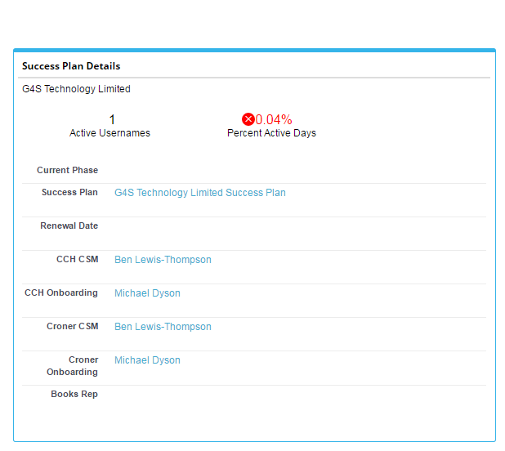

 |  | On Success Tasks, to the right of the data grid and will populate upon clicking (>) Details button

Complete/Dismiss Pop Up | 3 | ServiceSource1__CSM_CompleteDismiss_Popup | App Setup / Customize / Activities / Task Field Sets / CSM_CompleteDismissPopup
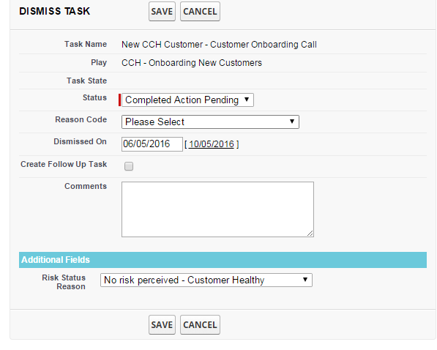
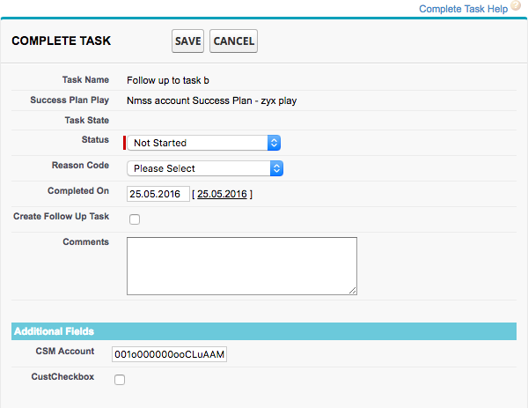

 |  | When clicking the check or x icons on Success Tasks, overview, Success Plan/Actions

New Task Pop Up | 4 | ServiceSource1__CSM_New_Task_Popup | App Setup / Customize / Activities / Task Field Sets / CSM_NewTask_Popup
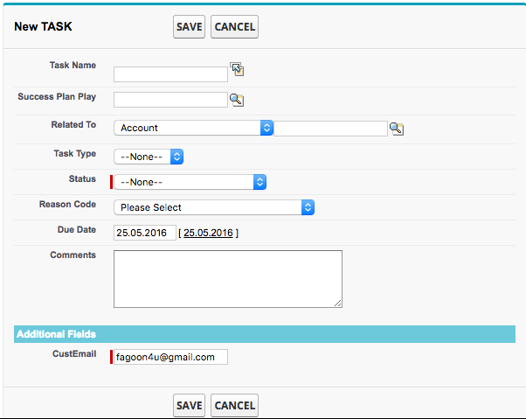

 |  | When clicking Create New from Success Tasks, Success Plan/Actions

