How to use
 | Version HCOT_V001; dated July 31, 2019

storage sub-system test for throughput and latency |  | Network Test

Step 1 | Extract ZIP file freated by hcmt to file-system | Step 1 | Extract ZIP file freated by hcmt to file-system

 | Concatenate all files with measurement results in REPORT-directory "DISK" to single file
 | for windows e.g. command is:
 | for %f in (*A904F304AEB67906.json) do (echo "%f" & type "%f") >> test.txt & for %f in (*A300F54B104B6ADB.json) do (echo "%f" & type "%f") >> test.txt

 | for linux e.g. command is:
 | for f in *A904F304AEB67906.json; do echo $f; cat $f; done >> test.txt; for f in *A300F54B104B6ADB.json; do echo $f; cat $f; done >> test.txt;

Step 2 | Copy raw text results in "test.txt" | Step 2 | Copy raw text results from file *A443B12C439D1BD0.json
 | to worksheet "Raw Results hcmt" as of field A3 |  | to worksheet "Network" as of field A25

 | Ensure that you add content only to column A |  | Ensure that you add content only to column A
 | Test must not contain e.g. tab-stops "\t" |  | Test must not contain e.g. tab-stops "\t"
 | You can also use the "paste special -> text" option |  | You can also use the "paste special -> text" option
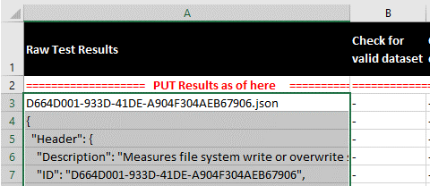
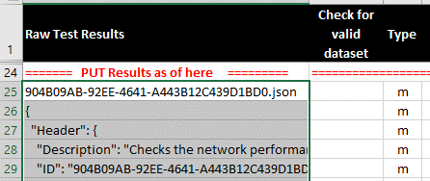

 | !!! Decimal delimiter "," is expected, see notes below. !!! |  | !!! Decimal delimiter "," is expected, see notes below. !!!

Step 3 | In worksheet "Pivot hcmt" refresh the pivot tables | Step 3 | In same worksheet refresh "Pivot"

Step 4 | Get the results in worksheet "Results hcmt" | Step 4 | Get the results in Pivot table

Important Notes

Analyze formula expect "," as decimal delimiter.
See image below how to adjust in Excel options decimal delimiter

Step 1 adjust settings in Excel advanced options

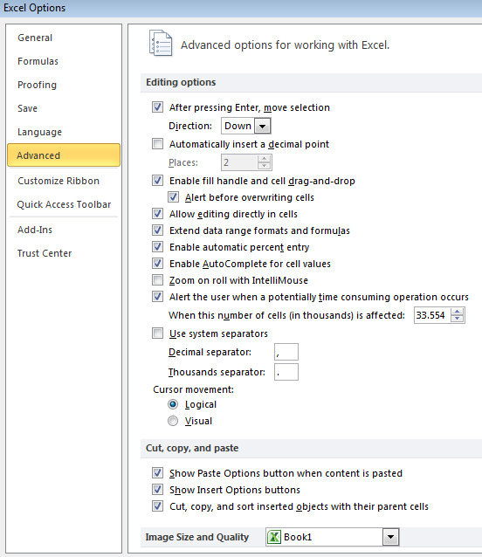

In case raw-data exceed prepared callculation area re-calculate formula
Mark: B3 - L3 for storage / B25-I25 for Network
copy and paste to complete formular section until the end of the raw data
continue with updating Pivot table (see step 2 above)

