Sales Profit over Months
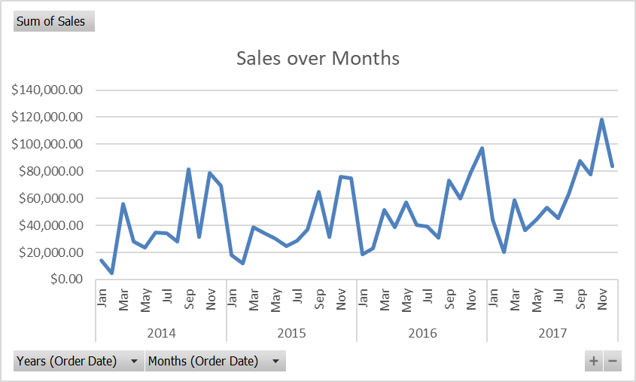
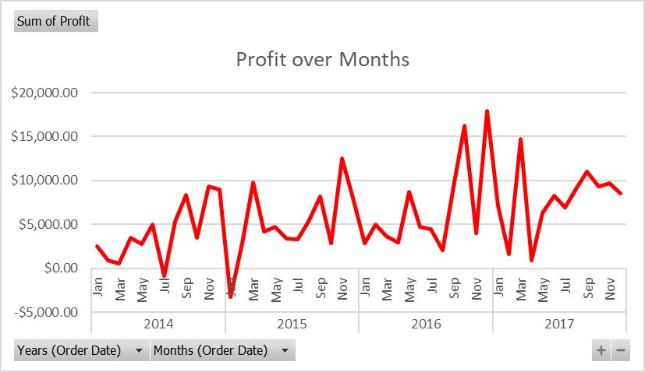

 |  |  | Data
Years (Order Date) | Quarters (Order Date) | Months (Order Date) | Sum of Sales | Sum of Profit
2014 |  |  | $484,247.50 | $49,543.97
2015 |  |  | $470,532.51 | $61,618.60
2016 |  |  | $609,205.60 | $81,795.17
2017 |  |  | $733,215.26 | $93,439.27
Grand Total |  |  | $2,297,200.86 | $286,397.02

Sales each Category
Sum of Sales | Column Labels
Row Labels | Central | East | South | West | Grand Total
Furniture | $163,797.16 | $208,291.20 | $117,298.68 | $252,612.74 | $741,999.80
Office Supplies | $167,026.42 | $205,516.05 | $125,651.31 | $220,853.25 | $719,047.03
Technology | $170,416.31 | $264,973.98 | $148,771.91 | $251,991.83 | $836,154.03
Grand Total | $501,239.89 | $678,781.24 | $391,721.90 | $725,457.82 | $2,297,200.86

Sales each State
Row Labels | Sum of Sales
California | $457,687.63
New York | $310,876.27
Texas | $170,188.05
Grand Total | $938,751.95

