Sheet1 (4)
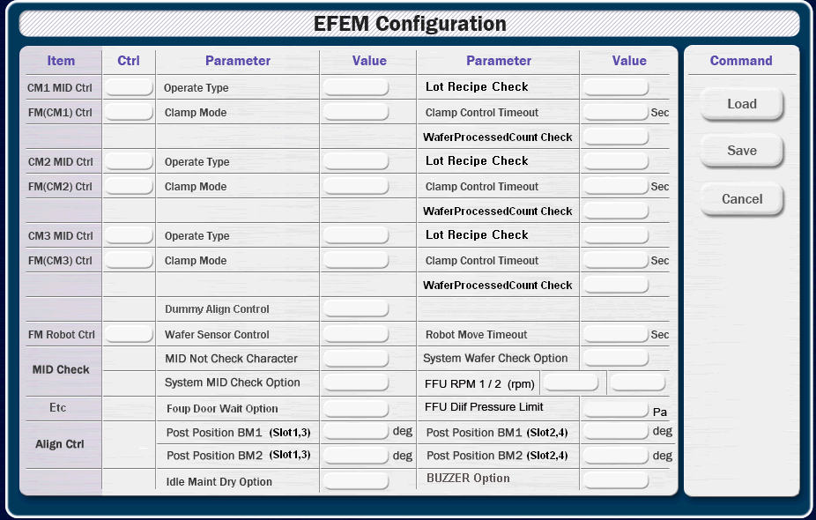

Item | Control | Parameter | Value | Parameter | Value
CM1 MID Control |  | Operate Type |  | Lot Recipe Check
FM (CM1) Control |  | Clamp Mode |  | Clamp Control Timeout | sec
 |  | Log Use |  | Wafer Processed Count
CM2 MID Control |  | Operate Type |  | Lot Recipe Check
FM (CM2) Control |  | Clamp Mode |  | Clamp Control Timeout | sec
 |  | Log Use |  | Wafer Processed Count
CM3 MID Control |  | Operate Type |  | Lot Recipe Check
FM (CM3) Control |  | Clamp Mode |  | Clamp Control Timeout | sec
 |  | Log Use |  | Wafer Processed Count
FM Robot Control |  | Wafer Sensor Control |  | Robot Move Time | sec
MID Check |  | MID Not Chk Character |  | System Wafer Chk Option
 |  | System MID Chk Option
FFU |  | FFU RPM 1 | rpm | FFU RPM 2 | rpm
 |  | FFU Diff Pressure Limit | Pa | FFU Maker
Align Control |  | Post Position BM1 (Slot 1, 3) | deg | Post Position BM1 (Slot 2, 4) | deg
 |  | Post Position BM2 (Slot 1, 3) | deg | Post Position BM2 (Slot 2, 4) | deg
 |  | Dummy Align Control
Etc |  | Foup Door Wait Option |  | Signal Tower Control
 |  | Idle Maint Dry Option |  | Buzzer Option

Alarm
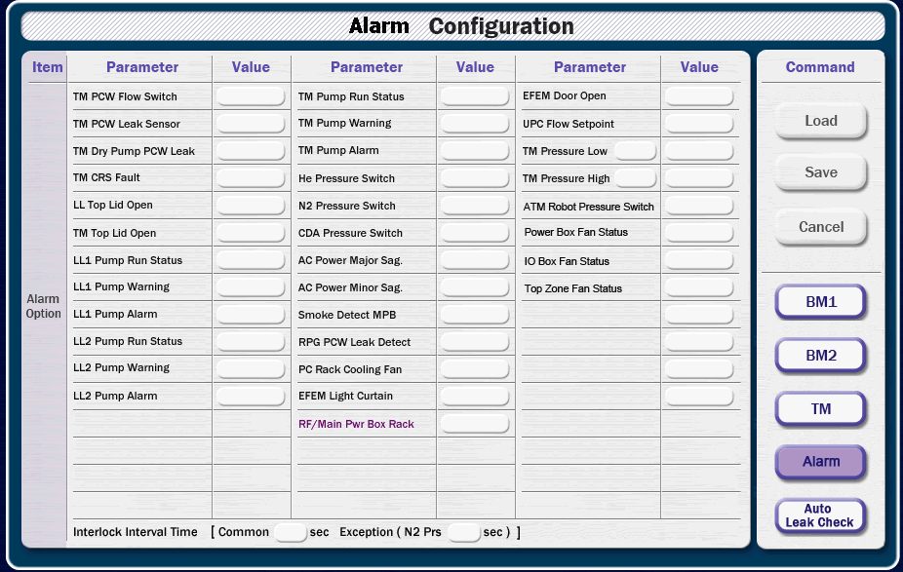

Item | Parameter | Value | Parameter | Value | Parameter | Value
TM | PCW Flow Switch |  | PCW Leak Sensor |  | Dry Pump PCW Leak
 | Pump Run Status |  | Pump Warning |  | Pump Alarm
 | Pressure Low |  | Pressure Low Alarm |  | CRS Fault
 | Pressure High |  | Pressure High Alarm
Top Lid | LL Top Lid Open |  | TM Top Lid Open
LL1 | Pump Run Status |  | Pump Warning |  | Pump Alarm
LL2 | Pump Run Status |  | Pump Warning |  | Pump Alarm
Press Switch | He Press Switch |  | N2 Press Switch |  | CDA Press Switch
 | ATM Press Switch
AC Power | AC Pow Major Sag |  | AC Pow Minor Sag
Fan Status | Power Box Fan |  | IO Box Fan |  | Top Zone Fan
 | PC Rack Cooling Fan
Detect | Smoke Detect MPB |  | RPG PCW Leak
EFEM | Light Curtain |  | Door Open
ETC | UPC Flow Setpoint

No Interval | RF/Main Pwr Box Rack

Interlock Interval Time [ Common sec, Exception (N2 Prs sec) ]

 |  |  |  |  |  |  | value 1 |  | value 2 |  | value 3
 |  |  |  |  |  |  | 264 | 84 | 478 | 84 | 693 | 84
 |  |  |  |  |  |  | 264 | 108 | 478 | 108 | 693 | 108
 |  |  |  |  |  |  | 264 | 132 | 478 | 132 | 693 | 132
 |  |  |  |  |  |  | 264 | 156 | 478 | 156 | 693 | 156
 |  |  |  |  |  |  | 264 | 180 | 478 | 180 | 693 | 180
 |  |  |  |  |  |  | 264 | 204 | 478 | 204 | 693 | 204
 |  |  |  |  |  |  | 264 | 228 | 478 | 228 | 693 | 228
 |  |  |  |  |  |  | 264 | 252 | 478 | 252 | 693 | 252
 |  |  |  |  |  |  | 264 | 276 | 478 | 276 | 693 | 276
 |  |  |  |  |  |  | 264 | 300 | 478 | 300 | 693 | 300
 |  |  |  |  |  |  | 264 | 324 | 478 | 324 | 693 | 324
 |  |  |  |  |  |  | 264 | 348 | 478 | 348 | 693 | 348
 |  |  |  |  |  |  | 264 | 372 | 478 | 372 | 693 | 372
 |  |  |  |  |  |  | 264 | 396 | 478 | 396 | 693 | 396
 |  |  |  |  |  |  | 264 | 420 | 478 | 420 | 693 | 420
 |  |  |  |  |  |  | 264 | 444 | 478 | 444 | 693 | 444
 |  |  |  |  |  |  | 264 | 468 | 478 | 468 | 693 | 468
 |  |  |  |  |  |  | 264 | 492 | 478 | 492 | 693 | 492
 |  |  |  |  |  |  | 264 | 516 | 478 | 516 | 693 | 516
 |  |  |  |  |  |  | 264 | 540 | 478 | 540 | 693 | 540

