Sheet1
Heater Name | Status | Set Temp | Mode | High Limit | Low Limit | Deviat | Set Power | Pow Limit | Gain | I | D

LT Heater Setting 1
LT Heater Setting 2
RT Heater Setting 1
RT Heater Setting 2

Parameter 1
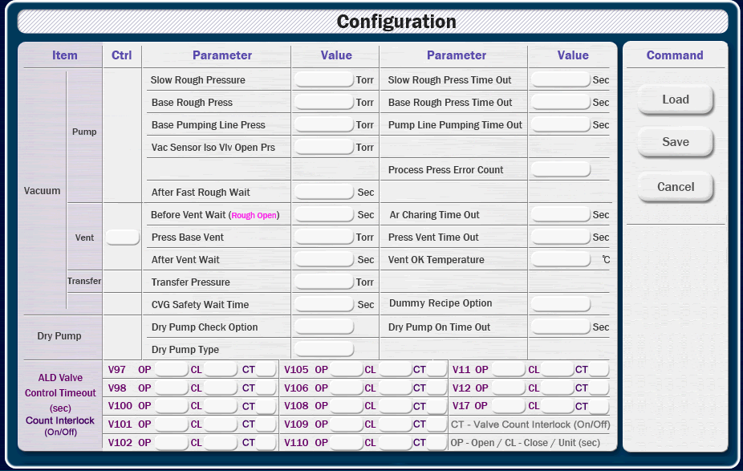
 |  |  |  |  |  |  |  |  | 0.5

Item |  | Parameter |  |  |  |  | Value |  |  | Parameter |  |  |  |  | Value
Vacuum | Pump | Slow Rough Pressure |  |  |  |  | Torr |  |  | Slow Rough Press Time Out |  |  |  |  | sec
 |  | Base Rough Press |  |  |  |  | Torr |  |  | Base Rough Press Time Out |  |  |  |  | sec
 |  | Base Pumping Line Press |  |  |  |  | Torr |  |  | Pump Line Pumping Time Out |  |  |  |  | sec
 |  | Vac Sensor Iso V/v Open Prs |  |  |  |  | Torr |  |  | Process Press Error Count
 |  | After Fast Rough Wait |  |  |  |  | sec
 | Vent | Before Vent Wait (Rough Open) |  |  |  |  | sec |  |  | Ar Charing Time Out |  |  |  |  | sec
 |  | Press Base Vent |  |  |  |  | Torr |  |  | Press Vent Time Out |  |  |  |  | sec
 |  | After Vent Wait |  |  |  |  | sec |  |  | Vent OK Temperature |  |  |  |  | ℃
 |  | Vant Sequence Gas Line
 | Transfer | Transfer Pressure |  |  |  |  | Torr
 | ETC | CVG Safety Wait Time |  |  |  |  | sec |  |  | Dummy Recipe Option
 |  | RPG Gate Open Option
Dry Pump |  | Dry Pump Check Option |  |  |  |  |  |  |  | Dry Pump On Time Out |  |  |  |  | sec
 |  | Dry Pump Type
ALD Valve Control Time Out Count Interlock |  | Valve | Open | Close | Count | Valve |  | Open |  | Close | Count | Valve | Open | Close |  | Count
 |  | V97 |  |  |  | V105 |  |  |  |  |  | V11
 |  | V98 |  |  |  | V106 |  |  |  |  |  | V12
 |  | V100 |  |  |  | V108 |  |  |  |  |  | V17
 |  | V101 |  |  |  | V109 |  |  |  |  |  | Valve Count Interlock (On/Off)
 |  | V102 |  |  |  | V110 |  |  |  |  |  | Open, Close Unit - sec

Parameter 2
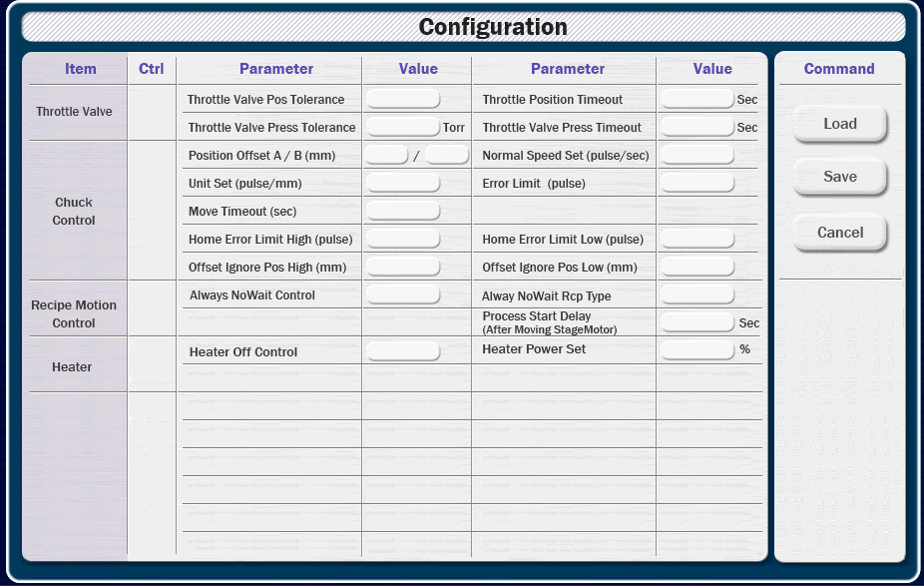
 |  |  | 0.5

Item | Parameter | Value |  | Parameter | Value
Throttle Valve | Position Tolerance |  |  | Position Time Out
 | Pressure Tolerance |  |  | Pressure Time Out

Chuck Control | Position Offset A | mm |  | Position Offset B | mm
 | Unit Set (pulse/mm) |  |  | Normal Speed Set (pulse/sec)
 | Move Time Out | sec |  | Error Limit (pulse)
 | Home Error Limit High (pulse) |  |  | Home Error Limit Low (pulse)
 | Offset Ignore Pos High | mm |  | Offset Ignore Pos Low | mm

Recipe Motion Control | Always No Wait Control |  |  | Always No Wait Recipe Type
 | Process Start Delay (After Moving Stage Motor) | mm

Heater | Heater Off Control |  |  | Heater Power Set | %

Parameter 5
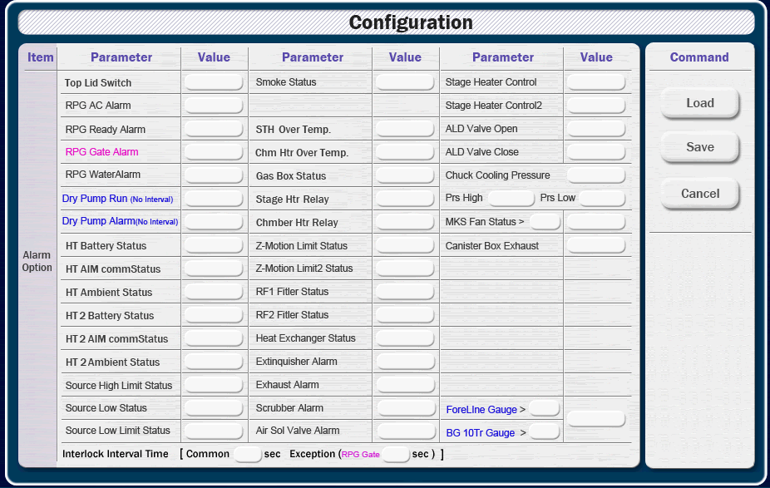

Item | Parameter | Value | Parameter | Value | Parameter | Value
RPG | AC Alarm |  | Ready Alarm |  | Gate Alarm
 | Water Alarm 1 |  | Water Alarm 2
Heater | Battery Status |  | AIM Comm Status |  | Ambient Status
 | Battery Status 2 |  | AIM Comm Status 2 |  | Ambient Status 2
Source | High Limit Status |  | Low Limit Status |  | Low Status
Temp | STH Over Temp |  | Chm Htr Over Temp
Status | Z-Motion Limit |  | Z-Motion Limit 2 |  | Gas Box
 | RF1 Filter |  | RF2 Filter |  | Heat Exchanger
 | Smoke |  | MKS Fan Value |  | MKS Fan Alarm
Stage Heater | STG Heater Contol1 |  | STG Heater Contol2
ALD Valve | Open |  | Close
Chuck Cooling | Pressure |  | Pressure High |  | Pressure Low
Relay | Stage Heater |  | Chm Heater
Alarm | Top Lid Switch |  | Extinguisher Alarm |  | Exhaust Alarm
 | Scrubber Alarm |  | Air Sol Valve Alram |  | CanisterBox Exhaust

No Interval | Dry Pump Run |  | Dry Pump Alarm
 | ForeLine Prs Value |  | BG 10Torr Prs Value |  | Gauge Alarm

Interlock Interval Time [ Common sec, Exception (RPG Gate sec) ]

