Sheet1
Heater Name | Status | Set Temp | Mode | High Limit | Low Limit | Deviat | Set Power | Pow Limit | Gain | I | D

LT Heater Setting 1
LT Heater Setting 2
RT Heater Setting 1
RT Heater Setting 2

Sheet1 (4)
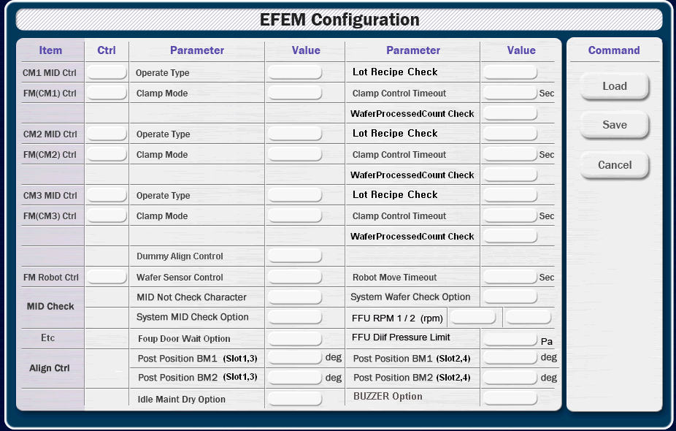

Item | Control | Parameter | Value | Parameter | Value
CM1 MID Control |  | Operate Type |  | Lot Recipe Check
FM (CM1) Control |  | Clamp Mode |  | Clamp Control Timeout | sec
 |  | Log Use |  | Wafer Processed Count
CM2 MID Control |  | Operate Type |  | Lot Recipe Check
FM (CM2) Control |  | Clamp Mode |  | Clamp Control Timeout | sec
 |  | Log Use |  | Wafer Processed Count
CM3 MID Control |  | Operate Type |  | Lot Recipe Check
FM (CM3) Control |  | Clamp Mode |  | Clamp Control Timeout | sec
 |  | Log Use |  | Wafer Processed Count
FM Robot Control |  | Wafer Sensor Control |  | Robot Move Time | sec
MID Check |  | MID Not Chk Character |  | System Wafer Chk Option
 |  | System MID Chk Option
FFU |  | FFU RPM 1 | rpm | FFU RPM 2 | rpm
 |  | FFU Diff Pressure Limit | Pa | FFU Maker
Align Control |  | Post Position BM1 (Slot 1, 3) | deg | Post Position BM1 (Slot 2, 4) | deg
 |  | Post Position BM2 (Slot 1, 3) | deg | Post Position BM2 (Slot 2, 4) | deg
 |  | Dummy Align Control
Etc |  | Foup Door Wait Option |  | Signal Tower Control
 |  | Idle Maint Dry Option |  | Buzzer Option

