Parameter 1
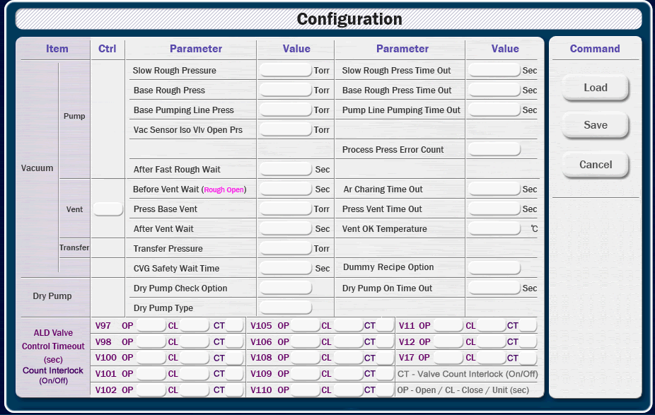
 |  |  |  |  |  |  |  |  | 0.5

Item |  | Parameter |  |  |  |  | Value |  |  | Parameter |  |  |  |  | Value
Vacuum | Pump | Slow Rough Pressure |  |  |  |  | Torr |  |  | Slow Rough Press Time Out |  |  |  |  | sec
 |  | Base Rough Press |  |  |  |  | Torr |  |  | Base Rough Press Time Out |  |  |  |  | sec
 |  | Base Pumping Line Press |  |  |  |  | Torr |  |  | Pump Line Pumping Time Out |  |  |  |  | sec
 |  | Vac Sensor Iso V/v Open Prs |  |  |  |  | Torr |  |  | Process Press Error Count
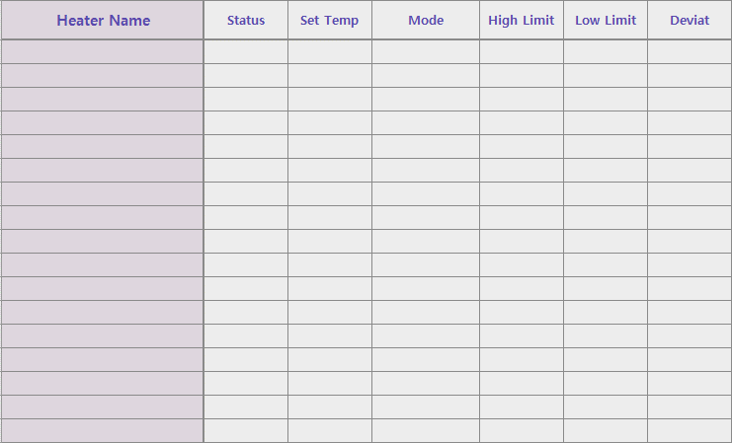
 |  | After Fast Rough Wait |  |  |  |  | sec
 | Vent | Before Vent Wait (Rough Open) |  |  |  |  | sec |  |  | Ar Charing Time Out |  |  |  |  | sec
 |  | Press Base Vent |  |  |  |  | Torr |  |  | Press Vent Time Out |  |  |  |  | sec
 |  | After Vent Wait |  |  |  |  | sec |  |  | Vent OK Temperature |  |  |  |  | ℃

 | Transfer | Transfer Pressure |  |  |  |  | Torr
 | ETC | CVG Safety Wait Time |  |  |  |  | sec |  |  | Dummy Recipe Option
 |  | RPG Gate Open Option
Dry Pump |  | Dry Pump Check Option |  |  |  |  |  |  |  | Dry Pump On Time Out |  |  |  |  | sec
 |  | Dry Pump Type
ALD Valve Control Time Out Count Interlock |  | Valve | Open | Close | Count | Valve |  | Open |  | Close | Count | Valve | Open | Close |  | Count
 |  | V97 |  |  |  | V105 |  |  |  |  |  | V11
 |  | V98 |  |  |  | V106 |  |  |  |  |  | V12
 |  | V100 |  |  |  | V108 |  |  |  |  |  | V17
 |  | V101 |  |  |  | V109 |  |  |  |  |  | Valve Count Interlock (On/Off)
 |  | V102 |  |  |  | V110 |  |  |  |  |  | Open, Close Unit - sec

Parameter 2
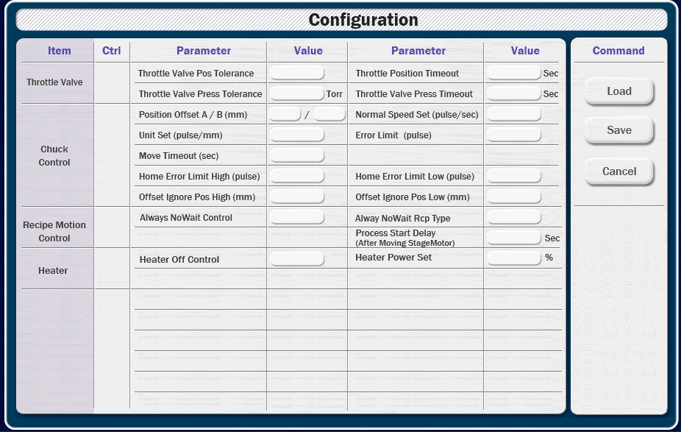
 |  |  | 0.5

Item | Parameter | Value |  | Parameter | Value
Throttle Valve | Position Tolerance |  |  | Position Time Out
 | Pressure Tolerance |  |  | Pressure Time Out

Chuck Control | Position Offset A | mm |  | Position Offset B | mm
 | Unit Set (pulse/mm) |  |  | Normal Speed Set (pulse/sec)
 | Move Time Out | sec |  | Error Limit (pulse)
 | Home Error Limit High (pulse) |  |  | Home Error Limit Low (pulse)
 | Offset Ignore Pos High | mm |  | Offset Ignore Pos Low | mm

Recipe Motion Control | Always No Wait Control |  |  | Always No Wait Recipe Type
 | Process Start Delay (After Moving Stage Motor) | mm

Heater | Heater Off Control |  |  | Heater Power Set | %

Parameter 3
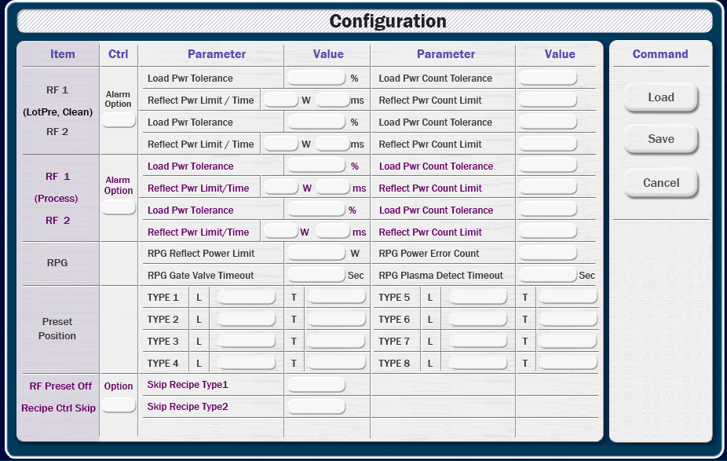
 |  |  |  |  |  |  | 0.5

Item |  | Parameter |  |  | Value |  |  | Parameter |  |  | Value
LotPre Clean | RF1 | Load Pwr Tolerance |  |  | % |  |  | Load Pwr Cnt Tolerance
 |  | Reflect Pwr Limit |  |  | W |  |  | Reflect Pwr Cnt Tolerance
 |  | Reflect Pwr Limit Time |  |  | ms
 | RF2 | Load Pwr Tolerance |  |  | % |  |  | Load Pwr Cnt Tolerance
 |  | Reflect Pwr Limit |  |  | W |  |  | Reflect Pwr Cnt Tolerance
 |  | Reflect Pwr Limit Time |  |  | ms
Process | RF1 | Load Pwr Tolerance |  |  | % |  |  | Load Pwr Cnt Tolerance
 |  | Reflect Pwr Limit |  |  | W |  |  | Reflect Pwr Cnt Tolerance
 |  | Reflect Pwr Limit Time |  |  | ms
 | RF2 | Load Pwr Tolerance |  |  | % |  |  | Load Pwr Cnt Tolerance
 |  | Reflect Pwr Limit |  |  | W |  |  | Reflect Pwr Cnt Tolerance
 |  | Reflect Pwr Limit Time |  |  | ms
RF Preset Off Recipe Skip |  | Skip Recipe Type1 |  |  |  |  |  | Skip Recipe Type2

Preset Position |  | TYPE 1 | L | T |  |  |  | TYPE 5 | L | T
 |  | TYPE 2 | L | T |  |  |  | TYPE 6 | L | T
 |  | TYPE 3 | L | T |  |  |  | TYPE 7 | L | T
 |  | TYPE 4 | L | T |  |  |  | TYPE 8 | L | T
RPG |  | Reflect Pwr Limit |  |  | W |  |  | Pwr Error Cnt
 |  | Gate Valve Timeout |  |  | sec |  |  | Plasma Delect Timeout |  |  | sec

 |  |  |  |  |  | 1

 |  |  |  |  |  |  |  |  |  |  |  | %PRMD_AL_RFChmOptLp | D_IN | 70 | 168 | TEXT_30 | 6 |  | 5 | 412 | 84 | 685 | 84
 |  |  |  |  |  |  |  |  |  |  |  |  |  |  |  |  |  |  | 6 | 412 | 108 | 685 | 108
 |  |  |  |  |  |  |  |  |  |  |  | %PRMA_TL_RF1LdPwLp | A_IN | 412 | 84 | TEXT_30 | 9 |  | 7 | 412 | 132 | 685 | 132
 |  |  |  |  |  |  |  |  |  |  |  | %PRMA_TL_RF1LdCntLp | A_IN | 685 | 84 | TEXT_30 | 9 |  | 8 | 412 | 156 | 685 | 156
 |  |  |  |  |  |  |  |  |  |  |  | %PRMA_TL_RF1RefPwLp | A_IN | 412 | 108 | TEXT_30 | 6 |  | 9 | 412 | 180 | 685 | 180
 |  |  |  |  |  |  |  |  |  |  |  | %PRMA_TL_RF1RefCntLp | A_IN | 685 | 108 | TEXT_30 | 9 |  | 10 | 412 | 204 | 685 | 204
 |  |  |  |  |  |  |  |  |  |  |  | %PRMA_TL_RF1RefTmLp | A_IN | 412 | 132 | TEXT_30 | 6 |  | 11 | 412 | 228 | 685 | 228
 |  |  |  |  |  |  |  |  |  |  |  |  |  |  |  |  |  |  | 12 | 412 | 252 | 685 | 252
 |  |  |  |  |  |  |  |  |  |  |  | %PRMA_TL_RF2LdPwLp | A_IN | 412 | 156 | TEXT_30 | 9 |  | 13 | 412 | 276 | 685 | 276
 |  |  |  |  |  |  |  |  |  |  |  | %PRMA_TL_RF2LdCntLp | A_IN | 685 | 156 | TEXT_30 | 9 |  | 14 | 412 | 300 | 685 | 300
 |  |  |  |  |  |  |  |  |  |  |  | %PRMA_TL_RF2RefPwLp | A_IN | 412 | 180 | TEXT_30 | 6 |  | 15 | 412 | 324 | 685 | 324
 |  |  |  |  |  |  |  |  |  |  |  | %PRMA_TL_RF2RefCntLp | A_IN | 685 | 180 | TEXT_30 | 9 |  | 16 | 412 | 348 | 685 | 348
 |  |  |  |  |  |  |  |  |  |  |  | %PRMA_TL_RF2RefTmLp | A_IN | 412 | 204 | TEXT_30 | 6 |  | 17 | 412 | 372 | 685 | 372
 |  |  |  |  |  |  |  |  |  |  |  |  |  |  |  |  |  |  | 18 | 412 | 396 | 685 | 396
 |  |  |  |  |  |  |  |  |  |  |  | %PRMD_AL_RFChmOpt | D_IN | 70 | 300 | TEXT_30 | 6 |  | 19 | 412 | 420 | 685 | 420
 |  |  |  |  |  |  |  |  |  |  |  |  |  |  |  |  |  |  | 20 | 412 | 444 | 685 | 444
 |  |  |  |  |  |  |  |  |  |  |  | %PRMA_TL_RF1LdPw | A_IN | 412 | 228 | TEXT_30 | 9 |  | 21 | 412 | 468 | 685 | 468
 |  |  |  |  |  |  |  |  |  |  |  | %PRMA_TL_RF1LdCnt | A_IN | 685 | 228 | TEXT_30 | 9 |  | 22 | 412 | 492 | 685 | 492
 |  |  |  |  |  |  |  |  |  |  |  | %PRMA_TL_RF1RefPw | A_IN | 412 | 252 | TEXT_30 | 6 |  | 23 | 412 | 516 | 685 | 516
 |  |  |  |  |  |  |  |  |  |  |  | %PRMA_TL_RF1RefCnt | A_IN | 685 | 252 | TEXT_30 | 9 |  | 24 | 412 | 540 | 685 | 540
 |  |  |  |  |  |  |  |  |  |  |  | %PRMA_TL_RF1RefTm | A_IN | 412 | 276 | TEXT_30 | 6

 |  |  |  |  |  |  |  |  |  |  |  | %PRMA_TL_RF2LdPw | A_IN | 412 | 300 | TEXT_30 | 9
 |  |  |  |  |  |  |  |  |  |  |  | %PRMA_TL_RF2LdCnt | A_IN | 685 | 300 | TEXT_30 | 9
 |  |  |  |  |  |  |  |  |  |  |  | %PRMA_TL_RF2RefPw | A_IN | 412 | 324 | TEXT_30 | 6
 |  |  |  |  |  |  |  |  |  |  |  | %PRMA_TL_RF2RefCnt | A_IN | 685 | 324 | TEXT_30 | 9
 |  |  |  |  |  |  |  |  |  |  |  | %PRMA_TL_RF2RefTm | A_IN | 412 | 348 | TEXT_30 | 6

 |  |  |  |  |  |  |  |  |  |  |  | %PRMD_AL_PresetOffOp | D_IN | 125 | 384 | TEXT_30 | 6
 |  |  |  |  |  |  |  |  |  |  |  | %PRMD_RC_SkipRcpType1 | D_IN | 412 | 372 | TEXT_30 | 9
 |  |  |  |  |  |  |  |  |  |  |  | %PRMD_RC_SkipRcpType2 | D_IN | 685 | 372 | TEXT_30 | 9

 |  |  |  |  |  |  |  |  |  |  |  | %PRMA_Type1L |  | A_IN | 275 | 420 | TEXT_30 | 9
 |  |  |  |  |  |  |  |  |  |  |  | %PRMA_Type1T |  | A_IN | 412 | 420 | TEXT_30 | 9
 |  |  |  |  |  |  |  |  |  |  |  | %PRMA_Type2L |  | A_IN | 275 | 444 | TEXT_30 | 9
 |  |  |  |  |  |  |  |  |  |  |  | %PRMA_Type2T |  | A_IN | 412 | 444 | TEXT_30 | 9
 |  |  |  |  |  |  |  |  |  |  |  | %PRMA_Type3L |  | A_IN | 275 | 468 | TEXT_30 | 9
 |  |  |  |  |  |  |  |  |  |  |  | %PRMA_Type3T |  | A_IN | 412 | 468 | TEXT_30 | 9
 |  |  |  |  |  |  |  |  |  |  |  | %PRMA_Type4L |  | A_IN | 275 | 492 | TEXT_30 | 9
 |  |  |  |  |  |  |  |  |  |  |  | %PRMA_Type4T |  | A_IN | 412 | 492 | TEXT_30 | 9
 |  |  |  |  |  |  |  |  |  |  |  | %PRMA_Type5L |  | A_IN | 571 | 420 | TEXT_30 | 9
 |  |  |  |  |  |  |  |  |  |  |  | %PRMA_Type5T |  | A_IN | 685 | 420 | TEXT_30 | 9
 |  |  |  |  |  |  |  |  |  |  |  | %PRMA_Type6L |  | A_IN | 571 | 444 | TEXT_30 | 9
 |  |  |  |  |  |  |  |  |  |  |  | %PRMA_Type6T |  | A_IN | 685 | 444 | TEXT_30 | 9
 |  |  |  |  |  |  |  |  |  |  |  | %PRMA_Type7L |  | A_IN | 571 | 468 | TEXT_30 | 9
 |  |  |  |  |  |  |  |  |  |  |  | %PRMA_Type7T |  | A_IN | 685 | 468 | TEXT_30 | 9
 |  |  |  |  |  |  |  |  |  |  |  | %PRMA_Type8L |  | A_IN | 571 | 492 | TEXT_30 | 9
 |  |  |  |  |  |  |  |  |  |  |  | %PRMA_Type8T |  | A_IN | 685 | 492 | TEXT_30 | 9

 |  |  |  |  |  |  |  |  |  |  |  | %PRMA_TL_RPGRefl | A_IN | 412 | 516 | TEXT_30 | 9
 |  |  |  |  |  |  |  |  |  |  |  | %PRMA_EC_RPGFwPw | A_IN | 685 | 516 | TEXT_30 | 9
 |  |  |  |  |  |  |  |  |  |  |  | %PRMA_TO_RPGGateVv | A_IN | 412 | 540 | TEXT_30 | 9
 |  |  |  |  |  |  |  |  |  |  |  | %PRMA_EC_RPGPlsmDtc | A_IN | 685 | 540 | TEXT_30 | 9

Parameter 4
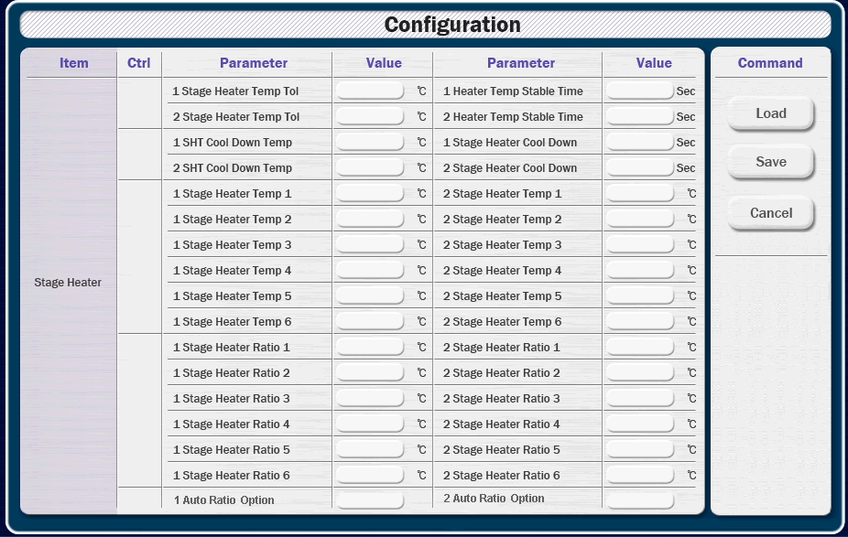
 |  |  | 0.5

Item | Parameter | Value |  | Parameter | Value
Stage 1 Heater | Temp Tolerance | ℃ |  | Temp Stable Time | sec
 | Cool Down Temp | ℃ |  | Cool Down Time | sec
 | Temp 1 | ℃ |  | Ratio 1 | ℃
 | Temp 2 | ℃ |  | Ratio 2 | ℃
 | Temp 3 | ℃ |  | Ratio 3 | ℃
 | Temp 4 | ℃ |  | Ratio 4 | ℃
 | Temp 5 | ℃ |  | Ratio 5 | ℃
 | Temp 6 | ℃ |  | Ratio 6 | ℃
 | Auto Ratio Option

Stage 2 Heater | Temp Tolerance | ℃ |  | Temp Stable Time | sec
 | Cool Down Temp | ℃ |  | Cool Down Time | sec
 | Temp 1 | ℃ |  | Ratio 1 | ℃
 | Temp 2 | ℃ |  | Ratio 2 | ℃
 | Temp 3 | ℃ |  | Ratio 3 | ℃
 | Temp 4 | ℃ |  | Ratio 4 | ℃
 | Temp 5 | ℃ |  | Ratio 5 | ℃
 | Temp 6 | ℃ |  | Ratio 6 | ℃
 | Auto Ratio Option

 |  |  |  |  |  | %PRMA_TL_SHtr1Tmp | A_IN | 412 | 84 | TEXT_30 | 9 | 412 | 84 | 685 | 84
 |  |  |  |  |  | %PRMA_TO_SHtr1Stb | A_IN | 685 | 84 | TEXT_30 | 9 | 412 | 108 | 685 | 108
 |  |  |  |  |  | %PRMA_SHT1CoDnTemp | A_IN | 412 | 108 | TEXT_30 | 9 | 412 | 132 | 685 | 132
 |  |  |  |  |  | %PRMA_TO_SHT1CoDn | A_IN | 685 | 108 | TEXT_30 | 9 | 412 | 156 | 685 | 156
 |  |  |  |  |  | %PRMA_SHtr1Temp1 | A_IN | 412 | 132 | TEXT_30 | 9 | 412 | 180 | 685 | 180
 |  |  |  |  |  | %PRMA_SHtr1Temp2 | A_IN | 412 | 156 | TEXT_30 | 9 | 412 | 204 | 685 | 204
 |  |  |  |  |  | %PRMA_SHtr1Temp3 | A_IN | 412 | 180 | TEXT_30 | 9 | 412 | 228 | 685 | 228
 |  |  |  |  |  | %PRMA_SHtr1Temp4 | A_IN | 412 | 204 | TEXT_30 | 9 | 412 | 252 | 685 | 252
 |  |  |  |  |  | %PRMA_SHtr1Temp5 | A_IN | 412 | 228 | TEXT_30 | 9 | 412 | 276 | 685 | 276
 |  |  |  |  |  | %PRMA_SHtr1Temp6 | A_IN | 412 | 252 | TEXT_30 | 9 | 412 | 300 | 685 | 300
 |  |  |  |  |  | %PRMA_SHtr1Ratio1 | A_IN | 685 | 132 | TEXT_30 | 9 | 412 | 324 | 685 | 324
 |  |  |  |  |  | %PRMA_SHtr1Ratio2 | A_IN | 685 | 156 | TEXT_30 | 9 | 412 | 348 | 685 | 348
 |  |  |  |  |  | %PRMA_SHtr1Ratio3 | A_IN | 685 | 180 | TEXT_30 | 9 | 412 | 372 | 685 | 372
 |  |  |  |  |  | %PRMA_SHtr1Ratio4 | A_IN | 685 | 204 | TEXT_30 | 9 | 412 | 396 | 685 | 396
 |  |  |  |  |  | %PRMA_SHtr1Ratio5 | A_IN | 685 | 228 | TEXT_30 | 9 | 412 | 420 | 685 | 420
 |  |  |  |  |  | %PRMA_SHtr1Ratio6 | A_IN | 685 | 252 | TEXT_30 | 9 | 412 | 444 | 685 | 444
 |  |  |  |  |  | %PRMD_SHT1AutoRat | D_IN | 412 | 276 | TEXT_30 | 9 | 412 | 468 | 685 | 468
 |  |  |  |  |  |  |  |  |  |  |  | 412 | 492 | 685 | 492
 |  |  |  |  |  | %PRMA_TL_SHtr2Tmp | A_IN | 412 | 324 | TEXT_30 | 9 | 412 | 516 | 685 | 516
 |  |  |  |  |  | %PRMA_TO_SHtr2Stb | A_IN | 685 | 348 | TEXT_30 | 9 | 412 | 540 | 685 | 540
 |  |  |  |  |  | %PRMA_SHT2CoDnTemp | A_IN | 412 | 324 | TEXT_30 | 9
 |  |  |  |  |  | %PRMA_TO_SHT2CoDn | A_IN | 685 | 348 | TEXT_30 | 9
 |  |  |  |  |  | %PRMA_SHtr2Temp1 | A_IN | 412 | 372 | TEXT_30 | 9
 |  |  |  |  |  | %PRMA_SHtr2Temp2 | A_IN | 412 | 396 | TEXT_30 | 9
 |  |  |  |  |  | %PRMA_SHtr2Temp3 | A_IN | 412 | 420 | TEXT_30 | 9
 |  |  |  |  |  | %PRMA_SHtr2Temp4 | A_IN | 412 | 444 | TEXT_30 | 9
 |  |  |  |  |  | %PRMA_SHtr2Temp5 | A_IN | 412 | 468 | TEXT_30 | 9
 |  |  |  |  |  | %PRMA_SHtr2Temp6 | A_IN | 412 | 492 | TEXT_30 | 9
 |  |  |  |  |  | %PRMA_SHtr2Ratio1 | A_IN | 685 | 372 | TEXT_30 | 9
 |  |  |  |  |  | %PRMA_SHtr2Ratio2 | A_IN | 685 | 396 | TEXT_30 | 9
 |  |  |  |  |  | %PRMA_SHtr2Ratio3 | A_IN | 685 | 420 | TEXT_30 | 9
 |  |  |  |  |  | %PRMA_SHtr2Ratio4 | A_IN | 685 | 444 | TEXT_30 | 9
 |  |  |  |  |  | %PRMA_SHtr2Ratio5 | A_IN | 685 | 468 | TEXT_30 | 9
 |  |  |  |  |  | %PRMA_SHtr2Ratio6 | A_IN | 685 | 492 | TEXT_30 | 9
 |  |  |  |  |  | %PRMD_SHT2AutoRat | D_IN | 412 | 516 | TEXT_30 | 9

Parameter 5
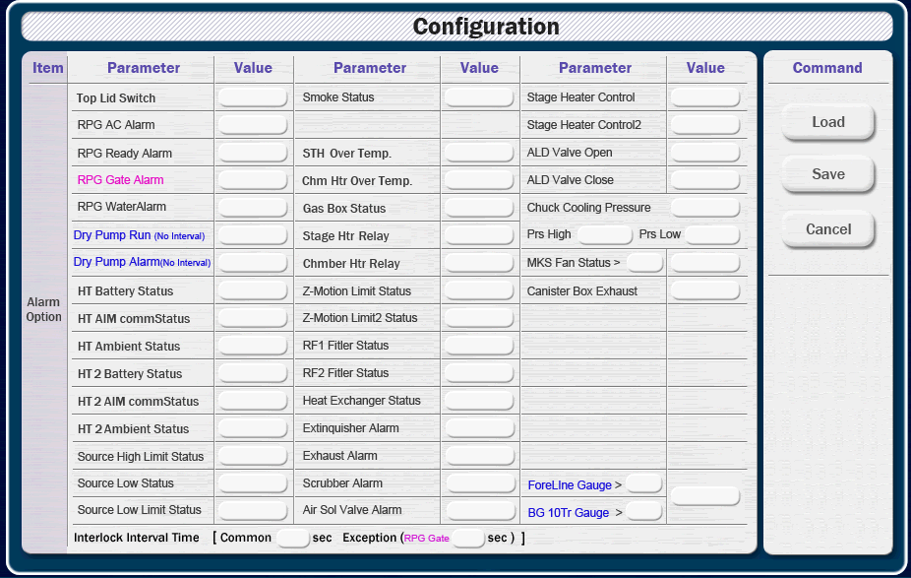

Item | Parameter | Value | Parameter | Value | Parameter | Value
RPG | AC Alarm |  | Ready Alarm |  | Gate Alarm
 | Water Alarm 1 |  | Water Alarm 2
Heater | Battery Status |  | AIM Comm Status |  | Ambient Status
 | Battery Status 2 |  | AIM Comm Status 2 |  | Ambient Status 2
Source | High Limit Status |  | Low Limit Status |  | Low Status
Temp | STH Over Temp |  | Chm Htr Over Temp
Status | Z-Motion Limit |  | Z-Motion Limit 2 |  | Gas Box
 | RF1 Filter |  | RF2 Filter |  | Heat Exchanger
 | Smoke |  | MKS Fan Value |  | MKS Fan Alarm
Stage Heater | STG Heater Contol1 |  | STG Heater Contol2
ALD Valve | Open |  | Close
Chuck Cooling | Pressure |  | Pressure High |  | Pressure Low
Relay | Stage Heater |  | Chm Heater
Alarm | Top Lid Switch |  | Extinguisher Alarm |  | Exhaust Alarm
 | Scrubber Alarm |  | Air Sol Valve Alram |  | CanisterBox Exhaust

No Interval | Dry Pump Run |  | Dry Pump Alarm
 | ForeLine Prs Value |  | BG 10Torr Prs Value |  | Gauge Alarm

Interlock Interval Time [ Common sec, Exception (RPG Gate sec) ]

Parameter 6
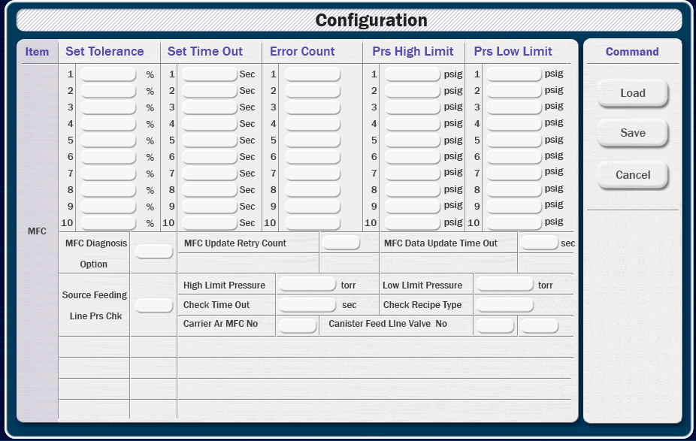
 |  |  |  |  |  | 0.5

Item | Tolerance (%) |  | Time Out (sec) | Error Count |  |  |  | High Limit (psig) | Low Limit (psig)
MFC 1
MFC 2
MFC 3
MFC 4
MFC 5
MFC 6
MFC 7
MFC 8
MFC 9
MFC 10

Item |  | Parameter |  |  | Value |  | Parameter |  |  | Value
MFC Diagnosis |  | MFC Update Retry Count |  |  |  |  | MFC Data Update Time Out |  |  | sec

Source Feeding Line Pressure Check |  | High Limit Pressure |  |  | Torr |  | Low Limit Pressure |  |  | Torr
 |  | Check Time Out |  |  | sec |  | Check Recipe Type
 |  | Carrier Ar MFC No |  |  |  |  | Canister Feed Line Valve No 1
 |  |  |  |  |  |  | Canister Feed Line Valve No 2

 |  |  |  |  |  |  |  |  |  |  | %PRMA_TL_MFC01Set | A_IN | 104 | 84 | TEXT_30 | 9 | 5 | 412 | 84 | 685 | 84
 |  |  |  |  |  |  |  |  |  |  | %PRMA_TL_MFC02Set | A_IN | 104 | 108 | TEXT_30 | 9 | 6 | 412 | 108 | 685 | 108
 |  |  |  |  |  |  |  |  |  |  | %PRMA_TL_MFC03Set | A_IN | 104 | 132 | TEXT_30 | 9 | 7 | 412 | 132 | 685 | 132
 |  |  |  |  |  |  |  |  |  |  | %PRMA_TL_MFC04Set | A_IN | 104 | 156 | TEXT_30 | 9 | 8 | 412 | 156 | 685 | 156
 |  |  |  |  |  |  |  |  |  |  | %PRMA_TL_MFC05Set | A_IN | 104 | 180 | TEXT_30 | 9 | 9 | 412 | 180 | 685 | 180
 |  |  |  |  |  |  |  |  |  |  | %PRMA_TL_MFC06Set | A_IN | 104 | 204 | TEXT_30 | 9 | 10 | 412 | 204 | 685 | 204
 |  |  |  |  |  |  |  |  |  |  | %PRMA_TL_MFC07Set | A_IN | 104 | 228 | TEXT_30 | 9 | 11 | 412 | 228 | 685 | 228
 |  |  |  |  |  |  |  |  |  |  | %PRMA_TL_MFC08Set | A_IN | 104 | 252 | TEXT_30 | 9 | 12 | 412 | 252 | 685 | 252
 |  |  |  |  |  |  |  |  |  |  | %PRMA_TL_MFC09Set | A_IN | 104 | 276 | TEXT_30 | 9 | 13 | 412 | 276 | 685 | 276
 |  |  |  |  |  |  |  |  |  |  | %PRMA_TL_MFC10Set | A_IN | 104 | 300 | TEXT_30 | 9 | 14 | 412 | 300 | 685 | 300
 |  |  |  |  |  |  |  |  |  |  | %PRMA_TO_MFC01 | A_IN | 240 | 84 | TEXT_30 | 9 | 15 | 412 | 324 | 685 | 324
 |  |  |  |  |  |  |  |  |  |  | %PRMA_TO_MFC02 | A_IN | 240 | 108 | TEXT_30 | 9 | 16 | 412 | 348 | 685 | 348
 |  |  |  |  |  |  |  |  |  |  | %PRMA_TO_MFC03 | A_IN | 240 | 132 | TEXT_30 | 9 | 17 | 412 | 372 | 685 | 372
 |  |  |  |  |  |  |  |  |  |  | %PRMA_TO_MFC04 | A_IN | 240 | 156 | TEXT_30 | 9 | 18 | 412 | 396 | 685 | 396
 |  |  |  |  |  |  |  |  |  |  | %PRMA_TO_MFC05 | A_IN | 240 | 180 | TEXT_30 | 9 | 19 | 412 | 420 | 685 | 420
 |  |  |  |  |  |  |  |  |  |  | %PRMA_TO_MFC06 | A_IN | 240 | 204 | TEXT_30 | 9 | 20 | 412 | 444 | 685 | 444
 |  |  |  |  |  |  |  |  |  |  | %PRMA_TO_MFC07 | A_IN | 240 | 228 | TEXT_30 | 9 | 21 | 412 | 468 | 685 | 468
 |  |  |  |  |  |  |  |  |  |  | %PRMA_TO_MFC08 | A_IN | 240 | 252 | TEXT_30 | 9 | 22 | 412 | 492 | 685 | 492
 |  |  |  |  |  |  |  |  |  |  | %PRMA_TO_MFC09 | A_IN | 240 | 276 | TEXT_30 | 9 | 23 | 412 | 516 | 685 | 516
 |  |  |  |  |  |  |  |  |  |  | %PRMA_TO_MFC10 | A_IN | 240 | 300 | TEXT_30 | 9 | 24 | 412 | 540 | 685 | 540
 |  |  |  |  |  |  |  |  |  |  | %PRMA_EC_MFC01 | A_IN | 376 | 84 | TEXT_30 | 9
 |  |  |  |  |  |  |  |  |  |  | %PRMA_EC_MFC02 | A_IN | 376 | 108 | TEXT_30 | 9
 |  |  |  |  |  |  |  |  |  |  | %PRMA_EC_MFC03 | A_IN | 376 | 132 | TEXT_30 | 9
 |  |  |  |  |  |  |  |  |  |  | %PRMA_EC_MFC04 | A_IN | 376 | 156 | TEXT_30 | 9
 |  |  |  |  |  |  |  |  |  |  | %PRMA_EC_MFC05 | A_IN | 376 | 180 | TEXT_30 | 9
 |  |  |  |  |  |  |  |  |  |  | %PRMA_EC_MFC06 | A_IN | 376 | 204 | TEXT_30 | 9
 |  |  |  |  |  |  |  |  |  |  | %PRMA_EC_MFC07 | A_IN | 376 | 228 | TEXT_30 | 9
 |  |  |  |  |  |  |  |  |  |  | %PRMA_EC_MFC08 | A_IN | 376 | 252 | TEXT_30 | 9
 |  |  |  |  |  |  |  |  |  |  | %PRMA_EC_MFC09 | A_IN | 376 | 276 | TEXT_30 | 9
 |  |  |  |  |  |  |  |  |  |  | %PRMA_EC_MFC10 | A_IN | 376 | 300 | TEXT_30 | 9
 |  |  |  |  |  |  |  |  |  |  | %PRMA_TL_MFC01PrsHi | A_IN | 509 | 84 | TEXT_30 | 9
 |  |  |  |  |  |  |  |  |  |  | %PRMA_TL_MFC02PrsHi | A_IN | 509 | 108 | TEXT_30 | 9
 |  |  |  |  |  |  |  |  |  |  | %PRMA_TL_MFC03PrsHi | A_IN | 509 | 132 | TEXT_30 | 9
 |  |  |  |  |  |  |  |  |  |  | %PRMA_TL_MFC04PrsHi | A_IN | 509 | 156 | TEXT_30 | 9
 |  |  |  |  |  |  |  |  |  |  | %PRMA_TL_MFC05PrsHi | A_IN | 509 | 180 | TEXT_30 | 9
 |  |  |  |  |  |  |  |  |  |  | %PRMA_TL_MFC06PrsHi | A_IN | 509 | 204 | TEXT_30 | 9
 |  |  |  |  |  |  |  |  |  |  | %PRMA_TL_MFC07PrsHi | A_IN | 509 | 228 | TEXT_30 | 9
 |  |  |  |  |  |  |  |  |  |  | %PRMA_TL_MFC08PrsHi | A_IN | 509 | 252 | TEXT_30 | 9
 |  |  |  |  |  |  |  |  |  |  | %PRMA_TL_MFC09PrsHi | A_IN | 509 | 276 | TEXT_30 | 9
 |  |  |  |  |  |  |  |  |  |  | %PRMA_TL_MFC10PrsHi | A_IN | 509 | 300 | TEXT_30 | 9
 |  |  |  |  |  |  |  |  |  |  | %PRMA_TL_MFC01PrsLw | A_IN | 645 | 84 | TEXT_30 | 9
 |  |  |  |  |  |  |  |  |  |  | %PRMA_TL_MFC02PrsLw | A_IN | 645 | 108 | TEXT_30 | 9
 |  |  |  |  |  |  |  |  |  |  | %PRMA_TL_MFC03PrsLw | A_IN | 645 | 132 | TEXT_30 | 9
 |  |  |  |  |  |  |  |  |  |  | %PRMA_TL_MFC04PrsLw | A_IN | 645 | 156 | TEXT_30 | 9
 |  |  |  |  |  |  |  |  |  |  | %PRMA_TL_MFC05PrsLw | A_IN | 645 | 180 | TEXT_30 | 9
 |  |  |  |  |  |  |  |  |  |  | %PRMA_TL_MFC06PrsLw | A_IN | 645 | 204 | TEXT_30 | 9
 |  |  |  |  |  |  |  |  |  |  | %PRMA_TL_MFC07PrsLw | A_IN | 645 | 228 | TEXT_30 | 9
 |  |  |  |  |  |  |  |  |  |  | %PRMA_TL_MFC08PrsLw | A_IN | 645 | 252 | TEXT_30 | 9
 |  |  |  |  |  |  |  |  |  |  | %PRMA_TL_MFC09PrsLw | A_IN | 645 | 276 | TEXT_30 | 9
 |  |  |  |  |  |  |  |  |  |  | %PRMA_TL_MFC10PrsLw | A_IN | 645 | 300 | TEXT_30 | 9
 |  |  |  |  |  |  |  |  |  |  | %PRMD_MFC_Diagnosis | D_IN | 125 | 384 | TEXT_30 | 5
 |  |  |  |  |  |  |  |  |  |  | %PRMA_TO_MFCScanRty | A_IN | 412 | 372 | TEXT_30 | 5
 |  |  |  |  |  |  |  |  |  |  | %PRMA_TO_MFCScan | A_IN | 685 | 372 | TEXT_30 | 5
 |  |  |  |  |  |  |  |  |  |  | %PRMD_SOUREPRS_OPTION | D_IN | 125 | 456 | TEXT_30 | 7
 |  |  |  |  |  |  |  |  |  |  | %PRMA_SRCPRESSURE_HIGH | A_IN | 412 | 420 | TEXT_30 | 9
 |  |  |  |  |  |  |  |  |  |  | %PRMA_SRCPRESSURE_LOW | A_IN | 685 | 420 | TEXT_30 | 9
 |  |  |  |  |  |  |  |  |  |  | %PRMA_SRCPRESSURE_TIMEOUT | A_IN | 412 | 444 | TEXT_30 | 9
 |  |  |  |  |  |  |  |  |  |  | %PRMD_INT_RCP | D_IN | 685 | 444 | TEXT_30 | 10
 |  |  |  |  |  |  |  |  |  |  | %PRMD_CARRIER_MFC | D_IN | 412 | 468 | TEXT_30 | 5
 |  |  |  |  |  |  |  |  |  |  | %PRMD_CANISTER_VALVE1 | D_IN | 685 | 468 | TEXT_30 | 5
 |  |  |  |  |  |  |  |  |  |  | %PRMD_CANISTER_VALVE2 | D_IN | 685 | 492 | TEXT_30 | 5

Parameter 7
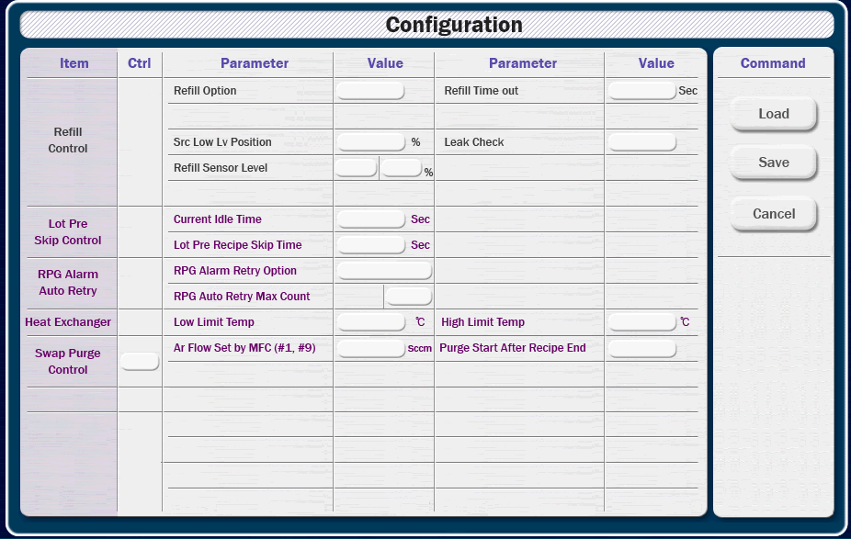
 |  |  | 0.5

Item | Parameter | Value |  | Parameter | Value
Refill Control | Refill Option |  |  | Refill Time Out | sec
 | Src Low Level Porition | % |  | Leak Check
 | Refill Sensor Level Option |  |  | Refill Sensor Level | %

Lot Pre Skip Control | Current Idle Time | sec |  | Lot Pre Recipe Skip Time | sec

RPG Alarm Auto Retry | RPG Alarm Retry Option
 | RPG Auto Retry Max Count |  |  | RPG Auto Retry Real Count

Heat Exchanger | Low Limit Temp | ℃ |  | High Limit Temp | ℃

Swap Purge Control | Ar Flow Set by MFC (#1, #9) | sccm |  | Purge Start After Recipe End

 |  |  |  |  |  | %PRMD_Refill_Opt | D_IN | 412 | 84 | TEXT_30 | 9 | 5 | 412 | 84 | 685 | 84
 |  |  |  |  |  | %PRMA_TO_Refill | A_IN | 685 | 84 | TEXT_30 | 9 | 6 | 412 | 108 | 685 | 108
 |  |  |  |  |  | %PRMA_VS_Ref_SrcLow | A_IN | 412 | 108 | TEXT_30 | 9 | 7 | 412 | 132 | 685 | 132
 |  |  |  |  |  | %PRMD_Ref_LeakCheck | D_IN | 685 | 108 | TEXT_30 | 9 | 8 | 412 | 156 | 685 | 156
 |  |  |  |  |  | %PRMD_Refill_Level | D_IN | 412 | 132 | TEXT_30 | 5 | 9 | 412 | 180 | 685 | 180
 |  |  |  |  |  | %PRMA_SP_RefillPer | A_IN | 685 | 132 | TEXT_30 | 5 | 10 | 412 | 204 | 685 | 204
 |  |  |  |  |  |  |  |  |  |  |  | 11 | 412 | 228 | 685 | 228
 |  |  |  |  |  | %PRO_CurIdleTimeAM | A_IN | 412 | 180 | TEXT_30 | 9 | 12 | 412 | 252 | 685 | 252
 |  |  |  |  |  | %PRMA_TO_LotPreSkip | A_IN | 685 | 180 | TEXT_30 | 9 | 13 | 412 | 276 | 685 | 276
 |  |  |  |  |  |  |  |  |  |  |  | 14 | 412 | 300 | 685 | 300
 |  |  |  |  |  | %PRMD_RPGPrcRetryOpt | D_IN | 412 | 228 | TEXT_30 | 13 | 15 | 412 | 324 | 685 | 324
 |  |  |  |  |  | %PRMA_RPGPrcRetryCnt | A_IN | 412 | 252 | TEXT_30 | 5 | 16 | 412 | 348 | 685 | 348
 |  |  |  |  |  | %RPGAlmPrcRetryAM | A_IN | 685 | 252 | TEXT_30 | 5 | 17 | 412 | 372 | 685 | 372
 |  |  |  |  |  |  |  |  |  |  |  | 18 | 412 | 396 | 685 | 396
 |  |  |  |  |  | %PRMA_HTE_LowLmtTmp | A_IN | 412 | 300 | TEXT_30 | 9 | 19 | 412 | 420 | 685 | 420
 |  |  |  |  |  | %PRMA_HTE_HighLmtTmp | A_IN | 685 | 300 | TEXT_30 | 9 | 20 | 412 | 444 | 685 | 444
 |  |  |  |  |  |  |  |  |  |  |  | 21 | 412 | 468 | 685 | 468
 |  |  |  |  |  | %PRMD_SwpPug_Opt | D_IN | 125 | 360 | TEXT_30 | 5 | 22 | 412 | 492 | 685 | 492
 |  |  |  |  |  | %PRMA_SwpPug_Flw | A_IN | 412 | 348 | TEXT_30 | 9 | 23 | 412 | 516 | 685 | 516
 |  |  |  |  |  | %PRMD_SwpPug_RcpEnd | D_IN | 685 | 348 | TEXT_30 | 9 | 24 | 412 | 540 | 685 | 540

Sheet1 (5)
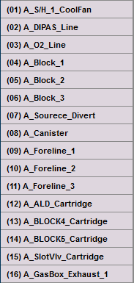
 | 값 입력 | 값 입력 | 값 입력 | 값 입력 |  | 값 입력 | 값 입력 | 값 입력 | 값 입력

Heater Name | Use | Time (min) | warn | abort | Heater Name | Use | Time (sec) | warn | abort

