AutoPM
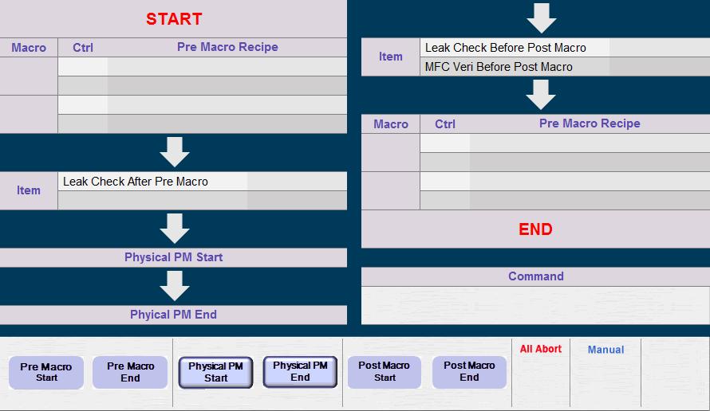
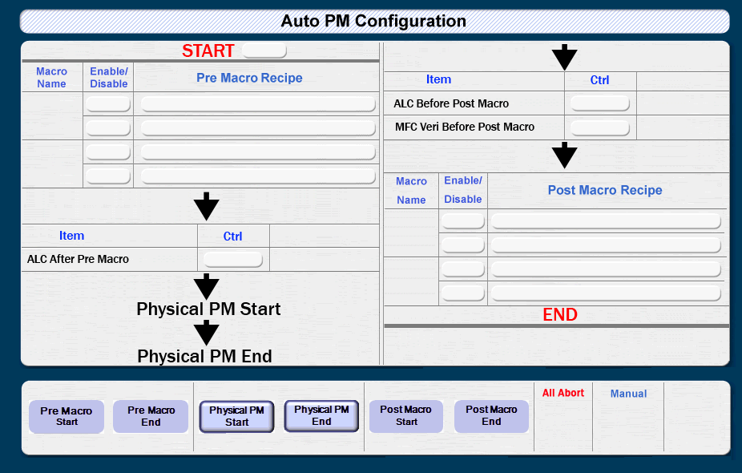
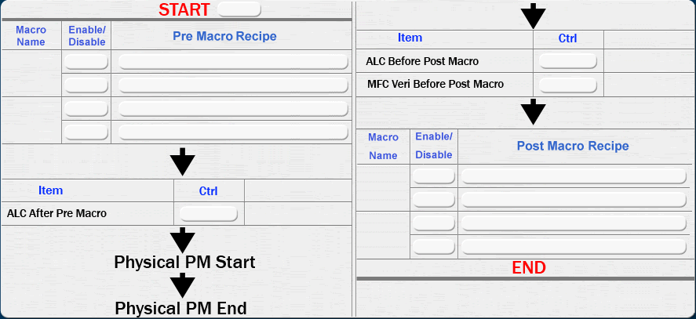
START

Macro | Ctrl | Pre Macro Recipe | Item | Leak Check Before Post Macro
 |  |  |  | MFC Veri Before Post Macro

 |  |  | Macro | Ctrl | Pre Macro Recipe

Item | Leak Check After Pre Macro

 |  |  | END

Physical PM Start
 |  |  | Command

Phyical PM End

