BM1, 2
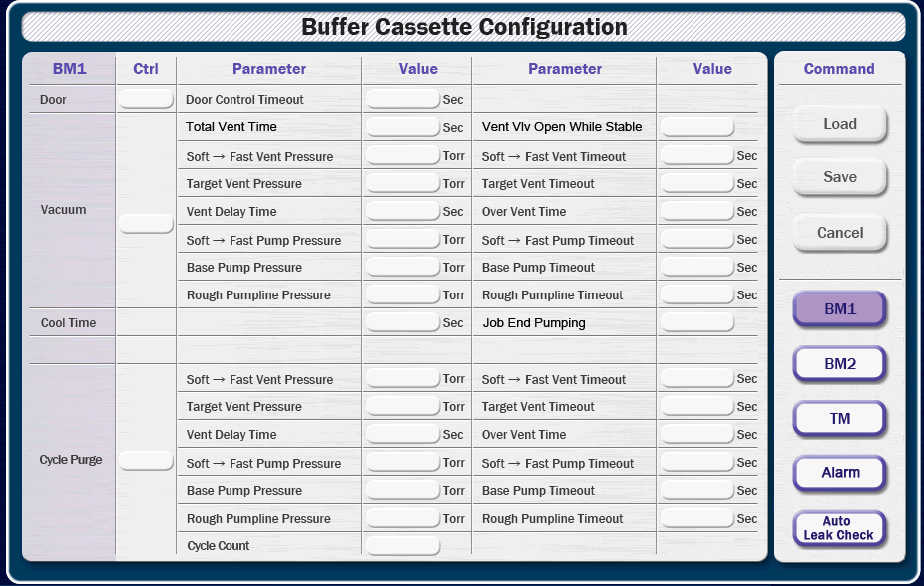
 |  |  | 0.5

Item | Parameter | Value |  | Parameter | Value | X | Y | X | Y
Door | Door Control Time Out | sec |  |  |  | 412 | 84 | 685 | 84
Vacuum | Total Vent Time | sec |  | Vent Valve Open While Stable |  | 412 | 108 | 685 | 108
 | Soft → Fast Vent Pressure | Torr |  | Soft → Fast Vent Time Out | sec | 412 | 132 | 685 | 132
 | Taget Vent Pressure | Torr |  | Target Vent Time Out | sec | 412 | 156 | 685 | 156
 | Vent Delay Time | sec |  | Over Vent Time | sec | 412 | 180 | 685 | 180
 | Soft → Fast Pump Pressure | Torr |  | Soft → Fast Pump Time Out | sec | 412 | 204 | 685 | 204
 | Base Pump Pressure | Torr |  | Base Pump Time Out | sec | 412 | 228 | 685 | 228
 | Rough Pumpline Pressure | Torr |  | Rough Pumpline Time Out | sec | 412 | 252 | 685 | 252
 | Job End Pumping |  |  |  |  | 412 | 276 | 685 | 276
 |  |  |  |  |  | 412 | 300 | 685 | 300
Cycle Purge | Soft → Fast Vent Pressure | Torr |  | Soft → Fast Vent Time Out | sec | 412 | 324 | 685 | 324
 | Taget Vent Pressure | Torr |  | Target Vent Time Out | sec | 412 | 348 | 685 | 348
 | Vent Delay Time | sec |  | Over Vent Time | sec | 412 | 372 | 685 | 372
 | Soft → Fast Pump Pressure | Torr |  | Soft → Fast Pump Time Out | sec | 412 | 396 | 685 | 396
 | Base Pump Pressure | Torr |  | Base Pump Time Out | sec | 412 | 420 | 685 | 420
 | Rough Pumpline Pressure | Torr |  | Rough Pumpline Time Out | sec | 412 | 444 | 685 | 444
 | Cycle Count |  |  |  |  | 412 | 468 | 685 | 468
 |  |  |  |  |  | 412 | 492 | 685 | 492
Cool Time | Cool Time | sec |  |  |  | 412 | 516 | 685 | 516
 |  |  |  |  |  | 412 | 540 | 685 | 540

TM1
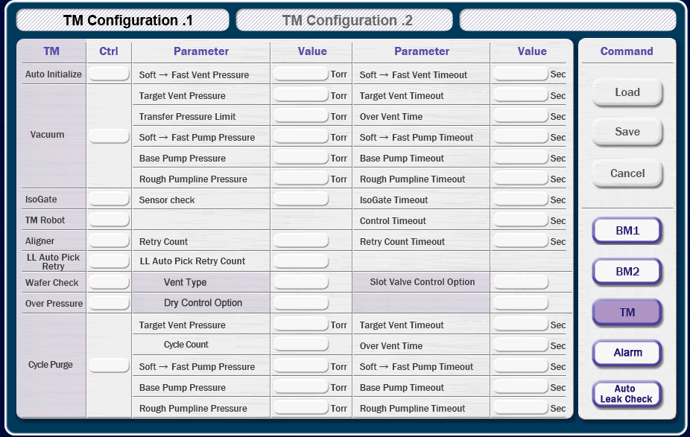
 |  |  | 0.5

Item | Parameter | Value |  | Parameter | Value | X | Y | X | Y
Auto Initialize | Soft → Fast Vent Pressure | Torr |  | Soft → Fast Vent Time Out | sec | 412 | 84 | 685 | 84
Vacuum | Taget Vent Pressure | Torr |  | Target Vent Time Out | sec | 412 | 108 | 685 | 108
 | Transfer Pressure Limit | Torr |  | Over Vent Time | sec | 412 | 132 | 685 | 132
 | Soft → Fast Pump Pressure | Torr |  | Soft → Fast Pump Time Out | sec | 412 | 156 | 685 | 156
 | Base Pump Pressure | Torr |  | Base Pump Time Out | sec | 412 | 180 | 685 | 180
 | Rough Pumpline Pressure | Torr |  | Rough Pumpline Time Out | sec | 412 | 204 | 685 | 204
 |  |  |  |  |  | 412 | 228 | 685 | 228
Cycle Purge | Taget Vent Pressure | Torr |  | Target Vent Time Out | sec | 412 | 252 | 685 | 252
 | Cycle Count |  |  | Over Vent Time | sec | 412 | 276 | 685 | 276
 | Soft → Fast Pump Pressure | Torr |  | Soft → Fast Pump Time Out | sec | 412 | 300 | 685 | 300
 | Base Pump Pressure | Torr |  | Base Pump Time Out | sec | 412 | 324 | 685 | 324
 | Rough Pumpline Pressure | Torr |  | Rough Pumpline Time Out | sec | 412 | 348 | 685 | 348
 |  |  |  |  |  | 412 | 372 | 685 | 372
Iso Gate | Sensor Check |  |  | Iso Gate Time Out | sec | 412 | 396 | 685 | 396
TM Robot | Control Time Out | sec |  |  |  | 412 | 420 | 685 | 420
Aligner | Retry Count |  |  | Retry Count Time Out | sec | 412 | 444 | 685 | 444
LL Auto Pick | LL Auto Rerty Count |  |  |  |  | 412 | 468 | 685 | 468
Wafer Check | Vent Type |  |  | Slot Valve Control Option |  | 412 | 492 | 685 | 492
Over Pressure | Dry Control Option |  |  |  |  | 412 | 516 | 685 | 516
 |  |  |  |  |  | 412 | 540 | 685 | 540

TM2
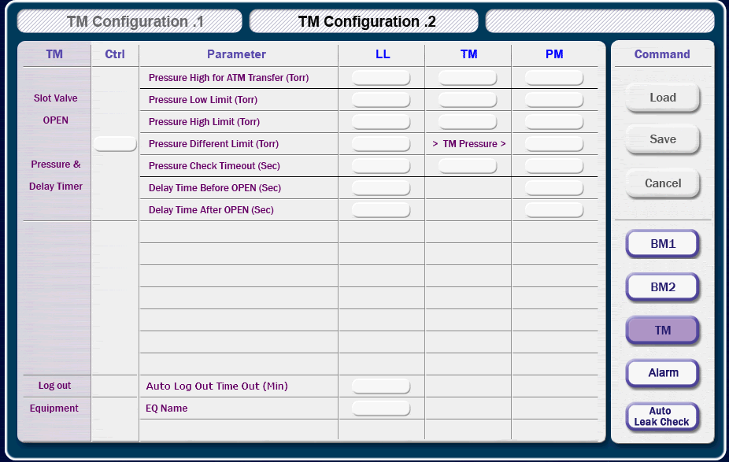
 |  |  | 0.5

Item | Parameter |  |  | LL | TM | PM |  | X | X | X | Y
Slot Valve Open Pressure & Delay Timer | Pressure High for ATM Transfer (Torr) |  |  |  |  |  |  |  |  |  | 84
 | Pressure Low Limit (Torr) |  |  |  |  |  |  |  |  |  | 108
 | Pressure High Limit (Torr) |  |  |  |  |  |  |  |  |  | 132
 | Pressure Different Limit (Torr) |  |  |  | > TM Pressure > |  |  |  |  |  | 156
 | Pressure Check Time Out (sec) |  |  |  |  |  |  |  |  |  | 180
 | Delay Time Before Open (sec) |  |  |  |  |  |  |  |  |  | 204
 | Delay Time After Open (sec) |  |  |  |  |  |  |  |  |  | 228
 |  |  |  |  |  |  |  |  |  |  | 252
 |  |  |  |  |  |  |  |  |  |  | 276
 |  |  |  |  |  |  |  |  |  |  | 300

Item | Parameter | Value |  | Parameter |  |  | Value | X | Y | X | Y
Log Out | Auto Log Out Time Out | min |  |  |  |  |  | 412 | 372 | 685 | 372
Equipment | EQ Name |  |  |  |  |  |  | 412 | 396 | 685 | 396
VTM Robot | Robot Load Factor Check |  |  |  |  |  |  | 412 | 420 | 685 | 420
 |  |  |  |  |  |  |  | 412 | 444 | 685 | 444
 |  |  |  |  |  |  |  | 412 | 468 | 685 | 468
 |  |  |  |  |  |  |  | 412 | 492 | 685 | 492
 |  |  |  |  |  |  |  | 412 | 516 | 685 | 516
 |  |  |  |  |  |  |  | 412 | 540 | 685 | 540

Alarm
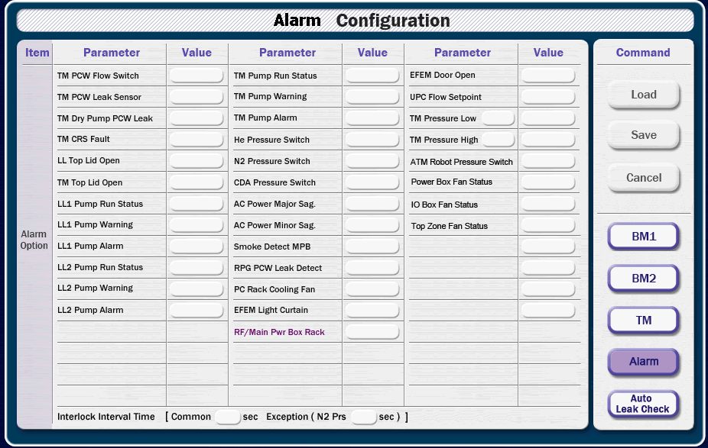

Item | Parameter | Value | Parameter | Value | Parameter | Value
TM | PCW Flow Switch |  | PCW Leak Sensor |  | Dry Pump PCW Leak
 | Pump Run Status |  | Pump Warning |  | Pump Alarm
 | Pressure Low |  | Pressure Low Alarm |  | CRS Fault
 | Pressure High |  | Pressure High Alarm
Top Lid | LL Top Lid Open |  | TM Top Lid Open
LL1 | Pump Run Status |  | Pump Warning |  | Pump Alarm
LL2 | Pump Run Status |  | Pump Warning |  | Pump Alarm
Press Switch | He Press Switch |  | N2 Press Switch |  | CDA Press Switch
 | ATM RB Press Switch
AC Power | AC Pow Major Sag |  | AC Pow Minor Sag
Fan Status | Power Box Fan |  | IO Box Fan |  | Top Zone Fan
 | PC Rack Cooling Fan
Detect | Smoke Detect MPB |  | RPG PCW Leak
EFEM | Light Curtain |  | Door Open
ETC | UPC Flow Setpoint

No Interval | RF/Main Pwr Box Rack

Interlock Interval Time [ Common sec, Exception (N2 Prs sec) ]

 |  |  |  |  |  |  | value 1 |  | value 2 |  | value 3
 |  |  |  |  |  |  | 264 | 84 | 478 | 84 | 693 | 84
 |  |  |  |  |  |  | 264 | 108 | 478 | 108 | 693 | 108
 |  |  |  |  |  |  | 264 | 132 | 478 | 132 | 693 | 132
 |  |  |  |  |  |  | 264 | 156 | 478 | 156 | 693 | 156
 |  |  |  |  |  |  | 264 | 180 | 478 | 180 | 693 | 180
 |  |  |  |  |  |  | 264 | 204 | 478 | 204 | 693 | 204
 |  |  |  |  |  |  | 264 | 228 | 478 | 228 | 693 | 228
 |  |  |  |  |  |  | 264 | 252 | 478 | 252 | 693 | 252
 |  |  |  |  |  |  | 264 | 276 | 478 | 276 | 693 | 276
 |  |  |  |  |  |  | 264 | 300 | 478 | 300 | 693 | 300
 |  |  |  |  |  |  | 264 | 324 | 478 | 324 | 693 | 324
 |  |  |  |  |  |  | 264 | 348 | 478 | 348 | 693 | 348
 |  |  |  |  |  |  | 264 | 372 | 478 | 372 | 693 | 372
 |  |  |  |  |  |  | 264 | 396 | 478 | 396 | 693 | 396
 |  |  |  |  |  |  | 264 | 420 | 478 | 420 | 693 | 420
 |  |  |  |  |  |  | 264 | 444 | 478 | 444 | 693 | 444
 |  |  |  |  |  |  | 264 | 468 | 478 | 468 | 693 | 468
 |  |  |  |  |  |  | 264 | 492 | 478 | 492 | 693 | 492
 |  |  |  |  |  |  | 264 | 516 | 478 | 516 | 693 | 516
 |  |  |  |  |  |  | 264 | 540 | 478 | 540 | 693 | 540

Auto Leak Check
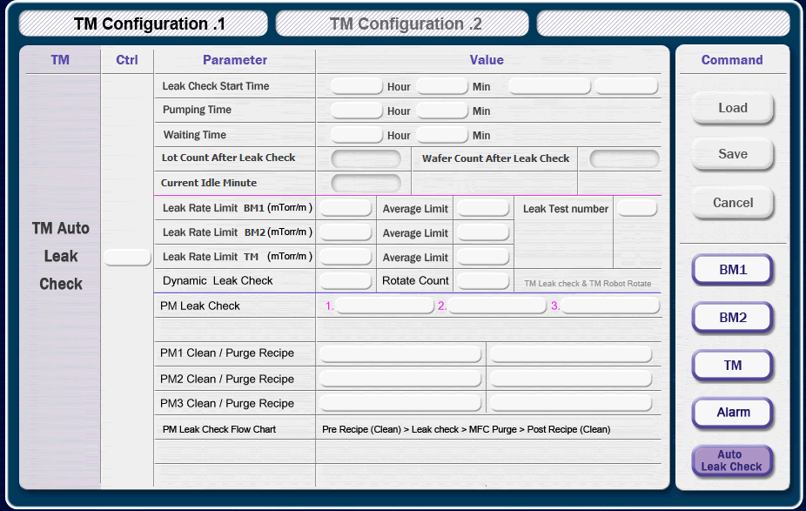
 |  |  |  |  | 0.5

Item |  | Parameter |  |  | Value |  |  |  |  | X | Y | X | Y
Auto Leak Check | TM | Leak Check Option |  |  |  |  |  |  |  |  | 84 |  | 84
 |  | Leak Check Start Time |  |  | Hour |  |  | min |  |  | 108 |  | 108
 |  | Pumping Time |  |  | Hour |  |  | min |  |  | 132 |  | 132
 |  | Waiting Time |  |  | Hour |  |  | min |  |  | 156 |  | 156
 |  |  |  |  |  |  |  |  |  |  | 180 |  | 180
 |  | Parameter |  | Value |  | Parameter |  |  | Value |  | 204 |  | 204
 |  | Lot Count After Leak Check |  |  |  | Wafer Count After Leak Check |  |  |  | 412 | 228 | 685 | 228
 |  | Current Idle Minute |  |  |  |  |  |  |  | 412 | 252 | 685 | 252
 |  | Leak Rate Limit BM1 (mTorr/m) |  |  |  | Average Limit BM1 (mTorr/m) |  |  |  | 412 | 276 | 685 | 276
 |  | Leak Rate Limit BM2 (mTorr/m) |  |  |  | Average Limit BM2 (mTorr/m) |  |  |  | 412 | 300 | 685 | 300
 |  | Leak Rate Limit TM (mTorr/m) |  |  |  | Average Limit TM (mTorr/m) |  |  |  | 412 | 324 | 685 | 324
 |  | Leak Test Number |  |  |  |  |  |  |  | 412 | 348 | 685 | 348
 |  | Dynamic Leak Check |  |  |  | Rotate Count |  |  |  | 412 | 372 | 685 | 372
 |  |  |  |  |  |  |  |  |  | 412 | 396 | 685 | 396
 | PM | Parameter | Value |  |  |  |  |  |  |  | 420 |  | 420
 |  | PM Leak Check | 1. |  |  |  | 2. |  |  |  | 444 |  | 444
 |  | Clean / Purg Recipe |  |  |  |  |  |  |  |  | 468 |  | 468
 |  | Clean / Purg Recipe |  |  |  |  |  |  |  |  | 492 |  | 492
 |  | Clean / Purg Recipe |  |  |  |  |  |  |  |  | 516 |  | 516
PM Leak Check Flow : Pre Recipe (Clean) → Leak Check → MFC Purge → Post Recipe (Clean) |  |  |  |  |  |  |  |  |  |  | 540 |  | 540

Auto Leak Check 2
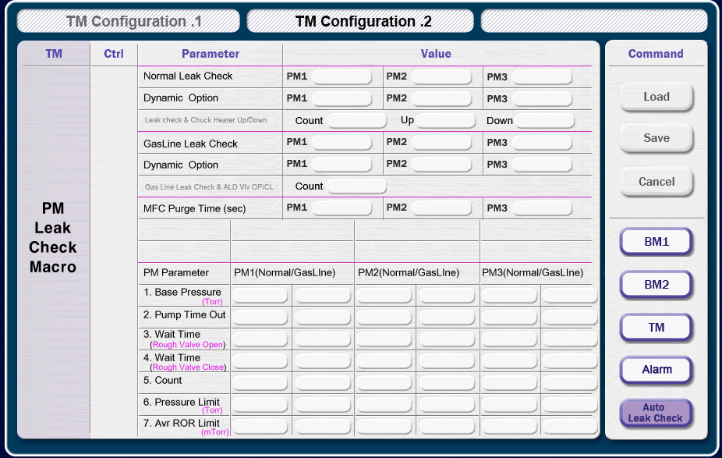
 |  |  |  |  |  | 0.5

Item |  | Parameter |  | PM1 |  |  | PM2 |  | PM3 | X | Y | X | Y
PM Leak Check Macro | Normal | Normal Leak Check |  |  |  |  |  |  |  |  | 84 |  | 84
 |  | Dynamic Option |  |  |  |  |  |  |  |  | 108 |  | 108
 |  | Leak Check & Chuck Heater : Count [ ] Up [ ] Down [ ] |  |  |  |  |  |  |  |  | 132 |  | 132
 |  |  |  |  |  |  |  |  |  |  | 156 |  | 156
 | Gas Line | Gas Line Leak Check |  |  |  |  |  |  |  |  | 180 |  | 180
 |  | Dynamic Option |  |  |  |  |  |  |  |  | 204 |  | 204
 |  | Gas Line Leak Check & ALD Valve Open / Close Count [ ] |  |  |  |  |  |  |  |  | 228 |  | 228
 |  |  |  |  |  |  |  |  |  |  | 252 |  | 252
 | Purge | MFC Purge Time |  | sec |  |  | sec |  | sec |  | 276 |  | 276
 |  |  |  |  |  |  |  |  |  |  | 300 |  | 300
 | Parameter |  | PM1 |  | PM2 |  |  | PM3 |  |  | 324 |  | 324
 |  |  | Normal / Gas Line |  | Normal / Gas Line |  |  | Normal / Gas Line |  |  | 348 |  | 348
 | 1. Base Presure (Torr) |  |  |  |  |  |  |  |  |  | 372 |  | 372
 | 2. Pump Time Out |  |  |  |  |  |  |  |  |  | 396 |  | 396
 | 3. Wait Time (Rough Valve Open) |  |  |  |  |  |  |  |  |  | 420 |  | 420
 | 4. Wait Time (Rough Valve Close) |  |  |  |  |  |  |  |  |  | 444 |  | 444
 | 5. Count |  |  |  |  |  |  |  |  |  | 468 |  | 468
 | 6. Pressure Limit (Torr) |  |  |  |  |  |  |  |  |  | 492 |  | 492
 | 7. Average ROR Limit (mToor) |  |  |  |  |  |  |  |  |  | 516 |  | 516
 |  |  |  |  |  |  |  |  |  |  | 540 |  | 540

