Sheet1
Heater Name | Status | Set Temp | Mode | High Limit | Low Limit | Deviat | Set Power | Pow Limit | Gain | I | D

LT Heater Setting 1
LT Heater Setting 2
RT Heater Setting 1
RT Heater Setting 2

Sheet1 (5)
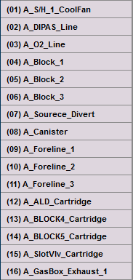
 | 값 입력 | 값 입력 | 값 입력 | 값 입력 |  | 값 입력 | 값 입력 | 값 입력 | 값 입력

Heater Name | Use | Time (min) | warn | abort | Heater Name | Use | Time (sec) | warn | abort

