1. Title Page
Instacart Grocery Basket Analysis

Project Name: Instacart Grocery Basket Analysis
Date: 05/2023
Analyst Name: Katie Kulp
Data Citation:
“The Instacart Online Grocery Shopping Dataset 2017”, Accessed from www.instacart.com/datasets/grocery-shopping-2017 via Kaggle on [date].

Contents:
Population Flow
Consistency checks
Wrangling steps
Column derivations
Visualizations
Recommendations

2. Population Flow
Title page

Population flow

Exclusion flag
Condition: max_order < 5
Obervations to be removed: 1440295
Final total count of order_products_all: 30964564

Orders_products_combined
Orders_products_merged
Orders_products_all

Total: 32434489
Total: 32434489
Total: 32404859

1.) The grey boxes in the first row of the population flow represent the original data sets as they were when you downloaded them. In the Total fields you need to add the count of the rows when you imported the data set into Jupyter.
2.) The second row of boxes (coloured) represents the data sets after you manipulated them, e.g., removed missing values and duplicates. In the Total fields you need to add the count of the rows after conducting these operations. This offers a visual oveview of how the data flows throughout the data consistency checks.
3.) The third row, where also the arrows are coloured, represents the merges you performed between the datasets. In the Total fields you need to add the count of the rows in the merged datasets, so that you end up with the final dataset (in the red box). Keep in mind the final dataset should be without exclusions (based on the exclusion flag).

3. Consistency checks
 |  |  |  | Title page
Consistency checks

Dataset | Missing values | Missing values treatment | Duplicates
orders | in days since prior order column | left, could be first time customers | none
products | in product name | new df made excluding Nan | 5 dropped
orders_products_prior | none | n/a | none
customers | none | n/a | none

4. Wrangling steps
 |  |  |  |  | Title page
Wrangling steps

Columns dropped | Columns renamed | Columns' type changed | Comment/Reason
eval_set |  |  | not needed
 | order_dow = orders_day_of_week |  | clarity | orders data
 |  | order_id to string | not quantifiable
 |  | user_id to string | not quantifiable
 | order_number= user_order_number |  | clarity
 | Surnam = Last Name |  | clarity
 | n_dependants = Number _of_Dependants |  | clarity
 |  | user_id to string | not quantifiable | customer data
 |  | First name to string | mixed data type

5. Column derivations
 |  |  |  | Title page

Column derivations and aggregations

In this tab you should add tables below that the frequences of flags/label variables that you produced after deriving them. NB: don't do this for continuous variables, only for flags.
Dataset | New column | Column/s it was derived from | Conditions
ords_prods_merge | price_range | prices | 'Low-range product' <5, midrange <= 15, highrange >15
 | busiest_day | orders_day_of_week | Busiest Day' (2 highest ), Slowest days (2 lowest), Regularly Busy (other)
 | busiest_period_of_day | 'order_hour_of_day' | most orders, average orders, least orders (all hours / into these categories equally
 | loyalty_flag | max_order | >40 =Loyal Customer, <= 40 &>10 =Regular Customer, <=10 = New Customer
 | spending_flag | 'average_order | <10 =Low Spender, >= 10 = 'High Spender
 | freq_flag | order_freq | >20 = Non-frequent Customer, > 10 & <= 20 =Regular Customer, <= 10 = Frequent Customer
 | region | state | South, West, Midwest, and Northeast states based on the state groupings in the follwing reference: https://simple.wikipedia.org/wiki/List_of_regions_of_the_United_States
 | Age Group | Age | Young Adult (18-33) , Adult (34-49) , Middle Aged (50-64) , Senior (65+)
 | Income Group | income | lower income (under 60,000), middle income (60,000 - 100,000), high income (over 100,000)
 | Family Group | fam_status | Family (married and 1-2 dependants) , Big Family (married + 3 dependants) , Single Adult (no dependants)
 | Product Group | department_id | food: 'frozen', 'bakery', 'produce', 'beverages', 'dry goods pasta', 'meat seafood', 'pantry', 'breakfast', 'canned goods', 'dairy eggs', 'snacks', 'deli' specialized: 'bulk', 'alcohol', 'pets', 'babies', 'international', 'beverages' everyday_items: 'personal care', 'household' other: 'other', 'missing'
 | Hour Group | order_hour_of_day | morning orders (5am - 11am) , day orders (12pm-5pm) , night orders (6pm-10pm) , midnight orders (11pm-4am)

6. Visualizations
 |  |  |  |  |  |  |  |  | Title page

Visualisations

Question |  | Visualization
Key Question 1 | The sales team needs to know what the busiest days of the week and hours of the day are (i.e., the days and times with the most orders) in order to schedule ads at times when there are fewer orders. | 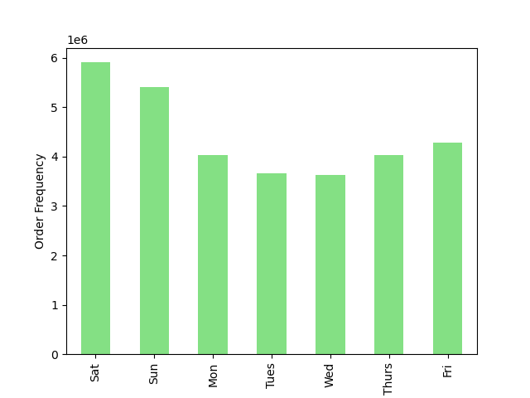 |  |  |  | 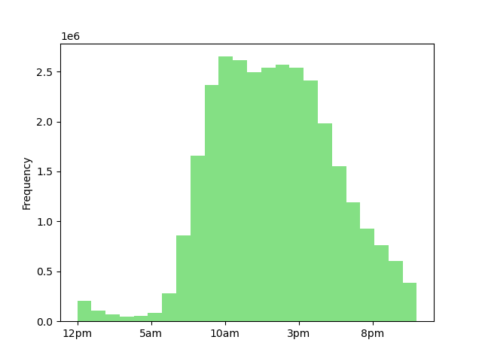 |  |  |  |  |  | 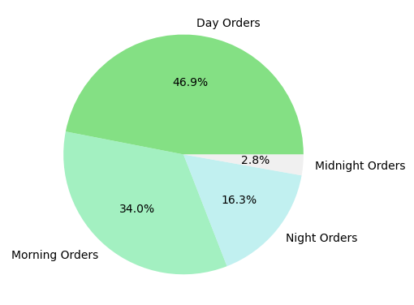 |  |  | Comments: The weekends are the busiest days, with Saturday, Sunday and Friday at the highest, and Tuesday and Wednesday having the lowest orders The busiest hours are between 9am and 5pm. Based on the order groups day and morning order are the most frequent. Order Groups morning = 5am -11am day = 12pm - 5pm night= 6pm - 10pm midnight = 11pm - 4am
Key Question 2 | They also want to know whether there are particular times of the day when people spend the most money, as this might inform the type of products they advertise at these times. |  | 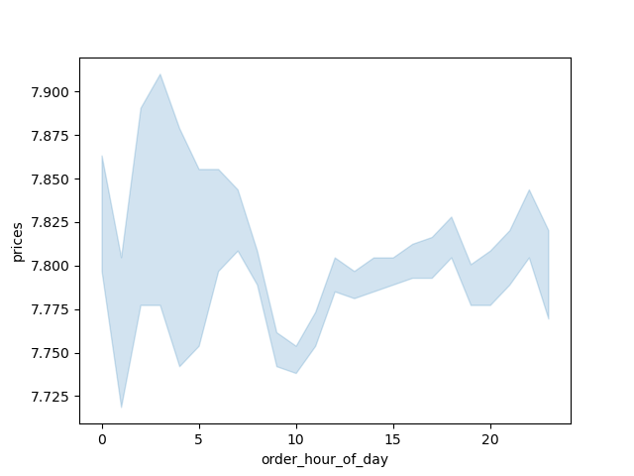 |  |  |  |  |  | Comments: The average prices do not chane very much throughout the day, staying within 7$. It seems to dip a bit at 10am but again does not change more than a few tens of cents. Note- I am not sure why the line did not appear, I tried several times and googled it but could not find a solution.
Key Question 3 | Instacart has a lot of products with different price tags. Marketing and sales want touse simpler price range groupings to help direct their efforts. | 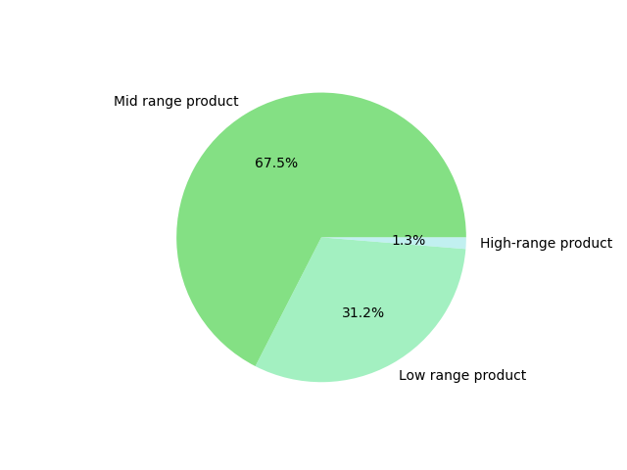 |  |  |  |  |  |  |  | Comments: A flag was set up to categorize products in to low, mid, and high range based on prices. Low-range product are less than 5$ Midrange between 5$ and 15$ Highrange is above 15$ There is a majority of mid and low range products being purchased by customers.
Key Question 4 | Are there certain types of products that are more popular than others? The marketing and sales teams want to know which departments have the highest frequency of product orders. |  | 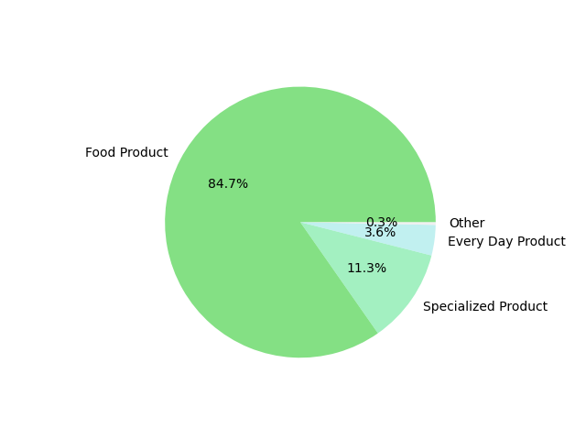 |  |  |  |  | 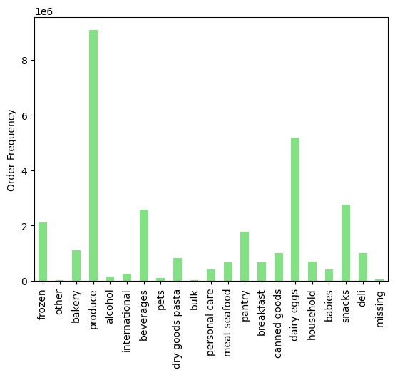 |  |  |  |  |  | Comments: Using the following groupings we can see that FOOD products are by far the most purchased items food = 'frozen', 'bakery', 'produce', 'beverages', 'dry goods pasta', 'meat seafood', 'pantry', 'breakfast', 'canned goods', 'dairy eggs', 'snacks', 'deli' specialized = 'bulk', 'alcohol', 'pets', 'babies', 'international', 'beverages' everyday_items = 'personal care', 'household' other = 'other', 'missing' Furthermore, by department ID we can see that produce, dairy eggs, and snacks are by far the most ordered, with bulk and alcohol coming last.
Key Question 5 | What’s the distribution among users in regards to their brand loyalty (i.e., how often do they return to Instacart)? |  |  | 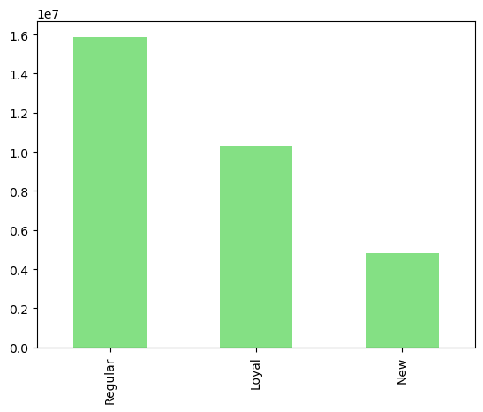 |  |  |  |  |  | Comments: Based on the categories defined by maxiumum orders over 40 =Loyal Customer Between 10-40 = Regular Customer Less than 10 = New Customer We can see that regular customers make up the majority of the orders, follwed by loyal customers
Key Question 6 | Are there differences in ordering habits based on a customer’s loyalty status? |  | 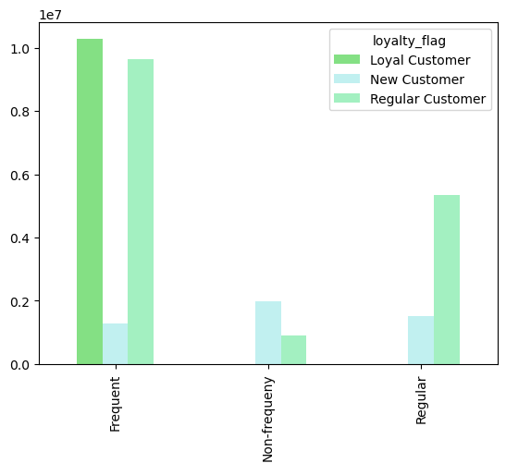 |  |  |  |  | 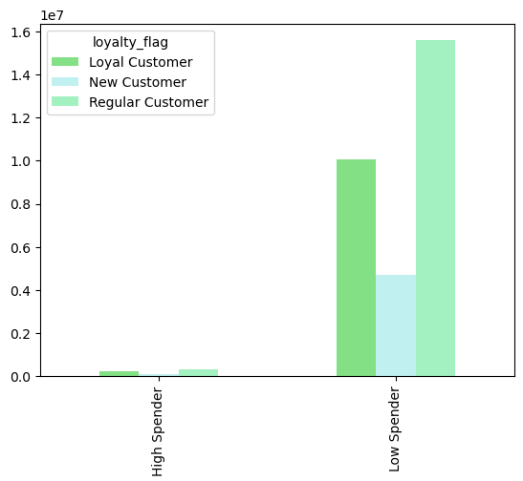 |  |  |  |  | Comments: Parameters for frequency and spender can be found in column derivations tab. All customers overall tend to be considered low spenders as their average order price does not exceed 10$. Loyal and Regular customers have less time between orders in occordance with the freqency tab which means they are ordering a lot and often.
Key Question 7 | Are there differences in ordering habits based on a customer’s region? | 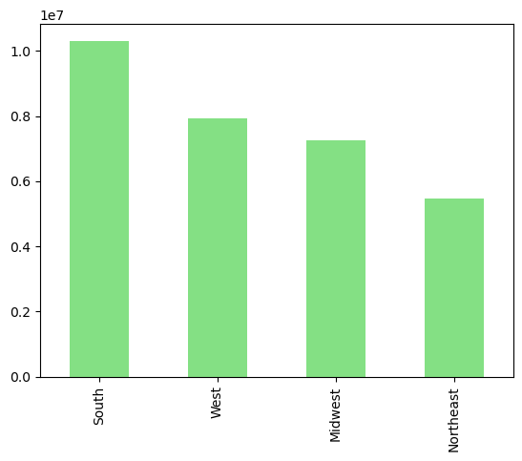 |  |  | 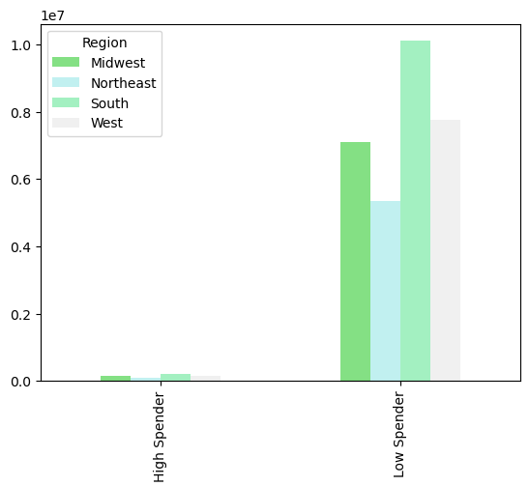 |  |  |  |  |  | 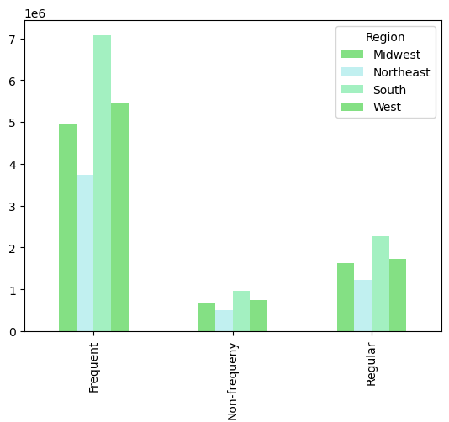 |  |  |  | The south has the highest number of orders. Other than that, the regions tend to follow pretty similar trends in terms of ordering habits
Key Question 8 | Is there a connection between age and family status in terms of ordering habits? | 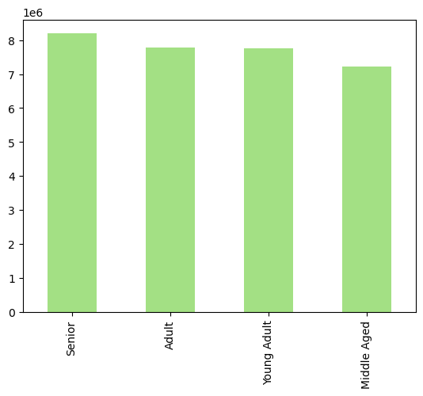 |  |  |  |  | 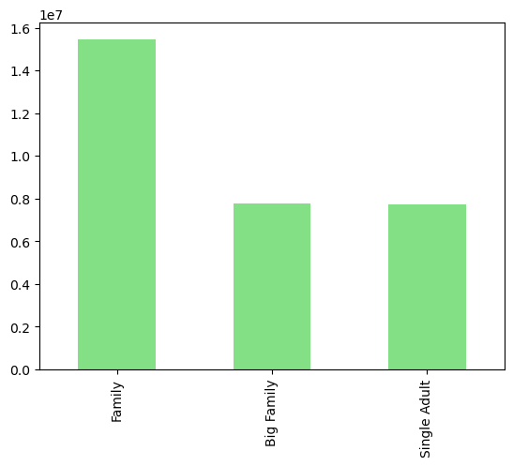 |  |  |  |  |  |  | Comments: The most orders come from seniors, followed by adults, but all age groups are pretty even. Families (married and 1-2 dependants) are the largest group. Big Family (married + 3 dependants) and single adult are a pretty even second.
Key Question 9 | What different classifications does the demographic information suggest? Age? Income? Certain types of goods? Family status? | 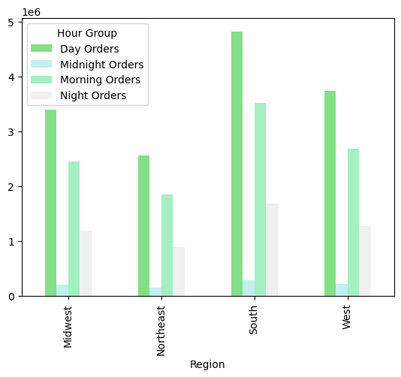 |  |  |  |  |  | 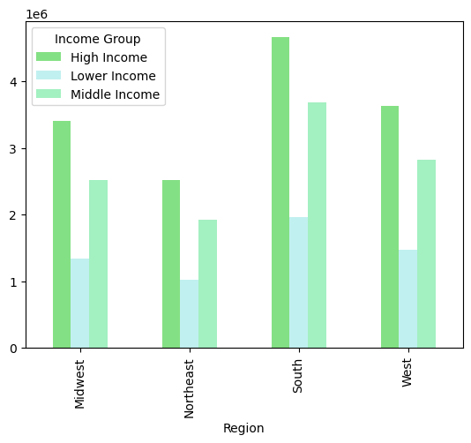 |  |  |  |  | 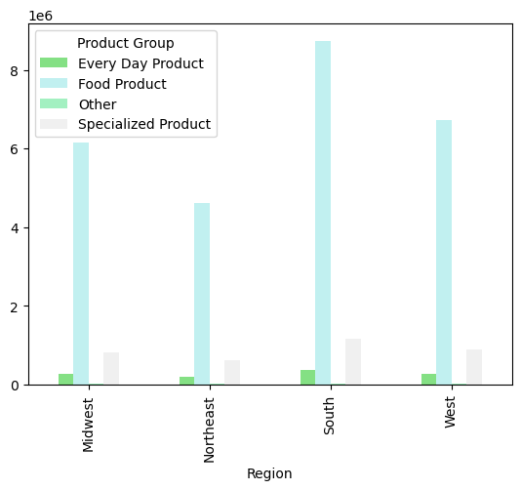
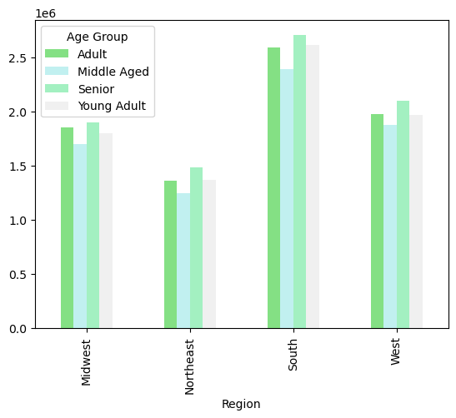
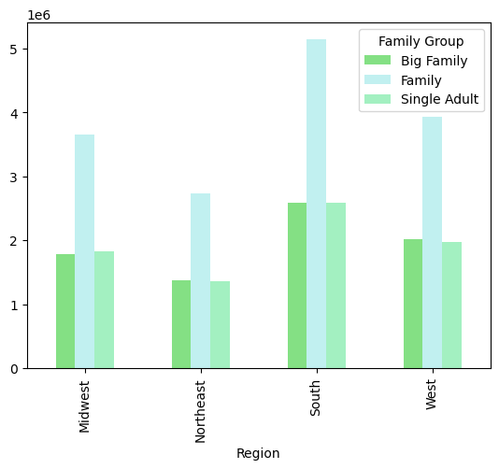
 |  |  |  |  |  |  |  |  |  |  |  |  | Comments: Overall the regions all follow pretty similar trends. We see that the majority of orders are on food, from high and middle income families, during the day. These therefore are the time and demographics that are consistent throughout the country and should be the target of the marketing campaigns.

7. Recommendations
 |  |  | Title page

Recommendations *

* Visualizations supplementing these answers are found on the previous tab

Question |  | Answer
Key Question 1 | The sales team needs to know what the busiest days of the week and hours of the day are (i.e., the days and times with the most orders) in order to schedule ads at times when there are fewer orders. | The time where the app has the most orders are weekends (Sat, Sun, Fri) between 9am and 5pm. If the team is looking to schedule ads at times when there are fewer orders, they should focus on Tuesday and Wednesday between 7pm to 7am.
Key Question 2 | They also want to know whether there are particular times of the day when people spend the most money, as this might inform the type of products they advertise at these times. | The prices stay pretty consistent throughout the day, this may not be the best indicator of when to advertise. Most orders happen during the morning and day and should be the target of directed ads.
Key Question 3 | Instacart has a lot of products with different price tags. Marketing and sales want touse simpler price range groupings to help direct their efforts. | There are far more purchases of mid and low range products. These products should be the target of any price based marketing.
Key Question 4 | Are there certain types of products that are more popular than others? The marketing and sales teams want to know which departments have the highest frequency of product orders. | Food products are by far the most ordered, with specifically eggs and produce being order the most. This may be because they are perishable and need to be ordered often weekly, while some other products may last longer and need to be ordered more sporadically. It would be benenficial to focus marketing on weekly grocery orders that include these perishable and frequently used products as opposed to orders of bulk, dry goods, or household orders.
Key Question5 | What’s the distribution among users in regards to their brand loyalty (i.e., how often do they return to Instacart)? | Regular customers make up the bulk of the orders, followed by loyal customers. There should be discounts or rewards for being a loyal customers as increasing the number of loyal customers would be beneficial. Regular customers could be given discounts of fees or pay a subcription fee in order to get regularly lower costs.
Key Question 6 | Are there differences in ordering habits based on a customer’s loyalty status? | Loyal customers are those that are more frequent, but their order costs are not higher than regular customers. The focus should be on increasing the regular customers frequency number of order, with the average order cost not being a factor that much is invested into changing.
Key Question 7 | Are there differences in ordering habits based on a customer’s region? | The south region has the highest number of orders overall. Other than that, all the regions follow pretty similar trends. When planning ads and timing, the south could be the target of more ads, but the regions do notneed to be considered indivually for any of these order trends.
Key Question 8 | Is there a connection between age and family status in terms of ordering habits? | The most orders come from seniors and adults with children. All age demographics have pretty similar orders, however families (married with 1-2 dependants) make up the most orders. Marketing should target older adults who may need assitance with shopping and busy families with two parents and children.
Key Question 9 | What differences can you find in ordering habits of different customer profiles? Consider the price of orders, the frequency of orders, the products customers are ordering, and anything else you can think of. | Across the regions all orders followed pretty similar trends. Marketing should be focused on the higher income, two parents households with children that may benefit from the convinience of the InstaCart service. These orders are most typcially made during the weekend or on Friday and most commonly in the morning or daytime. This may imply that the families have two working adults and also are looking out for the kids. The ads could target families with dual incomes and children that are too busy to spend time grocery shopping. They can rely on the ease of sending in an InstaCart order at their leisure during the morning or daytime of their weekends.

