FRS
1.2.0 Prototype
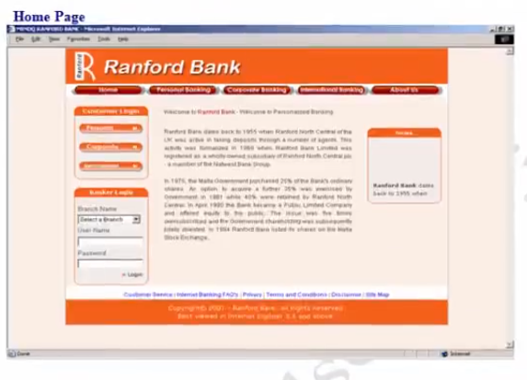
 |  | 1.0 Home Page | 1.1.0 Overview
 |  |  | Home Page allows different users such as admin, bank employee, vaarious customers ( Individual customers, Corporate customers, International customers) to login and accesss the application for further usage and also it provides information about various services offered by bank.

1.3.0 Page Elements

Home Page
Element Name | Element type | User Action | System Response
Home | Button | Click | As per task flow diagram
Personal Banking | Button | Click | As per task flow diagram
Corporate Banking | Button | Click | As per task flow diagram
International Banking | Button | Click | As per task flow diagram
About Us | Button | Click | As per task flow diagram

Banker Login
Element Name | Element type | User Action | System Response
Branch | Combo | Select | System should accept
Name | Box
Username | Textbox | Enter | System should accept
Password | Textbox | Enter | System should accept
Login | Link | Click | As per task flow diagram

1.4.0 Input Validation and Error States

Element Name | Valid Data | Error State
Username | Mandatory | Blank/Invalid -” Enter a valid Username
Password | Mandatory | Blank/Invalid -” Enter a valid Password
If user login Fails then system should display a pop that Incorrect Username/ Password

1.5.0 Task Flow Diagram
1.5.1 Visitor Flow

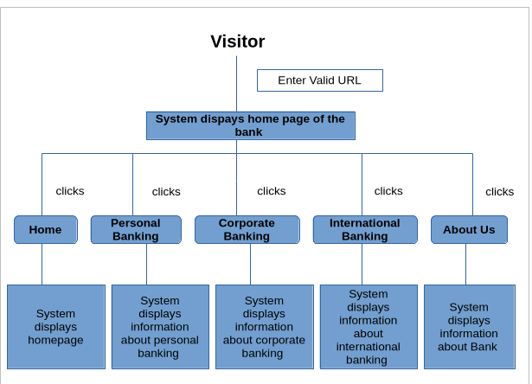

1.5.2
Banker Flow for Banking Module

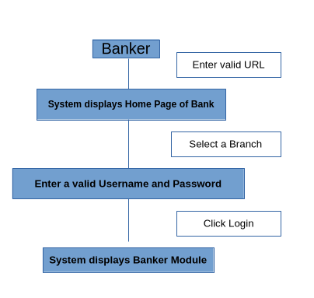

1.6.0 USE CASES
1.6.1 Visitor process flow in Home page

Actor Action | System Response

1 Enters valid URL | 2 system displays home page with login facility
3 clicks home | 4 system displays home page with login facility
5 clicks personal banking | 6 system displays information and services offered for personal banking
7 clicks corporate banking | 8 system displays information and services offered for corporate banking
9 clicks international banking | 10 system displays information and services offered for international banking
11 clicks about us | 12 displays information about bank
13 clicks terms and conditions | 14 system displays information about online banking terms and conditions
15 clicks disclaimar | 16 system displays information about online banking terms and conditions

1.6.2 Banker process flow in Home page

Actor Action | System Response
1 enters valid URL | 2 system displays home page with login facility
3 selects respective branch | 4 system displays the selected branch
5 enters valid user name | 6 system will accept
7 enters valid password | 8 system will accept
9 clicks login | 10 system displays bankers module

