FRS doc
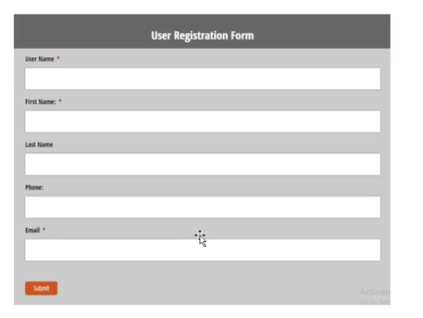
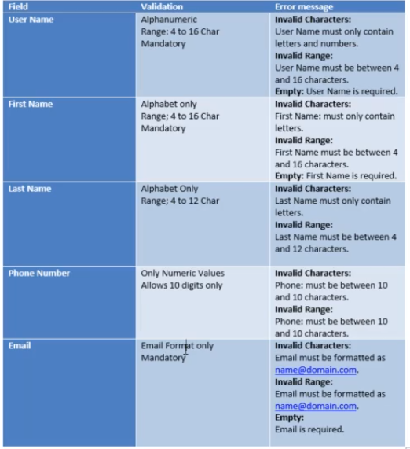
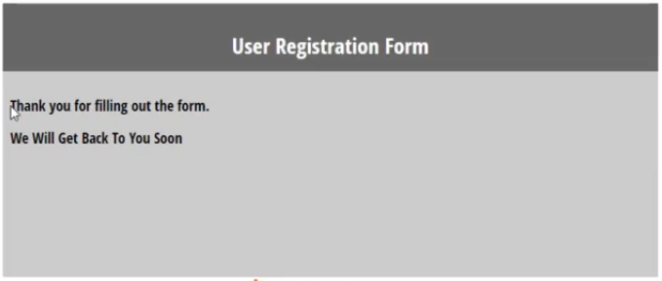
USER DETAILS REGISTRATION FORM

Objective: To validate user registration form fields and error handling

Assumptions :
- All fields are mandatory unless specified
- System supports standard email format

