4_Executive_Dashboard
Ecommerce Sales Final Project Dashboard

Top Performing Cities
City_y | 0
Thompsonborough | 158971.4624
Hoodberg | 125011.8285
Bensonhaven | 122176.5471
Port Sharon | 118814.1157
Sabrinatown | 116829.2206
Port Josephberg | 114533.7966
Johnsonville | 114401.4715
New Jimmymouth | 111704.9436
East Johnstad | 110102.399
 | Total Revenue | Avg Order Value
 | $2,170,969.76 | $1,085.48
Sales Distribution by Region
Region | 0
East | 624785.6469
North | 641440.4176
South | 634042.3033
Revenue by Product Category
 | Revenue
Category | 0
Beauty | 301059.88144
Clothing | 353231.4891
Electronics | 505851.90126
Home | 422756.1429

Sales by Age Group
Age_Group | 0
Gen Z | 357236.6868
Millennials | 636912.1448
Gen X | 978718.3296

Avg Order Value by Loyalty Level
Loyalty_Level | 0
Bronze | 1070.9957054
Gold | 1102.0587877
Platinum | 1079.9476781
Top 10 Products by Revenue
 | Revenue
Portable Power Bank | 41852.5034
Shin Guards – Adult | 38281.0153
Men's Casual Sneakers | 35489.6198
Gaming Mechanical Keyboard | 34699.8327
Women's High Heels | 33993.6594
Wireless Mouse | 33566.7999
Basketball | 31070.4557
Men's Hair Styling Gel | 30236.6982
Women's Formal Blazer | 28572.6924
Soccer Training Cone Set | 28324.049

Revenue by Store Type
Store_Type | 0
Flagship | 848576.6661
Online | 914253.5237
Total Sales by Region
 | Total Sales
Central | 418618.2786
East | 458552.0644
North | 452528.9064
South | 431546.309
West | 412689.4461

Top 10 Products by Revenue
 | Revenue
0 | 0
0 | 0
0 | 0
0 | 0
0 | 0
0 | 0
0 | 0
0 | 0
0 | 0
0 | 0

Average Discount by Payment Type
 | Avg Discount
 | 0
 | 0
 | 0

Revenue Share by Payment Type
 | Revenue Share
COD | 701810.3981
Credit Card | 715906.1661
PayPal | 756218.4403

Monthly Revenue Trend
 | Monthly Revenue
January | 173084.8474
February | 155073.9391
March | 210891.9908
April | 192984.8373
May | 146095.0904
June | 162640.0165
July | 194711.8154
August | 193212.6693
September | 189701.5892
October | 185452.1663
November | 187386.1682
December | 182699.8746

Sheet1
ECOMMERCE SALES PERFORMING DASHBOARD

QUANTITY -2000
COUNT -2000
Total Revenue- $2,170,969.76
Avg Order Value =$1,085.48

Revenue by Product Category
 | Revenue
Category | 0
Beauty | 301059.88144
Clothing | 353231.4891
Electronics | 505851.90126
Home | 422756.1429
Sales Distribution by Region
Region | 0
East | 624785.6469
North | 641440.4176
South | 634042.3033
Monthly Revenue Trend
 | Monthly Revenue
January | 173084.8474
February | 155073.9391
March | 210891.9908
April | 192984.8373
May | 146095.0904
June | 162640.0165
July | 194711.8154
August | 193212.6693
September | 189701.5892
October | 185452.1663
November | 187386.1682
December | 182699.8746

Total Sales by Region
 | Total Sales
Central | 418618.2786
East | 458552.0644
North | 452528.9064
South | 431546.309
West | 412689.4461
Avg Order Value by Loyalty Level
 | Total_Amount
Bronze | 1070.9957054
Gold | 1102.0587877
Platinum | 1079.9476781
Revenue by Store Type
Store_Type | 0
Flagship | 848576.6661
Online | 914253.5237

Revenue Share by Payment Type
 | Revenue Share
COD | 701810.3981
Credit Card | 715906.1661
PayPal | 756218.4403
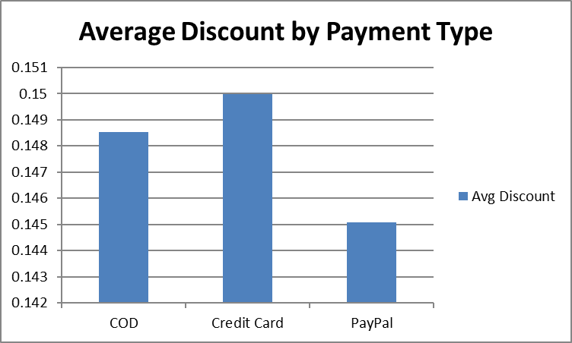
Top Performing Cities
City_y | 0
Thompsonborough | 158971.4624
Hoodberg | 125011.8285
Bensonhaven | 122176.5471
Port Sharon | 118814.1157
Sabrinatown | 116829.2206
East Johnstad | 110102.399

