Lab1_HinhCode
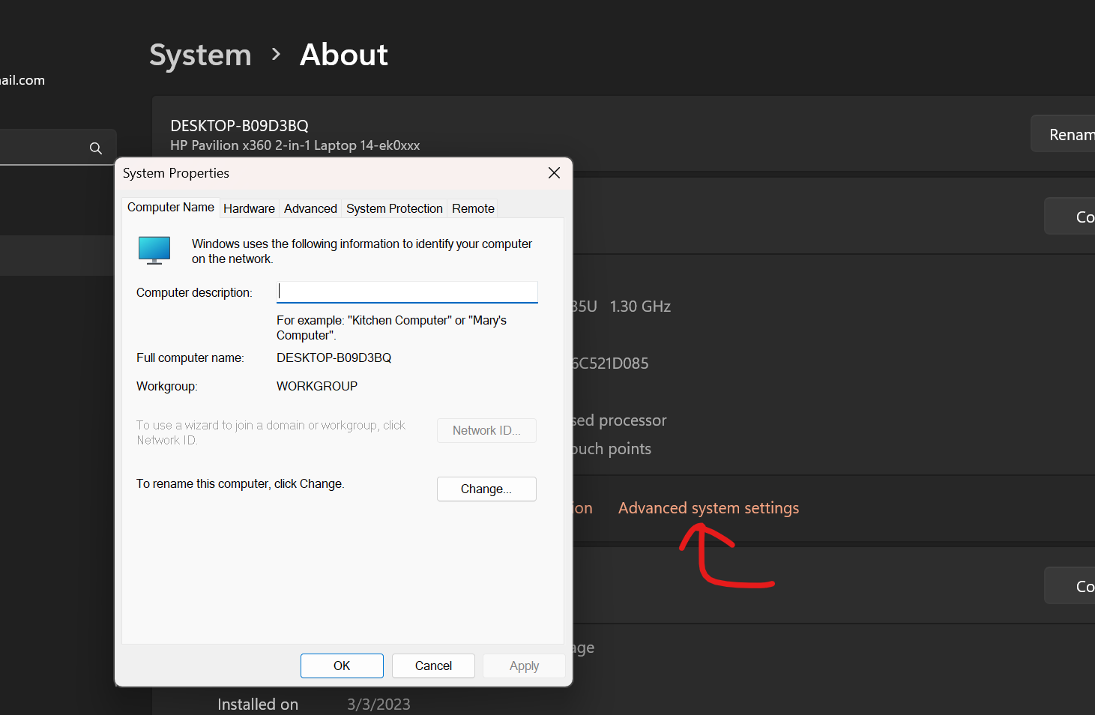
chụp nguyên màn hình
system properties

