Sheet1
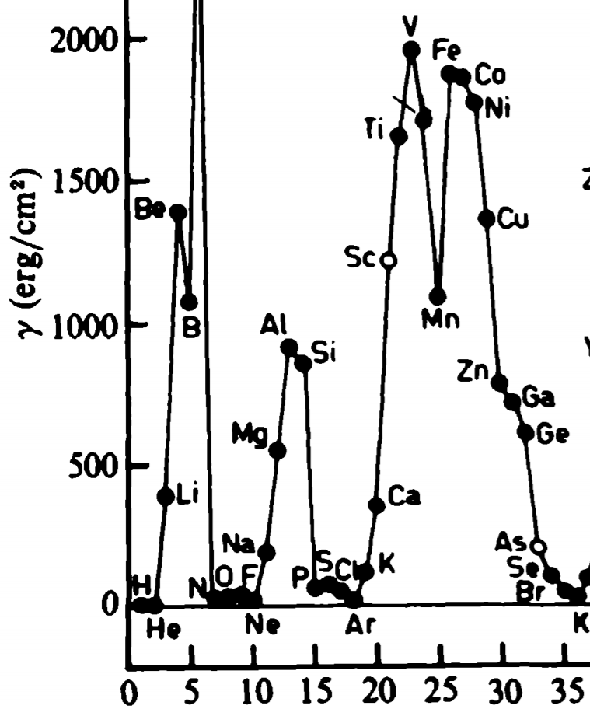
element | atomic number | E_coh | E_coh | Z_s/Z | density | AMU | surface_number_density | surface tension | surface tension
 |  | eV/atom | J/atom | unitless | g/cm^3 | g/mol | atoms/cm^2 | J/cm^2 | ergs/cm^2
ar | 18 | 0.08 | 1.28E-20 | 0.25 | 1.77 | 39.95 | 8.9269269857E+14 | 1.4283083177E-06 | 14.283083177
k | 19 | 0.941 | 1.5056E-19 | 0.25 | 0.91 | 39.1 | 5.8117565996E+14 | 1.0937725921E-05 | 109.37725921
ca | 20 | 1.825 | 2.92E-19 | 0.25 | 1.53 | 40.08 | 8.0830166392E+14 | 2.9503010733E-05 | 295.03010733
sc | 21 | 3.93 | 6.288E-19 | 0.25 | 2.99 | 44.96 | 1.1702920407E+15 | 9.1984954398E-05 | 919.84954398
ti | 22 | 4.86 | 7.776E-19 | 0.25 | 4.51 | 47.88 | 1.4759758817E+15 | 0.00014346485571 | 1434.6485571
v | 23 | 5.3 | 8.48E-19 | 0.25 | 6.09 | 50.94 | 1.7302275737E+15 | 0.00018340412281 | 1834.0412281
cr | 24 | 4.1 | 6.56E-19 | 0.25 | 7.19 | 52 | 1.9064029089E+15 | 0.00015632503853 | 1563.2503853
mn | 25 | 2.98 | 4.768E-19 | 0.25 | 7.47 | 54.94 | 1.8851776922E+15 | 0.00011235659045 | 1123.5659045
fe | 26 | 4.29 | 6.864E-19 | 0.25 | 7.87 | 55.85 | 1.930628431E+15 | 0.00016564791938 | 1656.4791938
co | 27 | 4.39 | 7.024E-19 | 0.25 | 8.9 | 58.93 | 2.0219327397E+15 | 0.00017752569455 | 1775.2569455
ni | 28 | 4.44 | 7.104E-19 | 0.25 | 8.91 | 58.69 | 2.0289595577E+15 | 0.00018017160872 | 1801.7160872
cu | 29 | 3.5 | 5.6E-19 | 0.25 | 8.93 | 63.55 | 1.927029058E+15 | 0.00013489203406 | 1348.9203406
zn | 30 | 1.35 | 2.16E-19 | 0.25 | 7.13 | 65.39 | 1.6272331727E+15 | 4.3935295662E-05 | 439.35295662
ga | 31 | 2.78 | 4.448E-19 | 0.25 | 5.91 | 69.72 | 1.3757865598E+15 | 7.6493732725E-05 | 764.93732725
ge | 32 | 3.87 | 6.192E-19 | 0.25 | 5.32 | 72.64 | 1.2480199432E+15 | 9.6596743601E-05 | 965.96743601
as | 33 | 3 | 4.8E-19 | 0.25 | 5.77 | 74.92 | 1.2905743336E+15 | 7.7434460019E-05 | 774.34460019
se | 34 | 2.13 | 3.408E-19 | 0.25 | 4.81 | 78.96 | 1.1037980402E+15 | 4.7021796514E-05 | 470.21796514
br | 35 | 1.22 | 1.952E-19 | 0.25 | 4.05 | 79.9 | 9.764945493E+14 | 2.3826467003E-05 | 238.26467003
kr | 36 | 0.116 | 1.856E-20 | 0.25 | 3.09 | 83.79 | 7.8990558926E+14 | 1.8325809671E-06 | 18.325809671

