Sheet1
 | grouped barchart

barChart2.config.data.datasets[1].backgroundColor[1] = 'rgba(240, 240, 240, 0.5)'

 | position of the sub categrory (label field) | position of the categrory (labels array)

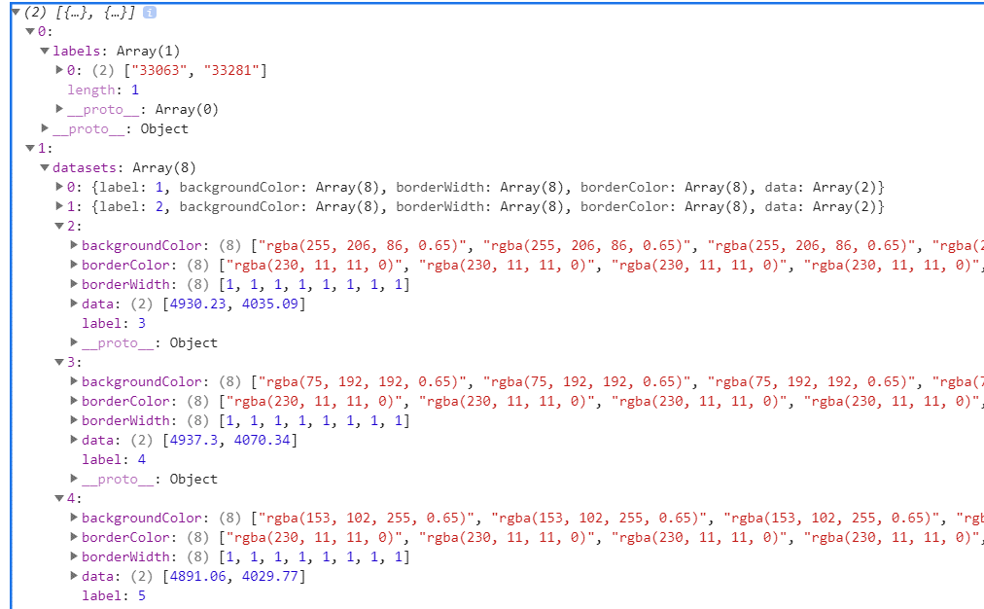

 |  |  | Algo
Purpose: put the bckg colors of the active slices (right side) into the metadata of the chart (left side)
1.extract into separate arrays the labels array (metadata), the category field, sub category field & bckg color (active slices)
2.loop over the entire datasets (metadata), check if the label of each dataset is in the sub category field array
3.if the check is true:
3.1.collect the position of the label in the sub category field (pos a)
3.2.with this pos a, get the category field value from the array of category fields, built in step 1
3.3.get the bckg color value from the array of bckg colors, built in step 1
3.4.collect the position of the category field value in the array of labels, built in step 1 (pos b)
3.5.access the pos b of the bckg colors array (metadata) and replace it's value with the bckg color value
4.if the check is false:
4.1.replace all the values of the bckg colors array (metadata) with light grey

