Tabelle1
Golden Ear | OK | NG | NG | OK

ID - Messung

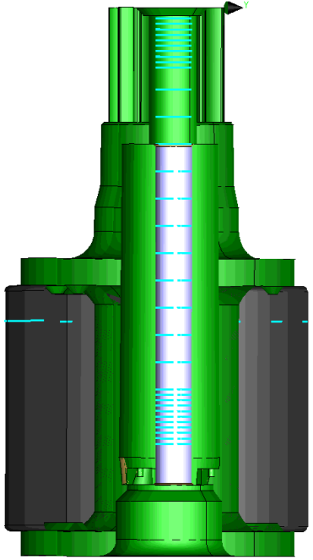
Messpunkt | ID - B4 | ID - B5 | ID - R1 | ID - R3
-0.400 | 1.969 | 1.978 | 1.969 | 1.970
-0.600 | 1.968 | 1.979 | 1.968 | 1.973
-0.800 | 1.970 | 1.980 | 1.971 | 1.974
-1.000 | 1.971 | 1.981 | 1.971 | 1.975
-1.200 | 1.971 | 1.982 | 1.972 | 1.976
-1.400 | 1.972 | 1.983 | 1.973 | 1.977
-1.600 | 1.973 | 1.984 | 1.974 | 1.978
-1.800 | 1.974 | 1.985 | 1.975 | 1.979
-2.000 | 1.975 | 1.986 | 1.976 | 1.979
-2.200 | 1.976 | 1.988 | 1.976 | 1.981
-3.000 | 1.984 | 1.994 | 1.984 | 1.989
-4.000 | 2.002 | 2.006 | 2.002 | 2.004
-5.000 | 1.521 | 1.511 | 1.510 | 1.516
-6.000 | 1.512 | 1.513 | 1.513 | 1.516
-7.000 | 1.561 | 1.579 | 1.568 | 1.609
-8.000 | 1.664 | 1.676 | 1.696 | 1.693
-9.000 | 1.646 | 1.646 | 1.687 | 1.656
-10.000 | 1.607 | 1.627 | 1.646 | 1.633
-11.000 | 1.580 | 1.592 | 1.589 | 1.601
-12.000 | 1.641 | 1.634 | 1.593 | 1.658
-13.000 | 1.675 | 1.635 | 1.645 | 1.686
-14.000 | 1.689 | 1.612 | 1.668 | 1.687
-14.200 | 1.683 | 1.635 | 1.666 | 1.674
-14.400 | 1.672 | 1.639 | 1.655 | 1.651
-14.600 | 1.654 | 1.626 | 1.641 | 1.623
-14.800 | 1.629 | 1.604 | 1.614 | 1.593
-15.000 | 1.597 | 1.576 | 1.586 | 1.561
-15.200 | 1.561 | 1.544 | 1.557 | 1.530
-15.400 | 1.531 | 1.521 | 1.532 | 1.518
-15.600 | 1.517 | 1.514 | 1.518 | 1.515
-15.800 | 1.514 | 1.511 | 1.514 | 1.513
-16.000 | 1.512 | 1.511 | 1.513 | 1.512

Rundlauf
B4 | B5 | R1 | R3
0.118 | 0.101 | 0.059 | 0.057

