Tabelle1
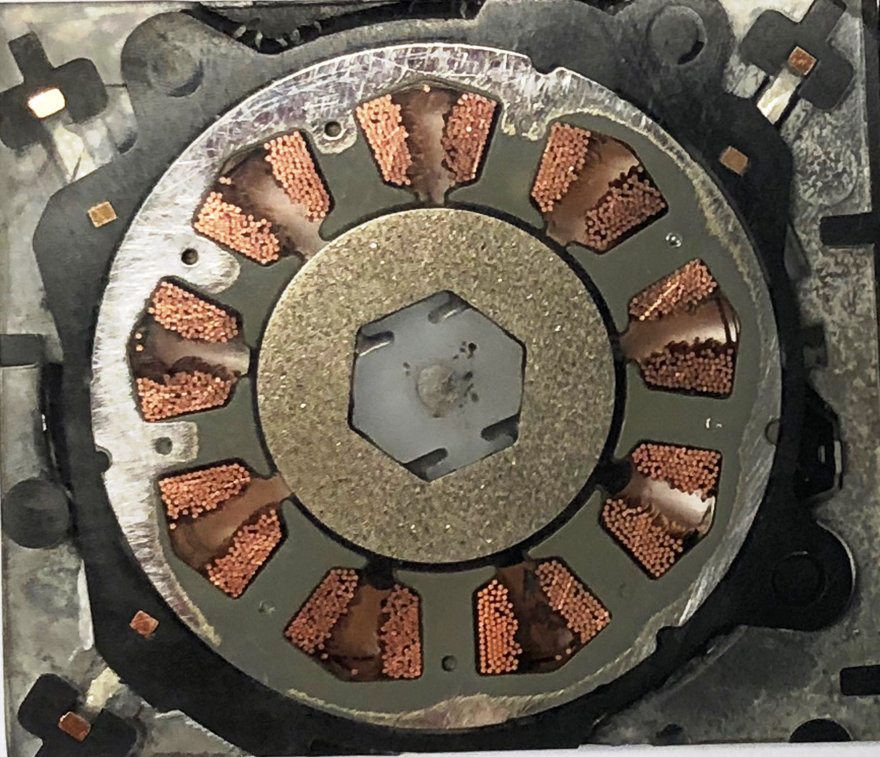
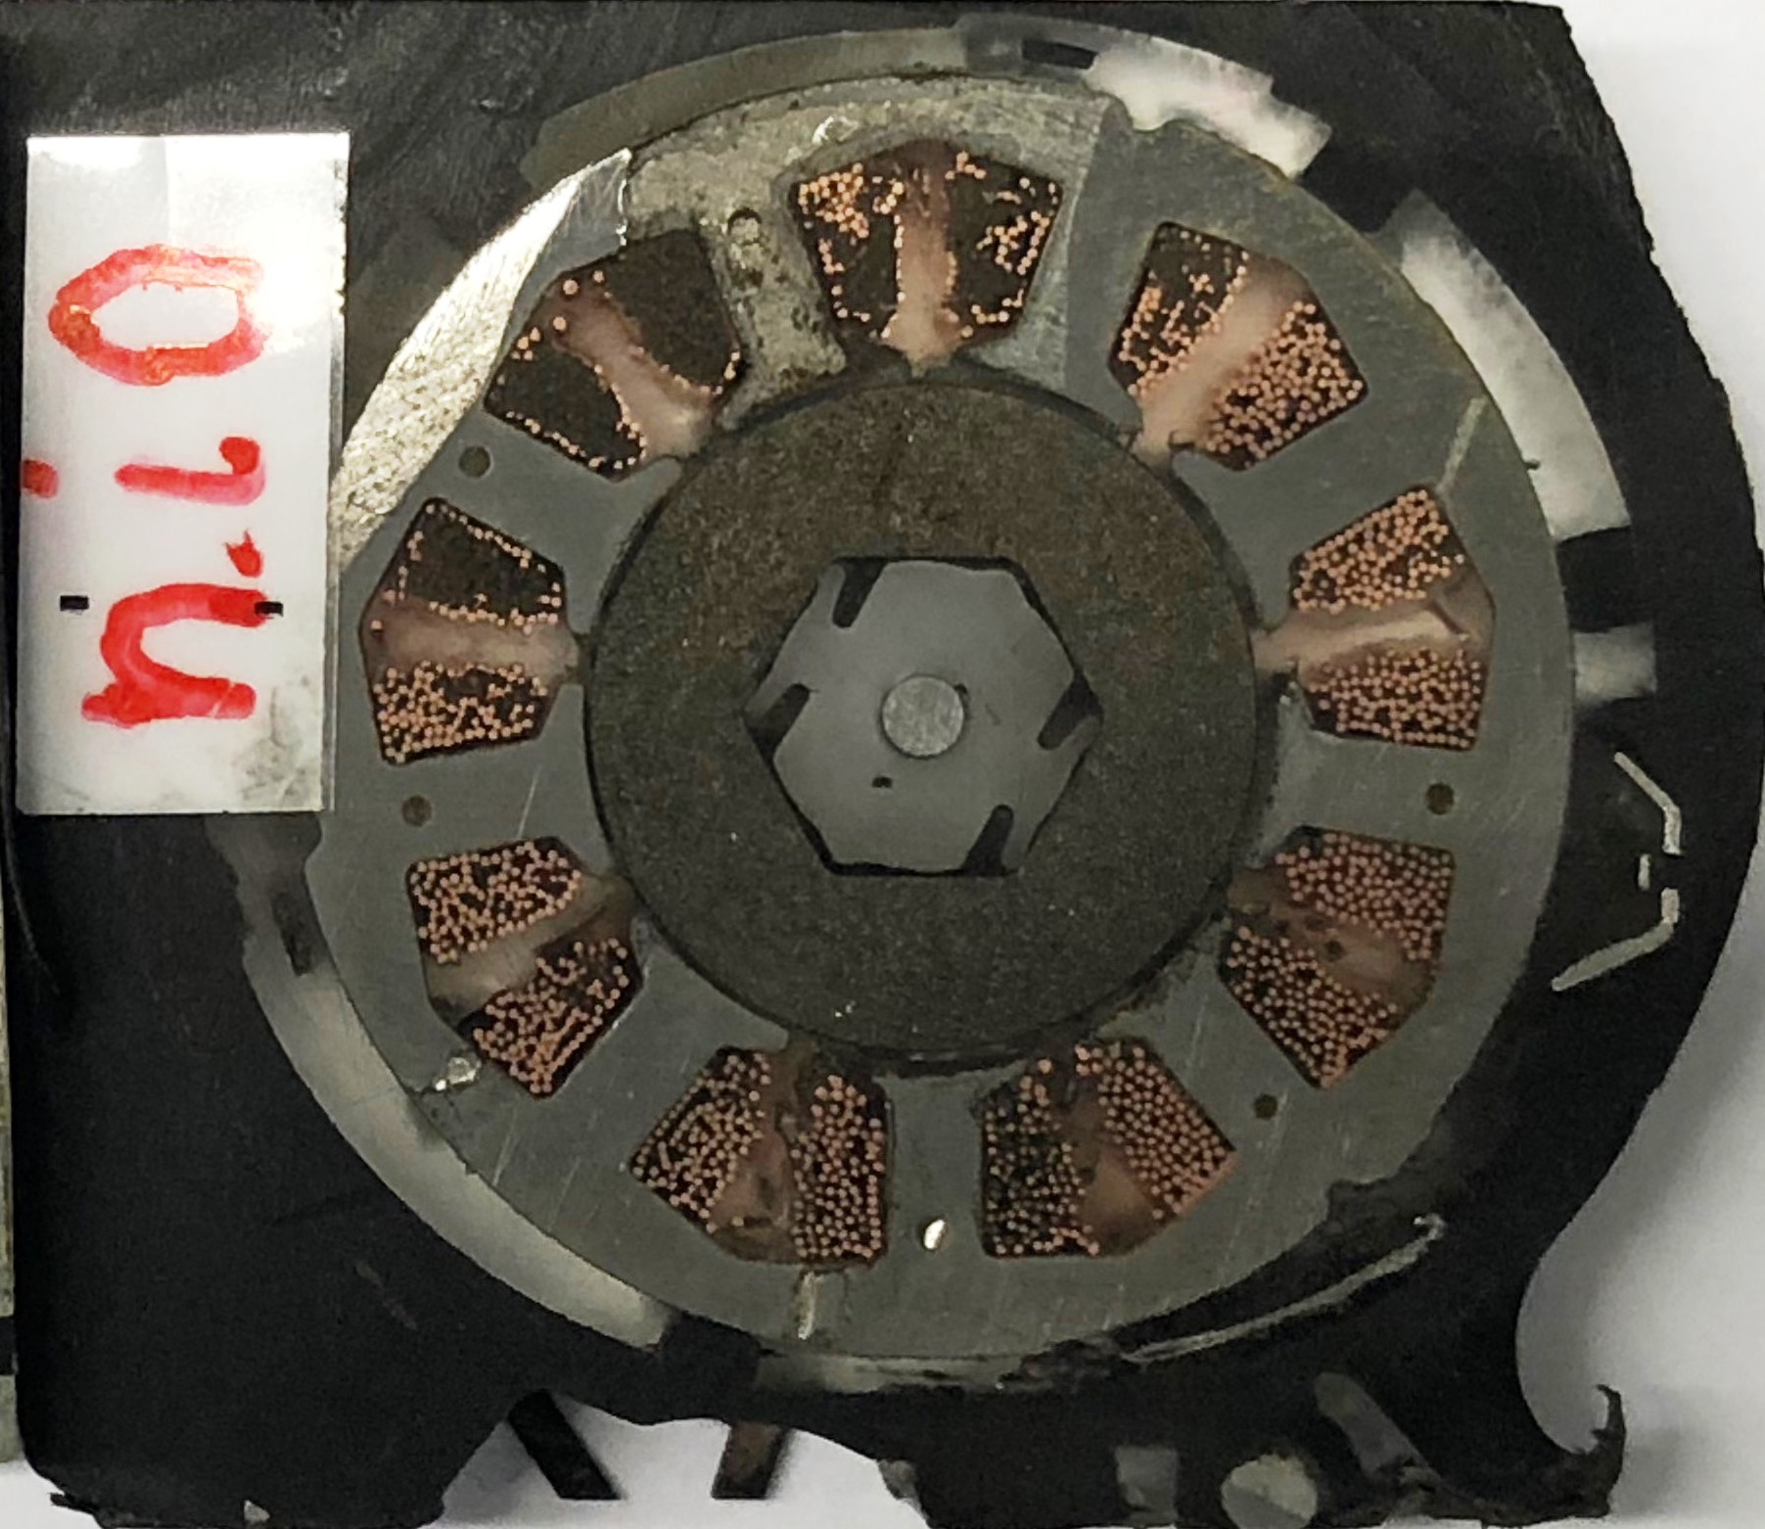

Y+
Y+
 | Stator-ID | Stator-ID
 | X = 0 | X = 0
 | Y = 0 | Y = 0

i.O.-Part | Magnet-OD | Shaft-OD
 | X = -0,064 | X = -0,029
 | Y = -0,002 | Y = -0,016

X+
X+
NG-Part | Magnet-OD | Shaft-OD
 | X = -0,109 | X = -0,112
 | Y = -0,051 | Y = -0,028

i.O.-Part
NG-Part

