Data
INCOMING INSPECTION

CUSTOMER:
PROJECT-NAME:
PART-NAME: | 131688800029
PROJECT-NO:
PART-NO:
DATE:
QC-NO: | w/o
INSPECTOR:
REPORT:
CMM-PROGRAM:
Remark:
 | A OK | A NG
1 | 0.0639 | 0.0894
2 | 0.1380 | 0.0609
3 | 0.1405 | 0.0796
4 | 0.1002 | 0.1233
5 | 0.1339 | 0.0884
6 | 0.1408 | 0.1252
7 | 0.0735 | 0.0872
8 | 0.0754 | 0.0818
9 | 0.0925 | 0.0415
10 | 0.1183 | 0.0945
11 | 0.0899 | 0.1408
12 | 0.0925 | 0.0344
13 | 0.1015 | 0.0735
14 | 0.1320 | 0.0894
 |  | 0.0798
 |  | 0.0795
 |  | 0.1229
 |  | 0.1469
 |  | 0.0618
 |  | 0.0730
 |  | 0.0924
 |  | 0.0604
 |  | 0.0885
 |  | 0.0777
 |  | 0.0812
 |  | 0.1077
 |  | 0.1270
 |  | 0.0745
 |  | 0.0975
 |  | 0.0649
 |  | 0.0962
 |  | 0.1046
 |  | 0.1087
 |  | Noise_OK |  |  | Noise_NG
Measurement-Equipment |  | Centermax 3D | Centermax 3D | Centermax 3D |  | Centermax 3D | Centermax 3D | Centermax 3D
Equipment-No. |  | 62061 | 62061 | 62061 |  | 62061 | 62061 | 62061
Notation |  | A | B | C |  | A | B | C
Symbol / Description |  | Distance | Distance | Distance |  | Distance | Distance | Distance
 |  | 0.000 | 0.000 | 0.00 |  | 0.000 | 0.000 | 0.00

Tolerance upper |  | 0.000 | 0.000 | 0.00 |  | 0.000 | 0.000 | 0.00
Tolerance lower |  | 0.000 | 0.000 | 0.00 |  | 0.000 | 0.000 | 0.00
Unit |  | [mm] | [mm] | [mm] |  | [mm] | [mm] | [mm]
USL |  | 0.000 | 0.000 | 0.00 |  | 0.000 | 0.000 | 0.00
LSL |  | 0.000 | 0.000 | 0.00 |  | 0.000 | 0.000 | 0.00
Quantity |  | 14 | 14 | 14 |  | 33 | 33 | 33
avg. |  | 0.107 | 0.304 | 0.077 |  | 0.086 | 0.290 | 0.064
 | B OK | B NG
1 | 0.2877 | 0.3132
2 | 0.3206 | 0.2910
3 | 0.3037 | 0.2841
4 | 0.2875 | 0.2988
5 | 0.3155 | 0.2598
6 | 0.3321 | 0.2765
7 | 0.2803 | 0.2774
8 | 0.2892 | 0.3259
9 | 0.3095 | 0.2816
10 | 0.3065 | 0.3191
11 | 0.2817 | 0.3154
12 | 0.2948 | 0.2660
13 | 0.3263 | 0.2779
14 | 0.3146 | 0.2621
 |  | 0.3074
 |  | 0.3138
 |  | 0.2943
 |  | 0.3210
 |  | 0.2882
 |  | 0.2674
 |  | 0.2662
 |  | 0.2780
 |  | 0.3027
 |  | 0.2698
 |  | 0.3143
 |  | 0.2702
 |  | 0.3265
 |  | 0.2810
 |  | 0.3171
 |  | 0.3245
 |  | 0.3048
 |  | 0.3271
 |  | 0.2630
s |  | 0.027 | 0.017 | 0.050 |  | 0.029 | 0.022 | 0.050
max |  | 0.141 | 0.332 | 0.152 |  | 0.141 | 0.326 | 0.159
min |  | 0.064 | 0.280 | 0.014 |  | 0.034 | 0.260 | 0.003
R |  | 0.077 | 0.052 | 0.138 |  | 0.106 | 0.066 | 0.156
O.K.\ FAIL |  | FAIL | FAIL | FAIL |  | FAIL | FAIL | FAIL
Part-No.: | 1 | 0.0639 | 0.2877 | 0.0219 | 15 | 0.0894 | 0.3132 | 0.1594
 | 2 | 0.1380 | 0.3206 | 0.0309 | 16 | 0.0609 | 0.2910 | 0.0357
 | 3 | 0.1405 | 0.3037 | 0.0636 | 17 | 0.0796 | 0.2841 | 0.1030
 | 4 | 0.1002 | 0.2875 | 0.1394 | 18 | 0.1233 | 0.2988 | 0.0030
 | 5 | 0.1339 | 0.3155 | 0.0304 | 19 | 0.0884 | 0.2598 | 0.0947
 | 6 | 0.1408 | 0.3321 | 0.1314 | 20 | 0.1252 | 0.2765 | 0.0367
 | 7 | 0.0735 | 0.2803 | 0.0585 | 21 | 0.0872 | 0.2774 | 0.0146
 | 8 | 0.0754 | 0.2892 | 0.0188 | 22 | 0.0818 | 0.3259 | 0.1368
 | 9 | 0.0925 | 0.3095 | 0.1519 | 23 | 0.0415 | 0.2816 | 0.0155
 | 10 | 0.1183 | 0.3065 | 0.1379 | 24 | 0.0945 | 0.3191 | 0.0245
 | 11 | 0.0899 | 0.2817 | 0.0875 | 25 | 0.1408 | 0.3154 | 0.0352
 | C OK | C NG
1 | 0.0219 | 0.1594
2 | 0.0309 | 0.0357
3 | 0.0636 | 0.1030
4 | 0.1394 | 0.0030
5 | 0.0304 | 0.0947
6 | 0.1314 | 0.0367
7 | 0.0585 | 0.0146
8 | 0.0188 | 0.1368
9 | 0.1519 | 0.0155
10 | 0.1379 | 0.0245
11 | 0.0875 | 0.0352
12 | 0.0697 | 0.1311
13 | 0.1167 | 0.0686
14 | 0.0141 | 0.0300
 |  | 0.0659
 |  | 0.1303
 |  | 0.1359
 |  | 0.1059
 |  | 0.1543
 |  | 0.1919
 |  | 0.0722
 |  | 0.1851
 |  | 0.0930
 |  | 0.1456
 |  | 0.1520
 |  | 0.0576
 |  | 0.1725
 |  | 0.0399
 |  | 0.1937
 |  | 0.1993
 |  | 0.0906
 |  | 0.1102
 |  | 0.0711
 | 12 | 0.0925 | 0.2948 | 0.0697 | 26 | 0.0344 | 0.2660 | 0.1311
 | 13 | 0.1015 | 0.3263 | 0.1167 | 27 | 0.0735 | 0.2779 | 0.0686
 | 14 | 0.1320 | 0.3146 | 0.0141 | 28 | 0.0894 | 0.2621 | 0.0300
 |  |  |  |  | 29 | 0.0798 | 0.3074 | 0.0659
 |  |  |  |  | 30 | 0.0795 | 0.3138 | 0.1303
 |  |  |  |  | 31 | 0.1229 | 0.2943 | 0.1359
 |  |  |  |  | 32
 |  |  |  |  | 33 | 0.1469 | 0.3210 | 0.1059
 |  |  |  |  | 34 | 0.0618 | 0.2882 | 0.1543
 |  |  |  |  | 35 | 0.0730 | 0.2674 | 0.1919
 |  |  |  |  | 36 | 0.0924 | 0.2662 | 0.0722
 |  |  |  |  | 37 | 0.0604 | 0.2780 | 0.1851
 |  |  |  |  | 38 | 0.0885 | 0.3027 | 0.0930
 |  |  |  |  | 39 | 0.0777 | 0.2698 | 0.1456
 |  |  |  |  | 40 | 0.0812 | 0.3143 | 0.1520
 |  |  |  |  | 41 | 0.1077 | 0.2702 | 0.0576
 |  |  |  |  | 42
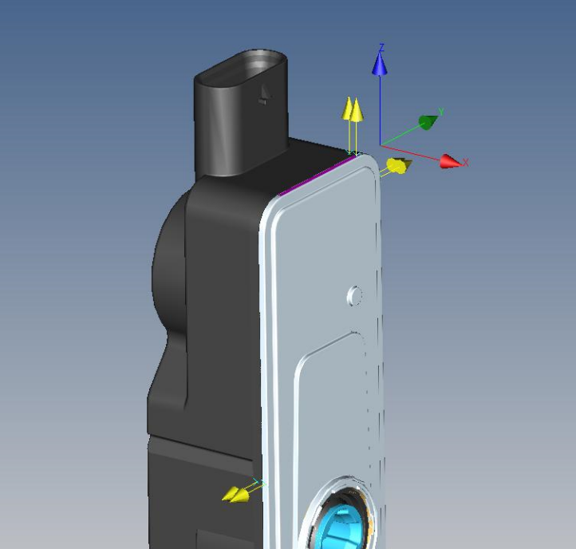
 |  |  |  |  | 43 | 0.1270 | 0.3265 | 0.1725
 |  |  |  |  | 44 | 0.0745 | 0.2810 | 0.0399
B
 |  |  |  |  | 45 | 0.0975 | 0.3171 | 0.1937
 |  |  |  |  | 46 | 0.0649 | 0.3245 | 0.1993
 |  |  |  |  | 47 | 0.0962 | 0.3048 | 0.0906
 |  |  |  |  | 48 | 0.1046 | 0.3271 | 0.1102
 |  |  |  |  | 49 | 0.1087 | 0.2630 | 0.0711

A

C

