Tabelle1
CW
 | Cover/PMDM | Housing/ Thailand
 | 0.150 | 0.053
 | 0.074 | 0.018
 | 0.026 | 0.045
 | 0.019 | 0.023
 | 0.043 | 0.056
 | 0.024 | 0.027
 | 0.026 | 0.017
 | 0.024 | 0.050
 | 0.022 | 0.017
 | 0.019 | 0.035
 | 0.038 | 0.040
 | 0.021 | 0.040
 | 0.015 | 0.016
 | 0.017 | 0.037
 | 0.020 | 0.059
 | 0.047 | 0.046
 | 0.025 | 0.132
 | 0.026 | 0.037
 | 0.016 | 0.042
 | 0.181 | 0.053
 | 0.011 | 0.025
 | 0.030 | 0.055
 | 0.028 | 0.049
 | 0.011 | 0.029
 | 0.018 | 0.084
 | 0.045 | 0.080
 | 0.036
 | 0.015 | 0.030
 | 0.013 | 0.020
 | 0.017 | 0.039
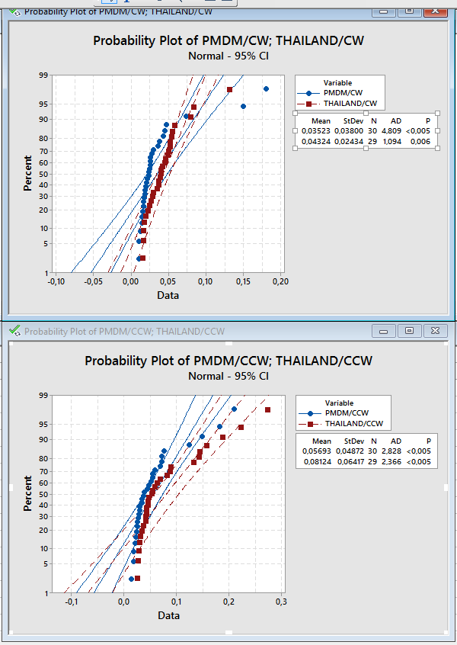
 |  | LDV Messung
 |  | Cover / PMDM |  | Housing / Thailand
 | Aktuator Seriennr. | CW | CCW | CW | CCW
1 | 3168 | 0.150 | 0.210 | 0.053 | 0.031
2 | 3167 | 0.074 | 0.070 | 0.018 | 0.070
3 | 3176 | 0.026 | 0.052 | 0.045 | 0.046
4 | 3099 | 0.019 | 0.073 | 0.023 | 0.055
5 | 3074 | 0.043 | 0.014 | 0.056 | 0.053
6 | 3080 | 0.024 | 0.034 | 0.027 | 0.089
7 | 3171 | 0.026 | 0.028 | 0.017 | 0.026
8 | 3175 | 0.024 | 0.026 | 0.050 | 0.032
9 | 3103 | 0.022 | 0.031 | 0.017 | 0.029
10 | 3068 | 0.019 | 0.030 | 0.035 | 0.064
11 | 3075 | 0.038 | 0.183 | 0.040 | 0.275
12 | 3084 | 0.021 | 0.047 | 0.040 | 0.083
13 | 3058 | 0.015 | 0.037 | 0.016 | 0.042
14 | 3055 | 0.017 | 0.072 | 0.037 | 0.133
CCW
 | Cover/PMDM | Housing/ Thailand
 | 0.210 | 0.031
 | 0.070 | 0.070
 | 0.052 | 0.046
 | 0.073 | 0.055
 | 0.014 | 0.053
 | 0.034 | 0.089
 | 0.028 | 0.026
 | 0.026 | 0.032
 | 0.031 | 0.029
 | 0.030 | 0.064
 | 0.183 | 0.275
 | 0.047 | 0.083
 | 0.037 | 0.042
 | 0.072 | 0.133
 | 0.125 | 0.158
 | 0.055 | 0.090
 | 0.018 | 0.028
 | 0.026 | 0.043
 | 0.045 | 0.188
 | 0.055 | 0.047
 | 0.034 | 0.034
 | 0.022 | 0.038
 | 0.059 | 0.060
 | 0.019 | 0.042
 | 0.039 | 0.046
 | 0.150 | 0.223
 | 0.025
 | 0.077 | 0.143
 | 0.029 | 0.145
 | 0.023 | 0.043
15 | 3051 | 0.020 | 0.125 | 0.059 | 0.158
16 | 3242 | 0.047 | 0.055 | 0.046 | 0.090
17 | 3240 | 0.025 | 0.018 | 0.132 | 0.028
18 | 3186 | 0.026 | 0.026 | 0.037 | 0.043
19 | 3187 | 0.016 | 0.045 | 0.042 | 0.188
20 | 3188 | 0.181 | 0.055 | 0.053 | 0.047
21 | 3208 | 0.011 | 0.034 | 0.025 | 0.034
22 | 3250 | 0.030 | 0.022 | 0.055 | 0.038
23 | 3229 | 0.028 | 0.059 | 0.049 | 0.060
24 | 3230 | 0.011 | 0.019 | 0.029 | 0.042
25 | 3248 | 0.018 | 0.039 | 0.084 | 0.046
26 | 3294 | 0.045 | 0.150 | 0.080 | 0.223
27 | 3289 | 0.036 | 0.025
28 | 3260 | 0.015 | 0.077 | 0.030 | 0.143
29 | 3261 | 0.013 | 0.029 | 0.020 | 0.145
30 | 3278 | 0.017 | 0.023 | 0.039 | 0.043
 | Anzahl NG | 3 | 11 | 6 | 14
 | average | 0.035 | 0.057 | 0.043 | 0.081

