GearMotor_ID_CMM
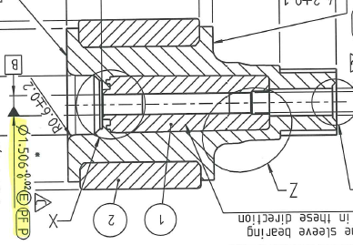
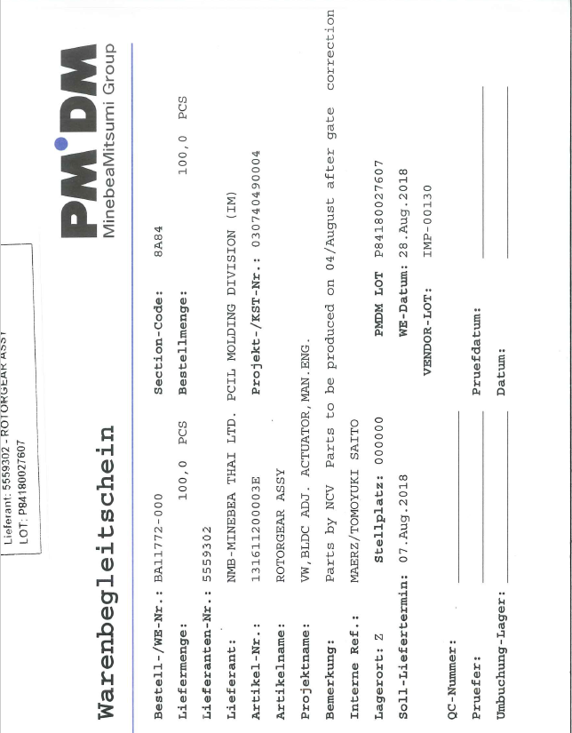
INCOMING INSPECTION

CUSTOMER : |  |  | REMARKS:
PROJECT-NAME : | VW, BLDC, ADJ. Actuator, Man. |  | Untersuchung 10pcs.
PART-NAME : | Rotorgear assy |  | ID measurement on CMM
PROJECT-NO : | 30740490004 |  | Taster 1,2mm (Gribi-Taster) |  | LS = Gauss circle
PART-NO : | 1316-112-00003E |  | Messkraft 50mN = 5gr. |  | MI = inscribed circle
DATE : | 2018-08-30 |  | Kreisbahnscan 499Punkte |  | MC = enveloping circle
QC-NO : | w/o |  | Filter 1/15 W/U_Gauss
INSPECTOR : | G. Bania
TEAMLEADER: | Ali Dogan
 |  | LS Value | MI Value | MC Value | LS Value | MI Value | MC Value | LS Value | MI Value | MC Value | LS Value | MI Value | MC Value | LS Value | MI Value | MC Value | LS Value | MI Value | MC Value | LS Value | MI Value | MC Value | LS Value | MI Value | MC Value | LS Value | MI Value | MC Value
Measurement equipment |  | Centermax | Centermax | Centermax | Centermax | Centermax | Centermax | Centermax | Centermax | Centermax | Centermax | Centermax | Centermax | Centermax | Centermax | Centermax | Centermax | Centermax | Centermax | Centermax | Centermax | Centermax | Centermax | Centermax | Centermax | Centermax | Centermax | Centermax
Measurement no. |  | 62061 | 62061 | 62061 | 62061 | 62061 | 62061 | 62061 | 62061 | 62061 | 62061 | 62061 | 62061 | 62061 | 62061 | 62061 | 62061 | 62061 | 62061 | 62061 | 62061 | 62061 | 62061 | 62061 | 62061 | 62061 | 62061 | 62061
Notation |  | 2mm | 2mm | 2mm | 3mm | 3mm | 3mm | 4mm | 4mm | 4mm | 5mm | 5mm | 5mm | 6mm | 6mm | 6mm | 7mm | 7mm | 7mm | 8mm | 8mm | 8mm | 9mm | 9mm | 9mm | 10mm | 10mm | 10mm
Symbol |  | n | n | n | n | n | n | n | n | n | n | n | n | n | n | n | n | n | n | n | n | n | n | n | n | n | n | n
Specification |  | 1.504 | 1.504 | 1.504 | 1.504 | 1.504 | 1.504 | 1.504 | 1.504 | 1.504 | 1.504 | 1.504 | 1.504 | 1.504 | 1.504 | 1.504 | 1.504 | 1.504 | 1.504 | 1.504 | 1.504 | 1.504 | 1.504 | 1.504 | 1.504 | 1.504 | 1.504 | 1.504

Tolerance upper |  | 0.010 | 0.010 | 0.010 | 0.010 | 0.010 | 0.010 | 0.010 | 0.010 | 0.010 | 0.010 | 0.010 | 0.010 | 0.010 | 0.010 | 0.010 | 0.010 | 0.010 | 0.010 | 0.010 | 0.010 | 0.010 | 0.010 | 0.010 | 0.010 | 0.010 | 0.010 | 0.010
Tolerance lower |  | 0.000 | 0.000 | 0.000 | 0.000 | 0.000 | 0.000 | 0.000 | 0.000 | 0.000 | 0.000 | 0.000 | 0.000 | 0.000 | 0.000 | 0.000 | 0.000 | 0.000 | 0.000 | 0.000 | 0.000 | 0.000 | 0.000 | 0.000 | 0.000 | 0.000 | 0.000 | 0.000
Unit |  | [mm] | [mm] | [mm] | [mm] | [mm] | [mm] | [mm] | [mm] | [mm] | [mm] | [mm] | [mm] | [mm] | [mm] | [mm] | [mm] | [mm] | [mm] | [mm] | [mm] | [mm] | [mm] | [mm] | [mm] | [mm] | [mm] | [mm]
USL |  | 1.514 | 1.514 | 1.514 | 1.514 | 1.514 | 1.514 | 1.514 | 1.514 | 1.514 | 1.514 | 1.514 | 1.514 | 1.514 | 1.514 | 1.514 | 1.514 | 1.514 | 1.514 | 1.514 | 1.514 | 1.514 | 1.514 | 1.514 | 1.514 | 1.514 | 1.514 | 1.514
LSL |  | 1.504 | 1.504 | 1.504 | 1.504 | 1.504 | 1.504 | 1.504 | 1.504 | 1.504 | 1.504 | 1.504 | 1.504 | 1.504 | 1.504 | 1.504 | 1.504 | 1.504 | 1.504 | 1.504 | 1.504 | 1.504 | 1.504 | 1.504 | 1.504 | 1.504 | 1.504 | 1.504
Quantity |  | 10 | 10 | 10 | 10 | 10 | 10 | 10 | 10 | 10 | 10 | 10 | 10 | 10 | 10 | 10 | 10 | 10 | 10 | 10 | 10 | 10 | 10 | 10 | 10 | 10 | 10 | 10
avg. |  | 1.541 | 1.537 | 1.544 | 1.546 | 1.541 | 1.550 | 1.546 | 1.541 | 1.550 | 1.546 | 1.541 | 1.550 | 1.546 | 1.541 | 1.550 | 1.539 | 1.533 | 1.544 | 1.531 | 1.521 | 1.538 | 1.522 | 1.504 | 1.533 | 1.514 | 1.488 | 1.531
s |  | 0.001 | 0.002 | 0.001 | 0.002 | 0.003 | 0.002 | 0.002 | 0.002 | 0.002 | 0.001 | 0.002 | 0.002 | 0.001 | 0.002 | 0.001 | 0.003 | 0.008 | 0.001 | 0.006 | 0.013 | 0.002 | 0.008 | 0.017 | 0.002 | 0.010 | 0.020 | 0.003
avg + 5s |  | 1.547 | 1.549 | 1.551 | 1.554 | 1.554 | 1.559 | 1.553 | 1.551 | 1.561 | 1.553 | 1.551 | 1.559 | 1.551 | 1.551 | 1.556 | 1.555 | 1.572 | 1.551 | 1.560 | 1.588 | 1.546 | 1.563 | 1.590 | 1.543 | 1.565 | 1.586 | 1.544
avg - 5s |  | 1.535 | 1.525 | 1.538 | 1.538 | 1.529 | 1.541 | 1.538 | 1.532 | 1.539 | 1.539 | 1.532 | 1.542 | 1.540 | 1.531 | 1.544 | 1.523 | 1.494 | 1.537 | 1.502 | 1.453 | 1.529 | 1.481 | 1.419 | 1.523 | 1.462 | 1.389 | 1.517
max |  | 1.542 | 1.539 | 1.547 | 1.548 | 1.544 | 1.553 | 1.547 | 1.544 | 1.553 | 1.548 | 1.544 | 1.552 | 1.547 | 1.544 | 1.552 | 1.542 | 1.539 | 1.547 | 1.535 | 1.532 | 1.540 | 1.531 | 1.528 | 1.536 | 1.527 | 1.516 | 1.533
min |  | 1.539 | 1.532 | 1.542 | 1.544 | 1.536 | 1.547 | 1.543 | 1.539 | 1.546 | 1.543 | 1.538 | 1.546 | 1.543 | 1.538 | 1.549 | 1.531 | 1.513 | 1.542 | 1.517 | 1.489 | 1.534 | 1.503 | 1.467 | 1.529 | 1.491 | 1.446 | 1.524
R |  | 0.003 | 0.008 | 0.004 | 0.004 | 0.008 | 0.006 | 0.005 | 0.005 | 0.007 | 0.005 | 0.006 | 0.006 | 0.004 | 0.005 | 0.003 | 0.011 | 0.026 | 0.005 | 0.018 | 0.043 | 0.006 | 0.028 | 0.061 | 0.006 | 0.036 | 0.070 | 0.009
cp |  | 1.45 | 0.71 | 1.25 | 1.02 | 0.65 | 0.96 | 1.10 | 0.84 | 0.78 | 1.20 | 0.87 | 0.96 | 1.42 | 0.81 | 1.38 | 0.53 | 0.21 | 1.20 | 0.29 | 0.12 | 0.99 | 0.20 | 0.10 | 0.83 | 0.16 | 0.08 | 0.62
cpk |  | -7.82 | -3.26 | -7.61 | -6.55 | -3.54 | -6.89 | -6.99 | -4.61 | -5.63 | -7.67 | -4.74 | -6.96 | -9.01 | -4.38 | -10.01 | -2.67 | -0.80 | -7.24 | -0.98 | -0.17 | -4.69 | -0.34 | 0.01 | -3.20 | 0.01 | -0.28 | -2.07
Cavity.no.: | Part.no.: | FAIL | FAIL | FAIL | FAIL | FAIL | FAIL | FAIL | FAIL | FAIL | FAIL | FAIL | FAIL | FAIL | FAIL | FAIL | FAIL | FAIL | FAIL | FAIL | FAIL | FAIL | FAIL | FAIL | FAIL | FAIL | FAIL | FAIL
 | 1 | 1.540 | 1.537 | 1.544 | 1.544 | 1.540 | 1.547 | 1.543 | 1.539 | 1.546 | 1.543 | 1.539 | 1.546 | 1.543 | 1.539 | 1.549 | 1.538 | 1.532 | 1.544 | 1.527 | 1.513 | 1.537 | 1.516 | 1.493 | 1.530 | 1.504 | 1.473 | 1.524
 | 2 | 1.542 | 1.539 | 1.545 | 1.548 | 1.544 | 1.551 | 1.547 | 1.544 | 1.549 | 1.548 | 1.544 | 1.551 | 1.546 | 1.543 | 1.550 | 1.540 | 1.537 | 1.543 | 1.534 | 1.529 | 1.538 | 1.526 | 1.510 | 1.534 | 1.518 | 1.494 | 1.533
 | 3 | 1.539 | 1.532 | 1.544 | 1.544 | 1.536 | 1.549 | 1.544 | 1.539 | 1.550 | 1.547 | 1.542 | 1.550 | 1.547 | 1.543 | 1.550 | 1.541 | 1.537 | 1.544 | 1.533 | 1.527 | 1.538 | 1.525 | 1.511 | 1.534 | 1.517 | 1.495 | 1.530
 | 4 | 1.541 | 1.535 | 1.545 | 1.547 | 1.540 | 1.553 | 1.547 | 1.539 | 1.553 | 1.546 | 1.538 | 1.552 | 1.546 | 1.539 | 1.550 | 1.541 | 1.535 | 1.543 | 1.535 | 1.532 | 1.537 | 1.531 | 1.528 | 1.535 | 1.527 | 1.516 | 1.532
 | 5 | 1.542 | 1.539 | 1.544 | 1.547 | 1.543 | 1.550 | 1.546 | 1.541 | 1.549 | 1.545 | 1.541 | 1.549 | 1.546 | 1.542 | 1.549 | 1.538 | 1.527 | 1.544 | 1.528 | 1.508 | 1.539 | 1.517 | 1.491 | 1.536 | 1.506 | 1.470 | 1.532
 | 6 | 1.541 | 1.538 | 1.545 | 1.547 | 1.543 | 1.551 | 1.545 | 1.541 | 1.551 | 1.546 | 1.543 | 1.551 | 1.545 | 1.541 | 1.552 | 1.541 | 1.537 | 1.545 | 1.534 | 1.528 | 1.538 | 1.527 | 1.510 | 1.534 | 1.520 | 1.494 | 1.533
 | 7 | 1.542 | 1.538 | 1.546 | 1.547 | 1.544 | 1.550 | 1.547 | 1.542 | 1.551 | 1.547 | 1.542 | 1.550 | 1.547 | 1.544 | 1.550 | 1.542 | 1.539 | 1.546 | 1.534 | 1.527 | 1.540 | 1.525 | 1.509 | 1.534 | 1.516 | 1.492 | 1.531
 | 8 | 1.542 | 1.539 | 1.547 | 1.548 | 1.543 | 1.552 | 1.547 | 1.543 | 1.553 | 1.547 | 1.542 | 1.551 | 1.546 | 1.542 | 1.549 | 1.540 | 1.537 | 1.543 | 1.532 | 1.523 | 1.537 | 1.525 | 1.506 | 1.534 | 1.517 | 1.490 | 1.532
 | 9 | 1.539 | 1.536 | 1.543 | 1.544 | 1.540 | 1.549 | 1.547 | 1.544 | 1.550 | 1.546 | 1.539 | 1.552 | 1.546 | 1.539 | 1.552 | 1.540 | 1.533 | 1.547 | 1.535 | 1.529 | 1.540 | 1.529 | 1.521 | 1.534 | 1.521 | 1.505 | 1.531
 | 10 | 1.540 | 1.537 | 1.542 | 1.544 | 1.540 | 1.548 | 1.545 | 1.541 | 1.548 | 1.546 | 1.542 | 1.550 | 1.544 | 1.538 | 1.549 | 1.531 | 1.513 | 1.542 | 1.517 | 1.489 | 1.534 | 1.503 | 1.467 | 1.529 | 1.491 | 1.446 | 1.528

