Tabelle1
1. Versuch
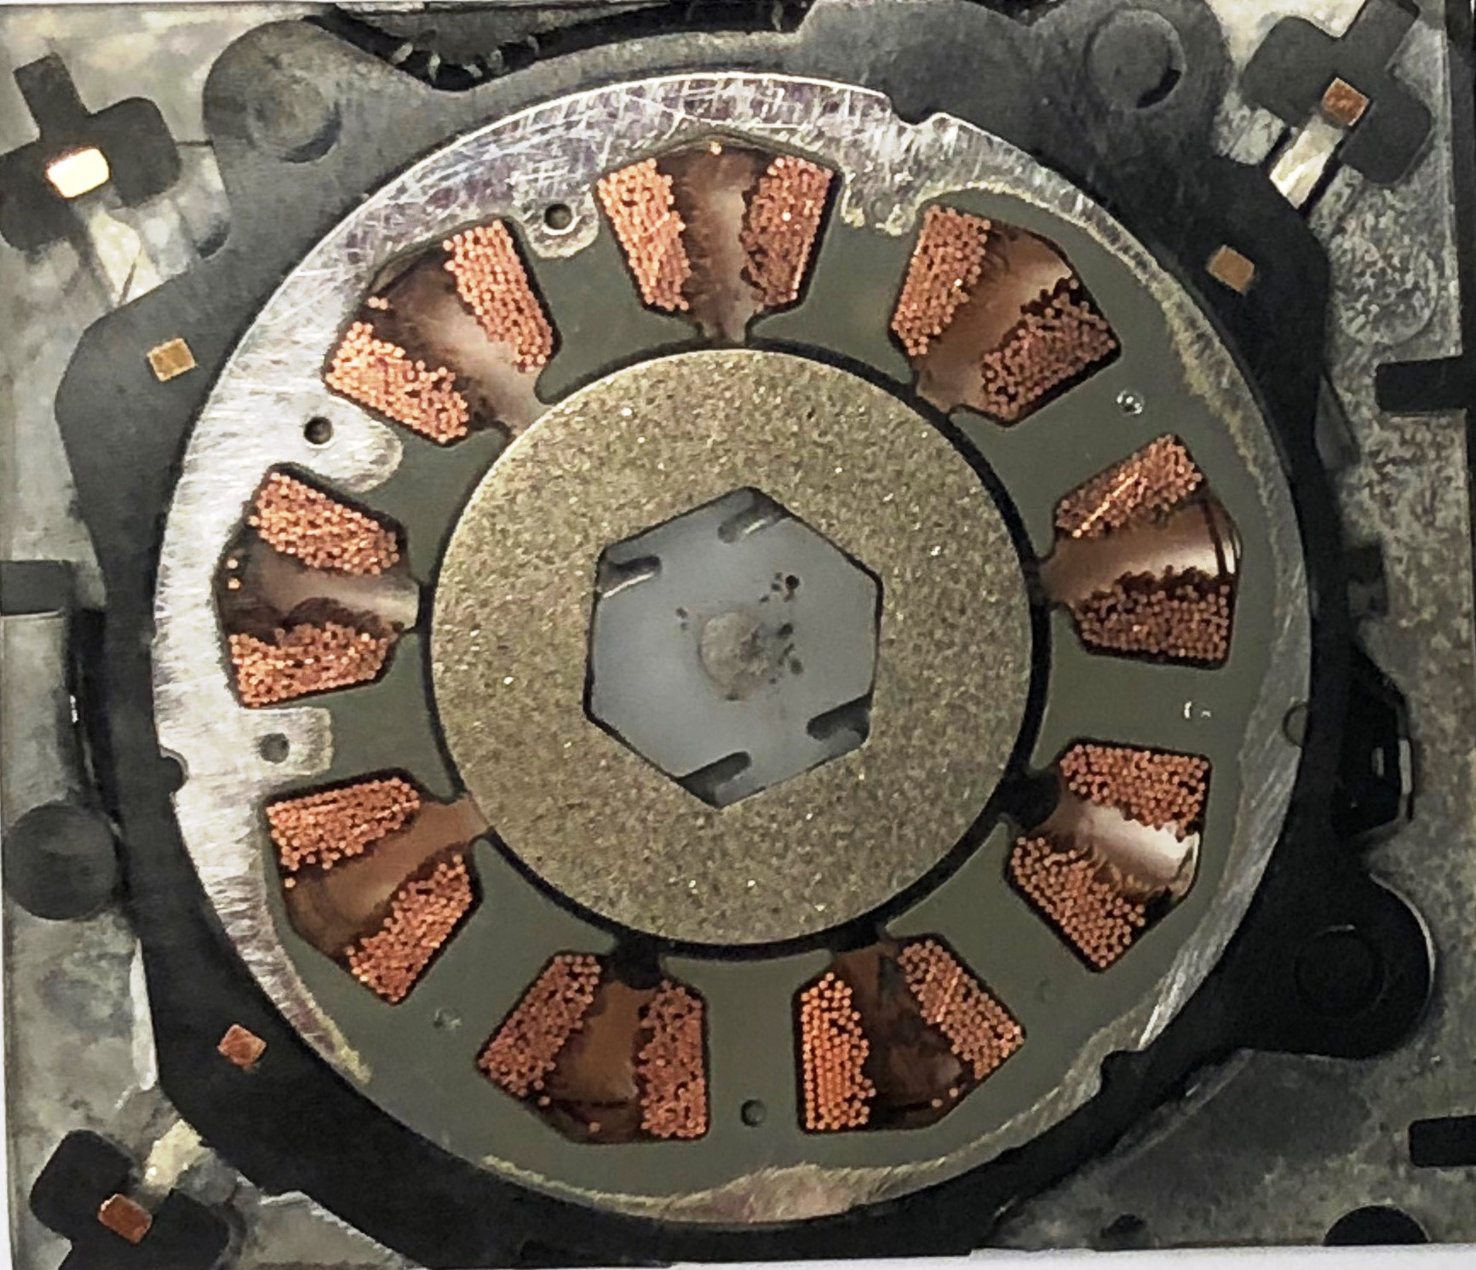
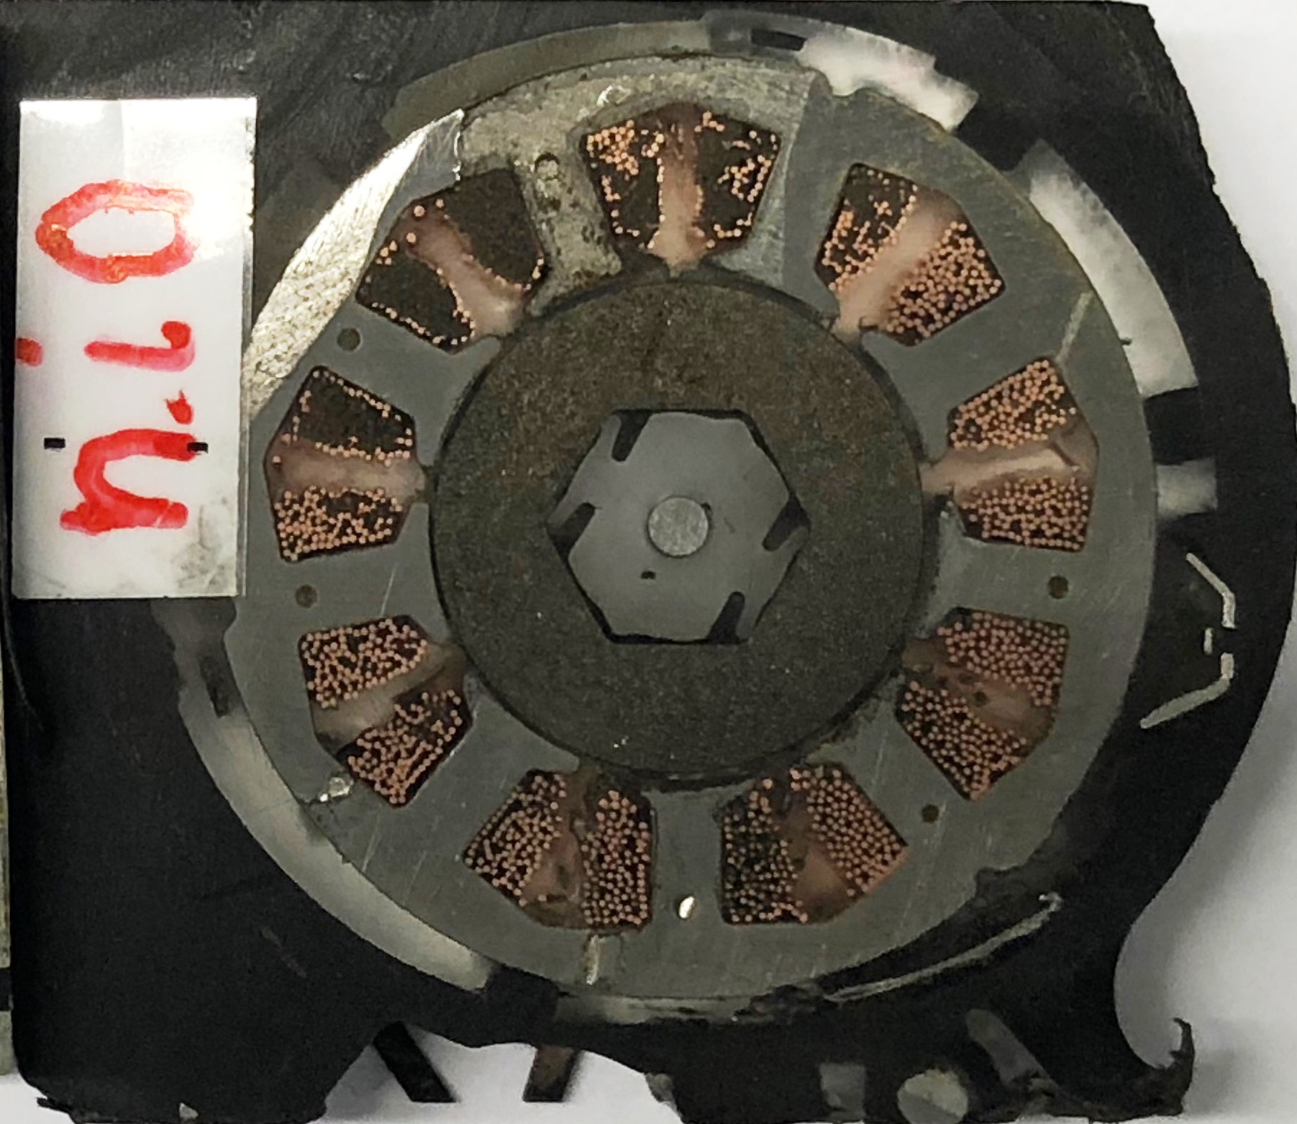

Y+
Y+
 |  | Stator-ID | Stator-ID
 |  | X = 0 | X = 0
 |  | Y = 0 | Y = 0

 | i.O.-Part | Magnet-OD | Shaft-OD
 |  | X = -0,064 | X = -0,029
 |  | Y = -0,002 | Y = -0,016

X+
X+
 | NG-Part | Magnet-OD | Shaft-OD
 |  | X = -0,109 | X = -0,112
 |  | Y = -0,051 | Y = -0,028

i.O.-Part
NG-Part

2. Versuch
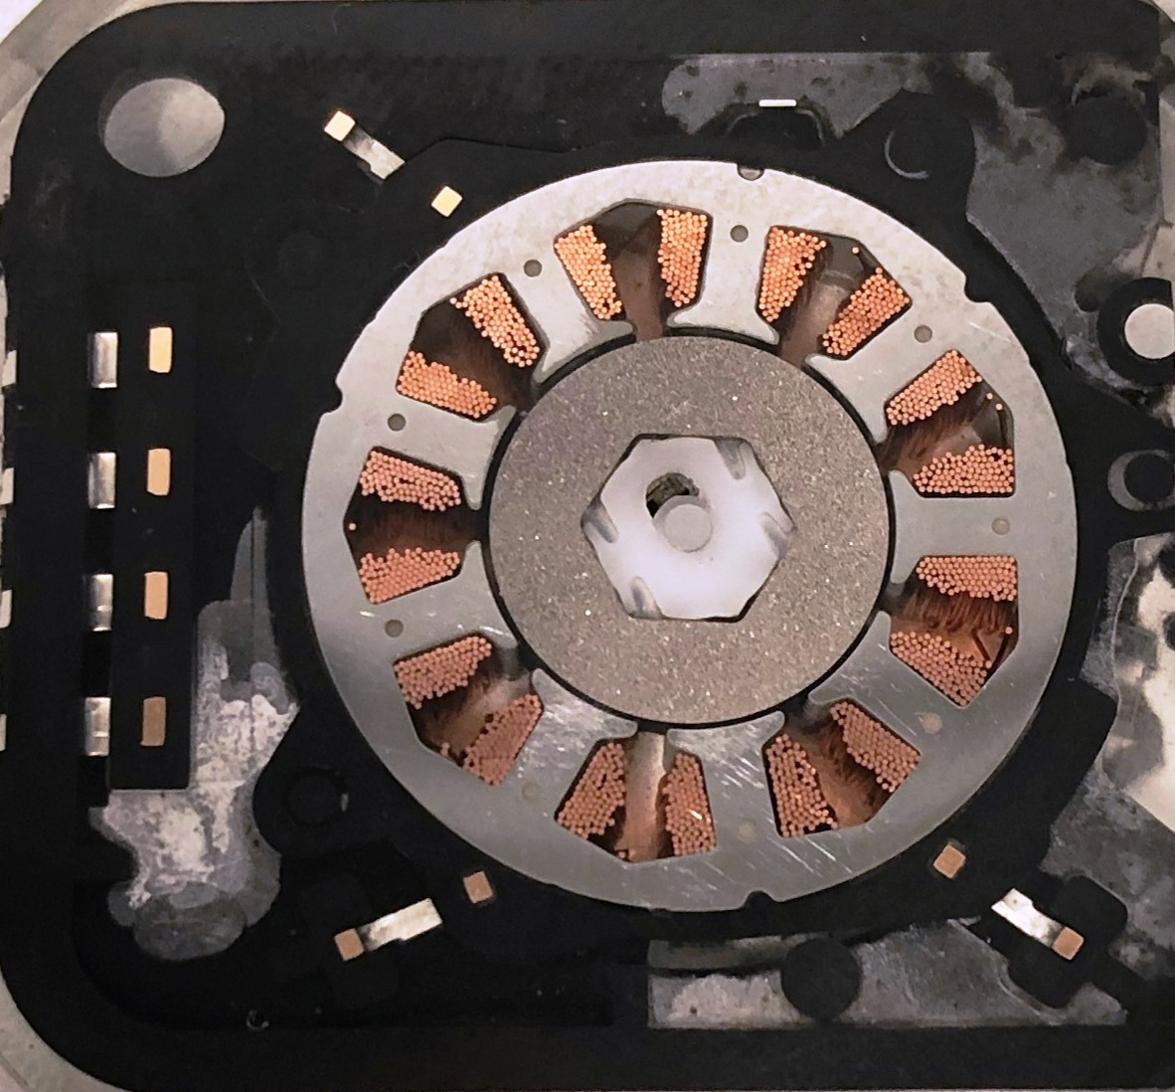
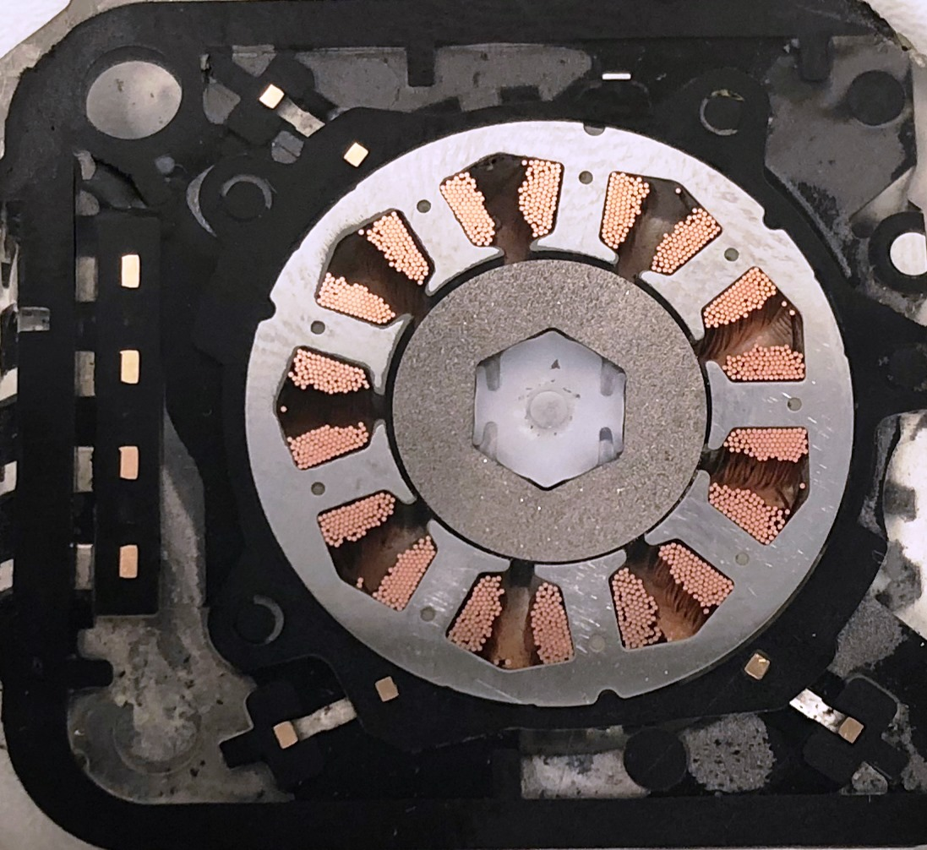

 |  | Stator-ID | Stator-ID
 |  | X = 0 | X = 0
 |  | Y = 0 | Y = 0

 | i.O.-Part | Magnet-OD | Shaft-OD
 |  | X = +0,032 | X = +0,01
 |  | Y = -0,059 | Y = -0,049

 | NG-Part | Magnet-OD | Shaft-OD
 |  | X = +0,057 | X = +0,03
 |  | Y = -0,111 | Y = -0,125

