GearMotor_ID_CMM
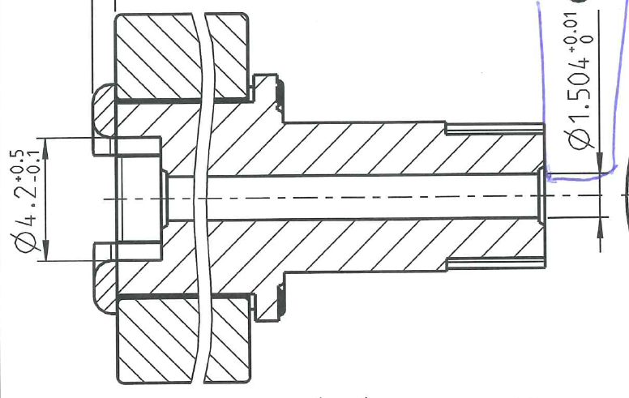
INCOMING INSPECTION

CUSTOMER : | AUDI
PROJECT-NAME : | Audi Ladeklappe
PART-NAME : | GEN2.5 Aktuator
PROJECT-NO : | 3175030000 |  | LS = Gauss circle
PART-NO : | 131688800029 |  | MI = inscribed circle
DATE : | 2018-09-03 |  | MC = enveloping circle
QC-NO :
INSPECTOR : | G. Bania
TEAMLEADER: | Ali Dogan
 |  | LS Value | LS Value | LS Value | LS Value | LS Value | LS Value | LS Value | LS Value | LS Value | LS Value | LS Value | LS Value | LS Value | LS Value | LS Value | Runout
Measurement equipment |  | Centermax | Centermax | Centermax | Centermax | Centermax | Centermax | Centermax | Centermax | Centermax | Centermax | Centermax | Centermax | Centermax | Centermax | Centermax | Centermax
Measurement no. |  | 62061 | 62061 | 62061 | 62061 | 62061 | 62061 | 62061 | 62061 | 62061 | 62061 | 62061 | 62061 | 62061 | 62061 | 62061 | 62061
Notation |  | 2mm | 3mm | 4mm | 5mm | 6mm | 7mm | 8mm | 9mm | 10mm | 11mm | 12mm | 13mm | 14mm | 15mm | 16mm | -
Symbol |  | n | n | n | n | n | n | n | n | n | n | n | n | n | n | n
Specification |  | 1.440 | 1.440 | 1.440 | 1.440 | 1.440 | 1.440 | 1.440 | 1.440 | 1.440 | 1.440 | 1.440 | 1.440 | 1.440 | 1.440 | 1.440 | 0.030

Tolerance upper |  | 0.020 | 0.020 | 0.020 | 0.020 | 0.020 | 0.020 | 0.020 | 0.020 | 0.020 | 0.020 | 0.020 | 0.020 | 0.020 | 0.020 | 0.020 | 0.010
Tolerance lower |  | -0.020 | -0.020 | -0.020 | -0.020 | -0.020 | -0.020 | -0.020 | -0.020 | -0.020 | -0.020 | -0.020 | -0.020 | -0.020 | -0.020 | -0.020 | -0.010
Unit |  | [mm] | [mm] | [mm] | [mm] | [mm] | [mm] | [mm] | [mm] | [mm] | [mm] | [mm] | [mm] | [mm] | [mm] | [mm] | [mm]
USL |  | 1.460 | 1.460 | 1.460 | 1.460 | 1.460 | 1.460 | 1.460 | 1.460 | 1.460 | 1.460 | 1.460 | 1.460 | 1.460 | 1.460 | 1.460 | 0.040
LSL |  | 1.420 | 1.420 | 1.420 | 1.420 | 1.420 | 1.420 | 1.420 | 1.420 | 1.420 | 1.420 | 1.420 | 1.420 | 1.420 | 1.420 | 1.420 | 0.020
Quantity |  | 7 | 7 | 7 | 7 | 7 | 7 | 7 | 7 | 7 | 7 | 7 | 7 | 7 | 7 | 7 | 7
avg. |  | 1.481 | 1.458 | 1.474 | 1.478 | 1.473 | 1.467 | 1.461 | 1.458 | 1.463 | 1.451 | 1.445 | 1.453 | 1.461 | 1.466 | 1.469 | 0.028
s |  | 0.012 | 0.007 | 0.001 | 0.003 | 0.003 | 0.003 | 0.003 | 0.003 | 0.010 | 0.011 | 0.003 | 0.004 | 0.004 | 0.004 | 0.003 | 0.006
avg + 5s |  | 1.541 | 1.495 | 1.481 | 1.493 | 1.489 | 1.481 | 1.475 | 1.473 | 1.513 | 1.508 | 1.459 | 1.471 | 1.479 | 1.487 | 1.485 | 0.057
avg - 5s |  | 1.421 | 1.421 | 1.468 | 1.462 | 1.458 | 1.452 | 1.448 | 1.442 | 1.413 | 1.394 | 1.432 | 1.436 | 1.444 | 1.444 | 1.453 | -0.001
max |  | 1.491 | 1.465 | 1.476 | 1.481 | 1.477 | 1.470 | 1.465 | 1.462 | 1.481 | 1.473 | 1.450 | 1.458 | 1.467 | 1.472 | 1.473 | 0.036
min |  | 1.468 | 1.451 | 1.473 | 1.475 | 1.470 | 1.463 | 1.458 | 1.454 | 1.452 | 1.443 | 1.443 | 1.450 | 1.457 | 1.461 | 1.465 | 0.023
R |  | 0.023 | 0.014 | 0.003 | 0.006 | 0.007 | 0.007 | 0.007 | 0.007 | 0.028 | 0.030 | 0.007 | 0.009 | 0.010 | 0.012 | 0.008 | 0.013
cp |  | 0.56 | 0.89 | 5.30 | 2.16 | 2.20 | 2.28 | 2.53 | 2.14 | 0.67 | 0.58 | 2.45 | 1.89 | 1.87 | 1.55 | 2.06 | 0.57
cpk |  | -0.58 | 0.08 | -3.78 | -1.93 | -1.47 | -0.75 | -0.19 | 0.24 | -0.10 | 0.26 | 1.79 | 0.64 | -0.13 | -0.43 | -0.91 | 0.48
Cavity.no.: | Part.no.: | FAIL | FAIL | FAIL | FAIL | FAIL | FAIL | FAIL | FAIL | FAIL | FAIL | O.K. | O.K. | FAIL | FAIL | FAIL | O.K.
 | 1 | 1.468 | 1.451 | 1.475 | 1.481 | 1.477 | 1.470 | 1.465 | 1.461 | 1.481 | 1.473 | 1.450 | 1.458 | 1.467 | 1.472 | 1.473 | 0.036
 | 2 | 1.490 | 1.465 | 1.473 | 1.475 | 1.471 | 1.465 | 1.458 | 1.456 | 1.456 | 1.443 | 1.443 | 1.450 | 1.462 | 1.465 | 1.468 | 0.024
 | 3 | 1.468 | 1.452 | 1.476 | 1.480 | 1.476 | 1.468 | 1.463 | 1.462 | 1.465 | 1.453 | 1.447 | 1.456 | 1.463 | 1.468 | 1.472 | 0.035
 | 4 | 1.491 | 1.465 | 1.473 | 1.475 | 1.471 | 1.464 | 1.460 | 1.456 | 1.452 | 1.447 | 1.443 | 1.450 | 1.458 | 1.462 | 1.466 | 0.023
 | 5 | 1.468 | 1.451 | 1.475 | 1.481 | 1.476 | 1.469 | 1.463 | 1.458 | 1.461 | 1.446 | 1.447 | 1.454 | 1.462 | 1.465 | 1.470 | 0.024
 | 6 | 1.490 | 1.465 | 1.473 | 1.475 | 1.470 | 1.463 | 1.459 | 1.454 | 1.464 | 1.443 | 1.443 | 1.451 | 1.457 | 1.461 | 1.465 | 0.028
 | 7 | 1.491 | 1.465 | 1.474 | 1.476 | 1.471 | 1.465 | 1.460 | 1.456 | 1.472 | 1.459 | 1.443 | 1.454 | 1.458 | 1.457 | 1.455 | 0.054
 | 8 | 1.467 | 1.451 | 1.476 | 1.481 | 1.476 | 1.469 | 1.465 | 1.464 | 1.474 | 1.446 | 1.451 | 1.461 | 1.467 | 1.473 | 1.475 | 0.033
 | 9 | 1.491 | 1.465 | 1.474 | 1.476 | 1.471 | 1.463 | 1.460 | 1.455 | 1.448 | 1.453 | 1.442 | 1.449 | 1.457 | 1.460 | 1.465 | 0.044
 | 10 | 1.468 | 1.451 | 1.475 | 1.481 | 1.476 | 1.469 | 1.465 | 1.458 | 1.490 | 1.446 | 1.447 | 1.456 | 1.463 | 1.468 | 1.472 | 0.030

