Sheet1
Industry | Number of Item Types | Analytics Needed
Semiconductor | 20 | 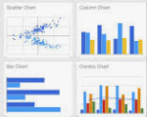
Semiconductor | 15 | 
Medical | 8
Semiconductor | 12
Medical | 28
Medical | 50

