Sheet1
 | JOB OFFER 1 | JOB OFFER 2 | JOB OFFER 3 | JOB OFFER 4 | JOB OFFER 5 | COMMUTE_WEIGHT | 1
TITLE | SW Engr | SW Engr | SW Engr | SW Engr | SW Engr | SALARY_WEIGHT | 1
COMPANY | Amazon | Netflix | Alphabet | Twitter | LinkedIn | BONUS_WEIGHT | 1
LOCATION | Seattle, WA | Los Angeles, CA | NYC, NY | San Francisco, CA | San Jose, CA | RETIREMENT_WEIGHT | 1
COL | 170 | 165 | 200 | 198 | 192 | LEAVE_WEIGHT | 1
COMMUTE | 1 | 1 | 2 | 1 | 1 | TOTAL_WEIGHT | 5
SALARY | 150,000 | 140,000 | 190,000 | 160,000 | 220,000
BONUS | 50,000 | 35,000 | 65,000 | 45,000 | 100,000 | CURRENT_JOB_COL | 170
RETIREMENT | 5 | 5 | 5 | 5 | 5
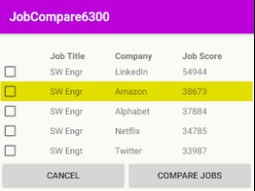
LEAVE | 8 | 8 | 8 | 8 | 8

AYS | 150000 | 144242.42424 | 161500 | 137373.73737 | 194791.66667
AYB | 50000 | 36060.606061 | 55250 | 38636.363636 | 88541.666667
RBP | 0.05 | 0.05 | 0.05 | 0.05 | 0.05
JOB SCORE | 38673.076923 | 34784.615385 | 37883.846154 | 33986.790987 | 54943.509615

EXPECTED_RANK | 2 | 4 | 3 | 5 | 1
ACTUAL_RANK | 2 | 4 | 3 | 5 | 1

Sheet2
 | JOB OFFER 1 | JOB OFFER 2 | JOB OFFER 3 | JOB OFFER 4 | JOB OFFER 5 | COMMUTE_WEIGHT | 3
TITLE | SW Engr | SW Engr | SW Engr | SW Engr | SW Engr | SALARY_WEIGHT | 10
COMPANY | Amazon | Netflix | Alphabet | Twitter | LinkedIn | BONUS_WEIGHT | 8
LOCATION | Seattle, WA | Los Angeles, CA | NYC, NY | San Francisco, CA | San Jose, CA | RETIREMENT_WEIGHT | 5
COL | 170 | 165 | 200 | 198 | 192 | LEAVE_WEIGHT | 1
COMMUTE | 1 | 1 | 2 | 1 | 1 | TOTAL_WEIGHT | 27
SALARY | 150,000 | 140,000 | 190,000 | 160,000 | 220,000
BONUS | 50,000 | 35,000 | 65,000 | 45,000 | 100,000 | CURRENT_JOB_COL | 170
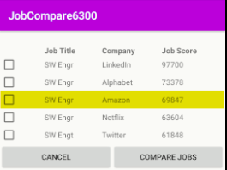
RETIREMENT | 5 | 5 | 5 | 5 | 5
LEAVE | 8 | 8 | 8 | 8 | 8

AYS | 150000 | 144242.42424 | 161500 | 137373.73737 | 194791.66667
AYB | 50000 | 36060.606061 | 55250 | 38636.363636 | 88541.666667
RBP | 0.05 | 0.05 | 0.05 | 0.05 | 0.05
JOB SCORE | 69846.866097 | 63604.333938 | 73378.490028 | 61847.535181 | 97699.801163

EXPECTED_RANK | 3 | 4 | 2 | 5 | 1
ACTUAL_RANK | 3 | 4 | 2 | 5 | 1

Sheet3
 | JOB OFFER 1 | JOB OFFER 2 | JOB OFFER 3 | JOB OFFER 4 | JOB OFFER 5 | COMMUTE_WEIGHT | 5
TITLE | SW Engr | SW Engr | SW Engr | SW Engr | SW Engr | SALARY_WEIGHT | 2
COMPANY | Amazon | Netflix | Alphabet | Twitter | LinkedIn | BONUS_WEIGHT | 1
LOCATION | Seattle, WA | Los Angeles, CA | NYC, NY | San Francisco, CA | San Jose, CA | RETIREMENT_WEIGHT | 10
COL | 170 | 165 | 200 | 198 | 192 | LEAVE_WEIGHT | 10
COMMUTE | 1 | 1 | 2 | 1 | 1 | TOTAL_WEIGHT | 28
SALARY | 150,000 | 140,000 | 190,000 | 160,000 | 220,000
BONUS | 50,000 | 35,000 | 65,000 | 45,000 | 100,000 | CURRENT_JOB_COL | 170
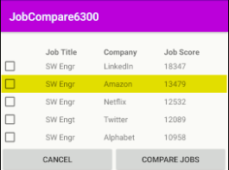
RETIREMENT | 5 | 5 | 5 | 5 | 5
LEAVE | 8 | 8 | 8 | 8 | 8

AYS | 150000 | 144242.42424 | 161500 | 137373.73737 | 194791.66667
AYB | 50000 | 36060.606061 | 55250 | 38636.363636 | 88541.666667
RBP | 0.05 | 0.05 | 0.05 | 0.05 | 0.05
JOB SCORE | 13478.708791 | 12532.051282 | 10957.760989 | 12088.605839 | 18346.854968

EXPECTED_RANK | 2 | 3 | 5 | 4 | 1
ACTUAL_RANK | 3 | 4 | 2 | 5 | 1

