Break-Even Analysis
W05 Application Activity: Break-Even Analysis

 | Annual Costs (Fixed & Varable) | Annual Revenue
0 | $5,241.24 | $-
16,156 | $10,088.10 | $12,924.96
For instructions, see your Canvas course Modules - W05 Application Activity: Break-Even Analysis. |  | Part 1: Type Your Refreshing Drink's Name Here: | Part 2: Annual Fixed Cost |  |  | Part 3: Price and % of Demand |  |  |  | Part 5: Yearly Cost & Revenue
 |  | Mango Juice | Neighborhood Market Fixed Cost per Month |  |  |  |  | Read Chart ✓ | Price Range ✓ |  |  | Monthly Demand | Price Adjusted Demand
 |  |  | Shop Rental | $322.74 |  | Price | $0.80 | C | C |  | January | 273 | 164
 |  |  | Utilities (power, water, trash) | $114.03 |  | % of Demand | 60% |  |  |  | February | 611 | 367
 |  |  |  |  | ✓ |  |  |  |  |  | March | 1,060 | 636
 |  |  | Annual Fixed Cost | $5,241.24 | C | Part 4: Break-Even Point |  |  |  |  | April | 1,999 | 1,199
 |  |  | Variable Costs | $0.30 |  |  |  | ✓ |  |  | May | 3,211 | 1,927
 |  |  |  |  |  | Break-Even Point (# of cups sold) | 10482 | C |  |  | June | 4,146 | 2,488
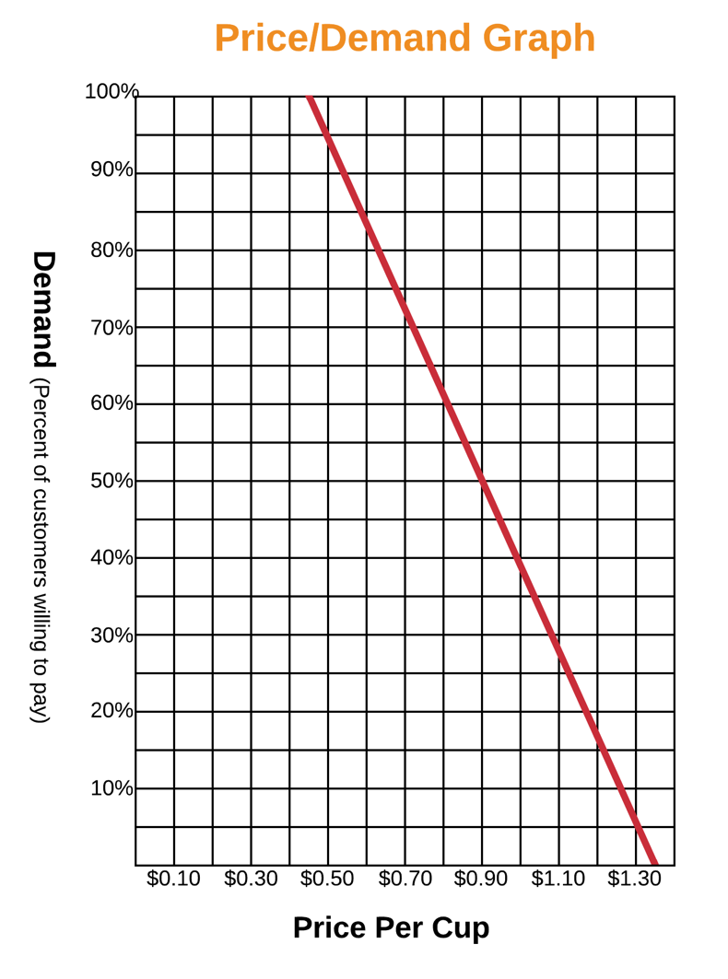
✓ Feedback Key: | C | = Correct |  |  |  | Break-Even Point = Fixed Cost / (Price - Variable Costs) |  |  |  |  | July | 3,075 | 1,845
 | A | = Check Answer, Cell Referencing is Correct |  |  |  |  |  |  |  |  | August | 3,211 | 1,927
 | CR | = Check Cell Referencing, Answer is Correct |  |  |  | Revenue: | $8386 |  |  |  | September | 3,788 | 2,273
 | N | = Not Correct |  |  |  | Cost: | $8386 |  |  |  | October | 2,706 | 1,624
 |  |  |  |  |  |  |  |  |  |  | November | 2,106 | 1,264
 |  |  |  |  |  | *After inputing your break-even point formula, do the Revenue and Cost match? If so, you have properly calculated the break-even point. The break-even point is the number of cups sold when the cost and revenue match. When referring to the chart in Part 5, the break-even point is shown at the intersection of both lines. Any additional cups sold after the break-even point will become profit. |  |  |  |  | December | 741 | 445

 |  |  |  |  |  |  |  |  |  |  |  | Beginning of Year | End of Year

 |  |  |  |  |  |  |  |  |  |  | Total Units (Cups) Sold | 0 | 16,156
 |  |  |  |  |  |  |  |  |  |  | Annual (Fixed and Variable) Costs | $5,241 | $10,088
 |  |  |  |  |  |  |  |  |  |  | Annual Revenue | $0 | $12,925
 |  |  |  |  |  |  |  |  |  |  |  | Annual Net Profit | $2,837
 |  |  |  |  |  |  |  |  |  |  |  | Profit Margin | 22%

