Parameter to Consider
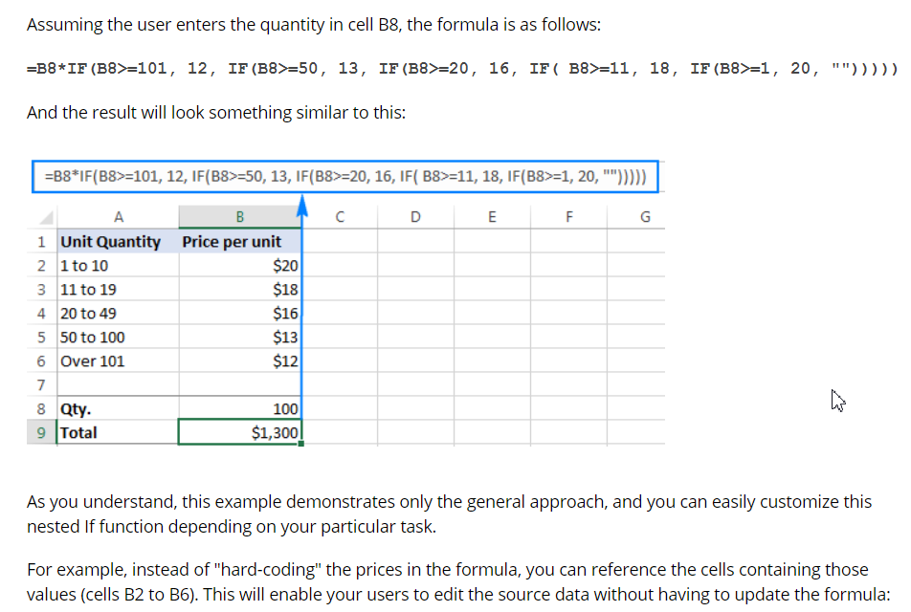
 |  |  |  |  |  | Material | Facility and Space | Cost | Equipment Reliablity
 |  |  |  |  |  | Pallet | Ailse Width | Initial Investment | RIO
 |  |  |  |  |  | Racks | Celling Height | Maintainance Cost
 |  |  |  |  |  | Loose Material | Rack Type | Operation Cost
 |  |  |  |  |  | Weight | Storage Location
 |  |  |  |  |  |  | Trajectory Path Dimensions
 |  |  |  |  |  |  | Distance

 | Sr No | MHE |  | Max. Payload in lbs | Max. Transportation Distance in ft | Max. Frequency/ Shift | Minimum Aisle Width, Ft | Turning Radius, ft | Max. Vertical Reach, ft | Application | Floor Condition | Maintainance Cost | Operation cost | Cost of MHE | Speed, km/Hr
rahul | 1 | Manual Hand Cart/Trolley (4wheel) |  | 500 | 100 | 200 | 4 |  | 0 | Kitting/Totes | Concrete | Low | High | $400.00 | 4 | 0
rahul | 2 | Powered Cart |  | 500-1000 | 100 | 200 | 4 |  | 0 | Kitting/Totes | Concrete | High | High | $2,000.00 | 4.5 | 0
rahul | 3 | Stock Chaser |  | 10000 | 1000 | 400 | 3 |  | 0 | Kitting/Totes | Concrete | Low | Low | $7,000.00 | 10 | 0
Subhashree | 4 | Tugger Cart |  | 10000-13000 | 1000 | 400 | 11 | 4~8 | 0 | Replenishment area, Delivery aisle, Lineside staging | Smooth | High | Medium | $70,000.00 | 7 | 0
Subhashree | 5 | Forklift |  | 3000- 70000 | 820 | 74 | 10 | 5.5~6 | 28 | Distribution Center,Warehouse, Outdoor travel | Rough/Smooth | High | Very High | $30,000.00 | 7 | 2
bhagyashree | 6 | Pallet Jack | Hand | 1500 | 100 | 200 | 4 |  | 0 | Mechanical & Unit load | i.Keep floors in good repair. ii. Ensure floors are clean, free of debris, dirt, dust, miscellaneous liquids, or spills. iii. If floors are very uneven, consider fixing the floors or using powered carts. | Low | High | $450.00 |  | 0
 |  |  | Electric | 5000 | 250 | 400 | 4 |  | 0 | Mechanical & Unit load |  | High | High | $2,500.00 | 6.6 | 0
bhagyashree | 7 | Reach Trucks- Narrow- 14m Height reach |  | 4500 | 328 | 25 | 10 | 5 | 36 | block stacking, drive-in racking, and long load handling | Concrete floors | High | High | $2,500.00 | 14 | 1
rahul | 8 | AGV |  | 50-1000 | 50000 | 6250 | 6 | 3.5 | 0 | Unit Load, Pallets, Bulk Containers | Concrete | Very High | Very High | $125,000.00 | 5 | 0
Subhashree | 9 | Pallet Stacker |  | ~4500 | 330 |  | 7.7 | 4.5 | 22 | retail stock rooms, production lines, part stores | Rough/Smooth | High | High | $5,000.00 | 8 | 2
 |  |  |  | 0-250 = | MHE- Efficiency-
 |  |  |  | 251-500= | how many MHE required? |  |  |  |  | Rough/Smooth- 3 | Very High=1
 |  |  |  | 501-800= |  |  |  |  |  | Smooth-2 | High= 2
 |  |  |  | 801-1000= |  |  |  | vertical reach | rating | Concrete- 1 | Medium=3
 |  |  |  | 1000-2000= |  |  |  | 0~22 |  |  | Low=4
 |  |  |  | 2000-5000= |  |  |  | 23~28
 |  |  |  | 5000-12000= |  |  |  | 29~36
 |  |  |  | >12000=

Slection Models
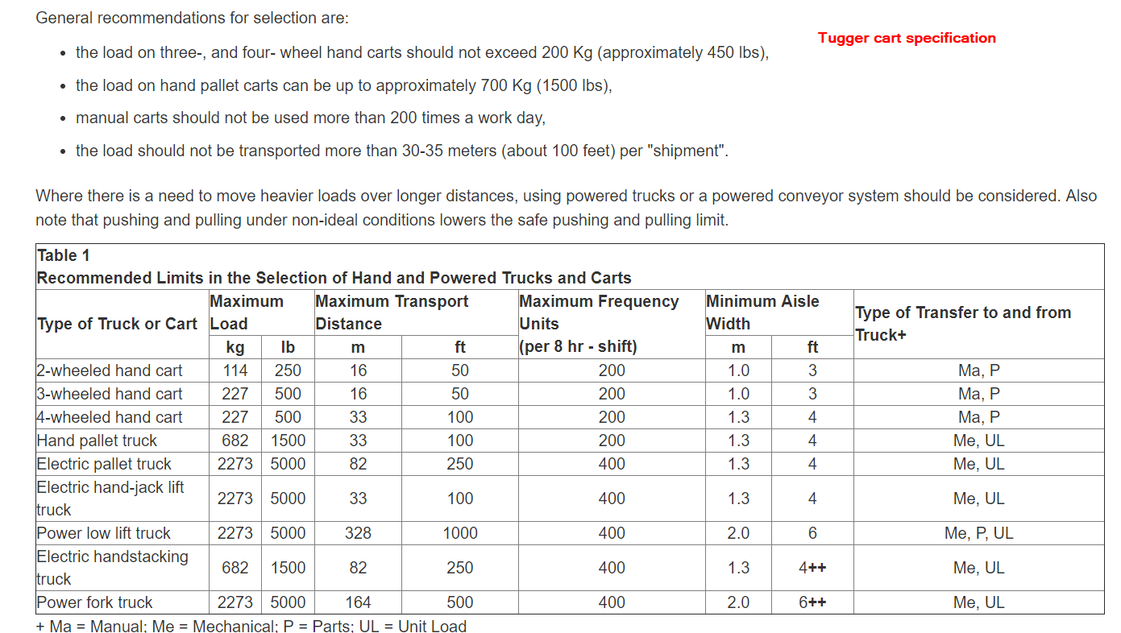
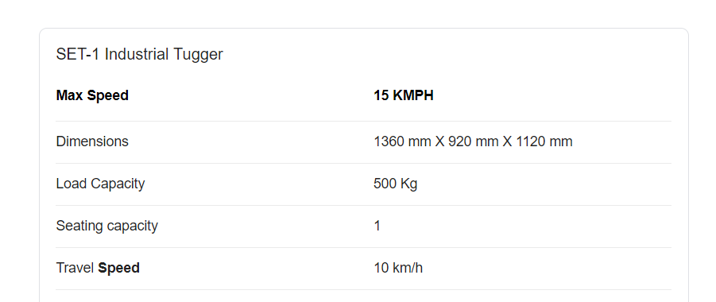
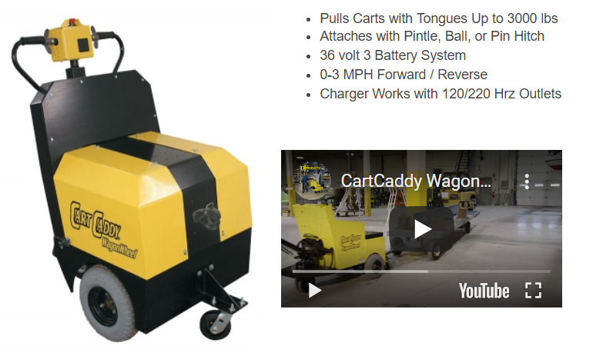
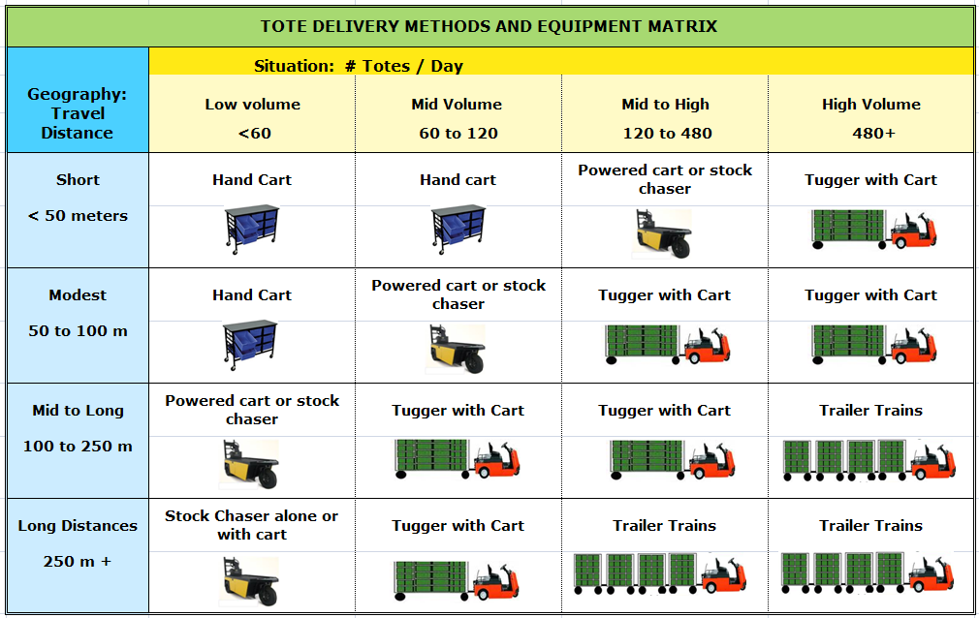

 |  |  |  |  |  |  |  |  |  |  |  | When to Use each of MHE?

 | Manual Carts/Trolley
 | Aisle Width- Min. 600 mm to operator to move
 | Push- Pull force limitation
 | Distance up to 100 m
 | floor condition and nature
 | Operator Ergonomics

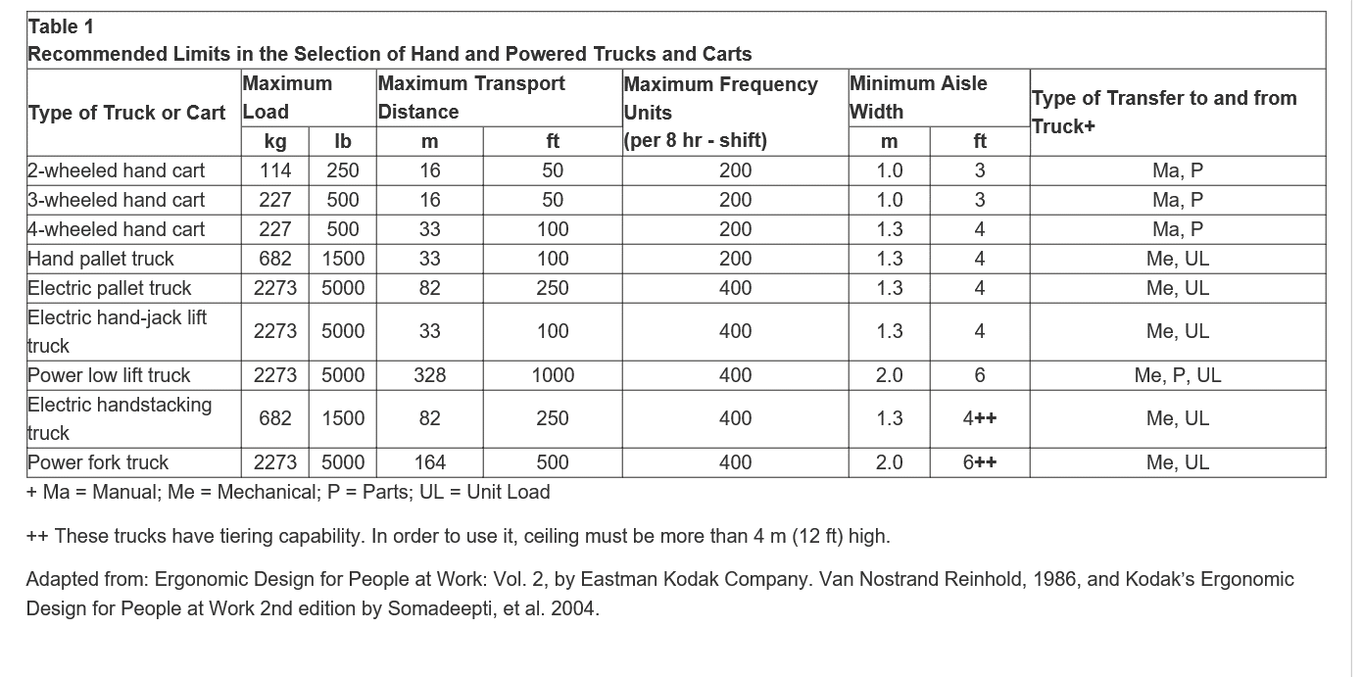

AGV-
Payload- Light/Heavy
Navigation System- Laser Guidance, Magnetic Strips, GPS
Layout

 | Factors affecting selecting Material Handling
Type of Material handling equipment | Load capacity (max.) in lbs | type of power | Direction of Material movement | Travel speed in km/hr |  | turning radius in mm | Size & Shape of load | aisle width in ft | Height of storing rack | Floor Condition | Lift Height | Cost
 |  |  |  | Loaded | Empty
Tugger Cart | 8000-10000 | Power driven/ Manual / Automated | pull | 9.6 | 14.4 | 1230 | standard rack size/Totes | 11
Fork lift | 3000- 70000 | Power driven/Electric / Automated | push | 17.7 | 19.7 | 1690-1830 | standard rack size/Totes | 10
Pallet stacker | ~4500 | Power driven/ Manual |  | 5-5.5 | 5.5-6 | 1401 | standard rack size/Totes

** aisle width formula = Basic Right Angle Stacking Width + Load Length + 12 Inches

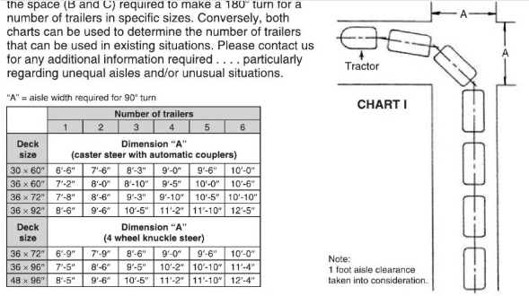

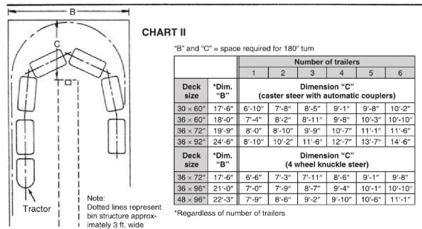

Pallet Jack

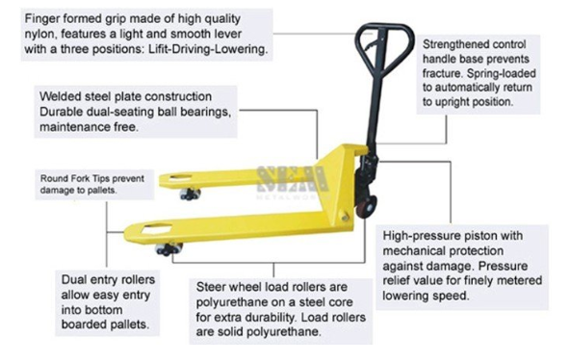
Robust
Powder Coated Body
Easy to Operate
Silent in Operations
Easy Pallet Entry and Exit
Steering wheels – Dia 200 x 50mm- 2 Nos.
Forks wheels – Dia 82 x 70 mm – 4 Nos. (Tandem Rollers)
Truck weight – 90 kg.
Load Capacity – 2500 kg. (Uniformly distributed on forks over 1 x 1 mtr. Pallet)

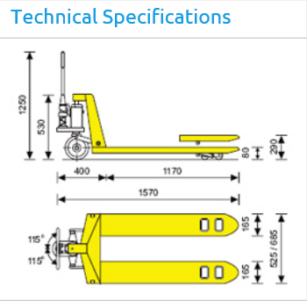

Reach Truck

2,500 - 4,500 lb. Load Capacity.
6.5 - 7.5 MPH Travel Speed Full Load.
Up to 30.5 feet Maximum fork height
a new reach forklift might cost approximately $15,000 to $35,000 and up
Voltage 24V

