Live 1
TRY TO FIND A PAPER ON MEMORY, DO NOT FOCUS ON CPU

Parallelism
 | Limited resources, must execute in parallel
 | One example (of four): pipelining
 |  | Dividing instruction to be executed into stages
 |  | Five stages:
 |  | 1 | Instruction Fetch (Ifetch)
 |  |  |  | In memory first (once you load program)
 |  |  |  | Program Counter (PC) points to location of instruction set in memory
 |  | 2 | Register read (reg)
 |  |  |  | Instruction decode
 |  |  |  | Interpret/understand instruciton
 |  |  |  | Also: read registers you want to work on
 |  |  |  |  | Say you want to add two numbers, must have the registers where the two numbers are
 |  | 3 | Execute (ALU)
 |  |  |  | the ALU will perform the action if its add/substract/etc
 |  | 4 | Data Memory Access (Dmem)
 |  |  |  | for instructions like load/store, must work between memory and register
 |  | 5 | Register Write (Reg)
 |  |  |  | Destination of operation

For registers, can ask registers to be read in the first half of the cycle and written (or vice versa) in the second half
 | No longer have a conflict if two instruction sets are accessing registers on the same cycle

Principle of Locality
 | Temporal: if an item is referenced, it will tend to be referenced again soon (loops, reuse)
 | Spacial: if an item is referenced, items whose addresses are close by tend to be referenced again soon (straight-line code, aray access)

Focus on the Common Case
 | Amdahl's Law |  |  |  |  | 0.6 | 0.04 | 0.64
 |  |  |  |  |  |  |  | 1.5625
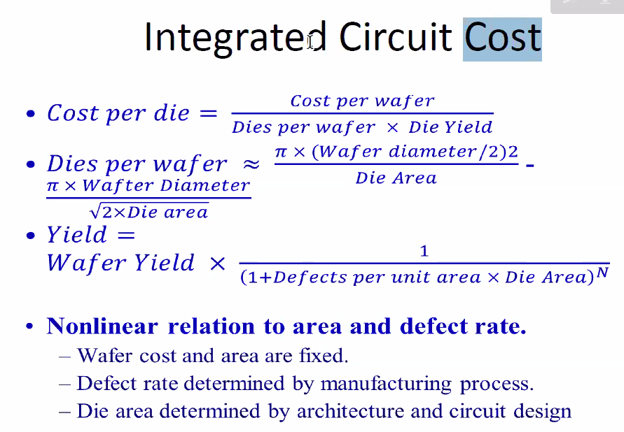
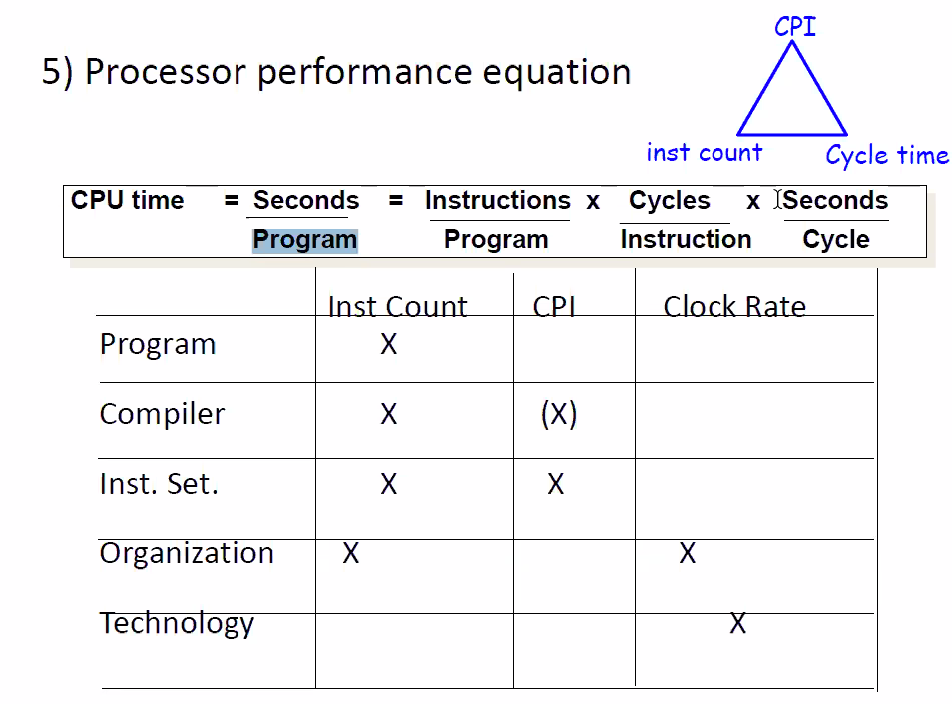
Processor Performance Equation
 | CPU Time = seconds/program = instructions/program x cycles/instruction x seconds/cycle

Latency Lagging Bandwith
 | Bandwith doubles, latency improves by a smaller factor
 | Bandwith easier to sell

 | Latency helps Bandwith, but not vice versa
 |  | Latency: finish task earlier, get more data to process

Power Consumption
 | Dynamic: depends on the load
 |  | Traditional dominant energy consumption has been switch transistors
 | Static: even when a transistor is off, this is static
 |  | Leakage current increases in processors with smaller transistor sizes
 |  | Increasing the number of transistors increases power even if they are turned off

 | CMOS transistor has the lowest leakage technology

Live 3
Lower MIPS
 | addd | r1 | r2 | r3
 | sub | r10 | r40
 | xor
 | adi | $100

 | add documentation: |  |  | translation/interpretation of codes
 |  | opcode for add
 |  | add: 000 |  |  |  |  |  |  |  |  |  |  |  |  | that's just stupid. The correct way to solve this would be either a neural network, or a blockahin. Or both to be sure it's good
 |  | r1: 001
 |  | r2: 010
 |  |  |  |  |  |  |  |  |  |  |  |  |  |  |  | CPU Cycles
 | opcode |  |  |  |  |  |  |  |  |  |  |  |  |  |  | 1 | 2 | 3 | 4 | 5 | 6 | 7 | 8 | 9
 |  | 3 bits for opcode, 3 for destination, 3 for reg, 3 for reg 2 |  |  |  |  |  |  |  |  |  |  |  |  | P1 | P1 | P1 | P1
 |  |  |  |  |  |  |  |  |  |  |  |  |  |  | P2 |  |  |  | P2 | P2 | P2
MARS clone: |  |  |  |  |  |  |  |  |  |  |  |  |  |  | P3 |  |  |  |  |  |  | P3 | P3 | P3
 | text box/white screen to type in |  |  |  | add, subi, etc.
 | middle screen |  |  |  | every time you press enter, you see the binary representation of that instruction
 | third screen to show result |  |  |  | Then, you see registers with their values |  |  |  |  |  |  |  |  |  |  | CPU Cycles
 |  |  |  |  | should include some sort of memory/address space |  |  |  |  |  |  |  |  |  |  | 1 | 2 | 3 | 4 | 5 | 6 | 7 | 8 | 9
 |  |  |  |  | 16 registers, each one is 8 bits |  |  |  |  |  |  |  |  |  | P1 | P1 | P1 | P1
 |  |  |  |  |  |  |  |  |  |  |  |  |  |  | P2 |  | P2 | P2 | P2
 | /// |  |  |  |  |  |  |  |  |  |  |  |  |  | P3 |  |  | P3 | P3 | P3

 | Pipelining
 |  |  |  |  |  |  |  |  |  |  |  |  |  |  |  | CPU Cycles
 |  | multiple instructinos are overlapped in execution |  |  |  |  |  |  |  |  |  |  |  |  |  | 1 | 2 | 3 | 4 | 5 | 6 | 7 | 8 | 9 | 10 | 11 | 12 | 13 | 14 | 15
 |  | each is a different stage |  |  |  |  |  |  |  |  |  |  |  |  | P1 | F | D | X | M | W
 |  | each stage is called pipe stage or segment |  |  |  |  |  |  |  |  |  |  |  |  | P2 |  |  |  |  |  | F | D | X | M | W
 |  | throughput: # insturcions completed/cycle |  |  |  |  |  |  |  |  |  |  |  |  | P3 |  |  |  |  |  |  |  |  |  |  | F | D | X | M | W
 |  |  | cycle: could be nanoseconds, minute, doesn't matter. Inside each machine
 |  | each step takes a machine cycle |  |  |  |  |  |  |  |  |  |  |  |  |  | CPU Cycles
 |  | want to balance the work |  |  |  |  |  |  |  |  |  |  |  |  |  | 1 | 2 | 3 | 4 | 5 | 6 | 7 | 8 | 9 | 10 | 11 | 12 | 13 | 14 | 15
 |  |  |  |  |  |  |  |  |  |  |  |  |  |  | P1 | F | D | X | M | W
 | Stages (RISC) |  |  |  |  |  |  |  |  |  |  |  |  |  | P2 |  | F | D | X | M | W
 |  | instruction Fetch |  |  |  |  |  |  |  |  |  |  |  |  | P3 |  |  | F | D | X | M | W
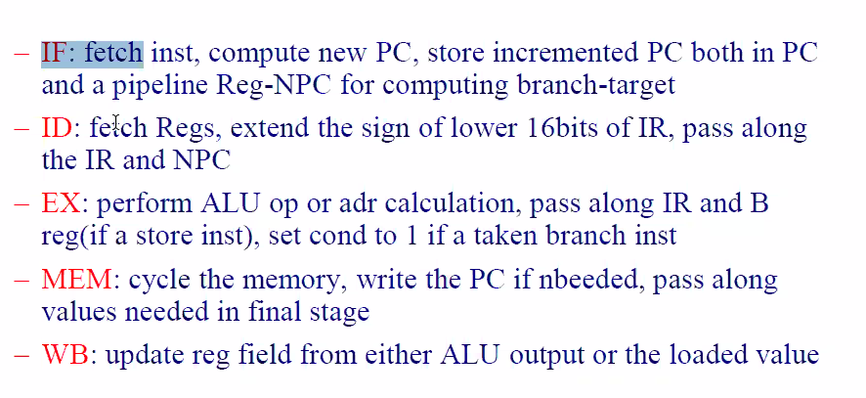
 |  |  | IR: instruction register
 |  | instruction decode/register fetch cycle (ID)
 |  |  | decode the instruction and read the registers corresponding to register source specifiers
 |  |  | do the equailty test on registers
 |  |  | sign-extend
 |  |  | compute possible branch tragert address
 |  |  | decoding is done in parallel with reading registers
 |  | Execution/effective address cycle (EX)
 |  |  | ALU operates on the operands and performs one of three functions:
 |  |  |  | memory reference: adds base register and the offset to form address
 |  |  |  | R-R ALU instruction: perform the operation on the values read from register files
 |  |  |  | R-Immediate ALU
 |  | Memory Access
 |  |  | If load, memory does a read using the effective address
 |  |  | If store, then the memory writes the data
 |  | Write-back cycle (WB)
 |  |  | Reg-reg, reg-imm, load instruction

 | Must do write first, so the read doesn't take old data
 |  | Registers are fast, so can split a cycle
 |  | separate I and D cache |  |  | // instruction and data
 |  |  | this allows memory to be accessed by two different instructions in the same cycle

 | Performance Issues
 |  | each instruction is slower, extra regs and time of slowest pipe stage
 |  | but throughput is higher
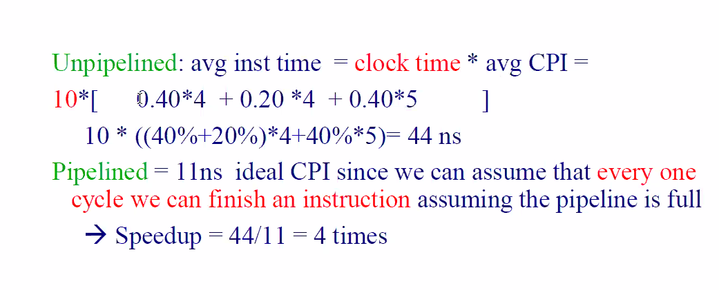
 | Ex
 |  | Unpipelined
 |  |  | 10ns cycle time
 |  |  | 4 cycles for ALU (40%), branch (20%), 5 cycles for mem (40%)
 |  | Pipelining: add 1 ns to clock overhead

 |  | Speedup:
 |  |  | need to find weighted weighted average
 |  |  | usually ignore startup time

 | Hazards (structural, data, control)
 |  | structural: resource conflict
 |  |  | some combination of instructions cannot be accomodated because of resource conflicts
 |  |  |  | registers: one on rise, one on fall
 |  |  |  | memory: two separate caches
 |  |  | can stall/bubble (waste one cycle) |  |  |  |  |  |  | Avg inst time = CPI * cycle time
 |  |  | Ex: |  |  |  |  |  |  |  | CPI: cycles per instructions
 |  |  |  | machine1: separate I, D (no structure hazards) |  |  |  |  |  | avg: CPI * (clock cycle time) = 1*(clock cycle time)
 |  |  |  | machine2: structure hazard (uunified I,D): |  |  |  |  |  | avg: CPI * (clock cycle time) / 1.05 = (1 + 0.4 * 1) * (clock cycle time) / 1.05 = 1.3 (clock cycle time)
 |  |  |  |  | clock rate 1/1.05 of machine 1 |  |  |  |  |  |  |  | 1 because must waist a clock cycle, but you only have a conflict of the 40% of the time
 |  |  |  | 40% of instructions are data access |  |  |  |  |  |  |  | = 1.3 * (clock cyle time)
 |  |  |  | which is faster: |  | pipeline stall overhead=1 |  |  |  | where (1+0.4*1) == 1 + (freq * pipeline stall overhead)

 |  | Data
 |  |  | Occurs because pipelining changes the order of read/write accesses to operands
 |  |  |  |  |  |  | some instructions require the result of another
 |  |  | To detect data hazard:
 |  |  |  | when/where R1 is available
 |  |  |  | when/where R1 is needed
 |  |  |  | is there backwards arrow or not? (drawn below in red)
 |  |  |  |  | If yes, add stall cycle (because you have data hazard)
 |  |  |  |  | minimum number of stall cycles: |  |  |  |  |  |  |  |  |  |  |  |  |  | Need two stall cycles
No forwarding solution>> |  |  |  |  |  |  |  |  |  |  |  |  |  |  |  |  |  |  | F | D | X | M | W
 |  |  | Ex (note the R1s) |  |  |  | F | D | X | M | W |  |  |  |  |  |  |  |  | F | S | S | D | X | M | W
 |  |  | (ALU) | DADD R1, R2, R3 |  |  | x | x | x | x | Available halfway through write-back (middle of W)
 |  |  |  | DSUB R4, R1, R5 |  |  |  | x | In middle | x | x | x | <<<<<<< | before the second half of the decoe
 |  |  |  | AND R6, R1, R7
 |  |  |  | OR R8, R1, R9
 |  |  |  | XOR R10, R1, R11

 |  |  | Fetch is always under the D, followed by S if needed
 |  |  |  | always put stall after fetch
 |  |  |  | can postpone D as much as we want

Forwarding solution>>
 | extra hardware: forwarding unit (must pay for it, needs circuits to support it)
 |  |  | Instead of waiting for R1, take R1 earlier
 |  |  | X is the oven for add, can't take before, but can take right after X
 |  |  | X is also the latest you can use it. So delay, line up X to X
 |  |  |  | ALU to ALU without giving to the decode stage
 |  |  |  |  | but must have forwarding unit
 |  |  |  | forward arrow ok

 |  |  | Ex
 |  |  |  | DADD R1, R2, R3 |  | F | D | X | M | W
 |  |  |  | DSUB R4, R1, R5 |  |  | F | D | X | M | W

 | Not always the answer |  |  |  | without forwarding |  |  |  |  |  |  | with forwarding
 | Not arithmetic | LW R1, 0(R2) |  | F | D | X | M | W |  |  |  | F | D | X | M | W |  | Now the oven is M because this is a load operation
 |  | SUB R4, R1, R5 |  |  | F | S | S | D | X | M | W |  | F | D | X | M | W | R1 is needed at the beginning of X
 |  | AND R6, R1, R7
 |  | OR R8, R1, R9

 | Still need a stall even with forwarding unit |  |  |  |  |  |  |  |  |  |  | F | D | X | M | W
 |  |  |  |  |  |  |  |  |  |  |  |  | F | D | S | X | M | W | Can put the stall before or after D

Live 4
 | Midterm: like homework 1 and 3
 |  | open notes, standard exam
 |  | lectures and homeworks |  |  |  | without forwarding
 |  |  |  |  |  | f | d | x | m | w |  | >> | f | d | x | m | w
 | Pipelining Continued |  |  |  |  |  | f | d | x | m | w |  |  | f | s | s | d | x | m | w

 | Three questions
 |  | with forwarding unit and without the answers are different
 |  | if no forwarding
 |  | 1 | when/where is r1 (potential hazard register) available
 |  |  |  | in the middle of the write back (not the end)

 |  | 2 | when is r1 needed to read from
 |  |  | in the middle of the decode
 |  | 3 | draw an arrow, if it is backwards it is a hazard

 |  | without forwarding, need to add stalls
 |  | must be exact with how many stalls

 |  | Forwarding |  |  |  |  | f | d | x | m | w
 |  | 1 | where is the "oven" |  |  |  |  | f | d | x | m | w
 |  |  | depends on instruction
 |  |  | could be ALU or memory
 |  |  | for add, it's x (calculation)
 |  | 2 | when is r1 needed
 |  |  | beginning of x (for a subtract)
 |  | 3 | arrow goes forward, no stall needed

potential hazard with r1 |  |  |  |  | Ex2 |  |  | with forwarding |  |  |  |  |  |  | >>
R1 available at end of the memory cycle |  |  |  |  | LW r1, 5(r2) |  |  |  | f | d | x | m | w |  |  | f | d | x | m | w
 | with forwarding |  |  |  | Add r3, r1, r2 |  |  |  |  | f | d | x | m | w |  |  | f | d | s | x | m | w
add with forwarding, at beginning of x

two dependent registers |  |  |  |  | Ex3
potential potential hazars |  |  |  |  | sw r1, 50(r2) |  | f | d | x | m | w
sw: take value of r1 and insert it in r2 + 50 |  |  |  |  | sub r3, r1, r2 |  |  | f | d | x | m | w
did not change value of r1
 | sw different than r1 |  |  |  |  |  |  | No hazard issues

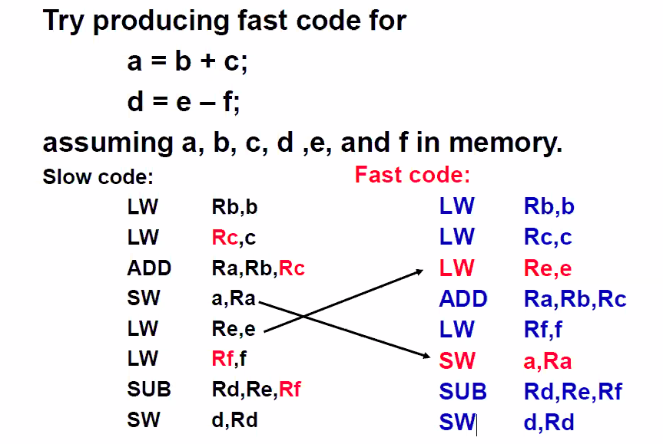
 | Three solutions
 | stall, forwarding, and out of order execution

 |  | Out of order execution
 |  | software scheduling to avoid Load Hazards

 | //

 | Different types of hazards
 | Structural, data, and control

 |  | Already discussed structural and data
 |  | Control
 |  |  | Stall pipeline as soon as the branch is detected until the MEM
 |  |  | If program is purely sequential, no problems
 |  |  | Only if there are potential branches/jumps
 |  |  | Pipeline assumes branch is not going to be taken, but if it needs to be taken, then undo
 |  |  |  | if you have to "waste time" then just add stall cycles
 |  |  |  | this is "dumb" pipeline

 |  |  | Better solution: Branch Prediction

 |  |  | Delay branch and have something "useful" done after each branch just in case

 |  |  | For prediction:
 |  |  |  | 1-bit: just do what the program did last time
 |  |  |  | 2-bit: only change prediction on two successive mispredictions
 |  |  |  |  | more bits add more hardware (more complexity, faster)
 |  |  |  |  | if you can't more hardware, just add stalls (slower)

Live 5
HW3 due Tuesday 8/11
Midterm Tuesday 8/17
 | during lecture
 | 1.5 hours
 | open everything
 | exam posted to files
 | download word file
 | type your solutions
 | up to the end of today's lecture (week 5)
 | pipelining main focus, memory as a close second, everything else after

///

Four questions for memory
 | Review replacement policy
 |  | Q3
 |  | If cache is full, and you have a brand new block coming from main memory, which one to kick out/victim?
 |  | Principle of locality in space: read blocks not bites
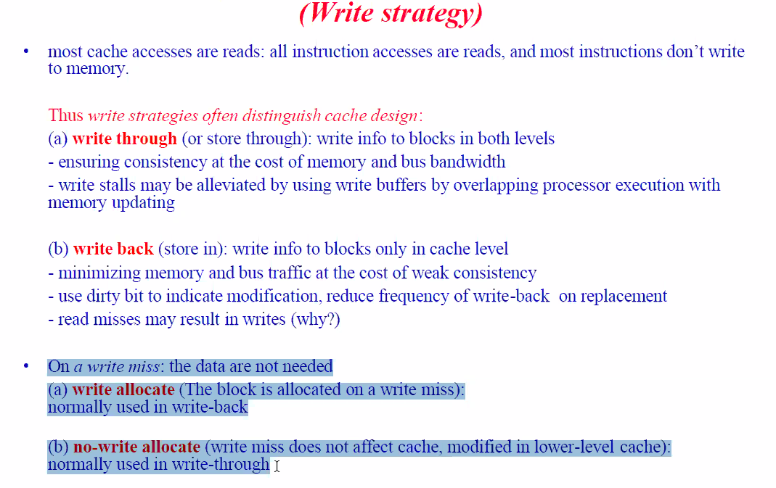
Miss
 | In the case of read, always cache
 | Write: you have the option
Hit
 | have a choice

Average memory access time (AMAT)
 | cache is unified
 |  | hit time + miss rate x miss penalty
 | cache is not unified
 |  | equation for instruction and instruction for data

Lower level: bigger, farther from processor

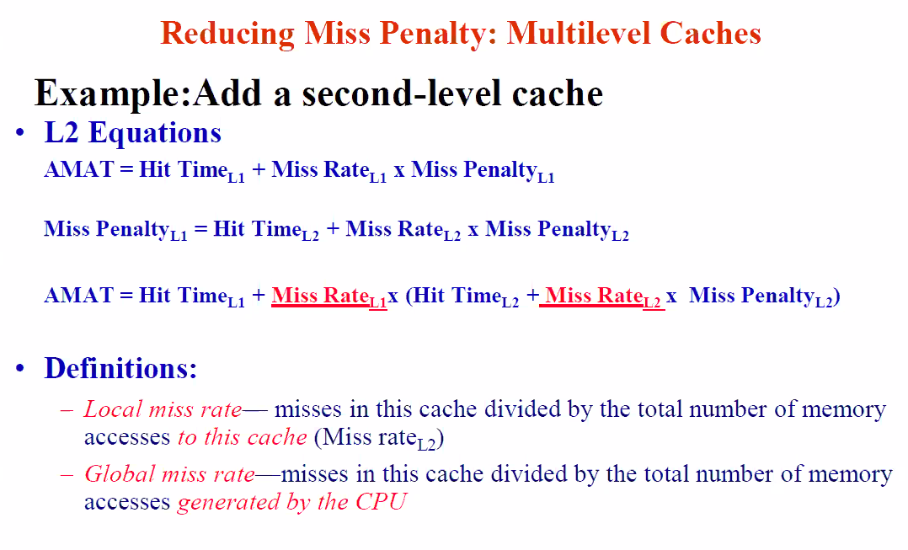
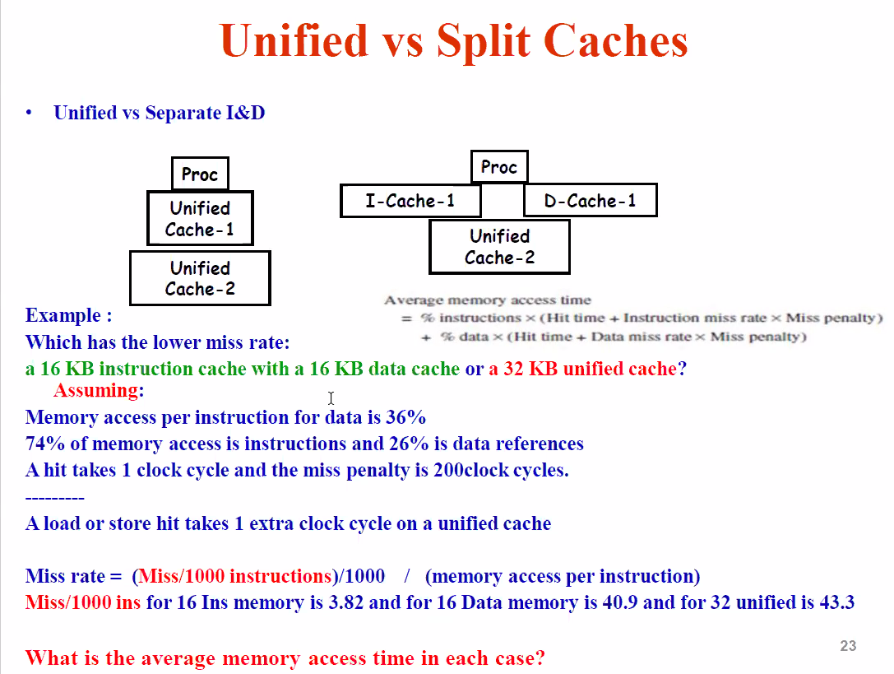
Breakdown
 | Lx hit: time it takes to knock on Lx and see if you have a hit
 | if there's a hit, then miss time is zero
 | thus, AMAT is just Lx hit
 | miss rate: how often I'm going to miss
 | penalty: just a number, often in nanoseconds
 |  | Time spent going to main memory
 |  | Only go after you check all levels of chace
 | If you miss on L1, then try to hit level 2
 | Only one miss penalty

 | Miss rate of level 2: debatable
 |  | local miss rate or global miss rate

 |  | Ex:
 |  |  | Processor has 100 tasks
 |  |  | L1: 20 hits
 |  |  | L2: 40 misses
 |  |  | what is miss rate of L2?
 |  |  |  | 40/100 miss rate (global) |  |  | 23
 |  |  |  | 40/80 miss rate (local) | 20 of the 100 already hit on L1 |  | 12

 |  | ALWAYS USE LOCAL MISS RATE!!!!!

 | In the case of loads and stores, the hit will take one extra clock cycle on unified cache
 |  |  |  |  |  |  |  |  |  | Ex
 | Split cache: just substitute numbers
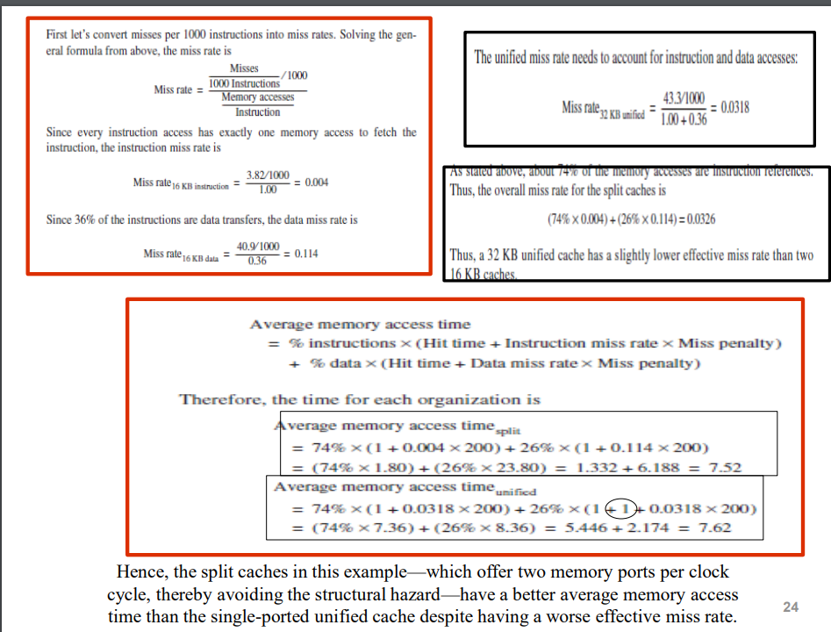
 | Unified cahce: one trick |  |  |  |  | 64
 |  | because of the load/store, one extra cycle
 |  | must add 1 to data part (26%
 |  |  | NOT present on the instruction part (74%)
 |  | BECAUSE OF STRUCTURAL HAZARD

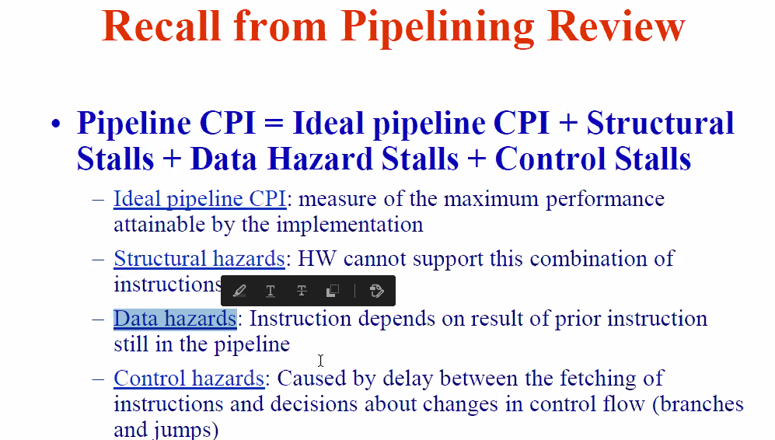
 | miss rate formula is a given
 |  | misses per a set number (cannot report every single miss)

Pipelining review |  |  | >>>>>>>>>>>>>>>>>>>

ILP: instruction level parallelism
 | 1. rely on hardware to help discover optimziation (dynamic)
 | 2. rely on software technology (like compilers) (static)

Basic block: for ILP quite small, straight line code sequence
For performance enhancements, we must exploit ILP across multipel basic blocks
simplist: loop level parallelism

If you unroll and there are no opportunities to reorganize, may not be effective
need more instructions to have more options to move up and down
 | try to eliminate stalls

Read After Write (RAW) hazard
 | specific type of data dependency
 | if a data dependency cause a hazard in pipeline |  |  |  |  |  |  |  |  |  |  |  |  |  |  |  |  | 14.7
 | Ex: we read from r1 right after we write into r1
 |  |  |  |  |  |  |  | Q3
Write After Read (WAR) hazard
 | anti-dependence |  |  | I = 5, i++ |  |  |  |  | 0.0056 | 0.9944 |  |  | 0.015 | 0.985 |  | 0.85 | 0.15
 | if you need to keep orginal value unchanged, then it is a problem |  |  |  |  |  |  |  |  | 0.112 |  |  | 0.3
 | to solve: change name (name dependence) |  |  |  |  |  |  |  |  | 1.1064
 | no stall recalled |  |  | I = 5, I = j |  |  |  |  |  |  |  |  |  |  | 1.13275 | 1.15 | 0.3

Write After Write (WAW) hazard |  |  |  |  |  |  |  |  |  |  |  |  |  |  | 1.43275
 | name depence 2
 |  | I = I + 1 |  |  |  |  |  | Ex
 |  | I = I + j |  | both RAW and WAW
 | this may need a stall cycle |  |  |  |  |  |  |  |  |  |  |  | 0.015947 | 0.984053 |  | 0.85 | 0.15
 |  |  |  |  |  |  |  |  |  |  |  |  | 0.31894
Control Dependencies
 | every instruction is control dependent on some set of branches, and in general, order must be preserved |  |  |  |  |  |  |  |  |  |  |  |  |  | 1.13166095 | 1.15 | 0.3

 | Data flow: actual flow of data vlaues among instructions that produce results and those that consume them |  |  |  |  |  |  |  |  |  |  |  |  |  | 1.45060095

 | correlated branch prediction
 |  | n-bit branch history table |  |  |  |  |  |  |  |  | Q2
 |  | record m most recently exectured branches as taken or not taken, and use the pattern to select proper n |  |  |  |  |  |  |  |  |  | miss penalty |  | 110
 |  | in general, (m,n) predictor means record last m branches to select between 2^m history tables, each with n-bit counters |  |  |  |  |  |  |  |  |  | AMAT |  | 4.4 | 5.4
 |  |  | thus, old 2-bit bht is a (0,2) predictor

