Week 3
Singularities
 | Where ridge lines show distinctive shapes – high curvature, frequent termination, etc.
 | Singularities or singular retions may be classified into three topologies:
 |  | loop
 |  | delta
 |  | whorl
 | Fingerprint matching algorithms align fingerprint images according to landmark or a center point called core, which corresponds to the center of the northernmost loop type singularity

Features in fingerprints
 | ridges and valleys
 | loops, whorl, arches
 | local ridge orientation and frequency

 | Singular point:
 |  | delta type | Triangle | five main fingerprint classes
 |  | Loop type | Square

Minutiae Points
 | Minutiae or Galton’s characteristics represent how the ridges behave:
 |  | termination
 |  | bifurcation

 | Need to be represented numerically, the coordinates of the points
 | Additionally, need the angle of the ridge to the x-axis

Feature Extraction
 | Singularity detection
 | Enhancement and binarization
 | Minutiae extraction

Singularity Detection
 | Poincare Index: P(i,j) at [i,j]:
 |  | Closed curve C is an ordered sequence of orientations such that [i,j] is an internal point
 |  | It is computed by algebraically summing the orientation differences between adjacent elements of C
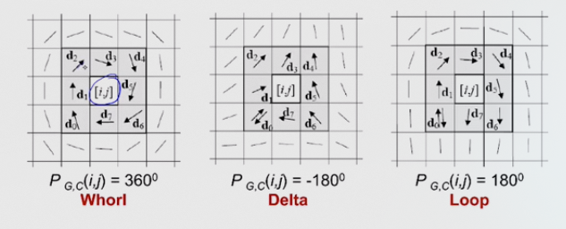

Minutiae Detection
 | Traditional Approach:
 |  | Binarization: fingerprint gray scale image is converted into a binary image |  |  | // go from 0-255 color values to only 0 and 1. Can use thresholds
 |  | Thinning: the binary image is submitted to a thinning state (the ridge-line thickness is reduced to one pixel)
 |  | Detection: simple image scan llows you to detect the pixels that correspond to minutiae

 | Direct Gray-Scale Minutiae Detection:
 |  | Ridge-line is made of a set of points that are the local maxima with respect to the direction orthogonal to the ridge-line itself
 |  | A set of starting points is determined (according to a square-mesh grid superimposed on the image)
 |  | For each point, the algorithm finds the nearest ridge-line and follows it until a bifurcation or termination is reached

Live 3
 | Q4
 |  | Just label the boxes black or white
 |  | don't change black box
 |  | change the ones around it
 |  | count how many times it switches from one color to another

 | Q5
 |  | 0-4 grayscale
 |  | detect minutiae (ends)
 |  | what threshold would you set? Like 2, to make it binary. Anything above 2 is a light point, and anything below is a dark point
 |  |  | look for minutiae based on that
 |  | i) thresholding
 |  | ii) minutiae detecting

 | Segmentation: isolating key component from background (like removing background)
 | thinning: reducing blotches

 | Singularity detection
 |  | Orientation around a specific point
 |  | d1-d0 = little delta(k) |  | (angle)
 |  | big delta(0): needs table |  | (table is in radians)
 |  |  |  | half of pi is 90

 |  |  |  | if little delta is less than 90: then take big delta k
 |  |  |  | if less than or equal -90, then add pi
 |  |  |  | if greater than or equal to 90, then subtract pi
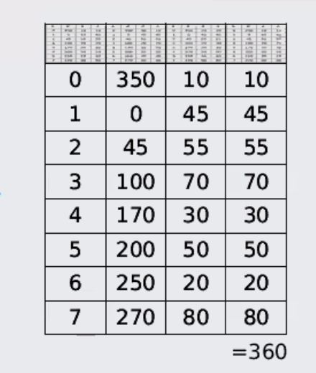
 |  |  |  |  | ALL SHOULD BE BETWEEN -90 AND 90
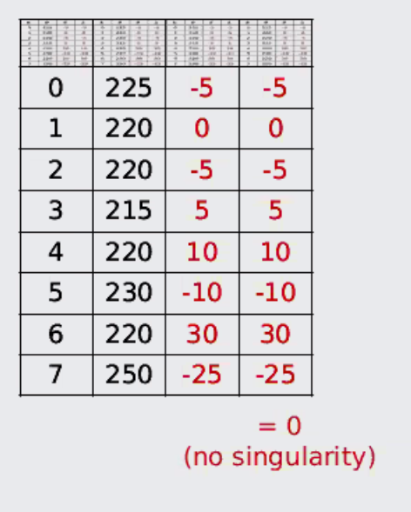
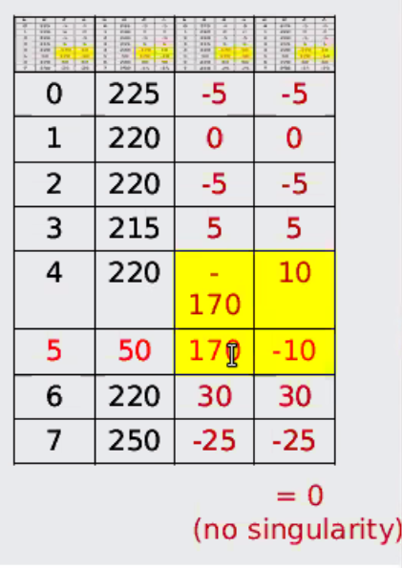
 |  |  |  |  | should add up to one of the four numbers (360, 180, -180, 0)

 |  |  |  | column 0 is record, 1 is orientation, 2 is little delta, 3 is big delta
 |  |  |  |  |  | ex>>>>>>>>>>>>>

 |  |  |  | HW
 |  |  |  | first one: | 10 | 10

 | Minutiae extraction
 |  | A) Gray Scale (monochromatic)
 |  | B) Binarization (HW5): find a threshold to make valus (anything above white, anything below black)
 |  | C) Thinning: 1 pixel wide
 |  | D) image scan: find bifurcate or terminate

 | Minutiae extraction #2
 |  | Detect pixels that corresponds to minutiae through pixel-wise computatino of crossing numbers
 |  | when they flip form black to white
Quotiant | >>>>> | 1: termination of minutiae
 |  | 2: no minutiae |  |  | always divide by 2
 |  | 3: bifurcation
 |  | go around the center
 |  |  | do something like slide 37 for termination
 |  |  | then do another one for bifurcation
 |  | HW5
 |  |  | 1 black 0 white
 |  |  | calculate crossing number
 |  |  | bifurcation: three black lines that aren't connected
 |  |  | First find class (binary class point). X and Y point where you find minutiae. Then find angle of minutiae to find theta
 |  |  | no cross orientation
 |  |  | There's a terminal at this point, put a T
 |  |  | identify where there are minutaie

 | Types of matching
 |  | Correlation
 |  |  | Don't need orientation
 |  |  | two images on top of each other, then look at delta of colors

 | Milestone 3 |  |  |  |  |  | Minutiae-based matching for other applciations
 |  | Problem domain |  |  |  |  |  | sum of array
 |  | assign duties for the main paper |  |  |  |  |  | if an element of an array complies with a check, it gets a 1
 |  |  | who's doing coding, reading, etc |  |  |  |  | if sum of array is greater than or equal to threshold, succes

HW1
Termination
Non-minutiae
0 | 1 | 0 |  |  | b2 | b3 | b4 |  |  | b2 | b3 | b4
0 | 1 | 1 |  |  | b1 |  | b5 |  |  | b1 |  | b5
0 | 1 | 0 |  |  | b0 | b7 | b6 |  |  | b0 | b7 | b6
Termination
3 |  |  |  |  |  |  |  |  |  |  |  |  |  |  |  |  | coordinate of dedected minutiae
 |  |  |  |  |  |  |  |  |  |  | Threshold | 2 |  |  |  |  | 16 as an output
 |  |  |  |  |  |  |  |  |  |  |  |  |  |  |  |  |  |  |  |  |  |  | 1 | 2 | 3 | 4 | 5 | 6 | 7 | 8 | 9 | 10
0 | 0 | 1 | 2 | 0 | 0 | 0 | 1 | 1 | 0 |  |  | 0 | 0 | 0 | 0 | 0 | 0 | 0 | 0 | 0 | 0 | 1 | 0 | 0 | 0 | 0 | 0 | 0 | 0 | 0 | 0 | 0
0 | 0 | 1 | 3 | 0 | 0 | 2 | 3 | 0 | 1 |  |  | 0 | 0 | 0 | 1 | 0 | 0 | 0 | 1 | 0 | 0 | 2 | 0 | 0 | 0 | 1 | 0 | 0 | 0 | 1 | 0 | 0
0 | 0 | 1 | 3 | 0 | 0 | 1 | 2 | 0 | 1 |  |  | 0 | 0 | 0 | 1 | 0 | 0 | 0 | 0 | 0 | 0 | 3 | 0 | 0 | 0 | 1 | 0 | 0 | 0 | 0 | 0 | 0
2 | 1 | 0 | 0 | 3 | 0 | 0 | 1 | 2 | 2 |  |  | 0 | 0 | 0 | 0 | 1 | 0 | 0 | 0 | 0 | 0 | 4 | 0 | 0 | 0 | 0 | 1 | 0 | 0 | 0 | 0 | 0
0 | 0 | 0 | 1 | 0 | 0 | 0 | 1 | 2 | 0 |  |  | 0 | 0 | 0 | 0 | 0 | 0 | 0 | 0 | 0 | 0 | 5 | 0 | 0 | 0 | 0 | 0 | 0 | 0 | 0 | 0 | 0
0 | 0 | 0 | 0 | 0 | 3 | 2 | 1 | 1 | 0 |  |  | 0 | 0 | 0 | 0 | 0 | 1 | 0 | 0 | 0 | 0 | 6 | 0 | 0 | 0 | 0 | 0 | 1 | 0 | 0 | 0 | 0
0 | 3 | 2 | 2 | 1 | 2 | 4 | 0 | 0 | 0 |  |  | 0 | 1 | 0 | 0 | 0 | 0 | 1 | 0 | 0 | 0 | 7 | 0 | 1 | 0 | 0 | 0 | 0 | 1 | 0 | 0 | 0
2 | 2 | 0 | 0 | 0 | 4 | 0 | 0 | 0 | 1 |  |  | 0 | 0 | 0 | 0 | 0 | 1 | 0 | 0 | 0 | 0 | 8 | 0 | 0 | 0 | 0 | 0 | 1 | 0 | 0 | 0 | 0
1 | 0 | 0 | 0 | 1 | 2 | 0 | 0 | 1 | 0 |  |  | 0 | 0 | 0 | 0 | 0 | 0 | 0 | 0 | 0 | 0 | 9 | 0 | 0 | 0 | 0 | 0 | 0 | 0 | 0 | 0 | 0
1 | 0 | 0 | 2 | 2 | 3 | 0 | 1 | 0 | 0 |  |  | 0 | 0 | 0 | 0 | 0 | 1 | 0 | 0 | 0 | 0 | 10 | 0 | 0 | 0 | 0 | 0 | 1 | 0 | 0 | 0 | 0

Live 5
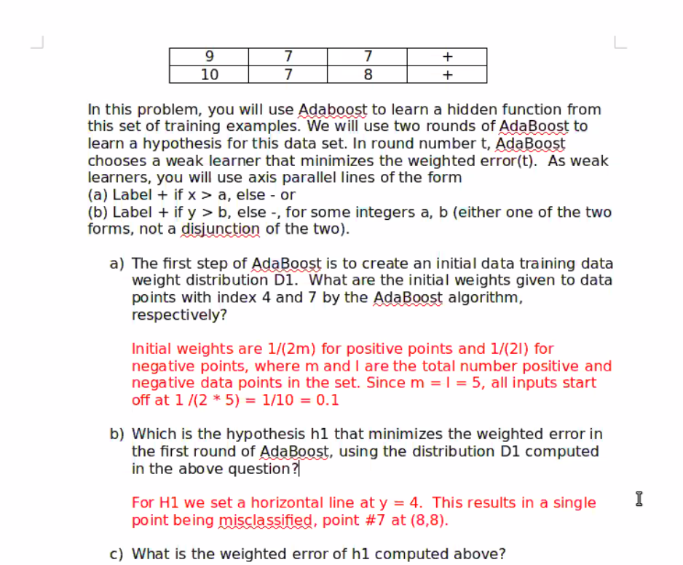
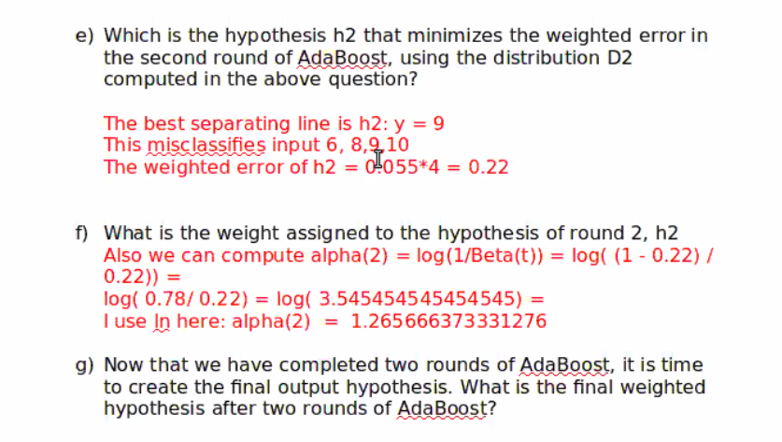
Q4
 | 5 pos values and 5 neg values
 | initial weights: proportional weights based on number of samples
 |  | thus 1/10

 | Rectify so misclassified point is not misclassified again
 | Give missclassifications higher weights

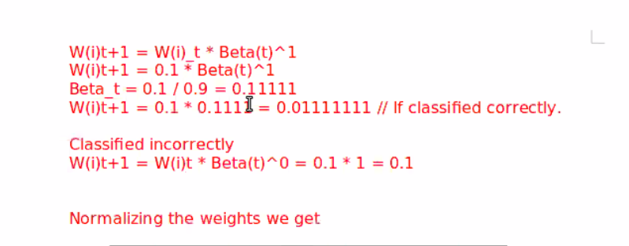

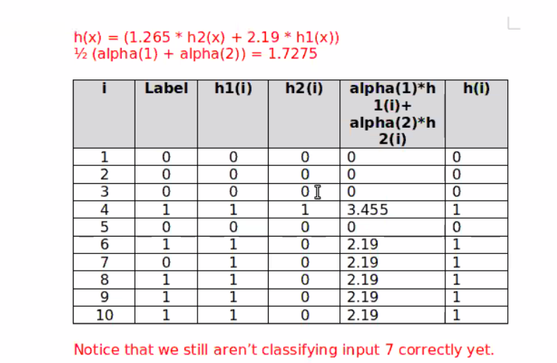

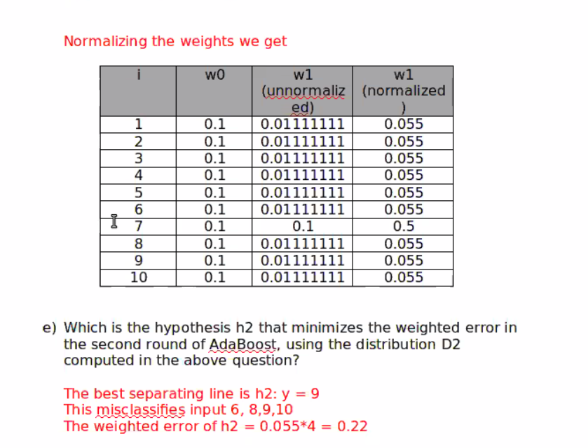

////
 |  |  | 0.1
Iris |  |  | 0.11111111111
 | Active biometric: user has to know they're being scanned and participate |  | 9
 | Passive: user does not |  | 0.95424250944

assignment 3: proposal
 | first 1/3 of paper
 | intro, previous works |  |  | 0.09
 |  |  |  | 0.11111111111 | 1
Milestones 4 and 5: just submit drafts up until that point

